Inverter History Report__17-08-
Inverter History Report_18/07/2023_Report

Inverter SN:054B7020C020044 |  | Inverter type:B7
Collector SN:4045086367 |  | Full Load Hours(h):2.58
Rated Power:10000Wp

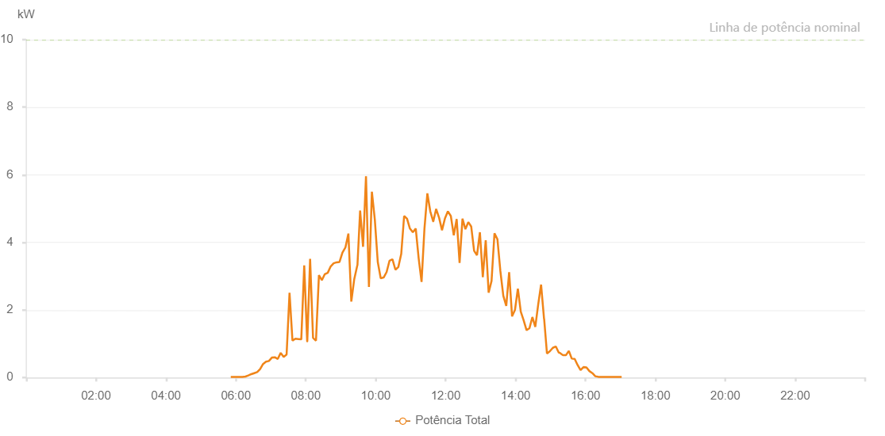

Number | Time | Working State | Alarm Code | Total Inverter Power(W)
1 | 18/07/2023 05:51:12 (UTC-4:00) | Normal |  | 20.000
2 | 18/07/2023 05:56:14 (UTC-4:00) | Normal |  | 20.000
3 | 18/07/2023 06:01:13 (UTC-4:00) | Normal |  | 20.000
4 | 18/07/2023 06:06:12 (UTC-4:00) | Normal |  | 20.000
5 | 18/07/2023 06:11:14 (UTC-4:00) | Normal |  | 20.000
6 | 18/07/2023 06:16:20 (UTC-4:00) | Normal |  | 30.000
7 | 18/07/2023 06:21:22 (UTC-4:00) | Normal |  | 60.000
8 | 18/07/2023 06:26:26 (UTC-4:00) | Normal |  | 100.000
9 | 18/07/2023 06:31:29 (UTC-4:00) | Normal |  | 130.000
10 | 18/07/2023 06:36:32 (UTC-4:00) | Normal |  | 160.000
11 | 18/07/2023 06:41:33 (UTC-4:00) | Normal |  | 250.000
12 | 18/07/2023 06:46:37 (UTC-4:00) | Normal |  | 400.000
13 | 18/07/2023 06:51:38 (UTC-4:00) | Normal |  | 470.000
14 | 18/07/2023 06:56:41 (UTC-4:00) | Normal |  | 490.000
15 | 18/07/2023 07:01:46 (UTC-4:00) | Normal |  | 590.000
16 | 18/07/2023 07:06:50 (UTC-4:00) | Normal |  | 600.000
17 | 18/07/2023 07:11:52 (UTC-4:00) | Normal |  | 550.000
18 | 18/07/2023 07:16:55 (UTC-4:00) | Normal |  | 730.000
19 | 18/07/2023 07:21:58 (UTC-4:00) | Normal |  | 610.000
20 | 18/07/2023 07:27:01 (UTC-4:00) | Normal |  | 680.000
21 | 18/07/2023 07:32:03 (UTC-4:00) | Normal |  | 2510.000
22 | 18/07/2023 07:37:06 (UTC-4:00) | Normal |  | 1090.000
23 | 18/07/2023 07:42:08 (UTC-4:00) | Normal |  | 1150.000
24 | 18/07/2023 07:47:11 (UTC-4:00) | Normal |  | 1140.000
25 | 18/07/2023 07:52:14 (UTC-4:00) | Normal |  | 1130.000
26 | 18/07/2023 07:57:17 (UTC-4:00) | Normal |  | 3320.000
27 | 18/07/2023 08:02:20 (UTC-4:00) | Normal |  | 1070.000
28 | 18/07/2023 08:02:31 (UTC-4:00) | Normal |  | 1070.000
29 | 18/07/2023 08:07:22 (UTC-4:00) | Normal |  | 3510.000
30 | 18/07/2023 08:12:25 (UTC-4:00) | Normal |  | 1170.000
31 | 18/07/2023 08:12:36 (UTC-4:00) | Normal |  | 1170.000
32 | 18/07/2023 08:17:28 (UTC-4:00) | Normal |  | 1090.000
33 | 18/07/2023 08:22:31 (UTC-4:00) | Normal |  | 3030.000
34 | 18/07/2023 08:27:34 (UTC-4:00) | Normal |  | 2880.000
35 | 18/07/2023 08:32:37 (UTC-4:00) | Normal |  | 3060.000
36 | 18/07/2023 08:37:39 (UTC-4:00) | Normal |  | 3100.000
37 | 18/07/2023 08:42:42 (UTC-4:00) | Normal |  | 3290.000
38 | 18/07/2023 08:47:46 (UTC-4:00) | Normal |  | 3380.000
39 | 18/07/2023 08:52:49 (UTC-4:00) | Normal |  | 3410.000
40 | 18/07/2023 08:57:51 (UTC-4:00) | Normal |  | 3420.000
41 | 18/07/2023 09:02:54 (UTC-4:00) | Normal |  | 3700.000
42 | 18/07/2023 09:07:59 (UTC-4:00) | Normal |  | 3850.000
43 | 18/07/2023 09:13:03 (UTC-4:00) | Normal |  | 4260.000
44 | 18/07/2023 09:18:05 (UTC-4:00) | Normal |  | 2250.000
45 | 18/07/2023 09:23:07 (UTC-4:00) | Normal |  | 2910.000
46 | 18/07/2023 09:28:22 (UTC-4:00) | Normal |  | 3320.000
47 | 18/07/2023 09:28:36 (UTC-4:00) | Normal |  | 3320.000
48 | 18/07/2023 09:33:13 (UTC-4:00) | Normal |  | 4940.000
49 | 18/07/2023 09:38:16 (UTC-4:00) | Normal |  | 3870.000
50 | 18/07/2023 09:43:18 (UTC-4:00) | Normal |  | 5960.000
51 | 18/07/2023 09:48:21 (UTC-4:00) | Normal |  | 2680.000
52 | 18/07/2023 09:53:24 (UTC-4:00) | Normal |  | 5500.000
53 | 18/07/2023 09:58:27 (UTC-4:00) | Normal |  | 4670.000
54 | 18/07/2023 10:03:30 (UTC-4:00) | Normal |  | 3420.000
55 | 18/07/2023 10:08:33 (UTC-4:00) | Normal |  | 2940.000
56 | 18/07/2023 10:13:35 (UTC-4:00) | Normal |  | 2960.000
57 | 18/07/2023 10:18:38 (UTC-4:00) | Normal |  | 3120.000
58 | 18/07/2023 10:23:42 (UTC-4:00) | Normal |  | 3460.000
59 | 18/07/2023 10:28:45 (UTC-4:00) | Normal |  | 3500.000
60 | 18/07/2023 10:33:47 (UTC-4:00) | Normal |  | 3190.000
61 | 18/07/2023 10:38:48 (UTC-4:00) | Normal |  | 3270.000
62 | 18/07/2023 10:43:47 (UTC-4:00) | Normal |  | 3660.000
63 | 18/07/2023 10:48:44 (UTC-4:00) | Normal |  | 4780.000
64 | 18/07/2023 10:53:43 (UTC-4:00) | Normal |  | 4700.000
65 | 18/07/2023 10:58:41 (UTC-4:00) | Normal |  | 4410.000
66 | 18/07/2023 11:03:43 (UTC-4:00) | Normal |  | 4300.000
67 | 18/07/2023 11:08:42 (UTC-4:00) | Normal |  | 4410.000
68 | 18/07/2023 11:13:41 (UTC-4:00) | Normal |  | 3530.000
69 | 18/07/2023 11:18:40 (UTC-4:00) | Normal |  | 2830.000
70 | 18/07/2023 11:23:38 (UTC-4:00) | Normal |  | 4410.000
71 | 18/07/2023 11:28:37 (UTC-4:00) | Normal |  | 5450.000
72 | 18/07/2023 11:33:37 (UTC-4:00) | Normal |  | 4920.000
73 | 18/07/2023 11:38:39 (UTC-4:00) | Normal |  | 4620.000
74 | 18/07/2023 11:38:50 (UTC-4:00) | Normal |  | 4620.000
75 | 18/07/2023 11:43:41 (UTC-4:00) | Normal |  | 4990.000
76 | 18/07/2023 11:48:43 (UTC-4:00) | Normal |  | 4730.000
77 | 18/07/2023 11:53:46 (UTC-4:00) | Normal |  | 4360.000
78 | 18/07/2023 11:58:49 (UTC-4:00) | Normal |  | 4710.000
79 | 18/07/2023 12:03:52 (UTC-4:00) | Normal |  | 4920.000
80 | 18/07/2023 12:08:54 (UTC-4:00) | Normal |  | 4780.000
81 | 18/07/2023 12:13:57 (UTC-4:00) | Normal |  | 4210.000
82 | 18/07/2023 12:18:56 (UTC-4:00) | Normal |  | 4690.000
83 | 18/07/2023 12:23:55 (UTC-4:00) | Normal |  | 3390.000
84 | 18/07/2023 12:28:54 (UTC-4:00) | Normal |  | 4700.000
85 | 18/07/2023 12:33:53 (UTC-4:00) | Normal |  | 4390.000
86 | 18/07/2023 12:38:52 (UTC-4:00) | Normal |  | 4600.000
87 | 18/07/2023 12:43:51 (UTC-4:00) | Normal |  | 4470.000
88 | 18/07/2023 12:48:50 (UTC-4:00) | Normal |  | 3750.000
89 | 18/07/2023 12:53:49 (UTC-4:00) | Normal |  | 3620.000
90 | 18/07/2023 12:58:48 (UTC-4:00) | Normal |  | 4300.000
91 | 18/07/2023 13:03:47 (UTC-4:00) | Normal |  | 2970.000
92 | 18/07/2023 13:08:46 (UTC-4:00) | Normal |  | 4060.000
93 | 18/07/2023 13:13:46 (UTC-4:00) | Normal |  | 2510.000
94 | 18/07/2023 13:18:47 (UTC-4:00) | Normal |  | 2860.000
95 | 18/07/2023 13:23:49 (UTC-4:00) | Normal |  | 4270.000
96 | 18/07/2023 13:28:52 (UTC-4:00) | Normal |  | 4090.000
97 | 18/07/2023 13:33:55 (UTC-4:00) | Normal |  | 3150.000
98 | 18/07/2023 13:38:58 (UTC-4:00) | Normal |  | 2420.000
99 | 18/07/2023 13:44:01 (UTC-4:00) | Normal |  | 2120.000
100 | 18/07/2023 13:48:59 (UTC-4:00) | Normal |  | 3120.000
101 | 18/07/2023 13:53:59 (UTC-4:00) | Normal |  | 1810.000
102 | 18/07/2023 13:58:58 (UTC-4:00) | Normal |  | 2000.000
103 | 18/07/2023 14:03:57 (UTC-4:00) | Normal |  | 2630.000
104 | 18/07/2023 14:08:56 (UTC-4:00) | Normal |  | 1950.000
105 | 18/07/2023 14:13:54 (UTC-4:00) | Normal |  | 1690.000
106 | 18/07/2023 14:18:53 (UTC-4:00) | Normal |  | 1400.000
107 | 18/07/2023 14:23:52 (UTC-4:00) | Normal |  | 1460.000
108 | 18/07/2023 14:28:51 (UTC-4:00) | Normal |  | 1790.000
109 | 18/07/2023 14:33:51 (UTC-4:00) | Normal |  | 1500.000
110 | 18/07/2023 14:38:50 (UTC-4:00) | Normal |  | 2160.000
111 | 18/07/2023 14:43:48 (UTC-4:00) | Normal |  | 2750.000
112 | 18/07/2023 14:48:51 (UTC-4:00) | Normal |  | 1740.000
113 | 18/07/2023 14:49:02 (UTC-4:00) | Normal |  | 1740.000
114 | 18/07/2023 14:53:54 (UTC-4:00) | Normal |  | 710.000
115 | 18/07/2023 14:58:56 (UTC-4:00) | Normal |  | 780.000
116 | 18/07/2023 15:03:59 (UTC-4:00) | Normal |  | 880.000
117 | 18/07/2023 15:09:02 (UTC-4:00) | Normal |  | 920.000
118 | 18/07/2023 15:14:06 (UTC-4:00) | Normal |  | 740.000
119 | 18/07/2023 15:16:07 (UTC-4:00) | Normal |  | 730.000
120 | 18/07/2023 15:21:25 (UTC-4:00) | Normal |  | 660.000
121 | 18/07/2023 15:26:25 (UTC-4:00) | Normal |  | 660.000
122 | 18/07/2023 15:31:26 (UTC-4:00) | Normal |  | 790.000
123 | 18/07/2023 15:36:26 (UTC-4:00) | Normal |  | 560.000
124 | 18/07/2023 15:41:27 (UTC-4:00) | Normal |  | 550.000
125 | 18/07/2023 15:46:28 (UTC-4:00) | Normal |  | 370.000
126 | 18/07/2023 15:51:31 (UTC-4:00) | Normal |  | 220.000
127 | 18/07/2023 15:56:35 (UTC-4:00) | Normal |  | 310.000
128 | 18/07/2023 16:01:39 (UTC-4:00) | Normal |  | 300.000
129 | 18/07/2023 16:06:44 (UTC-4:00) | Normal |  | 190.000
130 | 18/07/2023 16:11:48 (UTC-4:00) | Normal |  | 130.000
131 | 18/07/2023 16:16:53 (UTC-4:00) | Normal |  | 40.000
132 | 18/07/2023 16:21:57 (UTC-4:00) | Normal |  | 20.000
133 | 18/07/2023 16:27:02 (UTC-4:00) | Normal |  | 20.000
134 | 18/07/2023 16:32:02 (UTC-4:00) | Normal |  | 20.000
135 | 18/07/2023 16:37:02 (UTC-4:00) | Normal |  | 20.000
136 | 18/07/2023 16:42:04 (UTC-4:00) | Normal |  | 20.000
137 | 18/07/2023 16:47:04 (UTC-4:00) | Normal |  | 20.000
138 | 18/07/2023 16:52:05 (UTC-4:00) | Normal |  | 20.000
139 | 18/07/2023 16:57:05 (UTC-4:00) | Normal |  | 20.000
140 | 18/07/2023 17:02:06 (UTC-4:00) | Normal |  | 20.000

