Inverter History Report__17-08-
Inverter History Report_19/07/2023_Report

Inverter SN:054B7020C020044 |  | Inverter type:B7
Collector SN:4045086367 |  | Full Load Hours(h):2.67
Rated Power:10000Wp

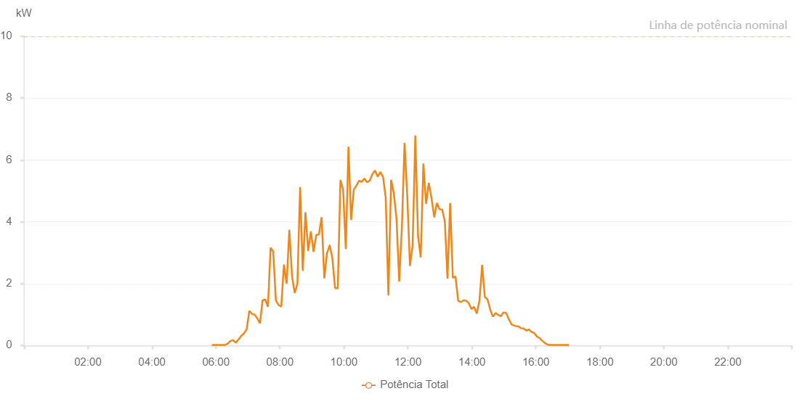

Number | Time | Working State | Alarm Code | Total Inverter Power(W)
1 | 19/07/2023 05:52:14 (UTC-4:00) | Normal |  | 20.000
2 | 19/07/2023 05:57:12 (UTC-4:00) | Normal |  | 20.000
3 | 19/07/2023 06:02:11 (UTC-4:00) | Normal |  | 20.000
4 | 19/07/2023 06:07:12 (UTC-4:00) | Normal |  | 20.000
5 | 19/07/2023 06:12:15 (UTC-4:00) | Normal |  | 20.000
6 | 19/07/2023 06:17:19 (UTC-4:00) | Normal |  | 20.000
7 | 19/07/2023 06:22:21 (UTC-4:00) | Normal |  | 60.000
8 | 19/07/2023 06:27:25 (UTC-4:00) | Normal |  | 150.000
9 | 19/07/2023 06:32:27 (UTC-4:00) | Normal |  | 170.000
10 | 19/07/2023 06:37:29 (UTC-4:00) | Normal |  | 90.000
11 | 19/07/2023 06:42:32 (UTC-4:00) | Normal |  | 200.000
12 | 19/07/2023 06:47:36 (UTC-4:00) | Normal |  | 310.000
13 | 19/07/2023 06:52:36 (UTC-4:00) | Normal |  | 390.000
14 | 19/07/2023 06:57:39 (UTC-4:00) | Normal |  | 520.000
15 | 19/07/2023 07:02:41 (UTC-4:00) | Normal |  | 1120.000
16 | 19/07/2023 07:07:40 (UTC-4:00) | Normal |  | 1020.000
17 | 19/07/2023 07:12:39 (UTC-4:00) | Normal |  | 1000.000
18 | 19/07/2023 07:17:37 (UTC-4:00) | Normal |  | 880.000
19 | 19/07/2023 07:22:36 (UTC-4:00) | Normal |  | 720.000
20 | 19/07/2023 07:27:34 (UTC-4:00) | Normal |  | 1460.000
21 | 19/07/2023 07:32:33 (UTC-4:00) | Normal |  | 1490.000
22 | 19/07/2023 07:37:34 (UTC-4:00) | Normal |  | 1250.000
23 | 19/07/2023 07:42:32 (UTC-4:00) | Normal |  | 3160.000
24 | 19/07/2023 07:47:31 (UTC-4:00) | Normal |  | 3040.000
25 | 19/07/2023 07:52:30 (UTC-4:00) | Normal |  | 1450.000
26 | 19/07/2023 07:57:29 (UTC-4:00) | Normal |  | 1310.000
27 | 19/07/2023 08:02:32 (UTC-4:00) | Normal |  | 1260.000
28 | 19/07/2023 08:07:35 (UTC-4:00) | Normal |  | 2620.000
29 | 19/07/2023 08:12:39 (UTC-4:00) | Normal |  | 2000.000
30 | 19/07/2023 08:17:41 (UTC-4:00) | Normal |  | 3740.000
31 | 19/07/2023 08:22:44 (UTC-4:00) | Normal |  | 2240.000
32 | 19/07/2023 08:27:47 (UTC-4:00) | Normal |  | 1700.000
33 | 19/07/2023 08:32:49 (UTC-4:00) | Normal |  | 1990.000
34 | 19/07/2023 08:37:52 (UTC-4:00) | Normal |  | 5120.000
35 | 19/07/2023 08:42:54 (UTC-4:00) | Normal |  | 2410.000
36 | 19/07/2023 08:47:57 (UTC-4:00) | Normal |  | 4310.000
37 | 19/07/2023 08:53:01 (UTC-4:00) | Normal |  | 3060.000
38 | 19/07/2023 08:58:03 (UTC-4:00) | Normal |  | 3690.000
39 | 19/07/2023 09:03:06 (UTC-4:00) | Normal |  | 3030.000
40 | 19/07/2023 09:08:08 (UTC-4:00) | Normal |  | 3580.000
41 | 19/07/2023 09:13:11 (UTC-4:00) | Normal |  | 3590.000
42 | 19/07/2023 09:18:13 (UTC-4:00) | Normal |  | 4150.000
43 | 19/07/2023 09:23:16 (UTC-4:00) | Normal |  | 2170.000
44 | 19/07/2023 09:28:18 (UTC-4:00) | Normal |  | 2980.000
45 | 19/07/2023 09:33:21 (UTC-4:00) | Normal |  | 3240.000
46 | 19/07/2023 09:33:33 (UTC-4:00) | Normal |  | 3240.000
47 | 19/07/2023 09:38:23 (UTC-4:00) | Normal |  | 2820.000
48 | 19/07/2023 09:43:26 (UTC-4:00) | Normal |  | 1860.000
49 | 19/07/2023 09:48:29 (UTC-4:00) | Normal |  | 1850.000
50 | 19/07/2023 09:53:31 (UTC-4:00) | Normal |  | 5340.000
51 | 19/07/2023 09:53:43 (UTC-4:00) | Normal |  | 5340.000
52 | 19/07/2023 09:58:33 (UTC-4:00) | Normal |  | 5040.000
53 | 19/07/2023 10:03:36 (UTC-4:00) | Normal |  | 3120.000
54 | 19/07/2023 10:08:35 (UTC-4:00) | Normal |  | 6430.000
55 | 19/07/2023 10:13:33 (UTC-4:00) | Normal |  | 4060.000
56 | 19/07/2023 10:18:34 (UTC-4:00) | Normal |  | 5040.000
57 | 19/07/2023 10:23:32 (UTC-4:00) | Normal |  | 5170.000
58 | 19/07/2023 10:28:31 (UTC-4:00) | Normal |  | 5330.000
59 | 19/07/2023 10:33:29 (UTC-4:00) | Normal |  | 5290.000
60 | 19/07/2023 10:38:28 (UTC-4:00) | Normal |  | 5400.000
61 | 19/07/2023 10:43:27 (UTC-4:00) | Normal |  | 5280.000
62 | 19/07/2023 10:48:26 (UTC-4:00) | Normal |  | 5330.000
63 | 19/07/2023 10:53:25 (UTC-4:00) | Normal |  | 5540.000
64 | 19/07/2023 10:58:23 (UTC-4:00) | Normal |  | 5660.000
65 | 19/07/2023 11:03:22 (UTC-4:00) | Normal |  | 5460.000
66 | 19/07/2023 11:08:22 (UTC-4:00) | Normal |  | 5610.000
67 | 19/07/2023 11:13:25 (UTC-4:00) | Normal |  | 5450.000
68 | 19/07/2023 11:18:27 (UTC-4:00) | Normal |  | 4780.000
69 | 19/07/2023 11:23:30 (UTC-4:00) | Normal |  | 1620.000
70 | 19/07/2023 11:28:32 (UTC-4:00) | Normal |  | 5360.000
71 | 19/07/2023 11:33:35 (UTC-4:00) | Normal |  | 4930.000
72 | 19/07/2023 11:38:38 (UTC-4:00) | Normal |  | 4110.000
73 | 19/07/2023 11:43:42 (UTC-4:00) | Normal |  | 2070.000
74 | 19/07/2023 11:48:46 (UTC-4:00) | Normal |  | 3830.000
75 | 19/07/2023 11:53:47 (UTC-4:00) | Normal |  | 6550.000
76 | 19/07/2023 11:58:51 (UTC-4:00) | Normal |  | 4840.000
77 | 19/07/2023 12:03:53 (UTC-4:00) | Normal |  | 2570.000
78 | 19/07/2023 12:08:55 (UTC-4:00) | Normal |  | 3240.000
79 | 19/07/2023 12:13:58 (UTC-4:00) | Normal |  | 6790.000
80 | 19/07/2023 12:19:00 (UTC-4:00) | Normal |  | 3550.000
81 | 19/07/2023 12:24:04 (UTC-4:00) | Normal |  | 2850.000
82 | 19/07/2023 12:29:06 (UTC-4:00) | Normal |  | 5880.000
83 | 19/07/2023 12:34:09 (UTC-4:00) | Normal |  | 4580.000
84 | 19/07/2023 12:39:11 (UTC-4:00) | Normal |  | 5260.000
85 | 19/07/2023 12:44:15 (UTC-4:00) | Normal |  | 4770.000
86 | 19/07/2023 12:49:18 (UTC-4:00) | Normal |  | 4160.000
87 | 19/07/2023 12:49:33 (UTC-4:00) | Normal |  | 4160.000
88 | 19/07/2023 12:54:20 (UTC-4:00) | Normal |  | 4610.000
89 | 19/07/2023 12:59:23 (UTC-4:00) | Normal |  | 4410.000
90 | 19/07/2023 13:04:21 (UTC-4:00) | Normal |  | 4400.000
91 | 19/07/2023 13:09:20 (UTC-4:00) | Normal |  | 4000.000
92 | 19/07/2023 13:14:18 (UTC-4:00) | Normal |  | 2160.000
93 | 19/07/2023 13:19:17 (UTC-4:00) | Normal |  | 4610.000
94 | 19/07/2023 13:24:18 (UTC-4:00) | Normal |  | 2190.000
95 | 19/07/2023 13:29:18 (UTC-4:00) | Normal |  | 2230.000
96 | 19/07/2023 13:34:17 (UTC-4:00) | Normal |  | 1450.000
97 | 19/07/2023 13:39:15 (UTC-4:00) | Normal |  | 1400.000
98 | 19/07/2023 13:44:16 (UTC-4:00) | Normal |  | 1460.000
99 | 19/07/2023 13:49:14 (UTC-4:00) | Normal |  | 1450.000
100 | 19/07/2023 13:54:13 (UTC-4:00) | Normal |  | 1370.000
101 | 19/07/2023 13:59:12 (UTC-4:00) | Normal |  | 1180.000
102 | 19/07/2023 14:04:10 (UTC-4:00) | Normal |  | 1250.000
103 | 19/07/2023 14:09:12 (UTC-4:00) | Normal |  | 1030.000
104 | 19/07/2023 14:14:14 (UTC-4:00) | Normal |  | 1450.000
105 | 19/07/2023 14:19:17 (UTC-4:00) | Normal |  | 2610.000
106 | 19/07/2023 14:24:20 (UTC-4:00) | Normal |  | 1570.000
107 | 19/07/2023 14:29:23 (UTC-4:00) | Normal |  | 1490.000
108 | 19/07/2023 14:34:25 (UTC-4:00) | Normal |  | 1160.000
109 | 19/07/2023 14:39:24 (UTC-4:00) | Normal |  | 930.000
110 | 19/07/2023 14:44:22 (UTC-4:00) | Normal |  | 1050.000
111 | 19/07/2023 14:49:21 (UTC-4:00) | Normal |  | 990.000
112 | 19/07/2023 14:54:20 (UTC-4:00) | Normal |  | 950.000
113 | 19/07/2023 14:59:18 (UTC-4:00) | Normal |  | 1070.000
114 | 19/07/2023 15:04:17 (UTC-4:00) | Normal |  | 1050.000
115 | 19/07/2023 15:09:15 (UTC-4:00) | Normal |  | 850.000
116 | 19/07/2023 15:14:14 (UTC-4:00) | Normal |  | 690.000
117 | 19/07/2023 15:16:43 (UTC-4:00) | Normal |  | 660.000
118 | 19/07/2023 15:22:01 (UTC-4:00) | Normal |  | 630.000
119 | 19/07/2023 15:27:01 (UTC-4:00) | Normal |  | 620.000
120 | 19/07/2023 15:32:02 (UTC-4:00) | Normal |  | 560.000
121 | 19/07/2023 15:37:02 (UTC-4:00) | Normal |  | 550.000
122 | 19/07/2023 15:42:02 (UTC-4:00) | Normal |  | 480.000
123 | 19/07/2023 15:47:03 (UTC-4:00) | Normal |  | 520.000
124 | 19/07/2023 15:52:03 (UTC-4:00) | Normal |  | 440.000
125 | 19/07/2023 15:57:03 (UTC-4:00) | Normal |  | 400.000
126 | 19/07/2023 16:02:03 (UTC-4:00) | Normal |  | 290.000
127 | 19/07/2023 16:07:03 (UTC-4:00) | Normal |  | 240.000
128 | 19/07/2023 16:12:04 (UTC-4:00) | Normal |  | 150.000
129 | 19/07/2023 16:17:04 (UTC-4:00) | Normal |  | 80.000
130 | 19/07/2023 16:22:04 (UTC-4:00) | Normal |  | 30.000
131 | 19/07/2023 16:27:05 (UTC-4:00) | Normal |  | 20.000
132 | 19/07/2023 16:32:05 (UTC-4:00) | Normal |  | 20.000
133 | 19/07/2023 16:37:05 (UTC-4:00) | Normal |  | 20.000
134 | 19/07/2023 16:42:05 (UTC-4:00) | Normal |  | 20.000
135 | 19/07/2023 16:47:05 (UTC-4:00) | Normal |  | 20.000
136 | 19/07/2023 16:52:05 (UTC-4:00) | Normal |  | 20.000
137 | 19/07/2023 16:57:08 (UTC-4:00) | Normal |  | 20.000
138 | 19/07/2023 16:57:19 (UTC-4:00) | Normal |  | 20.000
139 | 19/07/2023 17:02:12 (UTC-4:00) | Normal |  | 20.000

