Inverter History Report__17-08-
Inverter History Report_20/07/2023_Report

Inverter SN:054B7020C020044 |  | Inverter type:B7
Collector SN:4045086367 |  | Full Load Hours(h):3.08
Rated Power:10000Wp

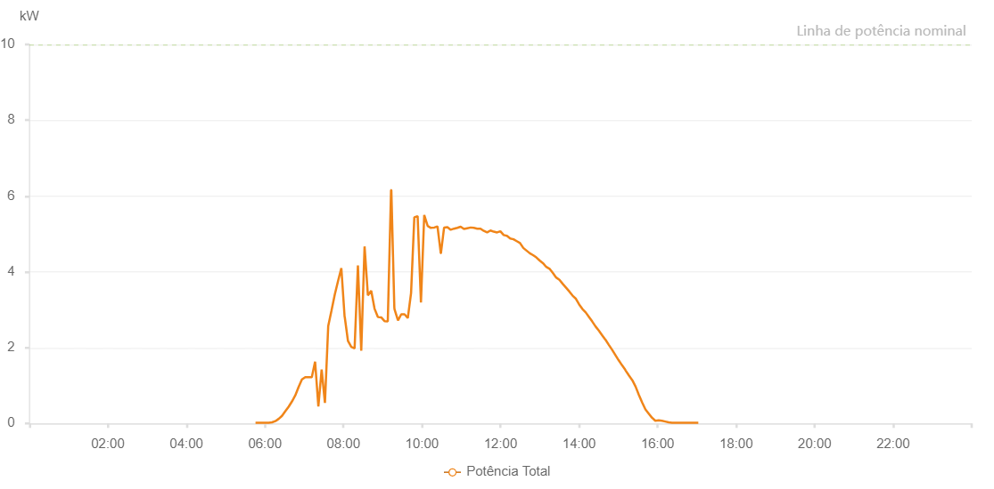

Number | Time | Working State | Alarm Code | Total Inverter Power(W)
1 | 20/07/2023 05:45:35 (UTC-4:00) | Normal |  | 20.000
2 | 20/07/2023 05:50:36 (UTC-4:00) | Normal |  | 20.000
3 | 20/07/2023 05:55:37 (UTC-4:00) | Normal |  | 20.000
4 | 20/07/2023 06:00:40 (UTC-4:00) | Normal |  | 20.000
5 | 20/07/2023 06:05:44 (UTC-4:00) | Normal |  | 20.000
6 | 20/07/2023 06:10:49 (UTC-4:00) | Normal |  | 30.000
7 | 20/07/2023 06:15:53 (UTC-4:00) | Normal |  | 60.000
8 | 20/07/2023 06:20:58 (UTC-4:00) | Normal |  | 120.000
9 | 20/07/2023 06:26:03 (UTC-4:00) | Normal |  | 200.000
10 | 20/07/2023 06:31:07 (UTC-4:00) | Normal |  | 320.000
11 | 20/07/2023 06:36:12 (UTC-4:00) | Normal |  | 440.000
12 | 20/07/2023 06:41:18 (UTC-4:00) | Normal |  | 580.000
13 | 20/07/2023 06:46:22 (UTC-4:00) | Normal |  | 740.000
14 | 20/07/2023 06:51:26 (UTC-4:00) | Normal |  | 960.000
15 | 20/07/2023 06:56:31 (UTC-4:00) | Normal |  | 1160.000
16 | 20/07/2023 07:01:36 (UTC-4:00) | Normal |  | 1220.000
17 | 20/07/2023 07:06:36 (UTC-4:00) | Normal |  | 1220.000
18 | 20/07/2023 07:11:37 (UTC-4:00) | Normal |  | 1220.000
19 | 20/07/2023 07:16:38 (UTC-4:00) | Normal |  | 1630.000
20 | 20/07/2023 07:21:38 (UTC-4:00) | Normal |  | 450.000
21 | 20/07/2023 07:26:39 (UTC-4:00) | Normal |  | 1420.000
22 | 20/07/2023 07:31:40 (UTC-4:00) | Normal |  | 540.000
23 | 20/07/2023 07:36:41 (UTC-4:00) | Normal |  | 2570.000
24 | 20/07/2023 07:41:42 (UTC-4:00) | Normal |  | 2980.000
25 | 20/07/2023 07:46:43 (UTC-4:00) | Normal |  | 3400.000
26 | 20/07/2023 07:51:44 (UTC-4:00) | Normal |  | 3760.000
27 | 20/07/2023 07:56:44 (UTC-4:00) | Normal |  | 4100.000
28 | 20/07/2023 08:01:45 (UTC-4:00) | Normal |  | 2810.000
29 | 20/07/2023 08:01:56 (UTC-4:00) | Normal |  | 2810.000
30 | 20/07/2023 08:06:50 (UTC-4:00) | Normal |  | 2180.000
31 | 20/07/2023 08:11:55 (UTC-4:00) | Normal |  | 2020.000
32 | 20/07/2023 08:16:59 (UTC-4:00) | Normal |  | 1980.000
33 | 20/07/2023 08:22:04 (UTC-4:00) | Normal |  | 4170.000
34 | 20/07/2023 08:27:09 (UTC-4:00) | Normal |  | 1920.000
35 | 20/07/2023 08:32:14 (UTC-4:00) | Normal |  | 4670.000
36 | 20/07/2023 08:37:19 (UTC-4:00) | Normal |  | 3380.000
37 | 20/07/2023 08:42:23 (UTC-4:00) | Normal |  | 3500.000
38 | 20/07/2023 08:47:27 (UTC-4:00) | Normal |  | 3030.000
39 | 20/07/2023 08:52:33 (UTC-4:00) | Normal |  | 2810.000
40 | 20/07/2023 08:57:37 (UTC-4:00) | Normal |  | 2800.000
41 | 20/07/2023 09:02:42 (UTC-4:00) | Normal |  | 2700.000
42 | 20/07/2023 09:02:52 (UTC-4:00) | Normal |  | 2700.000
43 | 20/07/2023 09:07:42 (UTC-4:00) | Normal |  | 2690.000
44 | 20/07/2023 09:12:43 (UTC-4:00) | Normal |  | 6160.000
45 | 20/07/2023 09:13:08 (UTC-4:00) | Normal |  | 6160.000
46 | 20/07/2023 09:17:43 (UTC-4:00) | Normal |  | 3060.000
47 | 20/07/2023 09:18:02 (UTC-4:00) | Normal |  | 3010.000
48 | 20/07/2023 09:23:18 (UTC-4:00) | Normal |  | 2720.000
49 | 20/07/2023 09:28:18 (UTC-4:00) | Normal |  | 2880.000
50 | 20/07/2023 09:33:18 (UTC-4:00) | Normal |  | 2880.000
51 | 20/07/2023 09:38:17 (UTC-4:00) | Normal |  | 2780.000
52 | 20/07/2023 09:43:17 (UTC-4:00) | Normal |  | 3440.000
53 | 20/07/2023 09:48:16 (UTC-4:00) | Normal |  | 5440.000
54 | 20/07/2023 09:48:27 (UTC-4:00) | Normal |  | 5440.000
55 | 20/07/2023 09:53:19 (UTC-4:00) | Normal |  | 5470.000
56 | 20/07/2023 09:58:23 (UTC-4:00) | Normal |  | 3190.000
57 | 20/07/2023 10:03:25 (UTC-4:00) | Normal |  | 5500.000
58 | 20/07/2023 10:08:40 (UTC-4:00) | Normal |  | 5210.000
59 | 20/07/2023 10:13:32 (UTC-4:00) | Normal |  | 5160.000
60 | 20/07/2023 10:18:36 (UTC-4:00) | Normal |  | 5170.000
61 | 20/07/2023 10:18:51 (UTC-4:00) | Normal |  | 5170.000
62 | 20/07/2023 10:23:39 (UTC-4:00) | Normal |  | 5200.000
63 | 20/07/2023 10:28:43 (UTC-4:00) | Normal |  | 4490.000
64 | 20/07/2023 10:28:54 (UTC-4:00) | Normal |  | 4490.000
65 | 20/07/2023 10:33:46 (UTC-4:00) | Normal |  | 5170.000
66 | 20/07/2023 10:38:51 (UTC-4:00) | Normal |  | 5180.000
67 | 20/07/2023 10:43:53 (UTC-4:00) | Normal |  | 5110.000
68 | 20/07/2023 10:48:57 (UTC-4:00) | Normal |  | 5140.000
69 | 20/07/2023 10:54:00 (UTC-4:00) | Normal |  | 5160.000
70 | 20/07/2023 10:59:04 (UTC-4:00) | Normal |  | 5190.000
71 | 20/07/2023 11:04:07 (UTC-4:00) | Normal |  | 5130.000
72 | 20/07/2023 11:09:11 (UTC-4:00) | Normal |  | 5150.000
73 | 20/07/2023 11:14:14 (UTC-4:00) | Normal |  | 5170.000
74 | 20/07/2023 11:19:18 (UTC-4:00) | Normal |  | 5160.000
75 | 20/07/2023 11:24:21 (UTC-4:00) | Normal |  | 5140.000
76 | 20/07/2023 11:29:25 (UTC-4:00) | Normal |  | 5140.000
77 | 20/07/2023 11:34:29 (UTC-4:00) | Normal |  | 5080.000
78 | 20/07/2023 11:39:32 (UTC-4:00) | Normal |  | 5040.000
79 | 20/07/2023 11:44:36 (UTC-4:00) | Normal |  | 5090.000
80 | 20/07/2023 11:49:39 (UTC-4:00) | Normal |  | 5060.000
81 | 20/07/2023 11:54:43 (UTC-4:00) | Normal |  | 5040.000
82 | 20/07/2023 11:59:46 (UTC-4:00) | Normal |  | 5070.000
83 | 20/07/2023 12:04:50 (UTC-4:00) | Normal |  | 4970.000
84 | 20/07/2023 12:09:49 (UTC-4:00) | Normal |  | 4950.000
85 | 20/07/2023 12:14:49 (UTC-4:00) | Normal |  | 4880.000
86 | 20/07/2023 12:19:48 (UTC-4:00) | Normal |  | 4860.000
87 | 20/07/2023 12:24:48 (UTC-4:00) | Normal |  | 4810.000
88 | 20/07/2023 12:29:47 (UTC-4:00) | Normal |  | 4760.000
89 | 20/07/2023 12:34:47 (UTC-4:00) | Normal |  | 4630.000
90 | 20/07/2023 12:39:47 (UTC-4:00) | Normal |  | 4560.000
91 | 20/07/2023 12:44:46 (UTC-4:00) | Normal |  | 4490.000
92 | 20/07/2023 12:49:46 (UTC-4:00) | Normal |  | 4440.000
93 | 20/07/2023 12:54:45 (UTC-4:00) | Normal |  | 4380.000
94 | 20/07/2023 12:59:45 (UTC-4:00) | Normal |  | 4300.000
95 | 20/07/2023 13:04:46 (UTC-4:00) | Normal |  | 4230.000
96 | 20/07/2023 13:09:50 (UTC-4:00) | Normal |  | 4130.000
97 | 20/07/2023 13:14:54 (UTC-4:00) | Normal |  | 4080.000
98 | 20/07/2023 13:19:57 (UTC-4:00) | Normal |  | 3970.000
99 | 20/07/2023 13:25:01 (UTC-4:00) | Normal |  | 3850.000
100 | 20/07/2023 13:30:04 (UTC-4:00) | Normal |  | 3790.000
101 | 20/07/2023 13:35:08 (UTC-4:00) | Normal |  | 3680.000
102 | 20/07/2023 13:40:11 (UTC-4:00) | Normal |  | 3580.000
103 | 20/07/2023 13:45:11 (UTC-4:00) | Normal |  | 3480.000
104 | 20/07/2023 13:50:10 (UTC-4:00) | Normal |  | 3370.000
105 | 20/07/2023 13:55:10 (UTC-4:00) | Normal |  | 3290.000
106 | 20/07/2023 14:00:09 (UTC-4:00) | Normal |  | 3140.000
107 | 20/07/2023 14:05:09 (UTC-4:00) | Normal |  | 3020.000
108 | 20/07/2023 14:10:08 (UTC-4:00) | Normal |  | 2930.000
109 | 20/07/2023 14:15:08 (UTC-4:00) | Normal |  | 2810.000
110 | 20/07/2023 14:20:07 (UTC-4:00) | Normal |  | 2690.000
111 | 20/07/2023 14:25:08 (UTC-4:00) | Normal |  | 2560.000
112 | 20/07/2023 14:30:08 (UTC-4:00) | Normal |  | 2450.000
113 | 20/07/2023 14:35:08 (UTC-4:00) | Normal |  | 2330.000
114 | 20/07/2023 14:40:09 (UTC-4:00) | Normal |  | 2210.000
115 | 20/07/2023 14:40:19 (UTC-4:00) | Normal |  | 2210.000
116 | 20/07/2023 14:45:14 (UTC-4:00) | Normal |  | 2080.000
117 | 20/07/2023 14:50:15 (UTC-4:00) | Normal |  | 1950.000
118 | 20/07/2023 14:55:19 (UTC-4:00) | Normal |  | 1810.000
119 | 20/07/2023 15:00:22 (UTC-4:00) | Normal |  | 1670.000
120 | 20/07/2023 15:05:26 (UTC-4:00) | Normal |  | 1540.000
121 | 20/07/2023 15:10:29 (UTC-4:00) | Normal |  | 1420.000
122 | 20/07/2023 15:11:01 (UTC-4:00) | Normal |  | 1400.000
123 | 20/07/2023 15:16:23 (UTC-4:00) | Normal |  | 1260.000
124 | 20/07/2023 15:21:24 (UTC-4:00) | Normal |  | 1140.000
125 | 20/07/2023 15:26:24 (UTC-4:00) | Normal |  | 970.000
126 | 20/07/2023 15:31:26 (UTC-4:00) | Normal |  | 750.000
127 | 20/07/2023 15:36:26 (UTC-4:00) | Normal |  | 550.000
128 | 20/07/2023 15:41:27 (UTC-4:00) | Normal |  | 370.000
129 | 20/07/2023 15:46:27 (UTC-4:00) | Normal |  | 260.000
130 | 20/07/2023 15:51:28 (UTC-4:00) | Normal |  | 150.000
131 | 20/07/2023 15:51:39 (UTC-4:00) | Normal |  | 150.000
132 | 20/07/2023 15:56:32 (UTC-4:00) | Normal |  | 70.000
133 | 20/07/2023 16:01:36 (UTC-4:00) | Normal |  | 80.000
134 | 20/07/2023 16:06:41 (UTC-4:00) | Normal |  | 70.000
135 | 20/07/2023 16:11:45 (UTC-4:00) | Normal |  | 50.000
136 | 20/07/2023 16:16:49 (UTC-4:00) | Normal |  | 30.000
137 | 20/07/2023 16:21:55 (UTC-4:00) | Normal |  | 20.000
138 | 20/07/2023 16:26:59 (UTC-4:00) | Normal |  | 20.000
139 | 20/07/2023 16:32:04 (UTC-4:00) | Normal |  | 20.000
140 | 20/07/2023 16:37:08 (UTC-4:00) | Normal |  | 20.000
141 | 20/07/2023 16:42:13 (UTC-4:00) | Normal |  | 20.000
142 | 20/07/2023 16:47:13 (UTC-4:00) | Normal |  | 20.000
143 | 20/07/2023 16:52:14 (UTC-4:00) | Normal |  | 20.000
144 | 20/07/2023 16:57:14 (UTC-4:00) | Normal |  | 20.000
145 | 20/07/2023 17:02:14 (UTC-4:00) | Normal |  | 20.000

