Inverter History Report__17-08-
Inverter History Report_21/07/2023_Report

Inverter SN:054B7020C020044 |  | Inverter type:B7
Collector SN:4045086367 |  | Full Load Hours(h):3.13
Rated Power:10000Wp

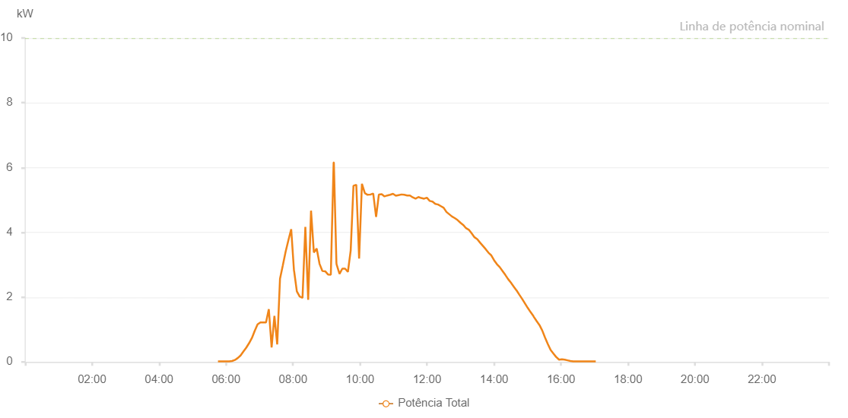

Number | Time | Working State | Alarm Code | Total Inverter Power(W)
1 | 21/07/2023 05:44:35 (UTC-4:00) | Normal |  | 20.000
2 | 21/07/2023 05:49:33 (UTC-4:00) | Normal |  | 20.000
3 | 21/07/2023 05:54:32 (UTC-4:00) | Normal |  | 20.000
4 | 21/07/2023 05:59:34 (UTC-4:00) | Normal |  | 20.000
5 | 21/07/2023 06:04:37 (UTC-4:00) | Normal |  | 20.000
6 | 21/07/2023 06:09:38 (UTC-4:00) | Normal |  | 30.000
7 | 21/07/2023 06:14:40 (UTC-4:00) | Normal |  | 50.000
8 | 21/07/2023 06:19:43 (UTC-4:00) | Normal |  | 90.000
9 | 21/07/2023 06:24:46 (UTC-4:00) | Normal |  | 180.000
10 | 21/07/2023 06:29:44 (UTC-4:00) | Normal |  | 280.000
11 | 21/07/2023 06:34:43 (UTC-4:00) | Normal |  | 370.000
12 | 21/07/2023 06:39:42 (UTC-4:00) | Normal |  | 470.000
13 | 21/07/2023 06:44:41 (UTC-4:00) | Normal |  | 550.000
14 | 21/07/2023 06:49:40 (UTC-4:00) | Normal |  | 660.000
15 | 21/07/2023 06:54:38 (UTC-4:00) | Normal |  | 770.000
16 | 21/07/2023 06:59:37 (UTC-4:00) | Normal |  | 880.000
17 | 21/07/2023 07:04:37 (UTC-4:00) | Normal |  | 1030.000
18 | 21/07/2023 07:09:36 (UTC-4:00) | Normal |  | 1350.000
19 | 21/07/2023 07:14:34 (UTC-4:00) | Normal |  | 1530.000
20 | 21/07/2023 07:19:33 (UTC-4:00) | Normal |  | 1650.000
21 | 21/07/2023 07:24:36 (UTC-4:00) | Normal |  | 1790.000
22 | 21/07/2023 07:29:39 (UTC-4:00) | Normal |  | 1990.000
23 | 21/07/2023 07:34:41 (UTC-4:00) | Normal |  | 2190.000
24 | 21/07/2023 07:39:46 (UTC-4:00) | Normal |  | 2360.000
25 | 21/07/2023 07:44:48 (UTC-4:00) | Normal |  | 2470.000
26 | 21/07/2023 07:49:50 (UTC-4:00) | Normal |  | 2600.000
27 | 21/07/2023 07:54:53 (UTC-4:00) | Normal |  | 2750.000
28 | 21/07/2023 07:59:55 (UTC-4:00) | Normal |  | 2870.000
29 | 21/07/2023 08:04:58 (UTC-4:00) | Normal |  | 3000.000
30 | 21/07/2023 08:10:01 (UTC-4:00) | Normal |  | 3130.000
31 | 21/07/2023 08:15:00 (UTC-4:00) | Normal |  | 3200.000
32 | 21/07/2023 08:19:58 (UTC-4:00) | Normal |  | 3310.000
33 | 21/07/2023 08:24:57 (UTC-4:00) | Normal |  | 3410.000
34 | 21/07/2023 08:29:55 (UTC-4:00) | Normal |  | 3530.000
35 | 21/07/2023 08:34:54 (UTC-4:00) | Normal |  | 3630.000
36 | 21/07/2023 08:39:53 (UTC-4:00) | Normal |  | 3720.000
37 | 21/07/2023 08:44:52 (UTC-4:00) | Normal |  | 3810.000
38 | 21/07/2023 08:49:52 (UTC-4:00) | Normal |  | 3880.000
39 | 21/07/2023 08:54:51 (UTC-4:00) | Normal |  | 4010.000
40 | 21/07/2023 08:59:50 (UTC-4:00) | Normal |  | 4060.000
41 | 21/07/2023 09:04:48 (UTC-4:00) | Normal |  | 4120.000
42 | 21/07/2023 09:09:47 (UTC-4:00) | Normal |  | 4230.000
43 | 21/07/2023 09:14:52 (UTC-4:00) | Normal |  | 4300.000
44 | 21/07/2023 09:19:55 (UTC-4:00) | Normal |  | 4360.000
45 | 21/07/2023 09:24:58 (UTC-4:00) | Normal |  | 4430.000
46 | 21/07/2023 09:30:01 (UTC-4:00) | Normal |  | 4490.000
47 | 21/07/2023 09:35:03 (UTC-4:00) | Normal |  | 4550.000
48 | 21/07/2023 09:40:06 (UTC-4:00) | Normal |  | 4610.000
49 | 21/07/2023 09:45:09 (UTC-4:00) | Normal |  | 4620.000
50 | 21/07/2023 09:50:11 (UTC-4:00) | Normal |  | 4680.000
51 | 21/07/2023 09:55:14 (UTC-4:00) | Normal |  | 4710.000
52 | 21/07/2023 10:00:17 (UTC-4:00) | Normal |  | 4770.000
53 | 21/07/2023 10:05:19 (UTC-4:00) | Normal |  | 4780.000
54 | 21/07/2023 10:05:30 (UTC-4:00) | Normal |  | 4780.000
55 | 21/07/2023 10:10:22 (UTC-4:00) | Normal |  | 4820.000
56 | 21/07/2023 10:15:25 (UTC-4:00) | Normal |  | 4870.000
57 | 21/07/2023 10:15:36 (UTC-4:00) | Normal |  | 4870.000
58 | 21/07/2023 10:20:24 (UTC-4:00) | Normal |  | 4880.000
59 | 21/07/2023 10:25:22 (UTC-4:00) | Normal |  | 4890.000
60 | 21/07/2023 10:30:22 (UTC-4:00) | Normal |  | 4960.000
61 | 21/07/2023 10:35:21 (UTC-4:00) | Normal |  | 4980.000
62 | 21/07/2023 10:40:19 (UTC-4:00) | Normal |  | 5010.000
63 | 21/07/2023 10:45:18 (UTC-4:00) | Normal |  | 5010.000
64 | 21/07/2023 10:50:17 (UTC-4:00) | Normal |  | 5030.000
65 | 21/07/2023 10:55:16 (UTC-4:00) | Normal |  | 4990.000
66 | 21/07/2023 11:00:14 (UTC-4:00) | Normal |  | 4980.000
67 | 21/07/2023 11:05:13 (UTC-4:00) | Normal |  | 5030.000
68 | 21/07/2023 11:10:12 (UTC-4:00) | Normal |  | 5080.000
69 | 21/07/2023 11:15:13 (UTC-4:00) | Normal |  | 5010.000
70 | 21/07/2023 11:20:16 (UTC-4:00) | Normal |  | 5060.000
71 | 21/07/2023 11:25:20 (UTC-4:00) | Normal |  | 5010.000
72 | 21/07/2023 11:30:21 (UTC-4:00) | Normal |  | 5040.000
73 | 21/07/2023 11:35:24 (UTC-4:00) | Normal |  | 4970.000
74 | 21/07/2023 11:40:27 (UTC-4:00) | Normal |  | 4960.000
75 | 21/07/2023 11:45:29 (UTC-4:00) | Normal |  | 4910.000
76 | 21/07/2023 11:50:30 (UTC-4:00) | Normal |  | 4870.000
77 | 21/07/2023 11:55:34 (UTC-4:00) | Normal |  | 4850.000
78 | 21/07/2023 12:00:37 (UTC-4:00) | Normal |  | 4860.000
79 | 21/07/2023 12:05:39 (UTC-4:00) | Normal |  | 4800.000
80 | 21/07/2023 12:06:11 (UTC-4:00) | Normal |  | 4810.000
81 | 21/07/2023 12:11:29 (UTC-4:00) | Normal |  | 4780.000
82 | 21/07/2023 12:16:28 (UTC-4:00) | Normal |  | 4720.000
83 | 21/07/2023 12:21:27 (UTC-4:00) | Normal |  | 4700.000
84 | 21/07/2023 12:26:26 (UTC-4:00) | Normal |  | 4580.000
85 | 21/07/2023 12:31:24 (UTC-4:00) | Normal |  | 4570.000
86 | 21/07/2023 12:36:23 (UTC-4:00) | Normal |  | 4500.000
87 | 21/07/2023 12:41:21 (UTC-4:00) | Normal |  | 4410.000
88 | 21/07/2023 12:46:20 (UTC-4:00) | Normal |  | 4370.000
89 | 21/07/2023 12:51:18 (UTC-4:00) | Normal |  | 4310.000
90 | 21/07/2023 12:56:17 (UTC-4:00) | Normal |  | 4290.000
91 | 21/07/2023 13:01:16 (UTC-4:00) | Normal |  | 4210.000
92 | 21/07/2023 13:06:14 (UTC-4:00) | Normal |  | 4150.000
93 | 21/07/2023 13:11:13 (UTC-4:00) | Normal |  | 4030.000
94 | 21/07/2023 13:16:11 (UTC-4:00) | Normal |  | 3970.000
95 | 21/07/2023 13:21:10 (UTC-4:00) | Normal |  | 3930.000
96 | 21/07/2023 13:26:09 (UTC-4:00) | Normal |  | 3870.000
97 | 21/07/2023 13:31:08 (UTC-4:00) | Normal |  | 3820.000
98 | 21/07/2023 13:36:06 (UTC-4:00) | Normal |  | 3640.000
99 | 21/07/2023 13:41:07 (UTC-4:00) | Normal |  | 3650.000
100 | 21/07/2023 13:46:09 (UTC-4:00) | Normal |  | 3520.000
101 | 21/07/2023 13:51:11 (UTC-4:00) | Normal |  | 3400.000
102 | 21/07/2023 13:56:14 (UTC-4:00) | Normal |  | 3260.000
103 | 21/07/2023 14:01:17 (UTC-4:00) | Normal |  | 3170.000
104 | 21/07/2023 14:06:18 (UTC-4:00) | Normal |  | 3110.000
105 | 21/07/2023 14:11:20 (UTC-4:00) | Normal |  | 3010.000
106 | 21/07/2023 14:16:24 (UTC-4:00) | Normal |  | 2840.000
107 | 21/07/2023 14:16:35 (UTC-4:00) | Normal |  | 2840.000
108 | 21/07/2023 14:21:26 (UTC-4:00) | Normal |  | 2650.000
109 | 21/07/2023 14:26:28 (UTC-4:00) | Normal |  | 2430.000
110 | 21/07/2023 14:26:39 (UTC-4:00) | Normal |  | 2430.000
111 | 21/07/2023 14:31:31 (UTC-4:00) | Normal |  | 2350.000
112 | 21/07/2023 14:36:34 (UTC-4:00) | Normal |  | 2210.000
113 | 21/07/2023 14:41:36 (UTC-4:00) | Normal |  | 2110.000
114 | 21/07/2023 14:46:39 (UTC-4:00) | Normal |  | 1940.000
115 | 21/07/2023 14:51:41 (UTC-4:00) | Normal |  | 1750.000
116 | 21/07/2023 14:56:44 (UTC-4:00) | Normal |  | 340.000
117 | 21/07/2023 15:01:46 (UTC-4:00) | Normal |  | 1500.000
118 | 21/07/2023 15:06:50 (UTC-4:00) | Normal |  | 220.000
119 | 21/07/2023 15:11:53 (UTC-4:00) | Normal |  | 200.000
120 | 21/07/2023 15:16:55 (UTC-4:00) | Normal |  | 1070.000
121 | 21/07/2023 15:22:00 (UTC-4:00) | Normal |  | 410.000
122 | 21/07/2023 15:27:00 (UTC-4:00) | Normal |  | 640.000
123 | 21/07/2023 15:32:03 (UTC-4:00) | Normal |  | 610.000
124 | 21/07/2023 15:37:05 (UTC-4:00) | Normal |  | 440.000
125 | 21/07/2023 15:37:31 (UTC-4:00) | Normal |  | 440.000
126 | 21/07/2023 15:42:10 (UTC-4:00) | Normal |  | 380.000
127 | 21/07/2023 15:47:15 (UTC-4:00) | Normal |  | 270.000
128 | 21/07/2023 15:52:18 (UTC-4:00) | Normal |  | 220.000
129 | 21/07/2023 15:57:20 (UTC-4:00) | Normal |  | 190.000
130 | 21/07/2023 16:02:23 (UTC-4:00) | Normal |  | 150.000
131 | 21/07/2023 16:07:26 (UTC-4:00) | Normal |  | 100.000
132 | 21/07/2023 16:12:28 (UTC-4:00) | Normal |  | 90.000
133 | 21/07/2023 16:17:31 (UTC-4:00) | Normal |  | 20.000
134 | 21/07/2023 16:22:32 (UTC-4:00) | Normal |  | 50.000
135 | 21/07/2023 16:27:35 (UTC-4:00) | Normal |  | 20.000
136 | 21/07/2023 16:32:37 (UTC-4:00) | Normal |  | 20.000
137 | 21/07/2023 16:37:36 (UTC-4:00) | Normal |  | 20.000
138 | 21/07/2023 16:42:34 (UTC-4:00) | Normal |  | 20.000
139 | 21/07/2023 16:47:33 (UTC-4:00) | Normal |  | 20.000
140 | 21/07/2023 16:52:31 (UTC-4:00) | Normal |  | 20.000
141 | 21/07/2023 16:57:30 (UTC-4:00) | Normal |  | 20.000
142 | 21/07/2023 17:02:28 (UTC-4:00) | Normal |  | 20.000
143 | 21/07/2023 17:07:27 (UTC-4:00) | Normal |  | 20.000

