Inverter History Report__17-08-
Inverter History Report_22/07/2023_Report

Inverter SN:054B7020C020044 |  | Inverter type:B7
Collector SN:4045086367 |  | Full Load Hours(h):3.26
Rated Power:10000Wp

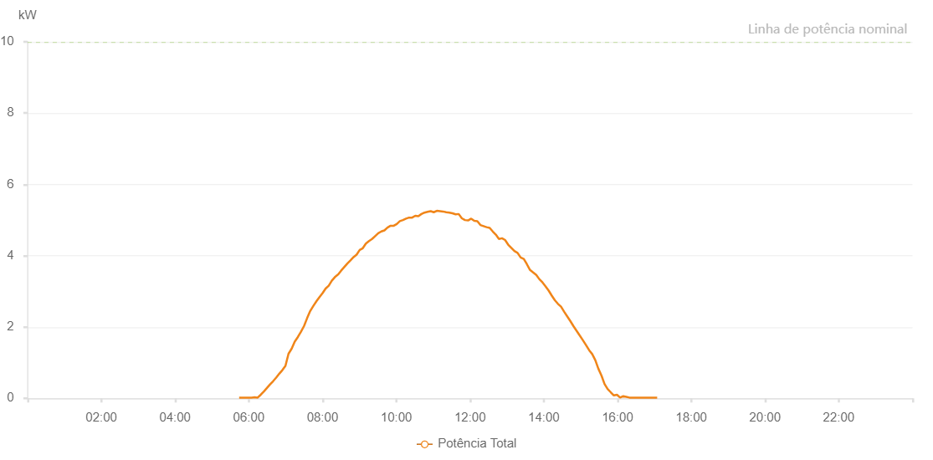

Number | Time | Working State | Alarm Code | Total Inverter Power(W)
1 | 22/07/2023 05:44:18 (UTC-4:00) | Normal |  | 20.000
2 | 22/07/2023 05:49:22 (UTC-4:00) | Normal |  | 20.000
3 | 22/07/2023 05:54:23 (UTC-4:00) | Normal |  | 20.000
4 | 22/07/2023 05:59:23 (UTC-4:00) | Normal |  | 20.000
5 | 22/07/2023 06:04:26 (UTC-4:00) | Normal |  | 20.000
6 | 22/07/2023 06:09:27 (UTC-4:00) | Normal |  | 30.000
7 | 22/07/2023 06:14:28 (UTC-4:00) | Normal |  | 20.000
8 | 22/07/2023 06:19:28 (UTC-4:00) | Normal |  | 100.000
9 | 22/07/2023 06:24:29 (UTC-4:00) | Normal |  | 190.000
10 | 22/07/2023 06:29:32 (UTC-4:00) | Normal |  | 290.000
11 | 22/07/2023 06:34:33 (UTC-4:00) | Normal |  | 390.000
12 | 22/07/2023 06:39:34 (UTC-4:00) | Normal |  | 480.000
13 | 22/07/2023 06:44:34 (UTC-4:00) | Normal |  | 580.000
14 | 22/07/2023 06:49:35 (UTC-4:00) | Normal |  | 690.000
15 | 22/07/2023 06:54:36 (UTC-4:00) | Normal |  | 790.000
16 | 22/07/2023 06:59:37 (UTC-4:00) | Normal |  | 910.000
17 | 22/07/2023 07:04:38 (UTC-4:00) | Normal |  | 1250.000
18 | 22/07/2023 07:09:41 (UTC-4:00) | Normal |  | 1390.000
19 | 22/07/2023 07:14:46 (UTC-4:00) | Normal |  | 1590.000
20 | 22/07/2023 07:19:50 (UTC-4:00) | Normal |  | 1720.000
21 | 22/07/2023 07:24:55 (UTC-4:00) | Normal |  | 1870.000
22 | 22/07/2023 07:29:56 (UTC-4:00) | Normal |  | 2030.000
23 | 22/07/2023 07:34:57 (UTC-4:00) | Normal |  | 2250.000
24 | 22/07/2023 07:39:58 (UTC-4:00) | Normal |  | 2450.000
25 | 22/07/2023 07:44:58 (UTC-4:00) | Normal |  | 2590.000
26 | 22/07/2023 07:50:00 (UTC-4:00) | Normal |  | 2720.000
27 | 22/07/2023 07:55:01 (UTC-4:00) | Normal |  | 2840.000
28 | 22/07/2023 08:00:02 (UTC-4:00) | Normal |  | 2950.000
29 | 22/07/2023 08:05:03 (UTC-4:00) | Normal |  | 3080.000
30 | 22/07/2023 08:10:04 (UTC-4:00) | Normal |  | 3160.000
31 | 22/07/2023 08:15:05 (UTC-4:00) | Normal |  | 3300.000
32 | 22/07/2023 08:20:06 (UTC-4:00) | Normal |  | 3400.000
33 | 22/07/2023 08:25:07 (UTC-4:00) | Normal |  | 3470.000
34 | 22/07/2023 08:25:18 (UTC-4:00) | Normal |  | 3470.000
35 | 22/07/2023 08:30:10 (UTC-4:00) | Normal |  | 3580.000
36 | 22/07/2023 08:35:15 (UTC-4:00) | Normal |  | 3680.000
37 | 22/07/2023 08:40:20 (UTC-4:00) | Normal |  | 3780.000
38 | 22/07/2023 08:45:25 (UTC-4:00) | Normal |  | 3870.000
39 | 22/07/2023 08:50:25 (UTC-4:00) | Normal |  | 3960.000
40 | 22/07/2023 08:55:26 (UTC-4:00) | Normal |  | 4030.000
41 | 22/07/2023 09:00:27 (UTC-4:00) | Normal |  | 4160.000
42 | 22/07/2023 09:05:28 (UTC-4:00) | Normal |  | 4210.000
43 | 22/07/2023 09:10:31 (UTC-4:00) | Normal |  | 4340.000
44 | 22/07/2023 09:15:32 (UTC-4:00) | Normal |  | 4410.000
45 | 22/07/2023 09:20:33 (UTC-4:00) | Normal |  | 4470.000
46 | 22/07/2023 09:25:33 (UTC-4:00) | Normal |  | 4550.000
47 | 22/07/2023 09:30:37 (UTC-4:00) | Normal |  | 4630.000
48 | 22/07/2023 09:35:38 (UTC-4:00) | Normal |  | 4680.000
49 | 22/07/2023 09:40:39 (UTC-4:00) | Normal |  | 4710.000
50 | 22/07/2023 09:45:40 (UTC-4:00) | Normal |  | 4790.000
51 | 22/07/2023 09:50:41 (UTC-4:00) | Normal |  | 4840.000
52 | 22/07/2023 09:55:44 (UTC-4:00) | Normal |  | 4840.000
53 | 22/07/2023 09:55:55 (UTC-4:00) | Normal |  | 4840.000
54 | 22/07/2023 10:00:48 (UTC-4:00) | Normal |  | 4890.000
55 | 22/07/2023 10:05:49 (UTC-4:00) | Normal |  | 4970.000
56 | 22/07/2023 10:10:50 (UTC-4:00) | Normal |  | 5000.000
57 | 22/07/2023 10:15:51 (UTC-4:00) | Normal |  | 5040.000
58 | 22/07/2023 10:20:52 (UTC-4:00) | Normal |  | 5070.000
59 | 22/07/2023 10:25:53 (UTC-4:00) | Normal |  | 5070.000
60 | 22/07/2023 10:30:53 (UTC-4:00) | Normal |  | 5120.000
61 | 22/07/2023 10:35:55 (UTC-4:00) | Normal |  | 5110.000
62 | 22/07/2023 10:40:56 (UTC-4:00) | Normal |  | 5170.000
63 | 22/07/2023 10:45:57 (UTC-4:00) | Normal |  | 5210.000
64 | 22/07/2023 10:50:58 (UTC-4:00) | Normal |  | 5230.000
65 | 22/07/2023 10:55:59 (UTC-4:00) | Normal |  | 5250.000
66 | 22/07/2023 11:00:59 (UTC-4:00) | Normal |  | 5220.000
67 | 22/07/2023 11:06:02 (UTC-4:00) | Normal |  | 5260.000
68 | 22/07/2023 11:11:07 (UTC-4:00) | Normal |  | 5250.000
69 | 22/07/2023 11:16:12 (UTC-4:00) | Normal |  | 5240.000
70 | 22/07/2023 11:21:16 (UTC-4:00) | Normal |  | 5220.000
71 | 22/07/2023 11:26:21 (UTC-4:00) | Normal |  | 5210.000
72 | 22/07/2023 11:31:26 (UTC-4:00) | Normal |  | 5190.000
73 | 22/07/2023 11:36:31 (UTC-4:00) | Normal |  | 5160.000
74 | 22/07/2023 11:41:35 (UTC-4:00) | Normal |  | 5170.000
75 | 22/07/2023 11:46:40 (UTC-4:00) | Normal |  | 5050.000
76 | 22/07/2023 11:51:45 (UTC-4:00) | Normal |  | 5000.000
77 | 22/07/2023 11:56:50 (UTC-4:00) | Normal |  | 4990.000
78 | 22/07/2023 12:01:55 (UTC-4:00) | Normal |  | 5040.000
79 | 22/07/2023 12:06:55 (UTC-4:00) | Normal |  | 4980.000
80 | 22/07/2023 12:11:56 (UTC-4:00) | Normal |  | 4970.000
81 | 22/07/2023 12:16:57 (UTC-4:00) | Normal |  | 4860.000
82 | 22/07/2023 12:21:58 (UTC-4:00) | Normal |  | 4830.000
83 | 22/07/2023 12:26:58 (UTC-4:00) | Normal |  | 4800.000
84 | 22/07/2023 12:32:00 (UTC-4:00) | Normal |  | 4780.000
85 | 22/07/2023 12:37:01 (UTC-4:00) | Normal |  | 4680.000
86 | 22/07/2023 12:42:02 (UTC-4:00) | Normal |  | 4590.000
87 | 22/07/2023 12:47:04 (UTC-4:00) | Normal |  | 4470.000
88 | 22/07/2023 12:52:05 (UTC-4:00) | Normal |  | 4490.000
89 | 22/07/2023 12:57:06 (UTC-4:00) | Normal |  | 4440.000
90 | 22/07/2023 13:02:06 (UTC-4:00) | Normal |  | 4310.000
91 | 22/07/2023 13:07:11 (UTC-4:00) | Normal |  | 4220.000
92 | 22/07/2023 13:12:16 (UTC-4:00) | Normal |  | 4130.000
93 | 22/07/2023 13:17:20 (UTC-4:00) | Normal |  | 4080.000
94 | 22/07/2023 13:22:25 (UTC-4:00) | Normal |  | 3950.000
95 | 22/07/2023 13:27:30 (UTC-4:00) | Normal |  | 3910.000
96 | 22/07/2023 13:32:35 (UTC-4:00) | Normal |  | 3760.000
97 | 22/07/2023 13:37:40 (UTC-4:00) | Normal |  | 3600.000
98 | 22/07/2023 13:42:44 (UTC-4:00) | Normal |  | 3530.000
99 | 22/07/2023 13:47:49 (UTC-4:00) | Normal |  | 3460.000
100 | 22/07/2023 13:52:54 (UTC-4:00) | Normal |  | 3340.000
101 | 22/07/2023 13:57:59 (UTC-4:00) | Normal |  | 3250.000
102 | 22/07/2023 14:02:59 (UTC-4:00) | Normal |  | 3140.000
103 | 22/07/2023 14:08:00 (UTC-4:00) | Normal |  | 3020.000
104 | 22/07/2023 14:13:03 (UTC-4:00) | Normal |  | 2880.000
105 | 22/07/2023 14:18:04 (UTC-4:00) | Normal |  | 2750.000
106 | 22/07/2023 14:23:04 (UTC-4:00) | Normal |  | 2650.000
107 | 22/07/2023 14:28:05 (UTC-4:00) | Normal |  | 2570.000
108 | 22/07/2023 14:33:06 (UTC-4:00) | Normal |  | 2430.000
109 | 22/07/2023 14:38:07 (UTC-4:00) | Normal |  | 2300.000
110 | 22/07/2023 14:43:08 (UTC-4:00) | Normal |  | 2170.000
111 | 22/07/2023 14:48:08 (UTC-4:00) | Normal |  | 2030.000
112 | 22/07/2023 14:53:09 (UTC-4:00) | Normal |  | 1900.000
113 | 22/07/2023 14:58:11 (UTC-4:00) | Normal |  | 1770.000
114 | 22/07/2023 15:03:18 (UTC-4:00) | Normal |  | 1640.000
115 | 22/07/2023 15:08:32 (UTC-4:00) | Normal |  | 1500.000
116 | 22/07/2023 15:13:50 (UTC-4:00) | Normal |  | 1350.000
117 | 22/07/2023 15:18:50 (UTC-4:00) | Normal |  | 1240.000
118 | 22/07/2023 15:23:52 (UTC-4:00) | Normal |  | 1070.000
119 | 22/07/2023 15:28:52 (UTC-4:00) | Normal |  | 830.000
120 | 22/07/2023 15:33:53 (UTC-4:00) | Normal |  | 640.000
121 | 22/07/2023 15:38:53 (UTC-4:00) | Normal |  | 400.000
122 | 22/07/2023 15:43:55 (UTC-4:00) | Normal |  | 260.000
123 | 22/07/2023 15:48:59 (UTC-4:00) | Normal |  | 170.000
124 | 22/07/2023 15:54:04 (UTC-4:00) | Normal |  | 80.000
125 | 22/07/2023 15:59:08 (UTC-4:00) | Normal |  | 100.000
126 | 22/07/2023 16:04:13 (UTC-4:00) | Normal |  | 20.000
127 | 22/07/2023 16:09:17 (UTC-4:00) | Normal |  | 60.000
128 | 22/07/2023 16:14:21 (UTC-4:00) | Normal |  | 40.000
129 | 22/07/2023 16:19:26 (UTC-4:00) | Normal |  | 20.000
130 | 22/07/2023 16:24:26 (UTC-4:00) | Normal |  | 20.000
131 | 22/07/2023 16:29:27 (UTC-4:00) | Normal |  | 20.000
132 | 22/07/2023 16:34:27 (UTC-4:00) | Normal |  | 20.000
133 | 22/07/2023 16:39:28 (UTC-4:00) | Normal |  | 20.000
134 | 22/07/2023 16:44:28 (UTC-4:00) | Normal |  | 20.000
135 | 22/07/2023 16:49:29 (UTC-4:00) | Normal |  | 20.000
136 | 22/07/2023 16:54:30 (UTC-4:00) | Normal |  | 20.000
137 | 22/07/2023 16:59:30 (UTC-4:00) | Normal |  | 20.000
138 | 22/07/2023 17:04:32 (UTC-4:00) | Normal |  | 20.000

