Inverter History Report__17-08-
Inverter History Report_23/07/2023_Report

Inverter SN:054B7020C020044 |  | Inverter type:B7
Collector SN:4045086367 |  | Full Load Hours(h):3.16
Rated Power:10000Wp

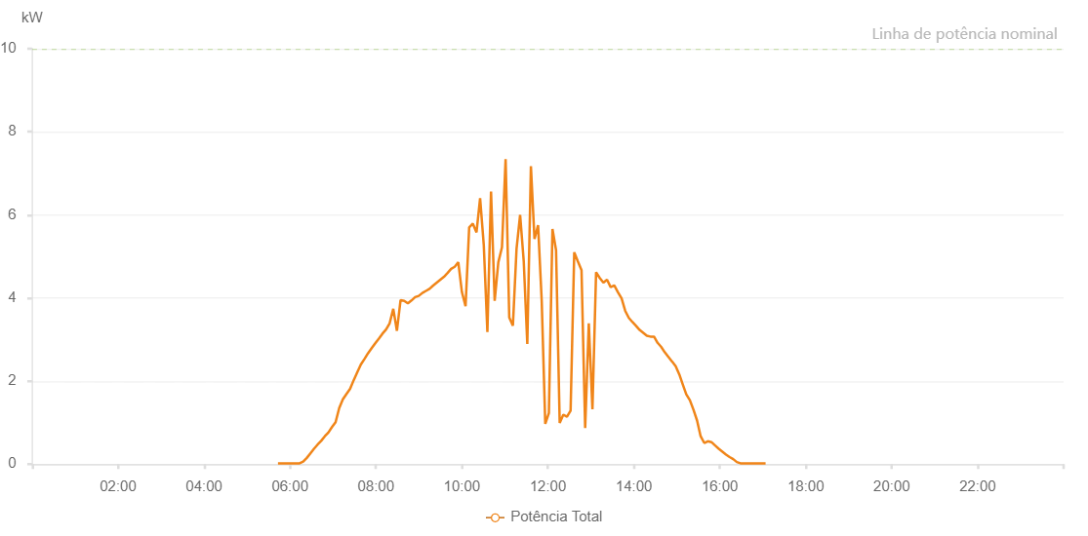

Number | Time | Working State | Alarm Code | Total Inverter Power(W)
1 | 23/07/2023 05:43:13 (UTC-4:00) | Normal |  | 20.000
2 | 23/07/2023 05:48:14 (UTC-4:00) | Normal |  | 20.000
3 | 23/07/2023 05:53:15 (UTC-4:00) | Normal |  | 20.000
4 | 23/07/2023 05:58:18 (UTC-4:00) | Normal |  | 20.000
5 | 23/07/2023 06:03:23 (UTC-4:00) | Normal |  | 20.000
6 | 23/07/2023 06:08:24 (UTC-4:00) | Normal |  | 20.000
7 | 23/07/2023 06:13:25 (UTC-4:00) | Normal |  | 20.000
8 | 23/07/2023 06:18:26 (UTC-4:00) | Normal |  | 60.000
9 | 23/07/2023 06:23:27 (UTC-4:00) | Normal |  | 150.000
10 | 23/07/2023 06:28:28 (UTC-4:00) | Normal |  | 260.000
11 | 23/07/2023 06:33:29 (UTC-4:00) | Normal |  | 370.000
12 | 23/07/2023 06:38:30 (UTC-4:00) | Normal |  | 470.000
13 | 23/07/2023 06:43:31 (UTC-4:00) | Normal |  | 560.000
14 | 23/07/2023 06:48:32 (UTC-4:00) | Normal |  | 670.000
15 | 23/07/2023 06:53:33 (UTC-4:00) | Normal |  | 760.000
16 | 23/07/2023 06:58:34 (UTC-4:00) | Normal |  | 890.000
17 | 23/07/2023 07:03:37 (UTC-4:00) | Normal |  | 1010.000
18 | 23/07/2023 07:08:42 (UTC-4:00) | Normal |  | 1350.000
19 | 23/07/2023 07:13:47 (UTC-4:00) | Normal |  | 1560.000
20 | 23/07/2023 07:18:52 (UTC-4:00) | Normal |  | 1690.000
21 | 23/07/2023 07:23:53 (UTC-4:00) | Normal |  | 1810.000
22 | 23/07/2023 07:28:54 (UTC-4:00) | Normal |  | 2020.000
23 | 23/07/2023 07:33:55 (UTC-4:00) | Normal |  | 2210.000
24 | 23/07/2023 07:38:56 (UTC-4:00) | Normal |  | 2400.000
25 | 23/07/2023 07:43:57 (UTC-4:00) | Normal |  | 2530.000
26 | 23/07/2023 07:48:58 (UTC-4:00) | Normal |  | 2670.000
27 | 23/07/2023 07:53:59 (UTC-4:00) | Normal |  | 2790.000
28 | 23/07/2023 07:59:01 (UTC-4:00) | Normal |  | 2910.000
29 | 23/07/2023 08:04:02 (UTC-4:00) | Normal |  | 3020.000
30 | 23/07/2023 08:09:03 (UTC-4:00) | Normal |  | 3140.000
31 | 23/07/2023 08:14:04 (UTC-4:00) | Normal |  | 3240.000
32 | 23/07/2023 08:19:05 (UTC-4:00) | Normal |  | 3390.000
33 | 23/07/2023 08:24:10 (UTC-4:00) | Normal |  | 3740.000
34 | 23/07/2023 08:29:17 (UTC-4:00) | Normal |  | 3210.000
35 | 23/07/2023 08:34:21 (UTC-4:00) | Normal |  | 3950.000
36 | 23/07/2023 08:39:27 (UTC-4:00) | Normal |  | 3930.000
37 | 23/07/2023 08:44:33 (UTC-4:00) | Normal |  | 3870.000
38 | 23/07/2023 08:49:37 (UTC-4:00) | Normal |  | 3940.000
39 | 23/07/2023 08:54:40 (UTC-4:00) | Normal |  | 4020.000
40 | 23/07/2023 08:59:45 (UTC-4:00) | Normal |  | 4050.000
41 | 23/07/2023 09:04:46 (UTC-4:00) | Normal |  | 4120.000
42 | 23/07/2023 09:09:47 (UTC-4:00) | Normal |  | 4170.000
43 | 23/07/2023 09:14:48 (UTC-4:00) | Normal |  | 4220.000
44 | 23/07/2023 09:19:51 (UTC-4:00) | Normal |  | 4300.000
45 | 23/07/2023 09:24:52 (UTC-4:00) | Normal |  | 4370.000
46 | 23/07/2023 09:29:53 (UTC-4:00) | Normal |  | 4440.000
47 | 23/07/2023 09:34:54 (UTC-4:00) | Normal |  | 4510.000
48 | 23/07/2023 09:39:55 (UTC-4:00) | Normal |  | 4600.000
49 | 23/07/2023 09:44:56 (UTC-4:00) | Normal |  | 4700.000
50 | 23/07/2023 09:49:57 (UTC-4:00) | Normal |  | 4750.000
51 | 23/07/2023 09:54:58 (UTC-4:00) | Normal |  | 4860.000
52 | 23/07/2023 10:00:01 (UTC-4:00) | Normal |  | 4140.000
53 | 23/07/2023 10:05:05 (UTC-4:00) | Normal |  | 3800.000
54 | 23/07/2023 10:10:09 (UTC-4:00) | Normal |  | 5700.000
55 | 23/07/2023 10:15:14 (UTC-4:00) | Normal |  | 5790.000
56 | 23/07/2023 10:20:22 (UTC-4:00) | Normal |  | 5580.000
57 | 23/07/2023 10:25:24 (UTC-4:00) | Normal |  | 6400.000
58 | 23/07/2023 10:30:32 (UTC-4:00) | Normal |  | 5270.000
59 | 23/07/2023 10:35:34 (UTC-4:00) | Normal |  | 3180.000
60 | 23/07/2023 10:40:39 (UTC-4:00) | Normal |  | 6560.000
61 | 23/07/2023 10:45:44 (UTC-4:00) | Normal |  | 3930.000
62 | 23/07/2023 10:50:50 (UTC-4:00) | Normal |  | 4860.000
63 | 23/07/2023 10:55:55 (UTC-4:00) | Normal |  | 5220.000
64 | 23/07/2023 11:01:00 (UTC-4:00) | Normal |  | 7340.000
65 | 23/07/2023 11:06:06 (UTC-4:00) | Normal |  | 3530.000
66 | 23/07/2023 11:11:10 (UTC-4:00) | Normal |  | 3330.000
67 | 23/07/2023 11:16:15 (UTC-4:00) | Normal |  | 5180.000
68 | 23/07/2023 11:21:16 (UTC-4:00) | Normal |  | 6000.000
69 | 23/07/2023 11:26:17 (UTC-4:00) | Normal |  | 4890.000
70 | 23/07/2023 11:31:18 (UTC-4:00) | Normal |  | 2890.000
71 | 23/07/2023 11:36:19 (UTC-4:00) | Normal |  | 7170.000
72 | 23/07/2023 11:41:20 (UTC-4:00) | Normal |  | 5420.000
73 | 23/07/2023 11:46:21 (UTC-4:00) | Normal |  | 5750.000
74 | 23/07/2023 11:51:22 (UTC-4:00) | Normal |  | 3950.000
75 | 23/07/2023 11:56:23 (UTC-4:00) | Normal |  | 970.000
76 | 23/07/2023 12:01:24 (UTC-4:00) | Normal |  | 1230.000
77 | 23/07/2023 12:06:25 (UTC-4:00) | Normal |  | 5660.000
78 | 23/07/2023 12:11:26 (UTC-4:00) | Normal |  | 5150.000
79 | 23/07/2023 12:16:31 (UTC-4:00) | Normal |  | 990.000
80 | 23/07/2023 12:21:34 (UTC-4:00) | Normal |  | 1190.000
81 | 23/07/2023 12:26:39 (UTC-4:00) | Normal |  | 1140.000
82 | 23/07/2023 12:31:44 (UTC-4:00) | Normal |  | 1290.000
83 | 23/07/2023 12:36:49 (UTC-4:00) | Normal |  | 5100.000
84 | 23/07/2023 12:41:54 (UTC-4:00) | Normal |  | 4880.000
85 | 23/07/2023 12:46:59 (UTC-4:00) | Normal |  | 4670.000
86 | 23/07/2023 12:52:04 (UTC-4:00) | Normal |  | 870.000
87 | 23/07/2023 12:57:09 (UTC-4:00) | Normal |  | 3390.000
88 | 23/07/2023 13:02:14 (UTC-4:00) | Normal |  | 1320.000
89 | 23/07/2023 13:07:19 (UTC-4:00) | Normal |  | 4620.000
90 | 23/07/2023 13:12:26 (UTC-4:00) | Normal |  | 4480.000
91 | 23/07/2023 13:17:29 (UTC-4:00) | Normal |  | 4370.000
92 | 23/07/2023 13:22:36 (UTC-4:00) | Normal |  | 4440.000
93 | 23/07/2023 13:27:39 (UTC-4:00) | Normal |  | 4260.000
94 | 23/07/2023 13:32:44 (UTC-4:00) | Normal |  | 4300.000
95 | 23/07/2023 13:37:49 (UTC-4:00) | Normal |  | 4140.000
96 | 23/07/2023 13:42:54 (UTC-4:00) | Normal |  | 3990.000
97 | 23/07/2023 13:47:59 (UTC-4:00) | Normal |  | 3690.000
98 | 23/07/2023 13:53:04 (UTC-4:00) | Normal |  | 3520.000
99 | 23/07/2023 13:58:05 (UTC-4:00) | Normal |  | 3420.000
100 | 23/07/2023 14:03:06 (UTC-4:00) | Normal |  | 3330.000
101 | 23/07/2023 14:08:07 (UTC-4:00) | Normal |  | 3230.000
102 | 23/07/2023 14:13:08 (UTC-4:00) | Normal |  | 3160.000
103 | 23/07/2023 14:18:09 (UTC-4:00) | Normal |  | 3090.000
104 | 23/07/2023 14:23:10 (UTC-4:00) | Normal |  | 3070.000
105 | 23/07/2023 14:28:11 (UTC-4:00) | Normal |  | 3070.000
106 | 23/07/2023 14:33:12 (UTC-4:00) | Normal |  | 2920.000
107 | 23/07/2023 14:38:15 (UTC-4:00) | Normal |  | 2820.000
108 | 23/07/2023 14:43:17 (UTC-4:00) | Normal |  | 2690.000
109 | 23/07/2023 14:48:17 (UTC-4:00) | Normal |  | 2580.000
110 | 23/07/2023 14:53:19 (UTC-4:00) | Normal |  | 2470.000
111 | 23/07/2023 14:53:30 (UTC-4:00) | Normal |  | 2470.000
112 | 23/07/2023 14:58:24 (UTC-4:00) | Normal |  | 2360.000
113 | 23/07/2023 15:03:30 (UTC-4:00) | Normal |  | 2160.000
114 | 23/07/2023 15:07:55 (UTC-4:00) | Normal |  | 1940.000
115 | 23/07/2023 15:13:13 (UTC-4:00) | Normal |  | 1680.000
116 | 23/07/2023 15:18:14 (UTC-4:00) | Normal |  | 1540.000
117 | 23/07/2023 15:23:15 (UTC-4:00) | Normal |  | 1310.000
118 | 23/07/2023 15:28:17 (UTC-4:00) | Normal |  | 1050.000
119 | 23/07/2023 15:33:18 (UTC-4:00) | Normal |  | 670.000
120 | 23/07/2023 15:38:19 (UTC-4:00) | Normal |  | 510.000
121 | 23/07/2023 15:43:20 (UTC-4:00) | Normal |  | 550.000
122 | 23/07/2023 15:48:25 (UTC-4:00) | Normal |  | 530.000
123 | 23/07/2023 15:53:30 (UTC-4:00) | Normal |  | 450.000
124 | 23/07/2023 15:58:35 (UTC-4:00) | Normal |  | 370.000
125 | 23/07/2023 16:03:40 (UTC-4:00) | Normal |  | 300.000
126 | 23/07/2023 16:08:45 (UTC-4:00) | Normal |  | 230.000
127 | 23/07/2023 16:13:45 (UTC-4:00) | Normal |  | 170.000
128 | 23/07/2023 16:18:46 (UTC-4:00) | Normal |  | 120.000
129 | 23/07/2023 16:23:49 (UTC-4:00) | Normal |  | 50.000
130 | 23/07/2023 16:28:50 (UTC-4:00) | Normal |  | 20.000
131 | 23/07/2023 16:33:51 (UTC-4:00) | Normal |  | 20.000
132 | 23/07/2023 16:38:52 (UTC-4:00) | Normal |  | 20.000
133 | 23/07/2023 16:43:52 (UTC-4:00) | Normal |  | 20.000
134 | 23/07/2023 16:48:53 (UTC-4:00) | Normal |  | 20.000
135 | 23/07/2023 16:53:56 (UTC-4:00) | Normal |  | 20.000
136 | 23/07/2023 16:58:57 (UTC-4:00) | Normal |  | 20.000
137 | 23/07/2023 17:03:57 (UTC-4:00) | Normal |  | 20.000

