Inverter History Report__17-08-
Inverter History Report_25/07/2023_Report

Inverter SN:054B7020C020044 |  | Inverter type:B7
Collector SN:4045086367 |  | Full Load Hours(h):2.71
Rated Power:10000Wp

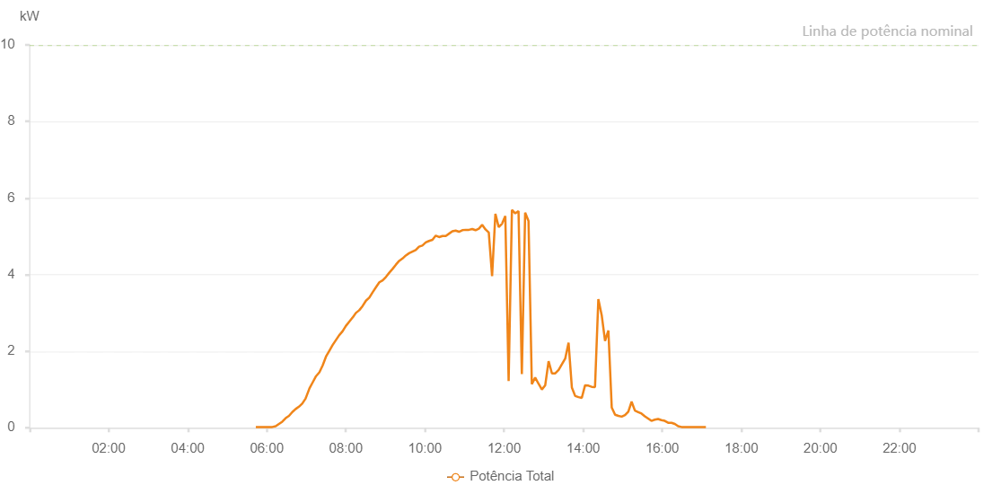

Number | Time | Working State | Alarm Code | Total Inverter Power(W)
1 | 25/07/2023 05:43:18 (UTC-4:00) | Normal |  | 20.000
2 | 25/07/2023 05:48:17 (UTC-4:00) | Normal |  | 20.000
3 | 25/07/2023 05:53:16 (UTC-4:00) | Normal |  | 20.000
4 | 25/07/2023 05:58:17 (UTC-4:00) | Normal |  | 20.000
5 | 25/07/2023 06:03:20 (UTC-4:00) | Normal |  | 20.000
6 | 25/07/2023 06:08:24 (UTC-4:00) | Normal |  | 20.000
7 | 25/07/2023 06:13:27 (UTC-4:00) | Normal |  | 40.000
8 | 25/07/2023 06:18:29 (UTC-4:00) | Normal |  | 100.000
9 | 25/07/2023 06:23:32 (UTC-4:00) | Normal |  | 160.000
10 | 25/07/2023 06:28:36 (UTC-4:00) | Normal |  | 250.000
11 | 25/07/2023 06:33:39 (UTC-4:00) | Normal |  | 310.000
12 | 25/07/2023 06:38:42 (UTC-4:00) | Normal |  | 410.000
13 | 25/07/2023 06:43:45 (UTC-4:00) | Normal |  | 490.000
14 | 25/07/2023 06:48:44 (UTC-4:00) | Normal |  | 550.000
15 | 25/07/2023 06:53:43 (UTC-4:00) | Normal |  | 630.000
16 | 25/07/2023 06:58:43 (UTC-4:00) | Normal |  | 760.000
17 | 25/07/2023 06:59:01 (UTC-4:00) | Normal |  | 770.000
18 | 25/07/2023 07:04:44 (UTC-4:00) | Normal |  | 1030.000
19 | 25/07/2023 07:09:46 (UTC-4:00) | Normal |  | 1190.000
20 | 25/07/2023 07:14:47 (UTC-4:00) | Normal |  | 1350.000
21 | 25/07/2023 07:19:48 (UTC-4:00) | Normal |  | 1450.000
22 | 25/07/2023 07:24:49 (UTC-4:00) | Normal |  | 1630.000
23 | 25/07/2023 07:29:51 (UTC-4:00) | Normal |  | 1860.000
24 | 25/07/2023 07:34:51 (UTC-4:00) | Normal |  | 2010.000
25 | 25/07/2023 07:39:52 (UTC-4:00) | Normal |  | 2160.000
26 | 25/07/2023 07:44:53 (UTC-4:00) | Normal |  | 2290.000
27 | 25/07/2023 07:49:54 (UTC-4:00) | Normal |  | 2420.000
28 | 25/07/2023 07:54:55 (UTC-4:00) | Normal |  | 2520.000
29 | 25/07/2023 07:59:57 (UTC-4:00) | Normal |  | 2660.000
30 | 25/07/2023 08:05:01 (UTC-4:00) | Normal |  | 2770.000
31 | 25/07/2023 08:10:07 (UTC-4:00) | Normal |  | 2880.000
32 | 25/07/2023 08:10:18 (UTC-4:00) | Normal |  | 2880.000
33 | 25/07/2023 08:15:12 (UTC-4:00) | Normal |  | 3000.000
34 | 25/07/2023 08:20:17 (UTC-4:00) | Normal |  | 3070.000
35 | 25/07/2023 08:25:22 (UTC-4:00) | Normal |  | 3180.000
36 | 25/07/2023 08:30:28 (UTC-4:00) | Normal |  | 3320.000
37 | 25/07/2023 08:35:32 (UTC-4:00) | Normal |  | 3400.000
38 | 25/07/2023 08:40:36 (UTC-4:00) | Normal |  | 3540.000
39 | 25/07/2023 08:45:41 (UTC-4:00) | Normal |  | 3670.000
40 | 25/07/2023 08:50:47 (UTC-4:00) | Normal |  | 3800.000
41 | 25/07/2023 08:55:48 (UTC-4:00) | Normal |  | 3850.000
42 | 25/07/2023 09:00:49 (UTC-4:00) | Normal |  | 3940.000
43 | 25/07/2023 09:05:50 (UTC-4:00) | Normal |  | 4050.000
44 | 25/07/2023 09:10:50 (UTC-4:00) | Normal |  | 4150.000
45 | 25/07/2023 09:15:52 (UTC-4:00) | Normal |  | 4260.000
46 | 25/07/2023 09:20:53 (UTC-4:00) | Normal |  | 4360.000
47 | 25/07/2023 09:25:54 (UTC-4:00) | Normal |  | 4420.000
48 | 25/07/2023 09:30:56 (UTC-4:00) | Normal |  | 4500.000
49 | 25/07/2023 09:35:57 (UTC-4:00) | Normal |  | 4560.000
50 | 25/07/2023 09:40:58 (UTC-4:00) | Normal |  | 4600.000
51 | 25/07/2023 09:45:58 (UTC-4:00) | Normal |  | 4640.000
52 | 25/07/2023 09:50:59 (UTC-4:00) | Normal |  | 4730.000
53 | 25/07/2023 09:56:05 (UTC-4:00) | Normal |  | 4760.000
54 | 25/07/2023 10:01:09 (UTC-4:00) | Normal |  | 4840.000
55 | 25/07/2023 10:06:14 (UTC-4:00) | Normal |  | 4880.000
56 | 25/07/2023 10:11:19 (UTC-4:00) | Normal |  | 4910.000
57 | 25/07/2023 10:16:24 (UTC-4:00) | Normal |  | 5020.000
58 | 25/07/2023 10:21:28 (UTC-4:00) | Normal |  | 4980.000
59 | 25/07/2023 10:26:33 (UTC-4:00) | Normal |  | 5010.000
60 | 25/07/2023 10:31:34 (UTC-4:00) | Normal |  | 5010.000
61 | 25/07/2023 10:36:34 (UTC-4:00) | Normal |  | 5070.000
62 | 25/07/2023 10:41:35 (UTC-4:00) | Normal |  | 5130.000
63 | 25/07/2023 10:46:36 (UTC-4:00) | Normal |  | 5150.000
64 | 25/07/2023 10:51:37 (UTC-4:00) | Normal |  | 5120.000
65 | 25/07/2023 10:56:38 (UTC-4:00) | Normal |  | 5160.000
66 | 25/07/2023 11:01:39 (UTC-4:00) | Normal |  | 5170.000
67 | 25/07/2023 11:06:41 (UTC-4:00) | Normal |  | 5170.000
68 | 25/07/2023 11:11:42 (UTC-4:00) | Normal |  | 5190.000
69 | 25/07/2023 11:16:43 (UTC-4:00) | Normal |  | 5160.000
70 | 25/07/2023 11:21:44 (UTC-4:00) | Normal |  | 5200.000
71 | 25/07/2023 11:26:45 (UTC-4:00) | Normal |  | 5300.000
72 | 25/07/2023 11:31:49 (UTC-4:00) | Normal |  | 5180.000
73 | 25/07/2023 11:36:49 (UTC-4:00) | Normal |  | 5100.000
74 | 25/07/2023 11:41:50 (UTC-4:00) | Normal |  | 3960.000
75 | 25/07/2023 11:46:51 (UTC-4:00) | Normal |  | 5590.000
76 | 25/07/2023 11:51:53 (UTC-4:00) | Normal |  | 5240.000
77 | 25/07/2023 11:56:54 (UTC-4:00) | Normal |  | 5330.000
78 | 25/07/2023 12:01:54 (UTC-4:00) | Normal |  | 5530.000
79 | 25/07/2023 12:06:56 (UTC-4:00) | Normal |  | 1220.000
80 | 25/07/2023 12:11:56 (UTC-4:00) | Normal |  | 5690.000
81 | 25/07/2023 12:16:57 (UTC-4:00) | Normal |  | 5600.000
82 | 25/07/2023 12:21:57 (UTC-4:00) | Normal |  | 5660.000
83 | 25/07/2023 12:26:59 (UTC-4:00) | Normal |  | 1400.000
84 | 25/07/2023 12:32:00 (UTC-4:00) | Normal |  | 5620.000
85 | 25/07/2023 12:37:06 (UTC-4:00) | Normal |  | 5400.000
86 | 25/07/2023 12:42:09 (UTC-4:00) | Normal |  | 1140.000
87 | 25/07/2023 12:47:14 (UTC-4:00) | Normal |  | 1310.000
88 | 25/07/2023 12:52:18 (UTC-4:00) | Normal |  | 1150.000
89 | 25/07/2023 12:57:23 (UTC-4:00) | Normal |  | 1000.000
90 | 25/07/2023 13:02:28 (UTC-4:00) | Normal |  | 1110.000
91 | 25/07/2023 13:07:35 (UTC-4:00) | Normal |  | 1740.000
92 | 25/07/2023 13:12:40 (UTC-4:00) | Normal |  | 1420.000
93 | 25/07/2023 13:12:56 (UTC-4:00) | Normal |  | 1420.000
94 | 25/07/2023 13:17:42 (UTC-4:00) | Normal |  | 1420.000
95 | 25/07/2023 13:22:47 (UTC-4:00) | Normal |  | 1510.000
96 | 25/07/2023 13:27:52 (UTC-4:00) | Normal |  | 1660.000
97 | 25/07/2023 13:32:52 (UTC-4:00) | Normal |  | 1810.000
98 | 25/07/2023 13:37:53 (UTC-4:00) | Normal |  | 2220.000
99 | 25/07/2023 13:42:54 (UTC-4:00) | Normal |  | 1050.000
100 | 25/07/2023 13:47:55 (UTC-4:00) | Normal |  | 830.000
101 | 25/07/2023 13:52:56 (UTC-4:00) | Normal |  | 800.000
102 | 25/07/2023 13:57:56 (UTC-4:00) | Normal |  | 780.000
103 | 25/07/2023 14:02:57 (UTC-4:00) | Normal |  | 1110.000
104 | 25/07/2023 14:07:58 (UTC-4:00) | Normal |  | 1100.000
105 | 25/07/2023 14:12:59 (UTC-4:00) | Normal |  | 1070.000
106 | 25/07/2023 14:18:00 (UTC-4:00) | Normal |  | 1060.000
107 | 25/07/2023 14:23:04 (UTC-4:00) | Normal |  | 3360.000
108 | 25/07/2023 14:28:10 (UTC-4:00) | Normal |  | 2940.000
109 | 25/07/2023 14:33:14 (UTC-4:00) | Normal |  | 2270.000
110 | 25/07/2023 14:38:19 (UTC-4:00) | Normal |  | 2540.000
111 | 25/07/2023 14:43:24 (UTC-4:00) | Normal |  | 530.000
112 | 25/07/2023 14:48:29 (UTC-4:00) | Normal |  | 340.000
113 | 25/07/2023 14:53:29 (UTC-4:00) | Normal |  | 310.000
114 | 25/07/2023 14:58:30 (UTC-4:00) | Normal |  | 290.000
115 | 25/07/2023 15:03:32 (UTC-4:00) | Normal |  | 330.000
116 | 25/07/2023 15:08:32 (UTC-4:00) | Normal |  | 420.000
117 | 25/07/2023 15:13:33 (UTC-4:00) | Normal |  | 680.000
118 | 25/07/2023 15:18:34 (UTC-4:00) | Normal |  | 450.000
119 | 25/07/2023 15:23:35 (UTC-4:00) | Normal |  | 410.000
120 | 25/07/2023 15:28:35 (UTC-4:00) | Normal |  | 370.000
121 | 25/07/2023 15:33:36 (UTC-4:00) | Normal |  | 300.000
122 | 25/07/2023 15:38:37 (UTC-4:00) | Normal |  | 240.000
123 | 25/07/2023 15:43:37 (UTC-4:00) | Normal |  | 180.000
124 | 25/07/2023 15:48:39 (UTC-4:00) | Normal |  | 210.000
125 | 25/07/2023 15:53:44 (UTC-4:00) | Normal |  | 230.000
126 | 25/07/2023 15:58:48 (UTC-4:00) | Normal |  | 200.000
127 | 25/07/2023 16:03:53 (UTC-4:00) | Normal |  | 180.000
128 | 25/07/2023 16:08:57 (UTC-4:00) | Normal |  | 130.000
129 | 25/07/2023 16:14:02 (UTC-4:00) | Normal |  | 130.000
130 | 25/07/2023 16:14:13 (UTC-4:00) | Normal |  | 130.000
131 | 25/07/2023 16:19:06 (UTC-4:00) | Normal |  | 100.000
132 | 25/07/2023 16:24:10 (UTC-4:00) | Normal |  | 40.000
133 | 25/07/2023 16:29:15 (UTC-4:00) | Normal |  | 20.000
134 | 25/07/2023 16:30:53 (UTC-4:00) | Normal |  | 20.000
135 | 25/07/2023 16:36:09 (UTC-4:00) | Normal |  | 20.000
136 | 25/07/2023 16:41:10 (UTC-4:00) | Normal |  | 20.000
137 | 25/07/2023 16:46:12 (UTC-4:00) | Normal |  | 20.000
138 | 25/07/2023 16:51:13 (UTC-4:00) | Normal |  | 20.000
139 | 25/07/2023 16:56:13 (UTC-4:00) | Normal |  | 20.000
140 | 25/07/2023 17:01:16 (UTC-4:00) | Normal |  | 20.000
141 | 25/07/2023 17:06:17 (UTC-4:00) | Normal |  | 20.000

