Inverter History Report__17-08-
Inverter History Report_26/07/2023_Report

Inverter SN:054B7020C020044 |  | Inverter type:B7
Collector SN:4045086367 |  | Full Load Hours(h):3.06
Rated Power:10000Wp

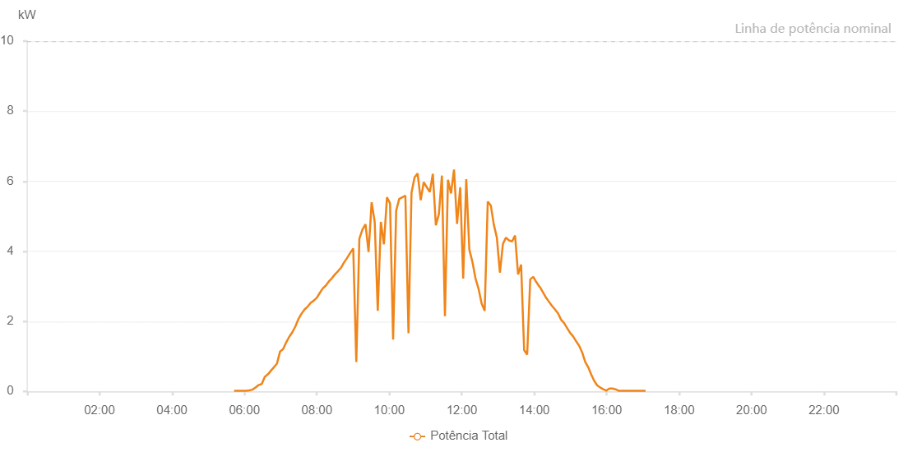

Number | Time | Working State | Alarm Code | Total Inverter Power(W)
1 | 26/07/2023 05:42:54 (UTC-4:00) | Normal |  | 20.000
2 | 26/07/2023 05:47:54 (UTC-4:00) | Normal |  | 20.000
3 | 26/07/2023 05:52:56 (UTC-4:00) | Normal |  | 20.000
4 | 26/07/2023 05:58:00 (UTC-4:00) | Normal |  | 20.000
5 | 26/07/2023 06:03:05 (UTC-4:00) | Normal |  | 20.000
6 | 26/07/2023 06:08:11 (UTC-4:00) | Normal |  | 30.000
7 | 26/07/2023 06:13:16 (UTC-4:00) | Normal |  | 50.000
8 | 26/07/2023 06:18:21 (UTC-4:00) | Normal |  | 110.000
9 | 26/07/2023 06:18:32 (UTC-4:00) | Normal |  | 110.000
10 | 26/07/2023 06:23:26 (UTC-4:00) | Normal |  | 180.000
11 | 26/07/2023 06:28:32 (UTC-4:00) | Normal |  | 210.000
12 | 26/07/2023 06:28:43 (UTC-4:00) | Normal |  | 210.000
13 | 26/07/2023 06:33:38 (UTC-4:00) | Normal |  | 410.000
14 | 26/07/2023 06:38:43 (UTC-4:00) | Normal |  | 490.000
15 | 26/07/2023 06:39:08 (UTC-4:00) | Normal |  | 490.000
16 | 26/07/2023 06:43:47 (UTC-4:00) | Normal |  | 590.000
17 | 26/07/2023 06:48:54 (UTC-4:00) | Normal |  | 690.000
18 | 26/07/2023 06:49:05 (UTC-4:00) | Normal |  | 690.000
19 | 26/07/2023 06:54:00 (UTC-4:00) | Normal |  | 800.000
20 | 26/07/2023 06:59:05 (UTC-4:00) | Normal |  | 1140.000
21 | 26/07/2023 07:04:09 (UTC-4:00) | Normal |  | 1210.000
22 | 26/07/2023 07:09:13 (UTC-4:00) | Normal |  | 1400.000
23 | 26/07/2023 07:14:18 (UTC-4:00) | Normal |  | 1560.000
24 | 26/07/2023 07:19:24 (UTC-4:00) | Normal |  | 1690.000
25 | 26/07/2023 07:24:30 (UTC-4:00) | Normal |  | 1860.000
26 | 26/07/2023 07:29:34 (UTC-4:00) | Normal |  | 2070.000
27 | 26/07/2023 07:34:38 (UTC-4:00) | Normal |  | 2220.000
28 | 26/07/2023 07:39:43 (UTC-4:00) | Normal |  | 2340.000
29 | 26/07/2023 07:44:44 (UTC-4:00) | Normal |  | 2420.000
30 | 26/07/2023 07:49:45 (UTC-4:00) | Normal |  | 2530.000
31 | 26/07/2023 07:54:46 (UTC-4:00) | Normal |  | 2590.000
32 | 26/07/2023 07:59:49 (UTC-4:00) | Normal |  | 2670.000
33 | 26/07/2023 08:04:49 (UTC-4:00) | Normal |  | 2810.000
34 | 26/07/2023 08:09:50 (UTC-4:00) | Normal |  | 2940.000
35 | 26/07/2023 08:14:51 (UTC-4:00) | Normal |  | 3020.000
36 | 26/07/2023 08:19:53 (UTC-4:00) | Normal |  | 3140.000
37 | 26/07/2023 08:24:55 (UTC-4:00) | Normal |  | 3230.000
38 | 26/07/2023 08:29:56 (UTC-4:00) | Normal |  | 3340.000
39 | 26/07/2023 08:34:57 (UTC-4:00) | Normal |  | 3430.000
40 | 26/07/2023 08:39:59 (UTC-4:00) | Normal |  | 3530.000
41 | 26/07/2023 08:45:00 (UTC-4:00) | Normal |  | 3680.000
42 | 26/07/2023 08:50:05 (UTC-4:00) | Normal |  | 3810.000
43 | 26/07/2023 08:55:09 (UTC-4:00) | Normal |  | 3950.000
44 | 26/07/2023 09:00:14 (UTC-4:00) | Normal |  | 4080.000
45 | 26/07/2023 09:05:19 (UTC-4:00) | Normal |  | 840.000
46 | 26/07/2023 09:10:24 (UTC-4:00) | Normal |  | 4360.000
47 | 26/07/2023 09:15:29 (UTC-4:00) | Normal |  | 4620.000
48 | 26/07/2023 09:20:33 (UTC-4:00) | Normal |  | 4770.000
49 | 26/07/2023 09:25:38 (UTC-4:00) | Normal |  | 3980.000
50 | 26/07/2023 09:30:44 (UTC-4:00) | Normal |  | 5400.000
51 | 26/07/2023 09:35:48 (UTC-4:00) | Normal |  | 4840.000
52 | 26/07/2023 09:40:53 (UTC-4:00) | Normal |  | 2300.000
53 | 26/07/2023 09:45:58 (UTC-4:00) | Normal |  | 4840.000
54 | 26/07/2023 09:51:03 (UTC-4:00) | Normal |  | 4200.000
55 | 26/07/2023 09:56:07 (UTC-4:00) | Normal |  | 5540.000
56 | 26/07/2023 10:01:12 (UTC-4:00) | Normal |  | 5370.000
57 | 26/07/2023 10:06:17 (UTC-4:00) | Normal |  | 1480.000
58 | 26/07/2023 10:11:22 (UTC-4:00) | Normal |  | 5160.000
59 | 26/07/2023 10:16:28 (UTC-4:00) | Normal |  | 5500.000
60 | 26/07/2023 10:16:39 (UTC-4:00) | Normal |  | 5500.000
61 | 26/07/2023 10:21:31 (UTC-4:00) | Normal |  | 5540.000
62 | 26/07/2023 10:26:36 (UTC-4:00) | Normal |  | 5590.000
63 | 26/07/2023 10:31:47 (UTC-4:00) | Normal |  | 1660.000
64 | 26/07/2023 10:36:46 (UTC-4:00) | Normal |  | 5670.000
65 | 26/07/2023 10:41:51 (UTC-4:00) | Normal |  | 6110.000
66 | 26/07/2023 10:46:55 (UTC-4:00) | Normal |  | 6220.000
67 | 26/07/2023 10:52:01 (UTC-4:00) | Normal |  | 5460.000
68 | 26/07/2023 10:57:01 (UTC-4:00) | Normal |  | 5970.000
69 | 26/07/2023 11:02:02 (UTC-4:00) | Normal |  | 5830.000
70 | 26/07/2023 11:07:04 (UTC-4:00) | Normal |  | 5690.000
71 | 26/07/2023 11:12:05 (UTC-4:00) | Normal |  | 6210.000
72 | 26/07/2023 11:17:05 (UTC-4:00) | Normal |  | 4740.000
73 | 26/07/2023 11:22:06 (UTC-4:00) | Normal |  | 5060.000
74 | 26/07/2023 11:27:08 (UTC-4:00) | Normal |  | 6160.000
75 | 26/07/2023 11:32:09 (UTC-4:00) | Normal |  | 2150.000
76 | 26/07/2023 11:37:09 (UTC-4:00) | Normal |  | 6040.000
77 | 26/07/2023 11:42:10 (UTC-4:00) | Normal |  | 5650.000
78 | 26/07/2023 11:47:11 (UTC-4:00) | Normal |  | 6330.000
79 | 26/07/2023 11:52:13 (UTC-4:00) | Normal |  | 4780.000
80 | 26/07/2023 11:57:18 (UTC-4:00) | Normal |  | 5810.000
81 | 26/07/2023 11:57:29 (UTC-4:00) | Normal |  | 5810.000
82 | 26/07/2023 12:02:22 (UTC-4:00) | Normal |  | 3220.000
83 | 26/07/2023 12:07:27 (UTC-4:00) | Normal |  | 6060.000
84 | 26/07/2023 12:12:32 (UTC-4:00) | Normal |  | 4050.000
85 | 26/07/2023 12:17:37 (UTC-4:00) | Normal |  | 3700.000
86 | 26/07/2023 12:22:42 (UTC-4:00) | Normal |  | 3230.000
87 | 26/07/2023 12:27:48 (UTC-4:00) | Normal |  | 2930.000
88 | 26/07/2023 12:32:53 (UTC-4:00) | Normal |  | 2510.000
89 | 26/07/2023 12:37:59 (UTC-4:00) | Normal |  | 2300.000
90 | 26/07/2023 12:43:02 (UTC-4:00) | Normal |  | 5420.000
91 | 26/07/2023 12:48:07 (UTC-4:00) | Normal |  | 5310.000
92 | 26/07/2023 12:53:08 (UTC-4:00) | Normal |  | 4760.000
93 | 26/07/2023 12:58:09 (UTC-4:00) | Normal |  | 4390.000
94 | 26/07/2023 13:03:11 (UTC-4:00) | Normal |  | 3390.000
95 | 26/07/2023 13:08:12 (UTC-4:00) | Normal |  | 4210.000
96 | 26/07/2023 13:13:12 (UTC-4:00) | Normal |  | 4390.000
97 | 26/07/2023 13:18:13 (UTC-4:00) | Normal |  | 4310.000
98 | 26/07/2023 13:23:16 (UTC-4:00) | Normal |  | 4280.000
99 | 26/07/2023 13:28:17 (UTC-4:00) | Normal |  | 4450.000
100 | 26/07/2023 13:33:18 (UTC-4:00) | Normal |  | 3340.000
101 | 26/07/2023 13:38:19 (UTC-4:00) | Normal |  | 3620.000
102 | 26/07/2023 13:43:19 (UTC-4:00) | Normal |  | 1180.000
103 | 26/07/2023 13:48:20 (UTC-4:00) | Normal |  | 1050.000
104 | 26/07/2023 13:53:25 (UTC-4:00) | Normal |  | 3200.000
105 | 26/07/2023 13:58:28 (UTC-4:00) | Normal |  | 3270.000
106 | 26/07/2023 14:03:33 (UTC-4:00) | Normal |  | 3120.000
107 | 26/07/2023 14:08:37 (UTC-4:00) | Normal |  | 2990.000
108 | 26/07/2023 14:09:10 (UTC-4:00) | Normal |  | 2990.000
109 | 26/07/2023 14:14:29 (UTC-4:00) | Normal |  | 2830.000
110 | 26/07/2023 14:19:28 (UTC-4:00) | Normal |  | 2680.000
111 | 26/07/2023 14:24:27 (UTC-4:00) | Normal |  | 2560.000
112 | 26/07/2023 14:29:27 (UTC-4:00) | Normal |  | 2440.000
113 | 26/07/2023 14:34:26 (UTC-4:00) | Normal |  | 2340.000
114 | 26/07/2023 14:39:26 (UTC-4:00) | Normal |  | 2230.000
115 | 26/07/2023 14:44:25 (UTC-4:00) | Normal |  | 2050.000
116 | 26/07/2023 14:49:27 (UTC-4:00) | Normal |  | 1950.000
117 | 26/07/2023 14:54:30 (UTC-4:00) | Normal |  | 1810.000
118 | 26/07/2023 14:59:33 (UTC-4:00) | Normal |  | 1670.000
119 | 26/07/2023 15:04:32 (UTC-4:00) | Normal |  | 1570.000
120 | 26/07/2023 15:09:32 (UTC-4:00) | Normal |  | 1430.000
121 | 26/07/2023 15:14:31 (UTC-4:00) | Normal |  | 1300.000
122 | 26/07/2023 15:19:30 (UTC-4:00) | Normal |  | 1110.000
123 | 26/07/2023 15:24:29 (UTC-4:00) | Normal |  | 840.000
124 | 26/07/2023 15:29:29 (UTC-4:00) | Normal |  | 690.000
125 | 26/07/2023 15:34:28 (UTC-4:00) | Normal |  | 480.000
126 | 26/07/2023 15:39:27 (UTC-4:00) | Normal |  | 300.000
127 | 26/07/2023 15:44:26 (UTC-4:00) | Normal |  | 170.000
128 | 26/07/2023 15:49:25 (UTC-4:00) | Normal |  | 110.000
129 | 26/07/2023 15:54:24 (UTC-4:00) | Normal |  | 60.000
130 | 26/07/2023 15:59:27 (UTC-4:00) | Normal |  | 20.000
131 | 26/07/2023 16:04:31 (UTC-4:00) | Normal |  | 80.000
132 | 26/07/2023 16:09:34 (UTC-4:00) | Normal |  | 80.000
133 | 26/07/2023 16:09:45 (UTC-4:00) | Normal |  | 80.000
134 | 26/07/2023 16:14:36 (UTC-4:00) | Normal |  | 60.000
135 | 26/07/2023 16:19:35 (UTC-4:00) | Normal |  | 20.000
136 | 26/07/2023 16:24:34 (UTC-4:00) | Normal |  | 20.000
137 | 26/07/2023 16:29:33 (UTC-4:00) | Normal |  | 20.000
138 | 26/07/2023 16:34:32 (UTC-4:00) | Normal |  | 20.000
139 | 26/07/2023 16:39:32 (UTC-4:00) | Normal |  | 20.000
140 | 26/07/2023 16:44:32 (UTC-4:00) | Normal |  | 20.000
141 | 26/07/2023 16:49:31 (UTC-4:00) | Normal |  | 20.000
142 | 26/07/2023 16:54:30 (UTC-4:00) | Normal |  | 20.000
143 | 26/07/2023 16:59:29 (UTC-4:00) | Normal |  | 20.000
144 | 26/07/2023 17:04:28 (UTC-4:00) | Normal |  | 20.000

