Inverter History Report__17-08-
Inverter History Report_28/07/2023_Report

Inverter SN:054B7020C020044 |  | Inverter type:B7
Collector SN:4045086367 |  | Full Load Hours(h):3.03
Rated Power:10000Wp

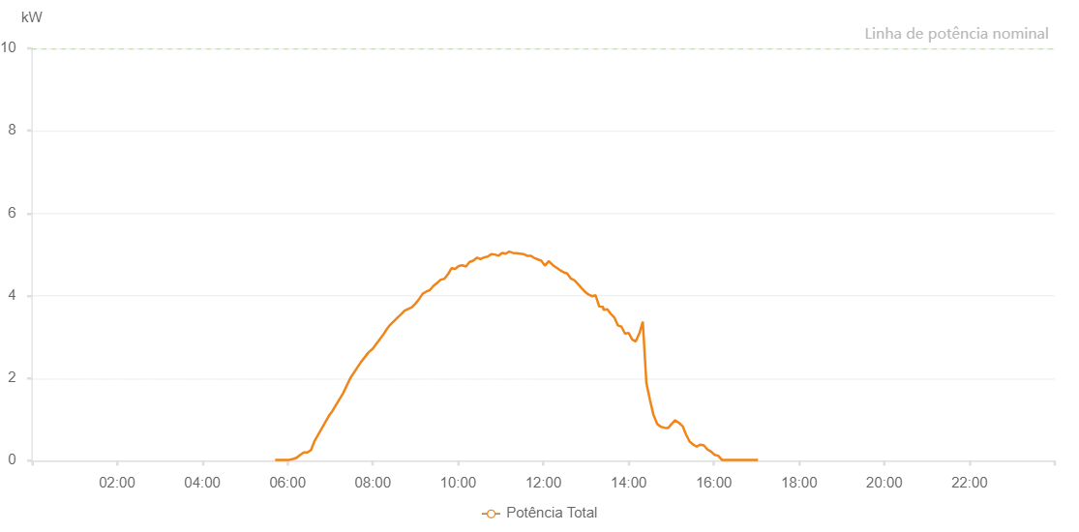

Number | Time | Working State | Alarm Code | Total Inverter Power(W)
1 | 28/07/2023 05:42:25 (UTC-4:00) | Normal |  | 20.000
2 | 28/07/2023 05:47:30 (UTC-4:00) | Normal |  | 20.000
3 | 28/07/2023 05:52:33 (UTC-4:00) | Normal |  | 20.000
4 | 28/07/2023 05:57:36 (UTC-4:00) | Normal |  | 20.000
5 | 28/07/2023 06:02:36 (UTC-4:00) | Normal |  | 20.000
6 | 28/07/2023 06:07:39 (UTC-4:00) | Normal |  | 40.000
7 | 28/07/2023 06:12:43 (UTC-4:00) | Normal |  | 70.000
8 | 28/07/2023 06:17:47 (UTC-4:00) | Normal |  | 140.000
9 | 28/07/2023 06:22:50 (UTC-4:00) | Normal |  | 200.000
10 | 28/07/2023 06:27:53 (UTC-4:00) | Normal |  | 200.000
11 | 28/07/2023 06:32:57 (UTC-4:00) | Normal |  | 260.000
12 | 28/07/2023 06:38:02 (UTC-4:00) | Normal |  | 480.000
13 | 28/07/2023 06:58:12 (UTC-4:00) | Normal |  | 1090.000
14 | 28/07/2023 07:03:15 (UTC-4:00) | Normal |  | 1210.000
15 | 28/07/2023 07:18:16 (UTC-4:00) | Normal |  | 1640.000
16 | 28/07/2023 07:28:14 (UTC-4:00) | Normal |  | 2000.000
17 | 28/07/2023 07:43:12 (UTC-4:00) | Normal |  | 2390.000
18 | 28/07/2023 07:54:10 (UTC-4:00) | Normal |  | 2630.000
19 | 28/07/2023 07:59:37 (UTC-4:00) | Normal |  | 2710.000
20 | 28/07/2023 08:14:48 (UTC-4:00) | Normal |  | 3060.000
21 | 28/07/2023 08:19:39 (UTC-4:00) | Normal |  | 3190.000
22 | 28/07/2023 08:24:40 (UTC-4:00) | Normal |  | 3300.000
23 | 28/07/2023 08:34:44 (UTC-4:00) | Normal |  | 3470.000
24 | 28/07/2023 08:39:45 (UTC-4:00) | Normal |  | 3550.000
25 | 28/07/2023 08:44:47 (UTC-4:00) | Normal |  | 3640.000
26 | 28/07/2023 08:44:57 (UTC-4:00) | Normal |  | 3640.000
27 | 28/07/2023 08:54:56 (UTC-4:00) | Normal |  | 3720.000
28 | 28/07/2023 09:00:00 (UTC-4:00) | Normal |  | 3810.000
29 | 28/07/2023 09:05:05 (UTC-4:00) | Normal |  | 3920.000
30 | 28/07/2023 09:10:12 (UTC-4:00) | Normal |  | 4050.000
31 | 28/07/2023 09:15:16 (UTC-4:00) | Normal |  | 4100.000
32 | 28/07/2023 09:20:21 (UTC-4:00) | Normal |  | 4140.000
33 | 28/07/2023 09:25:25 (UTC-4:00) | Normal |  | 4240.000
34 | 28/07/2023 09:30:31 (UTC-4:00) | Normal |  | 4310.000
35 | 28/07/2023 09:35:37 (UTC-4:00) | Normal |  | 4390.000
36 | 28/07/2023 09:40:40 (UTC-4:00) | Normal |  | 4410.000
37 | 28/07/2023 09:45:45 (UTC-4:00) | Normal |  | 4520.000
38 | 28/07/2023 09:50:50 (UTC-4:00) | Normal |  | 4670.000
39 | 28/07/2023 09:55:54 (UTC-4:00) | Normal |  | 4650.000
40 | 28/07/2023 10:00:58 (UTC-4:00) | Normal |  | 4720.000
41 | 28/07/2023 10:06:03 (UTC-4:00) | Normal |  | 4740.000
42 | 28/07/2023 10:11:10 (UTC-4:00) | Normal |  | 4710.000
43 | 28/07/2023 10:16:15 (UTC-4:00) | Normal |  | 4820.000
44 | 28/07/2023 10:16:26 (UTC-4:00) | Normal |  | 4820.000
45 | 28/07/2023 10:21:19 (UTC-4:00) | Normal |  | 4850.000
46 | 28/07/2023 10:26:25 (UTC-4:00) | Normal |  | 4920.000
47 | 28/07/2023 10:26:50 (UTC-4:00) | Normal |  | 4920.000
48 | 28/07/2023 10:31:29 (UTC-4:00) | Normal |  | 4890.000
49 | 28/07/2023 10:36:35 (UTC-4:00) | Normal |  | 4930.000
50 | 28/07/2023 10:41:38 (UTC-4:00) | Normal |  | 4950.000
51 | 28/07/2023 10:46:43 (UTC-4:00) | Normal |  | 5010.000
52 | 28/07/2023 10:51:49 (UTC-4:00) | Normal |  | 5000.000
53 | 28/07/2023 10:56:53 (UTC-4:00) | Normal |  | 4970.000
54 | 28/07/2023 11:01:58 (UTC-4:00) | Normal |  | 5040.000
55 | 28/07/2023 11:06:59 (UTC-4:00) | Normal |  | 5020.000
56 | 28/07/2023 11:12:00 (UTC-4:00) | Normal |  | 5070.000
57 | 28/07/2023 11:17:00 (UTC-4:00) | Normal |  | 5040.000
58 | 28/07/2023 11:22:01 (UTC-4:00) | Normal |  | 5030.000
59 | 28/07/2023 11:27:01 (UTC-4:00) | Normal |  | 5020.000
60 | 28/07/2023 11:32:02 (UTC-4:00) | Normal |  | 5010.000
61 | 28/07/2023 11:37:02 (UTC-4:00) | Normal |  | 4970.000
62 | 28/07/2023 11:42:03 (UTC-4:00) | Normal |  | 4970.000
63 | 28/07/2023 11:47:04 (UTC-4:00) | Normal |  | 4920.000
64 | 28/07/2023 11:52:04 (UTC-4:00) | Normal |  | 4880.000
65 | 28/07/2023 11:52:16 (UTC-4:00) | Normal |  | 4880.000
66 | 28/07/2023 11:57:07 (UTC-4:00) | Normal |  | 4850.000
67 | 28/07/2023 12:02:09 (UTC-4:00) | Normal |  | 4730.000
68 | 28/07/2023 12:07:14 (UTC-4:00) | Normal |  | 4830.000
69 | 28/07/2023 12:08:10 (UTC-4:00) | Normal |  | 4830.000
70 | 28/07/2023 12:13:32 (UTC-4:00) | Normal |  | 4740.000
71 | 28/07/2023 12:18:32 (UTC-4:00) | Normal |  | 4680.000
72 | 28/07/2023 12:23:31 (UTC-4:00) | Normal |  | 4620.000
73 | 28/07/2023 12:28:31 (UTC-4:00) | Normal |  | 4570.000
74 | 28/07/2023 12:33:32 (UTC-4:00) | Normal |  | 4540.000
75 | 28/07/2023 12:38:32 (UTC-4:00) | Normal |  | 4420.000
76 | 28/07/2023 12:43:32 (UTC-4:00) | Normal |  | 4380.000
77 | 28/07/2023 12:48:31 (UTC-4:00) | Normal |  | 4290.000
78 | 28/07/2023 12:53:31 (UTC-4:00) | Normal |  | 4190.000
79 | 28/07/2023 12:58:30 (UTC-4:00) | Normal |  | 4100.000
80 | 28/07/2023 13:03:30 (UTC-4:00) | Normal |  | 4030.000
81 | 28/07/2023 13:08:32 (UTC-4:00) | Normal |  | 3990.000
82 | 28/07/2023 13:08:42 (UTC-4:00) | Normal |  | 3990.000
83 | 28/07/2023 13:13:35 (UTC-4:00) | Normal |  | 4010.000
84 | 28/07/2023 13:18:41 (UTC-4:00) | Normal |  | 3740.000
85 | 28/07/2023 13:24:02 (UTC-4:00) | Normal |  | 3730.000
86 | 28/07/2023 13:24:42 (UTC-4:00) | Normal |  | 3660.000
87 | 28/07/2023 13:30:03 (UTC-4:00) | Normal |  | 3670.000
88 | 28/07/2023 13:35:03 (UTC-4:00) | Normal |  | 3560.000
89 | 28/07/2023 13:40:02 (UTC-4:00) | Normal |  | 3470.000
90 | 28/07/2023 13:45:01 (UTC-4:00) | Normal |  | 3280.000
91 | 28/07/2023 13:50:01 (UTC-4:00) | Normal |  | 3250.000
92 | 28/07/2023 13:55:01 (UTC-4:00) | Normal |  | 3080.000
93 | 28/07/2023 14:00:00 (UTC-4:00) | Normal |  | 3100.000
94 | 28/07/2023 14:04:59 (UTC-4:00) | Normal |  | 2940.000
95 | 28/07/2023 14:10:01 (UTC-4:00) | Normal |  | 2890.000
96 | 28/07/2023 14:15:11 (UTC-4:00) | Normal |  | 3090.000
97 | 28/07/2023 14:15:12 (UTC-4:00) | Normal |  | 3090.000
98 | 28/07/2023 14:20:01 (UTC-4:00) | Normal |  | 3370.000
99 | 28/07/2023 14:25:04 (UTC-4:00) | Normal |  | 1880.000
100 | 28/07/2023 14:30:08 (UTC-4:00) | Normal |  | 1470.000
101 | 28/07/2023 14:35:11 (UTC-4:00) | Normal |  | 1100.000
102 | 28/07/2023 14:35:22 (UTC-4:00) | Normal |  | 1100.000
103 | 28/07/2023 14:40:16 (UTC-4:00) | Normal |  | 890.000
104 | 28/07/2023 14:45:22 (UTC-4:00) | Normal |  | 820.000
105 | 28/07/2023 14:50:24 (UTC-4:00) | Normal |  | 800.000
106 | 28/07/2023 14:55:27 (UTC-4:00) | Normal |  | 790.000
107 | 28/07/2023 15:00:30 (UTC-4:00) | Normal |  | 890.000
108 | 28/07/2023 15:05:34 (UTC-4:00) | Normal |  | 980.000
109 | 28/07/2023 15:10:37 (UTC-4:00) | Normal |  | 920.000
110 | 28/07/2023 15:15:42 (UTC-4:00) | Normal |  | 840.000
111 | 28/07/2023 15:16:06 (UTC-4:00) | Normal |  | 840.000
112 | 28/07/2023 15:20:46 (UTC-4:00) | Normal |  | 640.000
113 | 28/07/2023 15:25:47 (UTC-4:00) | Normal |  | 470.000
114 | 28/07/2023 15:30:50 (UTC-4:00) | Normal |  | 390.000
115 | 28/07/2023 15:35:55 (UTC-4:00) | Normal |  | 340.000
116 | 28/07/2023 15:36:05 (UTC-4:00) | Normal |  | 340.000
117 | 28/07/2023 15:40:57 (UTC-4:00) | Normal |  | 390.000
118 | 28/07/2023 15:46:00 (UTC-4:00) | Normal |  | 370.000
119 | 28/07/2023 15:51:03 (UTC-4:00) | Normal |  | 270.000
120 | 28/07/2023 15:56:08 (UTC-4:00) | Normal |  | 220.000
121 | 28/07/2023 16:01:10 (UTC-4:00) | Normal |  | 140.000
122 | 28/07/2023 16:06:13 (UTC-4:00) | Normal |  | 120.000
123 | 28/07/2023 16:11:16 (UTC-4:00) | Normal |  | 20.000
124 | 28/07/2023 16:16:21 (UTC-4:00) | Normal |  | 20.000
125 | 28/07/2023 16:16:30 (UTC-4:00) | Normal |  | 20.000
126 | 28/07/2023 16:16:56 (UTC-4:00) | Normal |  | 20.000
127 | 28/07/2023 16:22:17 (UTC-4:00) | Normal |  | 20.000
128 | 28/07/2023 16:27:16 (UTC-4:00) | Normal |  | 20.000
129 | 28/07/2023 16:27:27 (UTC-4:00) | Normal |  | 20.000
130 | 28/07/2023 16:32:14 (UTC-4:00) | Normal |  | 20.000
131 | 28/07/2023 16:37:13 (UTC-4:00) | Normal |  | 20.000
132 | 28/07/2023 16:42:11 (UTC-4:00) | Normal |  | 20.000
133 | 28/07/2023 16:47:10 (UTC-4:00) | Normal |  | 20.000
134 | 28/07/2023 16:52:09 (UTC-4:00) | Normal |  | 20.000
135 | 28/07/2023 16:57:09 (UTC-4:00) | Normal |  | 20.000
136 | 28/07/2023 17:02:13 (UTC-4:00) | Normal |  | 20.000

