Inverter History Report__17-08-
Inverter History Report_29/07/2023_Report

Inverter SN:054B7020C020044 |  | Inverter type:B7
Collector SN:4045086367 |  | Full Load Hours(h):2.85
Rated Power:10000Wp

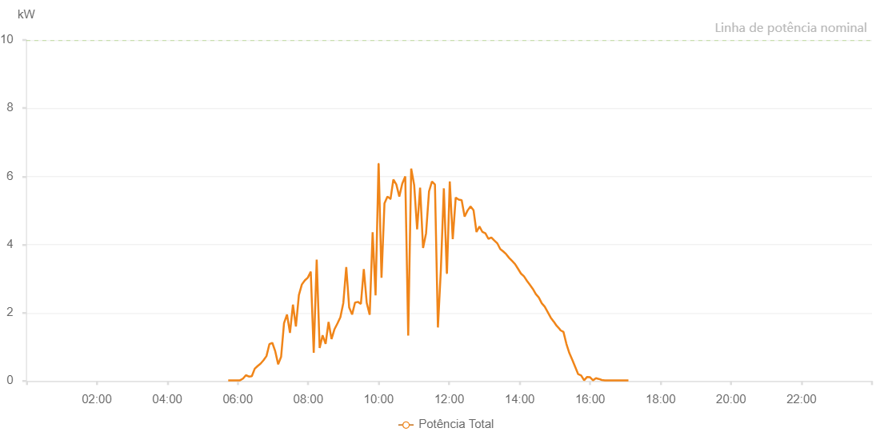

Number | Time | Working State | Alarm Code | Total Inverter Power(W)
1 | 29/07/2023 05:43:45 (UTC-4:00) | Normal |  | 20.000
2 | 29/07/2023 05:48:44 (UTC-4:00) | Normal |  | 20.000
3 | 29/07/2023 05:53:44 (UTC-4:00) | Normal |  | 20.000
4 | 29/07/2023 05:58:47 (UTC-4:00) | Normal |  | 20.000
5 | 29/07/2023 06:03:49 (UTC-4:00) | Normal |  | 20.000
6 | 29/07/2023 06:08:55 (UTC-4:00) | Normal |  | 70.000
7 | 29/07/2023 06:13:54 (UTC-4:00) | Normal |  | 170.000
8 | 29/07/2023 06:18:57 (UTC-4:00) | Normal |  | 130.000
9 | 29/07/2023 06:23:56 (UTC-4:00) | Normal |  | 140.000
10 | 29/07/2023 06:28:55 (UTC-4:00) | Normal |  | 360.000
11 | 29/07/2023 06:33:54 (UTC-4:00) | Normal |  | 440.000
12 | 29/07/2023 06:38:53 (UTC-4:00) | Normal |  | 510.000
13 | 29/07/2023 06:43:54 (UTC-4:00) | Normal |  | 610.000
14 | 29/07/2023 06:48:53 (UTC-4:00) | Normal |  | 730.000
15 | 29/07/2023 06:53:52 (UTC-4:00) | Normal |  | 1080.000
16 | 29/07/2023 06:58:51 (UTC-4:00) | Normal |  | 1120.000
17 | 29/07/2023 07:03:51 (UTC-4:00) | Normal |  | 870.000
18 | 29/07/2023 07:08:50 (UTC-4:00) | Normal |  | 490.000
19 | 29/07/2023 07:13:49 (UTC-4:00) | Normal |  | 710.000
20 | 29/07/2023 07:18:48 (UTC-4:00) | Normal |  | 1700.000
21 | 29/07/2023 07:23:51 (UTC-4:00) | Normal |  | 1950.000
22 | 29/07/2023 07:28:55 (UTC-4:00) | Normal |  | 1410.000
23 | 29/07/2023 07:33:58 (UTC-4:00) | Normal |  | 2240.000
24 | 29/07/2023 07:39:02 (UTC-4:00) | Normal |  | 1600.000
25 | 29/07/2023 07:44:05 (UTC-4:00) | Normal |  | 2520.000
26 | 29/07/2023 07:49:08 (UTC-4:00) | Normal |  | 2830.000
27 | 29/07/2023 07:54:11 (UTC-4:00) | Normal |  | 2950.000
28 | 29/07/2023 07:59:15 (UTC-4:00) | Normal |  | 3030.000
29 | 29/07/2023 08:04:18 (UTC-4:00) | Normal |  | 3210.000
30 | 29/07/2023 08:09:21 (UTC-4:00) | Normal |  | 830.000
31 | 29/07/2023 08:14:25 (UTC-4:00) | Normal |  | 3560.000
32 | 29/07/2023 08:19:27 (UTC-4:00) | Normal |  | 970.000
33 | 29/07/2023 08:24:30 (UTC-4:00) | Normal |  | 1340.000
34 | 29/07/2023 08:29:34 (UTC-4:00) | Normal |  | 1090.000
35 | 29/07/2023 08:34:38 (UTC-4:00) | Normal |  | 1730.000
36 | 29/07/2023 08:39:40 (UTC-4:00) | Normal |  | 1230.000
37 | 29/07/2023 08:44:44 (UTC-4:00) | Normal |  | 1520.000
38 | 29/07/2023 08:49:47 (UTC-4:00) | Normal |  | 1690.000
39 | 29/07/2023 08:54:46 (UTC-4:00) | Normal |  | 1870.000
40 | 29/07/2023 08:59:45 (UTC-4:00) | Normal |  | 2290.000
41 | 29/07/2023 09:04:45 (UTC-4:00) | Normal |  | 3340.000
42 | 29/07/2023 09:09:43 (UTC-4:00) | Normal |  | 2160.000
43 | 29/07/2023 09:14:42 (UTC-4:00) | Normal |  | 1950.000
44 | 29/07/2023 09:19:42 (UTC-4:00) | Normal |  | 2300.000
45 | 29/07/2023 09:24:41 (UTC-4:00) | Normal |  | 2320.000
46 | 29/07/2023 09:29:40 (UTC-4:00) | Normal |  | 2260.000
47 | 29/07/2023 09:34:39 (UTC-4:00) | Normal |  | 3280.000
48 | 29/07/2023 09:39:38 (UTC-4:00) | Normal |  | 2290.000
49 | 29/07/2023 09:44:40 (UTC-4:00) | Normal |  | 1940.000
50 | 29/07/2023 09:49:39 (UTC-4:00) | Normal |  | 4360.000
51 | 29/07/2023 09:54:41 (UTC-4:00) | Normal |  | 2510.000
52 | 29/07/2023 09:59:44 (UTC-4:00) | Normal |  | 6370.000
53 | 29/07/2023 09:59:56 (UTC-4:00) | Normal |  | 6370.000
54 | 29/07/2023 10:04:47 (UTC-4:00) | Normal |  | 3030.000
55 | 29/07/2023 10:09:50 (UTC-4:00) | Normal |  | 5210.000
56 | 29/07/2023 10:14:53 (UTC-4:00) | Normal |  | 5410.000
57 | 29/07/2023 10:19:57 (UTC-4:00) | Normal |  | 5340.000
58 | 29/07/2023 10:20:08 (UTC-4:00) | Normal |  | 5340.000
59 | 29/07/2023 10:24:59 (UTC-4:00) | Normal |  | 5910.000
60 | 29/07/2023 10:30:03 (UTC-4:00) | Normal |  | 5760.000
61 | 29/07/2023 10:35:06 (UTC-4:00) | Normal |  | 5410.000
62 | 29/07/2023 10:40:09 (UTC-4:00) | Normal |  | 5790.000
63 | 29/07/2023 10:45:13 (UTC-4:00) | Normal |  | 6000.000
64 | 29/07/2023 10:50:16 (UTC-4:00) | Normal |  | 1330.000
65 | 29/07/2023 10:55:19 (UTC-4:00) | Normal |  | 6230.000
66 | 29/07/2023 11:00:23 (UTC-4:00) | Normal |  | 5750.000
67 | 29/07/2023 11:05:26 (UTC-4:00) | Normal |  | 4450.000
68 | 29/07/2023 11:10:30 (UTC-4:00) | Normal |  | 5670.000
69 | 29/07/2023 11:15:33 (UTC-4:00) | Normal |  | 3900.000
70 | 29/07/2023 11:20:38 (UTC-4:00) | Normal |  | 4330.000
71 | 29/07/2023 11:25:42 (UTC-4:00) | Normal |  | 5560.000
72 | 29/07/2023 11:30:43 (UTC-4:00) | Normal |  | 5850.000
73 | 29/07/2023 11:35:46 (UTC-4:00) | Normal |  | 5760.000
74 | 29/07/2023 11:40:50 (UTC-4:00) | Normal |  | 1570.000
75 | 29/07/2023 11:45:53 (UTC-4:00) | Normal |  | 3280.000
76 | 29/07/2023 11:50:56 (UTC-4:00) | Normal |  | 5650.000
77 | 29/07/2023 11:55:59 (UTC-4:00) | Normal |  | 3160.000
78 | 29/07/2023 11:56:15 (UTC-4:00) | Normal |  | 3160.000
79 | 29/07/2023 12:01:02 (UTC-4:00) | Normal |  | 5850.000
80 | 29/07/2023 12:06:05 (UTC-4:00) | Normal |  | 4160.000
81 | 29/07/2023 12:11:09 (UTC-4:00) | Normal |  | 5380.000
82 | 29/07/2023 12:16:11 (UTC-4:00) | Normal |  | 5320.000
83 | 29/07/2023 12:21:16 (UTC-4:00) | Normal |  | 5300.000
84 | 29/07/2023 12:26:18 (UTC-4:00) | Normal |  | 4820.000
85 | 29/07/2023 12:31:21 (UTC-4:00) | Normal |  | 5000.000
86 | 29/07/2023 12:36:24 (UTC-4:00) | Normal |  | 5120.000
87 | 29/07/2023 12:41:28 (UTC-4:00) | Normal |  | 5010.000
88 | 29/07/2023 12:46:31 (UTC-4:00) | Normal |  | 4370.000
89 | 29/07/2023 12:51:35 (UTC-4:00) | Normal |  | 4530.000
90 | 29/07/2023 12:56:40 (UTC-4:00) | Normal |  | 4370.000
91 | 29/07/2023 13:01:43 (UTC-4:00) | Normal |  | 4330.000
92 | 29/07/2023 13:06:45 (UTC-4:00) | Normal |  | 4170.000
93 | 29/07/2023 13:11:48 (UTC-4:00) | Normal |  | 4210.000
94 | 29/07/2023 13:16:54 (UTC-4:00) | Normal |  | 4120.000
95 | 29/07/2023 13:21:54 (UTC-4:00) | Normal |  | 4040.000
96 | 29/07/2023 13:26:57 (UTC-4:00) | Normal |  | 3870.000
97 | 29/07/2023 13:32:01 (UTC-4:00) | Normal |  | 3800.000
98 | 29/07/2023 13:37:03 (UTC-4:00) | Normal |  | 3720.000
99 | 29/07/2023 13:42:06 (UTC-4:00) | Normal |  | 3610.000
100 | 29/07/2023 13:47:09 (UTC-4:00) | Normal |  | 3520.000
101 | 29/07/2023 13:52:12 (UTC-4:00) | Normal |  | 3430.000
102 | 29/07/2023 13:57:16 (UTC-4:00) | Normal |  | 3290.000
103 | 29/07/2023 14:02:18 (UTC-4:00) | Normal |  | 3150.000
104 | 29/07/2023 14:07:21 (UTC-4:00) | Normal |  | 3070.000
105 | 29/07/2023 14:12:24 (UTC-4:00) | Normal |  | 2940.000
106 | 29/07/2023 14:17:28 (UTC-4:00) | Normal |  | 2820.000
107 | 29/07/2023 14:22:31 (UTC-4:00) | Normal |  | 2700.000
108 | 29/07/2023 14:27:34 (UTC-4:00) | Normal |  | 2550.000
109 | 29/07/2023 14:32:37 (UTC-4:00) | Normal |  | 2450.000
110 | 29/07/2023 14:37:42 (UTC-4:00) | Normal |  | 2280.000
111 | 29/07/2023 14:42:45 (UTC-4:00) | Normal |  | 2180.000
112 | 29/07/2023 14:47:49 (UTC-4:00) | Normal |  | 2020.000
113 | 29/07/2023 14:52:52 (UTC-4:00) | Normal |  | 1860.000
114 | 29/07/2023 14:57:56 (UTC-4:00) | Normal |  | 1740.000
115 | 29/07/2023 14:58:07 (UTC-4:00) | Normal |  | 1740.000
116 | 29/07/2023 15:02:57 (UTC-4:00) | Normal |  | 1620.000
117 | 29/07/2023 15:07:56 (UTC-4:00) | Normal |  | 1530.000
118 | 29/07/2023 15:09:18 (UTC-4:00) | Normal |  | 1490.000
119 | 29/07/2023 15:14:36 (UTC-4:00) | Normal |  | 1440.000
120 | 29/07/2023 15:19:37 (UTC-4:00) | Normal |  | 1090.000
121 | 29/07/2023 15:24:38 (UTC-4:00) | Normal |  | 820.000
122 | 29/07/2023 15:29:39 (UTC-4:00) | Normal |  | 620.000
123 | 29/07/2023 15:34:40 (UTC-4:00) | Normal |  | 410.000
124 | 29/07/2023 15:39:41 (UTC-4:00) | Normal |  | 200.000
125 | 29/07/2023 15:44:45 (UTC-4:00) | Normal |  | 160.000
126 | 29/07/2023 15:49:49 (UTC-4:00) | Normal |  | 20.000
127 | 29/07/2023 15:54:54 (UTC-4:00) | Normal |  | 120.000
128 | 29/07/2023 15:59:55 (UTC-4:00) | Normal |  | 110.000
129 | 29/07/2023 16:04:56 (UTC-4:00) | Normal |  | 20.000
130 | 29/07/2023 16:09:57 (UTC-4:00) | Normal |  | 80.000
131 | 29/07/2023 16:14:58 (UTC-4:00) | Normal |  | 60.000
132 | 29/07/2023 16:19:58 (UTC-4:00) | Normal |  | 30.000
133 | 29/07/2023 16:24:59 (UTC-4:00) | Normal |  | 20.000
134 | 29/07/2023 16:30:01 (UTC-4:00) | Normal |  | 20.000
135 | 29/07/2023 16:35:01 (UTC-4:00) | Normal |  | 20.000
136 | 29/07/2023 16:40:02 (UTC-4:00) | Normal |  | 20.000
137 | 29/07/2023 16:45:03 (UTC-4:00) | Normal |  | 20.000
138 | 29/07/2023 16:50:04 (UTC-4:00) | Normal |  | 20.000
139 | 29/07/2023 16:55:05 (UTC-4:00) | Normal |  | 20.000
140 | 29/07/2023 17:00:09 (UTC-4:00) | Normal |  | 20.000
141 | 29/07/2023 17:05:14 (UTC-4:00) | Normal |  | 20.000

