Inverter History Report__17-08-
Inverter History Report_30/07/2023_Report

Inverter SN:054B7020C020044 |  | Inverter type:B7
Collector SN:4045086367 |  | Full Load Hours(h):3.09
Rated Power:10000Wp

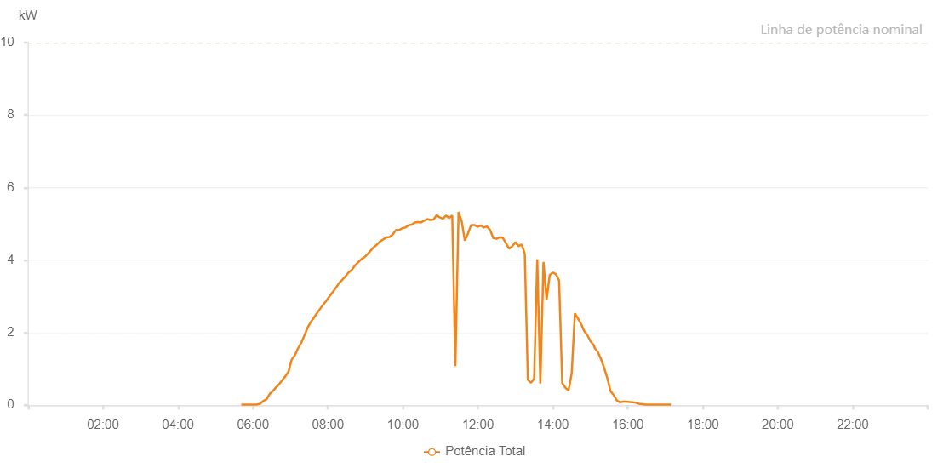

Number | Time | Working State | Alarm Code | Total Inverter Power(W)
1 | 30/07/2023 05:41:21 (UTC-4:00) | Normal |  | 20.000
2 | 30/07/2023 05:46:20 (UTC-4:00) | Normal |  | 20.000
3 | 30/07/2023 05:51:19 (UTC-4:00) | Normal |  | 20.000
4 | 30/07/2023 05:56:22 (UTC-4:00) | Normal |  | 20.000
5 | 30/07/2023 06:01:22 (UTC-4:00) | Normal |  | 20.000
6 | 30/07/2023 06:06:25 (UTC-4:00) | Normal |  | 20.000
7 | 30/07/2023 06:11:28 (UTC-4:00) | Normal |  | 40.000
8 | 30/07/2023 06:16:33 (UTC-4:00) | Normal |  | 120.000
9 | 30/07/2023 06:21:36 (UTC-4:00) | Normal |  | 160.000
10 | 30/07/2023 06:26:40 (UTC-4:00) | Normal |  | 310.000
11 | 30/07/2023 06:31:43 (UTC-4:00) | Normal |  | 390.000
12 | 30/07/2023 06:36:47 (UTC-4:00) | Normal |  | 490.000
13 | 30/07/2023 06:41:50 (UTC-4:00) | Normal |  | 580.000
14 | 30/07/2023 06:46:53 (UTC-4:00) | Normal |  | 690.000
15 | 30/07/2023 06:51:57 (UTC-4:00) | Normal |  | 800.000
16 | 30/07/2023 06:56:59 (UTC-4:00) | Normal |  | 930.000
17 | 30/07/2023 07:02:02 (UTC-4:00) | Normal |  | 1260.000
18 | 30/07/2023 07:07:05 (UTC-4:00) | Normal |  | 1380.000
19 | 30/07/2023 07:12:09 (UTC-4:00) | Normal |  | 1570.000
20 | 30/07/2023 07:17:11 (UTC-4:00) | Normal |  | 1720.000
21 | 30/07/2023 07:22:14 (UTC-4:00) | Normal |  | 1920.000
22 | 30/07/2023 07:27:17 (UTC-4:00) | Normal |  | 2130.000
23 | 30/07/2023 07:32:21 (UTC-4:00) | Normal |  | 2290.000
24 | 30/07/2023 07:37:23 (UTC-4:00) | Normal |  | 2410.000
25 | 30/07/2023 07:42:26 (UTC-4:00) | Normal |  | 2540.000
26 | 30/07/2023 07:47:29 (UTC-4:00) | Normal |  | 2660.000
27 | 30/07/2023 07:52:33 (UTC-4:00) | Normal |  | 2780.000
28 | 30/07/2023 07:57:35 (UTC-4:00) | Normal |  | 2880.000
29 | 30/07/2023 08:02:38 (UTC-4:00) | Normal |  | 3010.000
30 | 30/07/2023 08:07:42 (UTC-4:00) | Normal |  | 3120.000
31 | 30/07/2023 08:12:48 (UTC-4:00) | Normal |  | 3240.000
32 | 30/07/2023 08:17:51 (UTC-4:00) | Normal |  | 3370.000
33 | 30/07/2023 08:22:52 (UTC-4:00) | Normal |  | 3460.000
34 | 30/07/2023 08:27:55 (UTC-4:00) | Normal |  | 3550.000
35 | 30/07/2023 08:33:00 (UTC-4:00) | Normal |  | 3660.000
36 | 30/07/2023 08:38:01 (UTC-4:00) | Normal |  | 3730.000
37 | 30/07/2023 08:43:03 (UTC-4:00) | Normal |  | 3850.000
38 | 30/07/2023 08:48:07 (UTC-4:00) | Normal |  | 3940.000
39 | 30/07/2023 08:53:10 (UTC-4:00) | Normal |  | 4020.000
40 | 30/07/2023 08:58:14 (UTC-4:00) | Normal |  | 4080.000
41 | 30/07/2023 09:03:17 (UTC-4:00) | Normal |  | 4160.000
42 | 30/07/2023 09:08:20 (UTC-4:00) | Normal |  | 4260.000
43 | 30/07/2023 09:13:24 (UTC-4:00) | Normal |  | 4360.000
44 | 30/07/2023 09:18:26 (UTC-4:00) | Normal |  | 4430.000
45 | 30/07/2023 09:23:29 (UTC-4:00) | Normal |  | 4520.000
46 | 30/07/2023 09:28:32 (UTC-4:00) | Normal |  | 4570.000
47 | 30/07/2023 09:33:38 (UTC-4:00) | Normal |  | 4630.000
48 | 30/07/2023 09:38:41 (UTC-4:00) | Normal |  | 4640.000
49 | 30/07/2023 09:43:44 (UTC-4:00) | Normal |  | 4710.000
50 | 30/07/2023 09:48:48 (UTC-4:00) | Normal |  | 4830.000
51 | 30/07/2023 09:53:52 (UTC-4:00) | Normal |  | 4830.000
52 | 30/07/2023 09:58:55 (UTC-4:00) | Normal |  | 4880.000
53 | 30/07/2023 10:03:58 (UTC-4:00) | Normal |  | 4900.000
54 | 30/07/2023 10:09:03 (UTC-4:00) | Normal |  | 4960.000
55 | 30/07/2023 10:14:03 (UTC-4:00) | Normal |  | 4980.000
56 | 30/07/2023 10:19:06 (UTC-4:00) | Normal |  | 5040.000
57 | 30/07/2023 10:24:05 (UTC-4:00) | Normal |  | 5050.000
58 | 30/07/2023 10:29:04 (UTC-4:00) | Normal |  | 5040.000
59 | 30/07/2023 10:34:03 (UTC-4:00) | Normal |  | 5090.000
60 | 30/07/2023 10:39:03 (UTC-4:00) | Normal |  | 5130.000
61 | 30/07/2023 10:44:02 (UTC-4:00) | Normal |  | 5110.000
62 | 30/07/2023 10:49:01 (UTC-4:00) | Normal |  | 5120.000
63 | 30/07/2023 10:54:01 (UTC-4:00) | Normal |  | 5240.000
64 | 30/07/2023 10:59:00 (UTC-4:00) | Normal |  | 5180.000
65 | 30/07/2023 11:04:00 (UTC-4:00) | Normal |  | 5140.000
66 | 30/07/2023 11:08:59 (UTC-4:00) | Normal |  | 5230.000
67 | 30/07/2023 11:13:58 (UTC-4:00) | Normal |  | 5160.000
68 | 30/07/2023 11:18:58 (UTC-4:00) | Normal |  | 5230.000
69 | 30/07/2023 11:24:01 (UTC-4:00) | Normal |  | 1080.000
70 | 30/07/2023 11:29:04 (UTC-4:00) | Normal |  | 5330.000
71 | 30/07/2023 11:34:08 (UTC-4:00) | Normal |  | 5070.000
72 | 30/07/2023 11:39:10 (UTC-4:00) | Normal |  | 4540.000
73 | 30/07/2023 11:44:13 (UTC-4:00) | Normal |  | 4740.000
74 | 30/07/2023 11:49:16 (UTC-4:00) | Normal |  | 4970.000
75 | 30/07/2023 11:54:21 (UTC-4:00) | Normal |  | 4970.000
76 | 30/07/2023 11:59:23 (UTC-4:00) | Normal |  | 4920.000
77 | 30/07/2023 12:04:26 (UTC-4:00) | Normal |  | 4960.000
78 | 30/07/2023 12:09:29 (UTC-4:00) | Normal |  | 4900.000
79 | 30/07/2023 12:14:33 (UTC-4:00) | Normal |  | 4930.000
80 | 30/07/2023 12:19:36 (UTC-4:00) | Normal |  | 4830.000
81 | 30/07/2023 12:24:39 (UTC-4:00) | Normal |  | 4610.000
82 | 30/07/2023 12:29:42 (UTC-4:00) | Normal |  | 4590.000
83 | 30/07/2023 12:34:47 (UTC-4:00) | Normal |  | 4630.000
84 | 30/07/2023 12:39:49 (UTC-4:00) | Normal |  | 4620.000
85 | 30/07/2023 12:44:52 (UTC-4:00) | Normal |  | 4470.000
86 | 30/07/2023 12:49:55 (UTC-4:00) | Normal |  | 4320.000
87 | 30/07/2023 12:54:59 (UTC-4:00) | Normal |  | 4380.000
88 | 30/07/2023 13:00:01 (UTC-4:00) | Normal |  | 4500.000
89 | 30/07/2023 13:05:04 (UTC-4:00) | Normal |  | 4390.000
90 | 30/07/2023 13:05:15 (UTC-4:00) | Normal |  | 4390.000
91 | 30/07/2023 13:10:03 (UTC-4:00) | Normal |  | 4430.000
92 | 30/07/2023 13:15:03 (UTC-4:00) | Normal |  | 4180.000
93 | 30/07/2023 13:20:02 (UTC-4:00) | Normal |  | 700.000
94 | 30/07/2023 13:25:04 (UTC-4:00) | Normal |  | 620.000
95 | 30/07/2023 13:30:03 (UTC-4:00) | Normal |  | 730.000
96 | 30/07/2023 13:35:02 (UTC-4:00) | Normal |  | 4020.000
97 | 30/07/2023 13:40:01 (UTC-4:00) | Normal |  | 600.000
98 | 30/07/2023 13:45:00 (UTC-4:00) | Normal |  | 3950.000
99 | 30/07/2023 13:49:59 (UTC-4:00) | Normal |  | 2910.000
100 | 30/07/2023 13:54:59 (UTC-4:00) | Normal |  | 3590.000
101 | 30/07/2023 13:59:58 (UTC-4:00) | Normal |  | 3660.000
102 | 30/07/2023 14:04:57 (UTC-4:00) | Normal |  | 3610.000
103 | 30/07/2023 14:09:59 (UTC-4:00) | Normal |  | 3440.000
104 | 30/07/2023 14:15:02 (UTC-4:00) | Normal |  | 610.000
105 | 30/07/2023 14:20:06 (UTC-4:00) | Normal |  | 480.000
106 | 30/07/2023 14:25:08 (UTC-4:00) | Normal |  | 410.000
107 | 30/07/2023 14:30:11 (UTC-4:00) | Normal |  | 880.000
108 | 30/07/2023 14:35:14 (UTC-4:00) | Normal |  | 2530.000
109 | 30/07/2023 14:40:18 (UTC-4:00) | Normal |  | 2390.000
110 | 30/07/2023 14:45:21 (UTC-4:00) | Normal |  | 2230.000
111 | 30/07/2023 14:45:32 (UTC-4:00) | Normal |  | 2230.000
112 | 30/07/2023 14:50:20 (UTC-4:00) | Normal |  | 2040.000
113 | 30/07/2023 14:55:20 (UTC-4:00) | Normal |  | 1930.000
114 | 30/07/2023 15:00:21 (UTC-4:00) | Normal |  | 1760.000
115 | 30/07/2023 15:05:20 (UTC-4:00) | Normal |  | 1660.000
116 | 30/07/2023 15:06:55 (UTC-4:00) | Normal |  | 1580.000
117 | 30/07/2023 15:12:17 (UTC-4:00) | Normal |  | 1460.000
118 | 30/07/2023 15:17:18 (UTC-4:00) | Normal |  | 1260.000
119 | 30/07/2023 15:22:19 (UTC-4:00) | Normal |  | 1020.000
120 | 30/07/2023 15:27:19 (UTC-4:00) | Normal |  | 740.000
121 | 30/07/2023 15:32:20 (UTC-4:00) | Normal |  | 390.000
122 | 30/07/2023 15:37:22 (UTC-4:00) | Normal |  | 280.000
123 | 30/07/2023 15:42:23 (UTC-4:00) | Normal |  | 130.000
124 | 30/07/2023 15:47:27 (UTC-4:00) | Normal |  | 80.000
125 | 30/07/2023 15:52:31 (UTC-4:00) | Normal |  | 100.000
126 | 30/07/2023 15:57:36 (UTC-4:00) | Normal |  | 100.000
127 | 30/07/2023 16:02:42 (UTC-4:00) | Normal |  | 90.000
128 | 30/07/2023 16:07:47 (UTC-4:00) | Normal |  | 80.000
129 | 30/07/2023 16:07:57 (UTC-4:00) | Normal |  | 80.000
130 | 30/07/2023 16:12:50 (UTC-4:00) | Normal |  | 70.000
131 | 30/07/2023 16:17:57 (UTC-4:00) | Normal |  | 40.000
132 | 30/07/2023 16:23:02 (UTC-4:00) | Normal |  | 30.000
133 | 30/07/2023 16:28:05 (UTC-4:00) | Normal |  | 20.000
134 | 30/07/2023 16:33:09 (UTC-4:00) | Normal |  | 20.000
135 | 30/07/2023 16:38:14 (UTC-4:00) | Normal |  | 20.000
136 | 30/07/2023 16:38:30 (UTC-4:00) | Normal |  | 20.000
137 | 30/07/2023 16:43:20 (UTC-4:00) | Normal |  | 20.000
138 | 30/07/2023 16:48:24 (UTC-4:00) | Normal |  | 20.000
139 | 30/07/2023 16:53:31 (UTC-4:00) | Normal |  | 20.000
140 | 30/07/2023 16:58:35 (UTC-4:00) | Normal |  | 20.000
141 | 30/07/2023 17:03:39 (UTC-4:00) | Normal |  | 20.000
142 | 30/07/2023 17:08:44 (UTC-4:00) | Normal |  | 20.000
143 | 30/07/2023 17:08:55 (UTC-4:00) | Normal |  | 20.000

