Inverter History Report__17-08-
Inverter History Report_05/08/2023_Report

Inverter SN:054B7020C020044 |  | Inverter type:B7
Collector SN:4045086367 |  | Full Load Hours(h):3.27
Rated Power:10000Wp

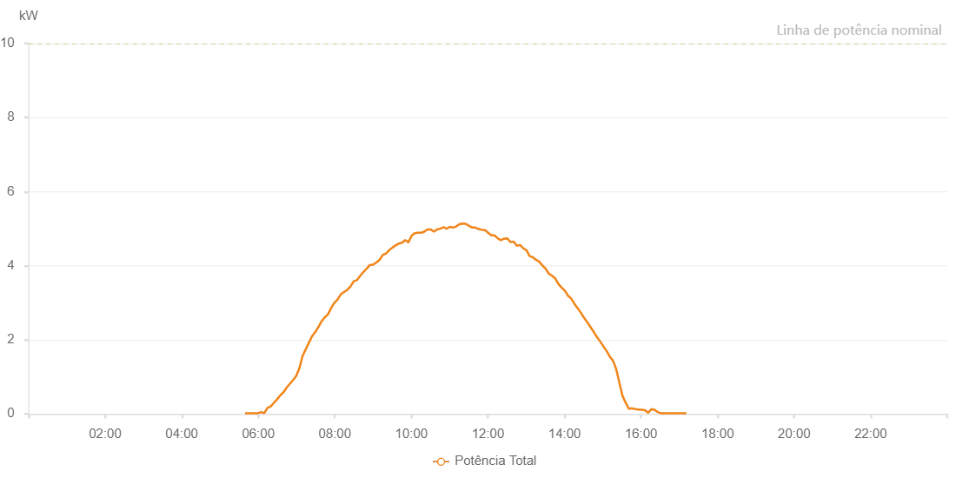

Number | Time | Working State | Alarm Code | Total Inverter Power(W)
1 | 05/08/2023 05:39:19 (UTC-4:00) | Normal |  | 20.000
2 | 05/08/2023 05:44:19 (UTC-4:00) | Normal |  | 20.000
3 | 05/08/2023 05:49:18 (UTC-4:00) | Normal |  | 20.000
4 | 05/08/2023 05:54:20 (UTC-4:00) | Normal |  | 20.000
5 | 05/08/2023 05:59:24 (UTC-4:00) | Normal |  | 20.000
6 | 05/08/2023 06:04:23 (UTC-4:00) | Normal |  | 50.000
7 | 05/08/2023 06:09:23 (UTC-4:00) | Normal |  | 20.000
8 | 05/08/2023 06:14:22 (UTC-4:00) | Normal |  | 160.000
9 | 05/08/2023 06:19:22 (UTC-4:00) | Normal |  | 200.000
10 | 05/08/2023 06:24:22 (UTC-4:00) | Normal |  | 300.000
11 | 05/08/2023 06:29:21 (UTC-4:00) | Normal |  | 390.000
12 | 05/08/2023 06:34:21 (UTC-4:00) | Normal |  | 500.000
13 | 05/08/2023 06:39:22 (UTC-4:00) | Normal |  | 580.000
14 | 05/08/2023 06:44:22 (UTC-4:00) | Normal |  | 710.000
15 | 05/08/2023 06:49:22 (UTC-4:00) | Normal |  | 810.000
16 | 05/08/2023 06:54:21 (UTC-4:00) | Normal |  | 910.000
17 | 05/08/2023 06:59:21 (UTC-4:00) | Normal |  | 1020.000
18 | 05/08/2023 07:04:20 (UTC-4:00) | Normal |  | 1230.000
19 | 05/08/2023 07:09:20 (UTC-4:00) | Normal |  | 1560.000
20 | 05/08/2023 07:14:19 (UTC-4:00) | Normal |  | 1740.000
21 | 05/08/2023 07:19:19 (UTC-4:00) | Normal |  | 1920.000
22 | 05/08/2023 07:24:19 (UTC-4:00) | Normal |  | 2100.000
23 | 05/08/2023 07:29:19 (UTC-4:00) | Normal |  | 2210.000
24 | 05/08/2023 07:34:19 (UTC-4:00) | Normal |  | 2350.000
25 | 05/08/2023 07:39:18 (UTC-4:00) | Normal |  | 2500.000
26 | 05/08/2023 07:44:18 (UTC-4:00) | Normal |  | 2610.000
27 | 05/08/2023 07:49:17 (UTC-4:00) | Normal |  | 2690.000
28 | 05/08/2023 07:54:17 (UTC-4:00) | Normal |  | 2860.000
29 | 05/08/2023 07:59:16 (UTC-4:00) | Normal |  | 3000.000
30 | 05/08/2023 08:04:19 (UTC-4:00) | Normal |  | 3090.000
31 | 05/08/2023 08:09:24 (UTC-4:00) | Normal |  | 3230.000
32 | 05/08/2023 08:14:26 (UTC-4:00) | Normal |  | 3290.000
33 | 05/08/2023 08:19:32 (UTC-4:00) | Normal |  | 3350.000
34 | 05/08/2023 08:24:34 (UTC-4:00) | Normal |  | 3440.000
35 | 05/08/2023 08:29:38 (UTC-4:00) | Normal |  | 3580.000
36 | 05/08/2023 08:34:41 (UTC-4:00) | Normal |  | 3610.000
37 | 05/08/2023 08:39:48 (UTC-4:00) | Normal |  | 3730.000
38 | 05/08/2023 08:44:51 (UTC-4:00) | Normal |  | 3830.000
39 | 05/08/2023 08:49:55 (UTC-4:00) | Normal |  | 3920.000
40 | 05/08/2023 08:54:58 (UTC-4:00) | Normal |  | 4020.000
41 | 05/08/2023 09:00:02 (UTC-4:00) | Normal |  | 4030.000
42 | 05/08/2023 09:05:05 (UTC-4:00) | Normal |  | 4090.000
43 | 05/08/2023 09:10:09 (UTC-4:00) | Normal |  | 4160.000
44 | 05/08/2023 09:15:12 (UTC-4:00) | Normal |  | 4290.000
45 | 05/08/2023 09:20:16 (UTC-4:00) | Normal |  | 4330.000
46 | 05/08/2023 09:25:19 (UTC-4:00) | Normal |  | 4420.000
47 | 05/08/2023 09:30:23 (UTC-4:00) | Normal |  | 4490.000
48 | 05/08/2023 09:35:22 (UTC-4:00) | Normal |  | 4550.000
49 | 05/08/2023 09:40:22 (UTC-4:00) | Normal |  | 4600.000
50 | 05/08/2023 09:45:22 (UTC-4:00) | Normal |  | 4620.000
51 | 05/08/2023 09:50:21 (UTC-4:00) | Normal |  | 4690.000
52 | 05/08/2023 09:55:21 (UTC-4:00) | Normal |  | 4630.000
53 | 05/08/2023 10:00:20 (UTC-4:00) | Normal |  | 4810.000
54 | 05/08/2023 10:05:20 (UTC-4:00) | Normal |  | 4880.000
55 | 05/08/2023 10:10:19 (UTC-4:00) | Normal |  | 4890.000
56 | 05/08/2023 10:15:19 (UTC-4:00) | Normal |  | 4890.000
57 | 05/08/2023 10:20:18 (UTC-4:00) | Normal |  | 4920.000
58 | 05/08/2023 10:25:18 (UTC-4:00) | Normal |  | 4980.000
59 | 05/08/2023 10:30:18 (UTC-4:00) | Normal |  | 4980.000
60 | 05/08/2023 10:35:17 (UTC-4:00) | Normal |  | 4920.000
61 | 05/08/2023 10:40:17 (UTC-4:00) | Normal |  | 4980.000
62 | 05/08/2023 10:45:16 (UTC-4:00) | Normal |  | 5000.000
63 | 05/08/2023 10:50:16 (UTC-4:00) | Normal |  | 5040.000
64 | 05/08/2023 10:55:15 (UTC-4:00) | Normal |  | 5000.000
65 | 05/08/2023 11:00:15 (UTC-4:00) | Normal |  | 5050.000
66 | 05/08/2023 11:05:14 (UTC-4:00) | Normal |  | 5030.000
67 | 05/08/2023 11:10:15 (UTC-4:00) | Normal |  | 5060.000
68 | 05/08/2023 11:15:14 (UTC-4:00) | Normal |  | 5120.000
69 | 05/08/2023 11:20:14 (UTC-4:00) | Normal |  | 5140.000
70 | 05/08/2023 11:25:13 (UTC-4:00) | Normal |  | 5130.000
71 | 05/08/2023 11:30:15 (UTC-4:00) | Normal |  | 5080.000
72 | 05/08/2023 11:35:15 (UTC-4:00) | Normal |  | 5030.000
73 | 05/08/2023 11:40:14 (UTC-4:00) | Normal |  | 5030.000
74 | 05/08/2023 11:45:14 (UTC-4:00) | Normal |  | 4990.000
75 | 05/08/2023 11:50:13 (UTC-4:00) | Normal |  | 4970.000
76 | 05/08/2023 11:55:13 (UTC-4:00) | Normal |  | 4960.000
77 | 05/08/2023 12:00:12 (UTC-4:00) | Normal |  | 4890.000
78 | 05/08/2023 12:05:12 (UTC-4:00) | Normal |  | 4820.000
79 | 05/08/2023 12:10:11 (UTC-4:00) | Normal |  | 4820.000
80 | 05/08/2023 12:15:11 (UTC-4:00) | Normal |  | 4740.000
81 | 05/08/2023 12:20:11 (UTC-4:00) | Normal |  | 4690.000
82 | 05/08/2023 12:25:10 (UTC-4:00) | Normal |  | 4730.000
83 | 05/08/2023 12:30:13 (UTC-4:00) | Normal |  | 4740.000
84 | 05/08/2023 12:35:15 (UTC-4:00) | Normal |  | 4640.000
85 | 05/08/2023 12:40:19 (UTC-4:00) | Normal |  | 4650.000
86 | 05/08/2023 12:45:22 (UTC-4:00) | Normal |  | 4540.000
87 | 05/08/2023 12:50:22 (UTC-4:00) | Normal |  | 4560.000
88 | 05/08/2023 12:55:21 (UTC-4:00) | Normal |  | 4470.000
89 | 05/08/2023 13:00:21 (UTC-4:00) | Normal |  | 4420.000
90 | 05/08/2023 13:05:20 (UTC-4:00) | Normal |  | 4260.000
91 | 05/08/2023 13:10:20 (UTC-4:00) | Normal |  | 4230.000
92 | 05/08/2023 13:15:20 (UTC-4:00) | Normal |  | 4160.000
93 | 05/08/2023 13:20:19 (UTC-4:00) | Normal |  | 4110.000
94 | 05/08/2023 13:25:19 (UTC-4:00) | Normal |  | 4010.000
95 | 05/08/2023 13:30:18 (UTC-4:00) | Normal |  | 3920.000
96 | 05/08/2023 13:35:18 (UTC-4:00) | Normal |  | 3790.000
97 | 05/08/2023 13:40:17 (UTC-4:00) | Normal |  | 3730.000
98 | 05/08/2023 13:45:18 (UTC-4:00) | Normal |  | 3660.000
99 | 05/08/2023 13:50:21 (UTC-4:00) | Normal |  | 3510.000
100 | 05/08/2023 13:55:25 (UTC-4:00) | Normal |  | 3410.000
101 | 05/08/2023 14:00:28 (UTC-4:00) | Normal |  | 3330.000
102 | 05/08/2023 14:05:32 (UTC-4:00) | Normal |  | 3190.000
103 | 05/08/2023 14:10:35 (UTC-4:00) | Normal |  | 3110.000
104 | 05/08/2023 14:15:39 (UTC-4:00) | Normal |  | 2970.000
105 | 05/08/2023 14:20:42 (UTC-4:00) | Normal |  | 2850.000
106 | 05/08/2023 14:25:46 (UTC-4:00) | Normal |  | 2730.000
107 | 05/08/2023 14:30:49 (UTC-4:00) | Normal |  | 2590.000
108 | 05/08/2023 14:35:53 (UTC-4:00) | Normal |  | 2470.000
109 | 05/08/2023 14:40:56 (UTC-4:00) | Normal |  | 2340.000
110 | 05/08/2023 14:46:00 (UTC-4:00) | Normal |  | 2210.000
111 | 05/08/2023 14:51:03 (UTC-4:00) | Normal |  | 2070.000
112 | 05/08/2023 14:56:07 (UTC-4:00) | Normal |  | 1950.000
113 | 05/08/2023 15:01:10 (UTC-4:00) | Normal |  | 1820.000
114 | 05/08/2023 15:05:38 (UTC-4:00) | Normal |  | 1710.000
115 | 05/08/2023 15:10:54 (UTC-4:00) | Normal |  | 1550.000
116 | 05/08/2023 15:15:54 (UTC-4:00) | Normal |  | 1440.000
117 | 05/08/2023 15:20:53 (UTC-4:00) | Normal |  | 1220.000
118 | 05/08/2023 15:25:53 (UTC-4:00) | Normal |  | 850.000
119 | 05/08/2023 15:30:52 (UTC-4:00) | Normal |  | 490.000
120 | 05/08/2023 15:35:52 (UTC-4:00) | Normal |  | 300.000
121 | 05/08/2023 15:40:55 (UTC-4:00) | Normal |  | 140.000
122 | 05/08/2023 15:45:59 (UTC-4:00) | Normal |  | 150.000
123 | 05/08/2023 15:51:00 (UTC-4:00) | Normal |  | 130.000
124 | 05/08/2023 15:56:04 (UTC-4:00) | Normal |  | 120.000
125 | 05/08/2023 16:01:07 (UTC-4:00) | Normal |  | 110.000
126 | 05/08/2023 16:06:07 (UTC-4:00) | Normal |  | 100.000
127 | 05/08/2023 16:11:06 (UTC-4:00) | Normal |  | 30.000
128 | 05/08/2023 16:16:06 (UTC-4:00) | Normal |  | 130.000
129 | 05/08/2023 16:21:07 (UTC-4:00) | Normal |  | 110.000
130 | 05/08/2023 16:26:06 (UTC-4:00) | Normal |  | 50.000
131 | 05/08/2023 16:31:05 (UTC-4:00) | Normal |  | 20.000
132 | 05/08/2023 16:36:05 (UTC-4:00) | Normal |  | 20.000
133 | 05/08/2023 16:41:05 (UTC-4:00) | Normal |  | 20.000
134 | 05/08/2023 16:46:04 (UTC-4:00) | Normal |  | 20.000
135 | 05/08/2023 16:51:04 (UTC-4:00) | Normal |  | 20.000
136 | 05/08/2023 16:56:04 (UTC-4:00) | Normal |  | 20.000
137 | 05/08/2023 17:01:04 (UTC-4:00) | Normal |  | 20.000
138 | 05/08/2023 17:06:06 (UTC-4:00) | Normal |  | 20.000
139 | 05/08/2023 17:11:10 (UTC-4:00) | Normal |  | 20.000

