Inverter History Report__17-08-
Inverter History Report_06/08/2023_Report

Inverter SN:054B7020C020044 |  | Inverter type:B7
Collector SN:4045086367 |  | Full Load Hours(h):3.20
Rated Power:10000Wp

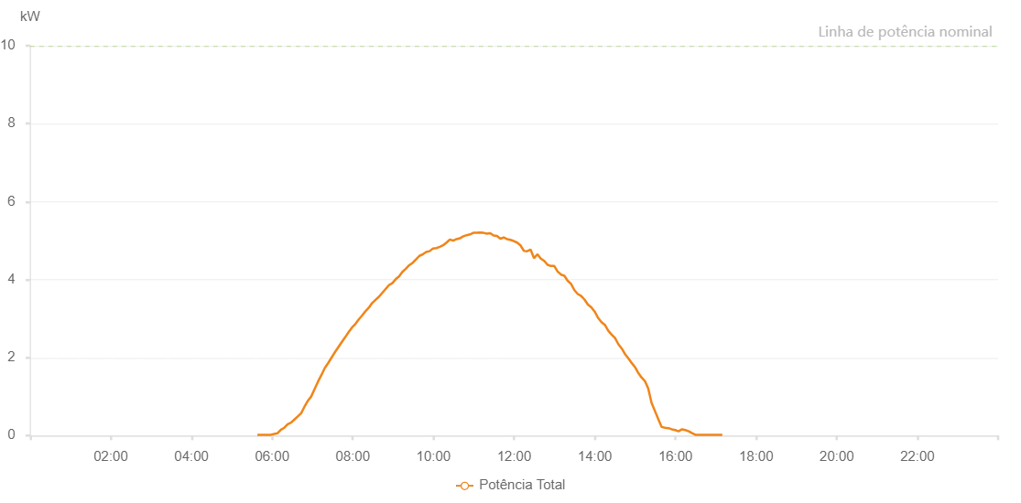

Number | Time | Working State | Alarm Code | Total Inverter Power(W)
1 | 06/08/2023 05:38:04 (UTC-4:00) | Normal |  | 20.000
2 | 06/08/2023 05:43:03 (UTC-4:00) | Normal |  | 20.000
3 | 06/08/2023 05:48:03 (UTC-4:00) | Normal |  | 20.000
4 | 06/08/2023 05:53:04 (UTC-4:00) | Normal |  | 20.000
5 | 06/08/2023 05:58:07 (UTC-4:00) | Normal |  | 20.000
6 | 06/08/2023 06:03:07 (UTC-4:00) | Normal |  | 40.000
7 | 06/08/2023 06:08:06 (UTC-4:00) | Normal |  | 60.000
8 | 06/08/2023 06:13:06 (UTC-4:00) | Normal |  | 150.000
9 | 06/08/2023 06:18:07 (UTC-4:00) | Normal |  | 200.000
10 | 06/08/2023 06:23:07 (UTC-4:00) | Normal |  | 290.000
11 | 06/08/2023 06:28:06 (UTC-4:00) | Normal |  | 330.000
12 | 06/08/2023 06:33:06 (UTC-4:00) | Normal |  | 410.000
13 | 06/08/2023 06:38:05 (UTC-4:00) | Normal |  | 490.000
14 | 06/08/2023 06:43:05 (UTC-4:00) | Normal |  | 570.000
15 | 06/08/2023 06:48:04 (UTC-4:00) | Normal |  | 740.000
16 | 06/08/2023 06:53:04 (UTC-4:00) | Normal |  | 890.000
17 | 06/08/2023 06:58:03 (UTC-4:00) | Normal |  | 1000.000
18 | 06/08/2023 07:03:07 (UTC-4:00) | Normal |  | 1190.000
19 | 06/08/2023 07:08:10 (UTC-4:00) | Normal |  | 1380.000
20 | 06/08/2023 07:13:13 (UTC-4:00) | Normal |  | 1550.000
21 | 06/08/2023 07:18:17 (UTC-4:00) | Normal |  | 1730.000
22 | 06/08/2023 07:23:20 (UTC-4:00) | Normal |  | 1860.000
23 | 06/08/2023 07:28:25 (UTC-4:00) | Normal |  | 2000.000
24 | 06/08/2023 07:33:29 (UTC-4:00) | Normal |  | 2140.000
25 | 06/08/2023 07:38:33 (UTC-4:00) | Normal |  | 2270.000
26 | 06/08/2023 07:43:36 (UTC-4:00) | Normal |  | 2400.000
27 | 06/08/2023 07:48:37 (UTC-4:00) | Normal |  | 2520.000
28 | 06/08/2023 07:53:41 (UTC-4:00) | Normal |  | 2650.000
29 | 06/08/2023 07:58:44 (UTC-4:00) | Normal |  | 2770.000
30 | 06/08/2023 08:03:47 (UTC-4:00) | Normal |  | 2860.000
31 | 06/08/2023 08:08:52 (UTC-4:00) | Normal |  | 2980.000
32 | 06/08/2023 08:13:50 (UTC-4:00) | Normal |  | 3080.000
33 | 06/08/2023 08:18:49 (UTC-4:00) | Normal |  | 3190.000
34 | 06/08/2023 08:23:50 (UTC-4:00) | Normal |  | 3280.000
35 | 06/08/2023 08:28:49 (UTC-4:00) | Normal |  | 3400.000
36 | 06/08/2023 08:33:49 (UTC-4:00) | Normal |  | 3480.000
37 | 06/08/2023 08:38:49 (UTC-4:00) | Normal |  | 3560.000
38 | 06/08/2023 08:43:48 (UTC-4:00) | Normal |  | 3660.000
39 | 06/08/2023 08:48:48 (UTC-4:00) | Normal |  | 3760.000
40 | 06/08/2023 08:53:48 (UTC-4:00) | Normal |  | 3860.000
41 | 06/08/2023 08:58:47 (UTC-4:00) | Normal |  | 3910.000
42 | 06/08/2023 09:03:47 (UTC-4:00) | Normal |  | 4010.000
43 | 06/08/2023 09:08:46 (UTC-4:00) | Normal |  | 4080.000
44 | 06/08/2023 09:13:50 (UTC-4:00) | Normal |  | 4200.000
45 | 06/08/2023 09:18:53 (UTC-4:00) | Normal |  | 4280.000
46 | 06/08/2023 09:23:57 (UTC-4:00) | Normal |  | 4370.000
47 | 06/08/2023 09:29:00 (UTC-4:00) | Normal |  | 4430.000
48 | 06/08/2023 09:34:03 (UTC-4:00) | Normal |  | 4520.000
49 | 06/08/2023 09:39:07 (UTC-4:00) | Normal |  | 4610.000
50 | 06/08/2023 09:44:10 (UTC-4:00) | Normal |  | 4650.000
51 | 06/08/2023 09:49:14 (UTC-4:00) | Normal |  | 4710.000
52 | 06/08/2023 09:54:18 (UTC-4:00) | Normal |  | 4730.000
53 | 06/08/2023 09:59:21 (UTC-4:00) | Normal |  | 4800.000
54 | 06/08/2023 10:04:25 (UTC-4:00) | Normal |  | 4810.000
55 | 06/08/2023 10:04:36 (UTC-4:00) | Normal |  | 4810.000
56 | 06/08/2023 10:09:24 (UTC-4:00) | Normal |  | 4840.000
57 | 06/08/2023 10:14:25 (UTC-4:00) | Normal |  | 4880.000
58 | 06/08/2023 10:19:24 (UTC-4:00) | Normal |  | 4950.000
59 | 06/08/2023 10:24:24 (UTC-4:00) | Normal |  | 5030.000
60 | 06/08/2023 10:29:23 (UTC-4:00) | Normal |  | 5000.000
61 | 06/08/2023 10:34:22 (UTC-4:00) | Normal |  | 5040.000
62 | 06/08/2023 10:39:22 (UTC-4:00) | Normal |  | 5060.000
63 | 06/08/2023 10:44:21 (UTC-4:00) | Normal |  | 5110.000
64 | 06/08/2023 10:49:21 (UTC-4:00) | Normal |  | 5140.000
65 | 06/08/2023 10:54:21 (UTC-4:00) | Normal |  | 5160.000
66 | 06/08/2023 10:59:20 (UTC-4:00) | Normal |  | 5200.000
67 | 06/08/2023 11:04:20 (UTC-4:00) | Normal |  | 5200.000
68 | 06/08/2023 11:09:23 (UTC-4:00) | Normal |  | 5210.000
69 | 06/08/2023 11:14:26 (UTC-4:00) | Normal |  | 5200.000
70 | 06/08/2023 11:19:30 (UTC-4:00) | Normal |  | 5180.000
71 | 06/08/2023 11:24:29 (UTC-4:00) | Normal |  | 5190.000
72 | 06/08/2023 11:29:29 (UTC-4:00) | Normal |  | 5130.000
73 | 06/08/2023 11:34:28 (UTC-4:00) | Normal |  | 5120.000
74 | 06/08/2023 11:39:27 (UTC-4:00) | Normal |  | 5050.000
75 | 06/08/2023 11:44:27 (UTC-4:00) | Normal |  | 5080.000
76 | 06/08/2023 11:49:26 (UTC-4:00) | Normal |  | 5040.000
77 | 06/08/2023 11:54:25 (UTC-4:00) | Normal |  | 5020.000
78 | 06/08/2023 11:59:25 (UTC-4:00) | Normal |  | 4990.000
79 | 06/08/2023 12:04:24 (UTC-4:00) | Normal |  | 4950.000
80 | 06/08/2023 12:09:23 (UTC-4:00) | Normal |  | 4880.000
81 | 06/08/2023 12:14:24 (UTC-4:00) | Normal |  | 4740.000
82 | 06/08/2023 12:19:27 (UTC-4:00) | Normal |  | 4730.000
83 | 06/08/2023 12:24:31 (UTC-4:00) | Normal |  | 4770.000
84 | 06/08/2023 12:29:34 (UTC-4:00) | Normal |  | 4550.000
85 | 06/08/2023 12:34:37 (UTC-4:00) | Normal |  | 4650.000
86 | 06/08/2023 12:39:39 (UTC-4:00) | Normal |  | 4540.000
87 | 06/08/2023 12:44:43 (UTC-4:00) | Normal |  | 4480.000
88 | 06/08/2023 12:49:42 (UTC-4:00) | Normal |  | 4380.000
89 | 06/08/2023 12:54:41 (UTC-4:00) | Normal |  | 4350.000
90 | 06/08/2023 12:59:42 (UTC-4:00) | Normal |  | 4350.000
91 | 06/08/2023 13:04:41 (UTC-4:00) | Normal |  | 4210.000
92 | 06/08/2023 13:09:40 (UTC-4:00) | Normal |  | 4130.000
93 | 06/08/2023 13:14:40 (UTC-4:00) | Normal |  | 4100.000
94 | 06/08/2023 13:19:39 (UTC-4:00) | Normal |  | 3970.000
95 | 06/08/2023 13:24:38 (UTC-4:00) | Normal |  | 3890.000
96 | 06/08/2023 13:29:40 (UTC-4:00) | Normal |  | 3730.000
97 | 06/08/2023 13:34:41 (UTC-4:00) | Normal |  | 3630.000
98 | 06/08/2023 13:39:41 (UTC-4:00) | Normal |  | 3580.000
99 | 06/08/2023 13:44:40 (UTC-4:00) | Normal |  | 3490.000
100 | 06/08/2023 13:49:44 (UTC-4:00) | Normal |  | 3360.000
101 | 06/08/2023 13:54:46 (UTC-4:00) | Normal |  | 3290.000
102 | 06/08/2023 13:59:48 (UTC-4:00) | Normal |  | 3180.000
103 | 06/08/2023 14:04:50 (UTC-4:00) | Normal |  | 3020.000
104 | 06/08/2023 14:09:55 (UTC-4:00) | Normal |  | 2910.000
105 | 06/08/2023 14:14:57 (UTC-4:00) | Normal |  | 2840.000
106 | 06/08/2023 14:20:01 (UTC-4:00) | Normal |  | 2690.000
107 | 06/08/2023 14:25:04 (UTC-4:00) | Normal |  | 2590.000
108 | 06/08/2023 14:30:07 (UTC-4:00) | Normal |  | 2500.000
109 | 06/08/2023 14:35:11 (UTC-4:00) | Normal |  | 2340.000
110 | 06/08/2023 14:40:14 (UTC-4:00) | Normal |  | 2230.000
111 | 06/08/2023 14:45:18 (UTC-4:00) | Normal |  | 2080.000
112 | 06/08/2023 14:50:22 (UTC-4:00) | Normal |  | 1970.000
113 | 06/08/2023 14:55:25 (UTC-4:00) | Normal |  | 1850.000
114 | 06/08/2023 15:00:24 (UTC-4:00) | Normal |  | 1740.000
115 | 06/08/2023 15:04:14 (UTC-4:00) | Normal |  | 1620.000
116 | 06/08/2023 15:09:29 (UTC-4:00) | Normal |  | 1490.000
117 | 06/08/2023 15:14:29 (UTC-4:00) | Normal |  | 1400.000
118 | 06/08/2023 15:19:29 (UTC-4:00) | Normal |  | 1210.000
119 | 06/08/2023 15:24:28 (UTC-4:00) | Normal |  | 840.000
120 | 06/08/2023 15:29:27 (UTC-4:00) | Normal |  | 630.000
121 | 06/08/2023 15:34:27 (UTC-4:00) | Normal |  | 420.000
122 | 06/08/2023 15:39:26 (UTC-4:00) | Normal |  | 220.000
123 | 06/08/2023 15:44:29 (UTC-4:00) | Normal |  | 200.000
124 | 06/08/2023 15:49:32 (UTC-4:00) | Normal |  | 190.000
125 | 06/08/2023 15:54:36 (UTC-4:00) | Normal |  | 160.000
126 | 06/08/2023 15:59:39 (UTC-4:00) | Normal |  | 140.000
127 | 06/08/2023 16:04:42 (UTC-4:00) | Normal |  | 110.000
128 | 06/08/2023 16:09:45 (UTC-4:00) | Normal |  | 160.000
129 | 06/08/2023 16:14:48 (UTC-4:00) | Normal |  | 140.000
130 | 06/08/2023 16:19:47 (UTC-4:00) | Normal |  | 110.000
131 | 06/08/2023 16:24:46 (UTC-4:00) | Normal |  | 60.000
132 | 06/08/2023 16:29:47 (UTC-4:00) | Normal |  | 20.000
133 | 06/08/2023 16:34:46 (UTC-4:00) | Normal |  | 20.000
134 | 06/08/2023 16:39:45 (UTC-4:00) | Normal |  | 20.000
135 | 06/08/2023 16:44:44 (UTC-4:00) | Normal |  | 20.000
136 | 06/08/2023 16:49:43 (UTC-4:00) | Normal |  | 20.000
137 | 06/08/2023 16:54:43 (UTC-4:00) | Normal |  | 20.000
138 | 06/08/2023 16:59:43 (UTC-4:00) | Normal |  | 20.000
139 | 06/08/2023 17:04:42 (UTC-4:00) | Normal |  | 20.000
140 | 06/08/2023 17:09:42 (UTC-4:00) | Normal |  | 20.000

