Inverter History Report__17-08-
Inverter History Report_10/08/2023_Report

Inverter SN:054B7020C020044 |  | Inverter type:B7
Collector SN:4045086367 |  | Full Load Hours(h):3.04
Rated Power:10000Wp

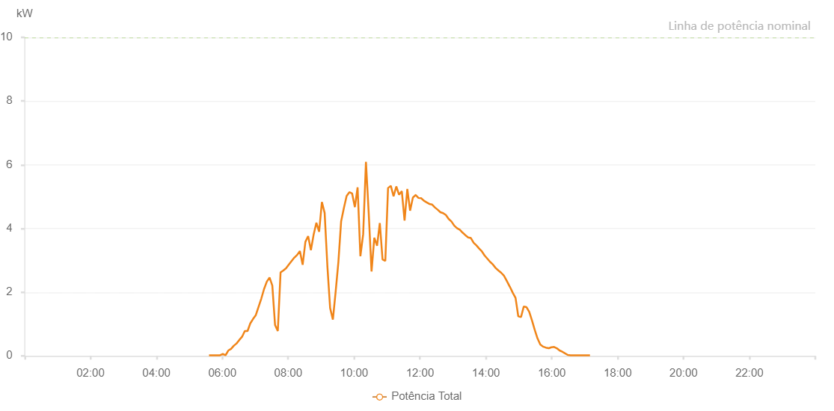

Number | Time | Working State | Alarm Code | Total Inverter Power(W)
1 | 10/08/2023 05:35:49 (UTC-4:00) | Normal |  | 20.000
2 | 10/08/2023 05:40:49 (UTC-4:00) | Normal |  | 20.000
3 | 10/08/2023 05:45:49 (UTC-4:00) | Normal |  | 20.000
4 | 10/08/2023 05:50:52 (UTC-4:00) | Normal |  | 20.000
5 | 10/08/2023 05:55:56 (UTC-4:00) | Normal |  | 20.000
6 | 10/08/2023 06:00:56 (UTC-4:00) | Normal |  | 60.000
7 | 10/08/2023 06:05:57 (UTC-4:00) | Normal |  | 20.000
8 | 10/08/2023 06:10:57 (UTC-4:00) | Normal |  | 170.000
9 | 10/08/2023 06:15:57 (UTC-4:00) | Normal |  | 220.000
10 | 10/08/2023 06:21:01 (UTC-4:00) | Normal |  | 320.000
11 | 10/08/2023 06:25:57 (UTC-4:00) | Normal |  | 390.000
12 | 10/08/2023 06:30:58 (UTC-4:00) | Normal |  | 500.000
13 | 10/08/2023 06:35:58 (UTC-4:00) | Normal |  | 600.000
14 | 10/08/2023 06:40:58 (UTC-4:00) | Normal |  | 780.000
15 | 10/08/2023 06:45:58 (UTC-4:00) | Normal |  | 780.000
16 | 10/08/2023 06:50:59 (UTC-4:00) | Normal |  | 1020.000
17 | 10/08/2023 06:56:02 (UTC-4:00) | Normal |  | 1160.000
18 | 10/08/2023 07:01:02 (UTC-4:00) | Normal |  | 1280.000
19 | 10/08/2023 07:06:02 (UTC-4:00) | Normal |  | 1540.000
20 | 10/08/2023 07:11:03 (UTC-4:00) | Normal |  | 1800.000
21 | 10/08/2023 07:16:04 (UTC-4:00) | Normal |  | 2100.000
22 | 10/08/2023 07:21:04 (UTC-4:00) | Normal |  | 2330.000
23 | 10/08/2023 07:26:04 (UTC-4:00) | Normal |  | 2460.000
24 | 10/08/2023 07:31:05 (UTC-4:00) | Normal |  | 2210.000
25 | 10/08/2023 07:36:05 (UTC-4:00) | Normal |  | 970.000
26 | 10/08/2023 07:41:06 (UTC-4:00) | Normal |  | 780.000
27 | 10/08/2023 07:46:07 (UTC-4:00) | Normal |  | 2620.000
28 | 10/08/2023 07:51:06 (UTC-4:00) | Normal |  | 2680.000
29 | 10/08/2023 07:56:06 (UTC-4:00) | Normal |  | 2750.000
30 | 10/08/2023 08:01:11 (UTC-4:00) | Normal |  | 2870.000
31 | 10/08/2023 08:06:15 (UTC-4:00) | Normal |  | 2980.000
32 | 10/08/2023 08:11:20 (UTC-4:00) | Normal |  | 3090.000
33 | 10/08/2023 08:11:31 (UTC-4:00) | Normal |  | 3090.000
34 | 10/08/2023 08:16:20 (UTC-4:00) | Normal |  | 3170.000
35 | 10/08/2023 08:21:20 (UTC-4:00) | Normal |  | 3290.000
36 | 10/08/2023 08:26:20 (UTC-4:00) | Normal |  | 2860.000
37 | 10/08/2023 08:31:20 (UTC-4:00) | Normal |  | 3580.000
38 | 10/08/2023 08:36:20 (UTC-4:00) | Normal |  | 3760.000
39 | 10/08/2023 08:41:22 (UTC-4:00) | Normal |  | 3320.000
40 | 10/08/2023 08:46:22 (UTC-4:00) | Normal |  | 3810.000
41 | 10/08/2023 08:51:22 (UTC-4:00) | Normal |  | 4180.000
42 | 10/08/2023 08:56:22 (UTC-4:00) | Normal |  | 3900.000
43 | 10/08/2023 09:01:23 (UTC-4:00) | Normal |  | 4830.000
44 | 10/08/2023 09:06:23 (UTC-4:00) | Normal |  | 4490.000
45 | 10/08/2023 09:11:23 (UTC-4:00) | Normal |  | 2820.000
46 | 10/08/2023 09:16:23 (UTC-4:00) | Normal |  | 1500.000
47 | 10/08/2023 09:21:24 (UTC-4:00) | Normal |  | 1140.000
48 | 10/08/2023 09:26:24 (UTC-4:00) | Normal |  | 2010.000
49 | 10/08/2023 09:31:24 (UTC-4:00) | Normal |  | 2940.000
50 | 10/08/2023 09:36:24 (UTC-4:00) | Normal |  | 4220.000
51 | 10/08/2023 09:41:24 (UTC-4:00) | Normal |  | 4640.000
52 | 10/08/2023 09:46:25 (UTC-4:00) | Normal |  | 5020.000
53 | 10/08/2023 09:51:25 (UTC-4:00) | Normal |  | 5140.000
54 | 10/08/2023 09:56:25 (UTC-4:00) | Normal |  | 5100.000
55 | 10/08/2023 10:01:25 (UTC-4:00) | Normal |  | 4670.000
56 | 10/08/2023 10:06:26 (UTC-4:00) | Normal |  | 5290.000
57 | 10/08/2023 10:11:31 (UTC-4:00) | Normal |  | 3130.000
58 | 10/08/2023 10:16:34 (UTC-4:00) | Normal |  | 3820.000
59 | 10/08/2023 10:21:38 (UTC-4:00) | Normal |  | 6090.000
60 | 10/08/2023 10:26:43 (UTC-4:00) | Normal |  | 4460.000
61 | 10/08/2023 10:31:47 (UTC-4:00) | Normal |  | 2650.000
62 | 10/08/2023 10:36:51 (UTC-4:00) | Normal |  | 3710.000
63 | 10/08/2023 10:41:53 (UTC-4:00) | Normal |  | 3460.000
64 | 10/08/2023 10:46:52 (UTC-4:00) | Normal |  | 4170.000
65 | 10/08/2023 10:51:52 (UTC-4:00) | Normal |  | 3030.000
66 | 10/08/2023 10:56:52 (UTC-4:00) | Normal |  | 2980.000
67 | 10/08/2023 11:01:52 (UTC-4:00) | Normal |  | 5270.000
68 | 10/08/2023 11:06:54 (UTC-4:00) | Normal |  | 5340.000
69 | 10/08/2023 11:11:55 (UTC-4:00) | Normal |  | 5010.000
70 | 10/08/2023 11:16:55 (UTC-4:00) | Normal |  | 5320.000
71 | 10/08/2023 11:21:55 (UTC-4:00) | Normal |  | 5060.000
72 | 10/08/2023 11:26:56 (UTC-4:00) | Normal |  | 5170.000
73 | 10/08/2023 11:31:57 (UTC-4:00) | Normal |  | 4250.000
74 | 10/08/2023 11:36:57 (UTC-4:00) | Normal |  | 5240.000
75 | 10/08/2023 11:42:00 (UTC-4:00) | Normal |  | 4560.000
76 | 10/08/2023 11:47:04 (UTC-4:00) | Normal |  | 4970.000
77 | 10/08/2023 11:52:09 (UTC-4:00) | Normal |  | 5050.000
78 | 10/08/2023 11:52:19 (UTC-4:00) | Normal |  | 5050.000
79 | 10/08/2023 11:57:13 (UTC-4:00) | Normal |  | 4960.000
80 | 10/08/2023 12:02:13 (UTC-4:00) | Normal |  | 4950.000
81 | 10/08/2023 12:07:14 (UTC-4:00) | Normal |  | 4870.000
82 | 10/08/2023 12:12:15 (UTC-4:00) | Normal |  | 4820.000
83 | 10/08/2023 12:17:15 (UTC-4:00) | Normal |  | 4770.000
84 | 10/08/2023 12:22:15 (UTC-4:00) | Normal |  | 4750.000
85 | 10/08/2023 12:27:15 (UTC-4:00) | Normal |  | 4660.000
86 | 10/08/2023 12:32:15 (UTC-4:00) | Normal |  | 4590.000
87 | 10/08/2023 12:37:15 (UTC-4:00) | Normal |  | 4510.000
88 | 10/08/2023 12:42:16 (UTC-4:00) | Normal |  | 4480.000
89 | 10/08/2023 12:47:16 (UTC-4:00) | Normal |  | 4420.000
90 | 10/08/2023 12:52:16 (UTC-4:00) | Normal |  | 4300.000
91 | 10/08/2023 12:57:18 (UTC-4:00) | Normal |  | 4220.000
92 | 10/08/2023 13:02:22 (UTC-4:00) | Normal |  | 4090.000
93 | 10/08/2023 13:07:27 (UTC-4:00) | Normal |  | 4010.000
94 | 10/08/2023 13:12:33 (UTC-4:00) | Normal |  | 3960.000
95 | 10/08/2023 13:17:36 (UTC-4:00) | Normal |  | 3870.000
96 | 10/08/2023 13:22:41 (UTC-4:00) | Normal |  | 3790.000
97 | 10/08/2023 13:27:45 (UTC-4:00) | Normal |  | 3720.000
98 | 10/08/2023 13:32:45 (UTC-4:00) | Normal |  | 3700.000
99 | 10/08/2023 13:37:45 (UTC-4:00) | Normal |  | 3550.000
100 | 10/08/2023 13:42:47 (UTC-4:00) | Normal |  | 3470.000
101 | 10/08/2023 13:47:47 (UTC-4:00) | Normal |  | 3370.000
102 | 10/08/2023 13:52:47 (UTC-4:00) | Normal |  | 3280.000
103 | 10/08/2023 13:57:48 (UTC-4:00) | Normal |  | 3150.000
104 | 10/08/2023 14:02:50 (UTC-4:00) | Normal |  | 3050.000
105 | 10/08/2023 14:07:50 (UTC-4:00) | Normal |  | 2950.000
106 | 10/08/2023 14:12:50 (UTC-4:00) | Normal |  | 2870.000
107 | 10/08/2023 14:17:50 (UTC-4:00) | Normal |  | 2760.000
108 | 10/08/2023 14:22:55 (UTC-4:00) | Normal |  | 2680.000
109 | 10/08/2023 14:27:54 (UTC-4:00) | Normal |  | 2610.000
110 | 10/08/2023 14:32:54 (UTC-4:00) | Normal |  | 2520.000
111 | 10/08/2023 14:37:56 (UTC-4:00) | Normal |  | 2360.000
112 | 10/08/2023 14:43:01 (UTC-4:00) | Normal |  | 2190.000
113 | 10/08/2023 14:43:46 (UTC-4:00) | Normal |  | 2170.000
114 | 10/08/2023 14:49:04 (UTC-4:00) | Normal |  | 1980.000
115 | 10/08/2023 14:54:04 (UTC-4:00) | Normal |  | 1820.000
116 | 10/08/2023 14:59:04 (UTC-4:00) | Normal |  | 1240.000
117 | 10/08/2023 15:04:05 (UTC-4:00) | Normal |  | 1220.000
118 | 10/08/2023 15:09:03 (UTC-4:00) | Normal |  | 1550.000
119 | 10/08/2023 15:14:03 (UTC-4:00) | Normal |  | 1530.000
120 | 10/08/2023 15:19:02 (UTC-4:00) | Normal |  | 1380.000
121 | 10/08/2023 15:24:02 (UTC-4:00) | Normal |  | 1110.000
122 | 10/08/2023 15:29:07 (UTC-4:00) | Normal |  | 810.000
123 | 10/08/2023 15:34:02 (UTC-4:00) | Normal |  | 550.000
124 | 10/08/2023 15:39:07 (UTC-4:00) | Normal |  | 360.000
125 | 10/08/2023 15:44:11 (UTC-4:00) | Normal |  | 290.000
126 | 10/08/2023 15:44:22 (UTC-4:00) | Normal |  | 290.000
127 | 10/08/2023 15:49:13 (UTC-4:00) | Normal |  | 260.000
128 | 10/08/2023 15:54:42 (UTC-4:00) | Normal |  | 240.000
129 | 10/08/2023 15:59:17 (UTC-4:00) | Normal |  | 270.000
130 | 10/08/2023 16:04:17 (UTC-4:00) | Normal |  | 280.000
131 | 10/08/2023 16:04:27 (UTC-4:00) | Normal |  | 280.000
132 | 10/08/2023 16:09:16 (UTC-4:00) | Normal |  | 240.000
133 | 10/08/2023 16:14:16 (UTC-4:00) | Normal |  | 170.000
134 | 10/08/2023 16:19:16 (UTC-4:00) | Normal |  | 130.000
135 | 10/08/2023 16:24:15 (UTC-4:00) | Normal |  | 80.000
136 | 10/08/2023 16:29:15 (UTC-4:00) | Normal |  | 30.000
137 | 10/08/2023 16:34:15 (UTC-4:00) | Normal |  | 20.000
138 | 10/08/2023 16:39:14 (UTC-4:00) | Normal |  | 20.000
139 | 10/08/2023 16:44:15 (UTC-4:00) | Normal |  | 20.000
140 | 10/08/2023 16:49:21 (UTC-4:00) | Normal |  | 20.000
141 | 10/08/2023 16:54:23 (UTC-4:00) | Normal |  | 20.000
142 | 10/08/2023 16:59:29 (UTC-4:00) | Normal |  | 20.000
143 | 10/08/2023 17:04:31 (UTC-4:00) | Normal |  | 20.000
144 | 10/08/2023 17:09:36 (UTC-4:00) | Normal |  | 20.000

