Inverter History Report__17-08-
Inverter History Report_12/08/2023_Report

Inverter SN:054B7020C020044 |  | Inverter type:B7
Collector SN:4045086367 |  | Full Load Hours(h):2.52
Rated Power:10000Wp

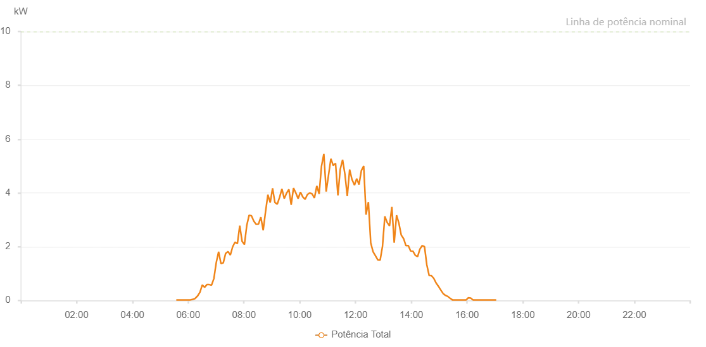

Number | Time | Working State | Alarm Code | Total Inverter Power(W)
1 | 12/08/2023 05:34:25 (UTC-4:00) | Normal |  | 20.000
2 | 12/08/2023 05:39:25 (UTC-4:00) | Normal |  | 20.000
3 | 12/08/2023 05:44:25 (UTC-4:00) | Normal |  | 20.000
4 | 12/08/2023 05:49:28 (UTC-4:00) | Normal |  | 20.000
5 | 12/08/2023 05:54:31 (UTC-4:00) | Normal |  | 20.000
6 | 12/08/2023 05:59:37 (UTC-4:00) | Normal |  | 20.000
7 | 12/08/2023 06:04:41 (UTC-4:00) | Normal |  | 20.000
8 | 12/08/2023 06:09:44 (UTC-4:00) | Normal |  | 40.000
9 | 12/08/2023 06:14:48 (UTC-4:00) | Normal |  | 70.000
10 | 12/08/2023 06:15:07 (UTC-4:00) | Normal |  | 80.000
11 | 12/08/2023 06:20:22 (UTC-4:00) | Normal |  | 170.000
12 | 12/08/2023 06:25:21 (UTC-4:00) | Normal |  | 310.000
13 | 12/08/2023 06:30:21 (UTC-4:00) | Normal |  | 580.000
14 | 12/08/2023 06:35:20 (UTC-4:00) | Normal |  | 490.000
15 | 12/08/2023 06:40:19 (UTC-4:00) | Normal |  | 590.000
16 | 12/08/2023 06:45:18 (UTC-4:00) | Normal |  | 590.000
17 | 12/08/2023 06:50:19 (UTC-4:00) | Normal |  | 570.000
18 | 12/08/2023 06:55:22 (UTC-4:00) | Normal |  | 820.000
19 | 12/08/2023 07:00:24 (UTC-4:00) | Normal |  | 1410.000
20 | 12/08/2023 07:05:27 (UTC-4:00) | Normal |  | 1810.000
21 | 12/08/2023 07:10:31 (UTC-4:00) | Normal |  | 1370.000
22 | 12/08/2023 07:15:32 (UTC-4:00) | Normal |  | 1400.000
23 | 12/08/2023 07:20:35 (UTC-4:00) | Normal |  | 1750.000
24 | 12/08/2023 07:25:38 (UTC-4:00) | Normal |  | 1820.000
25 | 12/08/2023 07:30:44 (UTC-4:00) | Normal |  | 1690.000
26 | 12/08/2023 07:35:46 (UTC-4:00) | Normal |  | 2000.000
27 | 12/08/2023 07:40:49 (UTC-4:00) | Normal |  | 2170.000
28 | 12/08/2023 07:45:53 (UTC-4:00) | Normal |  | 2110.000
29 | 12/08/2023 07:50:56 (UTC-4:00) | Normal |  | 2780.000
30 | 12/08/2023 07:55:59 (UTC-4:00) | Normal |  | 2200.000
31 | 12/08/2023 08:01:01 (UTC-4:00) | Normal |  | 2080.000
32 | 12/08/2023 08:06:03 (UTC-4:00) | Normal |  | 2790.000
33 | 12/08/2023 08:11:06 (UTC-4:00) | Normal |  | 3170.000
34 | 12/08/2023 08:16:09 (UTC-4:00) | Normal |  | 3150.000
35 | 12/08/2023 08:21:11 (UTC-4:00) | Normal |  | 2950.000
36 | 12/08/2023 08:26:14 (UTC-4:00) | Normal |  | 2830.000
37 | 12/08/2023 08:31:17 (UTC-4:00) | Normal |  | 2840.000
38 | 12/08/2023 08:36:20 (UTC-4:00) | Normal |  | 3100.000
39 | 12/08/2023 08:41:23 (UTC-4:00) | Normal |  | 2610.000
40 | 12/08/2023 08:46:26 (UTC-4:00) | Normal |  | 3300.000
41 | 12/08/2023 08:51:28 (UTC-4:00) | Normal |  | 3930.000
42 | 12/08/2023 08:56:31 (UTC-4:00) | Normal |  | 3640.000
43 | 12/08/2023 09:01:34 (UTC-4:00) | Normal |  | 4170.000
44 | 12/08/2023 09:06:37 (UTC-4:00) | Normal |  | 3640.000
45 | 12/08/2023 09:11:40 (UTC-4:00) | Normal |  | 3580.000
46 | 12/08/2023 09:16:42 (UTC-4:00) | Normal |  | 3840.000
47 | 12/08/2023 09:21:41 (UTC-4:00) | Normal |  | 4150.000
48 | 12/08/2023 09:26:40 (UTC-4:00) | Normal |  | 3790.000
49 | 12/08/2023 09:31:39 (UTC-4:00) | Normal |  | 3990.000
50 | 12/08/2023 09:36:37 (UTC-4:00) | Normal |  | 4130.000
51 | 12/08/2023 09:41:36 (UTC-4:00) | Normal |  | 3560.000
52 | 12/08/2023 09:46:35 (UTC-4:00) | Normal |  | 4180.000
53 | 12/08/2023 09:51:34 (UTC-4:00) | Normal |  | 4000.000
54 | 12/08/2023 09:56:33 (UTC-4:00) | Normal |  | 3790.000
55 | 12/08/2023 10:01:35 (UTC-4:00) | Normal |  | 4030.000
56 | 12/08/2023 10:06:34 (UTC-4:00) | Normal |  | 3850.000
57 | 12/08/2023 10:11:33 (UTC-4:00) | Normal |  | 3760.000
58 | 12/08/2023 10:16:32 (UTC-4:00) | Normal |  | 3940.000
59 | 12/08/2023 10:21:35 (UTC-4:00) | Normal |  | 4000.000
60 | 12/08/2023 10:26:38 (UTC-4:00) | Normal |  | 3960.000
61 | 12/08/2023 10:31:39 (UTC-4:00) | Normal |  | 3810.000
62 | 12/08/2023 10:36:41 (UTC-4:00) | Normal |  | 4260.000
63 | 12/08/2023 10:41:44 (UTC-4:00) | Normal |  | 3960.000
64 | 12/08/2023 10:46:48 (UTC-4:00) | Normal |  | 4990.000
65 | 12/08/2023 10:51:52 (UTC-4:00) | Normal |  | 5450.000
66 | 12/08/2023 10:56:56 (UTC-4:00) | Normal |  | 4050.000
67 | 12/08/2023 11:01:57 (UTC-4:00) | Normal |  | 4660.000
68 | 12/08/2023 11:07:00 (UTC-4:00) | Normal |  | 5270.000
69 | 12/08/2023 11:12:02 (UTC-4:00) | Normal |  | 5020.000
70 | 12/08/2023 11:17:05 (UTC-4:00) | Normal |  | 5100.000
71 | 12/08/2023 11:22:08 (UTC-4:00) | Normal |  | 3910.000
72 | 12/08/2023 11:27:10 (UTC-4:00) | Normal |  | 4880.000
73 | 12/08/2023 11:32:13 (UTC-4:00) | Normal |  | 5230.000
74 | 12/08/2023 11:37:17 (UTC-4:00) | Normal |  | 4690.000
75 | 12/08/2023 11:42:19 (UTC-4:00) | Normal |  | 3880.000
76 | 12/08/2023 11:47:22 (UTC-4:00) | Normal |  | 4870.000
77 | 12/08/2023 11:52:25 (UTC-4:00) | Normal |  | 4500.000
78 | 12/08/2023 11:57:53 (UTC-4:00) | Normal |  | 4290.000
79 | 12/08/2023 12:02:30 (UTC-4:00) | Normal |  | 4530.000
80 | 12/08/2023 12:07:33 (UTC-4:00) | Normal |  | 4310.000
81 | 12/08/2023 12:12:35 (UTC-4:00) | Normal |  | 4830.000
82 | 12/08/2023 12:17:38 (UTC-4:00) | Normal |  | 5000.000
83 | 12/08/2023 12:22:41 (UTC-4:00) | Normal |  | 3190.000
84 | 12/08/2023 12:27:43 (UTC-4:00) | Normal |  | 3660.000
85 | 12/08/2023 12:32:46 (UTC-4:00) | Normal |  | 2140.000
86 | 12/08/2023 12:37:50 (UTC-4:00) | Normal |  | 1810.000
87 | 12/08/2023 12:42:54 (UTC-4:00) | Normal |  | 1660.000
88 | 12/08/2023 12:47:57 (UTC-4:00) | Normal |  | 1510.000
89 | 12/08/2023 12:53:01 (UTC-4:00) | Normal |  | 1500.000
90 | 12/08/2023 12:58:03 (UTC-4:00) | Normal |  | 2010.000
91 | 12/08/2023 13:03:06 (UTC-4:00) | Normal |  | 3130.000
92 | 12/08/2023 13:08:07 (UTC-4:00) | Normal |  | 2900.000
93 | 12/08/2023 13:13:09 (UTC-4:00) | Normal |  | 2770.000
94 | 12/08/2023 13:18:12 (UTC-4:00) | Normal |  | 3480.000
95 | 12/08/2023 13:23:15 (UTC-4:00) | Normal |  | 2150.000
96 | 12/08/2023 13:28:18 (UTC-4:00) | Normal |  | 3170.000
97 | 12/08/2023 13:33:21 (UTC-4:00) | Normal |  | 2870.000
98 | 12/08/2023 13:38:25 (UTC-4:00) | Normal |  | 2430.000
99 | 12/08/2023 13:43:27 (UTC-4:00) | Normal |  | 2300.000
100 | 12/08/2023 13:48:29 (UTC-4:00) | Normal |  | 2040.000
101 | 12/08/2023 13:53:32 (UTC-4:00) | Normal |  | 2040.000
102 | 12/08/2023 13:58:34 (UTC-4:00) | Normal |  | 1840.000
103 | 12/08/2023 14:03:33 (UTC-4:00) | Normal |  | 1830.000
104 | 12/08/2023 14:08:33 (UTC-4:00) | Normal |  | 1680.000
105 | 12/08/2023 14:13:31 (UTC-4:00) | Normal |  | 1630.000
106 | 12/08/2023 14:18:30 (UTC-4:00) | Normal |  | 1910.000
107 | 12/08/2023 14:23:29 (UTC-4:00) | Normal |  | 2040.000
108 | 12/08/2023 14:28:28 (UTC-4:00) | Normal |  | 2000.000
109 | 12/08/2023 14:33:27 (UTC-4:00) | Normal |  | 1320.000
110 | 12/08/2023 14:38:25 (UTC-4:00) | Normal |  | 930.000
111 | 12/08/2023 14:43:24 (UTC-4:00) | Normal |  | 920.000
112 | 12/08/2023 14:48:23 (UTC-4:00) | Normal |  | 820.000
113 | 12/08/2023 14:53:21 (UTC-4:00) | Normal |  | 650.000
114 | 12/08/2023 14:58:20 (UTC-4:00) | Normal |  | 530.000
115 | 12/08/2023 15:03:23 (UTC-4:00) | Normal |  | 390.000
116 | 12/08/2023 15:08:25 (UTC-4:00) | Normal |  | 260.000
117 | 12/08/2023 15:13:28 (UTC-4:00) | Normal |  | 190.000
118 | 12/08/2023 15:13:43 (UTC-4:00) | Normal |  | 190.000
119 | 12/08/2023 15:18:30 (UTC-4:00) | Normal |  | 150.000
120 | 12/08/2023 15:23:33 (UTC-4:00) | Normal |  | 80.000
121 | 12/08/2023 15:28:36 (UTC-4:00) | Normal |  | 20.000
122 | 12/08/2023 15:33:39 (UTC-4:00) | Normal |  | 20.000
123 | 12/08/2023 15:38:41 (UTC-4:00) | Normal |  | 20.000
124 | 12/08/2023 15:43:44 (UTC-4:00) | Normal |  | 20.000
125 | 12/08/2023 15:47:37 (UTC-4:00) | Normal |  | 20.000
126 | 12/08/2023 15:52:54 (UTC-4:00) | Normal |  | 20.000
127 | 12/08/2023 15:57:53 (UTC-4:00) | Normal |  | 20.000
128 | 12/08/2023 16:02:52 (UTC-4:00) | Normal |  | 100.000
129 | 12/08/2023 16:07:52 (UTC-4:00) | Normal |  | 90.000
130 | 12/08/2023 16:12:51 (UTC-4:00) | Normal |  | 20.000
131 | 12/08/2023 16:17:50 (UTC-4:00) | Normal |  | 20.000
132 | 12/08/2023 16:22:49 (UTC-4:00) | Normal |  | 20.000
133 | 12/08/2023 16:27:49 (UTC-4:00) | Normal |  | 20.000
134 | 12/08/2023 16:32:48 (UTC-4:00) | Normal |  | 20.000
135 | 12/08/2023 16:37:47 (UTC-4:00) | Normal |  | 20.000
136 | 12/08/2023 16:42:47 (UTC-4:00) | Normal |  | 20.000
137 | 12/08/2023 16:47:46 (UTC-4:00) | Normal |  | 20.000
138 | 12/08/2023 16:52:45 (UTC-4:00) | Normal |  | 20.000
139 | 12/08/2023 16:57:45 (UTC-4:00) | Normal |  | 20.000
140 | 12/08/2023 17:02:44 (UTC-4:00) | Normal |  | 20.000

