Inverter History Report__17-08-
Inverter History Report_13/08/2023_Report

Inverter SN:054B7020C020044 |  | Inverter type:B7
Collector SN:4045086367 |  | Full Load Hours(h):2.20
Rated Power:10000Wp

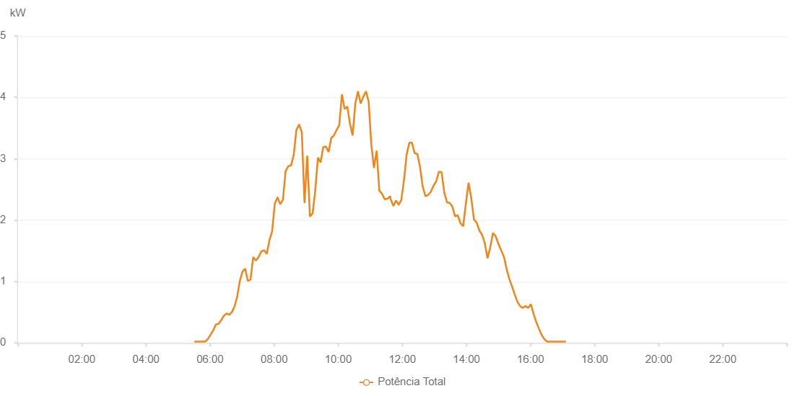

Number | Time | Working State | Alarm Code | Total Inverter Power(W)
1 | 13/08/2023 05:30:31 (UTC-4:00) | Normal |  | 20.000
2 | 13/08/2023 05:35:30 (UTC-4:00) | Normal |  | 20.000
3 | 13/08/2023 05:40:29 (UTC-4:00) | Normal |  | 20.000
4 | 13/08/2023 05:45:32 (UTC-4:00) | Normal |  | 20.000
5 | 13/08/2023 05:50:34 (UTC-4:00) | Normal |  | 20.000
6 | 13/08/2023 05:55:39 (UTC-4:00) | Normal |  | 60.000
7 | 13/08/2023 06:00:43 (UTC-4:00) | Normal |  | 130.000
8 | 13/08/2023 06:05:44 (UTC-4:00) | Normal |  | 200.000
9 | 13/08/2023 06:10:47 (UTC-4:00) | Normal |  | 300.000
10 | 13/08/2023 06:15:47 (UTC-4:00) | Normal |  | 310.000
11 | 13/08/2023 06:20:46 (UTC-4:00) | Normal |  | 370.000
12 | 13/08/2023 06:25:46 (UTC-4:00) | Normal |  | 440.000
13 | 13/08/2023 06:30:46 (UTC-4:00) | Normal |  | 480.000
14 | 13/08/2023 06:35:45 (UTC-4:00) | Normal |  | 460.000
15 | 13/08/2023 06:40:44 (UTC-4:00) | Normal |  | 500.000
16 | 13/08/2023 06:45:44 (UTC-4:00) | Normal |  | 590.000
17 | 13/08/2023 06:50:43 (UTC-4:00) | Normal |  | 750.000
18 | 13/08/2023 06:55:43 (UTC-4:00) | Normal |  | 1010.000
19 | 13/08/2023 07:00:43 (UTC-4:00) | Normal |  | 1160.000
20 | 13/08/2023 07:05:42 (UTC-4:00) | Normal |  | 1210.000
21 | 13/08/2023 07:10:41 (UTC-4:00) | Normal |  | 1010.000
22 | 13/08/2023 07:15:44 (UTC-4:00) | Normal |  | 1030.000
23 | 13/08/2023 07:20:47 (UTC-4:00) | Normal |  | 1400.000
24 | 13/08/2023 07:25:50 (UTC-4:00) | Normal |  | 1340.000
25 | 13/08/2023 07:30:53 (UTC-4:00) | Normal |  | 1400.000
26 | 13/08/2023 07:35:57 (UTC-4:00) | Normal |  | 1490.000
27 | 13/08/2023 07:41:00 (UTC-4:00) | Normal |  | 1510.000
28 | 13/08/2023 07:46:03 (UTC-4:00) | Normal |  | 1450.000
29 | 13/08/2023 07:51:06 (UTC-4:00) | Normal |  | 1670.000
30 | 13/08/2023 07:56:10 (UTC-4:00) | Normal |  | 1820.000
31 | 13/08/2023 08:01:13 (UTC-4:00) | Normal |  | 2270.000
32 | 13/08/2023 08:06:16 (UTC-4:00) | Normal |  | 2370.000
33 | 13/08/2023 08:06:27 (UTC-4:00) | Normal |  | 2370.000
34 | 13/08/2023 08:11:19 (UTC-4:00) | Normal |  | 2260.000
35 | 13/08/2023 08:16:23 (UTC-4:00) | Normal |  | 2330.000
36 | 13/08/2023 08:21:26 (UTC-4:00) | Normal |  | 2800.000
37 | 13/08/2023 08:26:29 (UTC-4:00) | Normal |  | 2880.000
38 | 13/08/2023 08:31:33 (UTC-4:00) | Normal |  | 2890.000
39 | 13/08/2023 08:36:36 (UTC-4:00) | Normal |  | 3060.000
40 | 13/08/2023 08:41:39 (UTC-4:00) | Normal |  | 3470.000
41 | 13/08/2023 08:46:43 (UTC-4:00) | Normal |  | 3560.000
42 | 13/08/2023 08:51:46 (UTC-4:00) | Normal |  | 3430.000
43 | 13/08/2023 08:56:53 (UTC-4:00) | Normal |  | 2280.000
44 | 13/08/2023 09:01:53 (UTC-4:00) | Normal |  | 3050.000
45 | 13/08/2023 09:06:56 (UTC-4:00) | Normal |  | 2060.000
46 | 13/08/2023 09:11:59 (UTC-4:00) | Normal |  | 2110.000
47 | 13/08/2023 09:16:59 (UTC-4:00) | Normal |  | 2490.000
48 | 13/08/2023 09:21:58 (UTC-4:00) | Normal |  | 3020.000
49 | 13/08/2023 09:26:57 (UTC-4:00) | Normal |  | 2940.000
50 | 13/08/2023 09:31:56 (UTC-4:00) | Normal |  | 3190.000
51 | 13/08/2023 09:36:56 (UTC-4:00) | Normal |  | 3200.000
52 | 13/08/2023 09:41:56 (UTC-4:00) | Normal |  | 3110.000
53 | 13/08/2023 09:46:55 (UTC-4:00) | Normal |  | 3340.000
54 | 13/08/2023 09:51:55 (UTC-4:00) | Normal |  | 3380.000
55 | 13/08/2023 09:56:54 (UTC-4:00) | Normal |  | 3470.000
56 | 13/08/2023 10:01:53 (UTC-4:00) | Normal |  | 3550.000
57 | 13/08/2023 10:06:53 (UTC-4:00) | Normal |  | 4050.000
58 | 13/08/2023 10:11:54 (UTC-4:00) | Normal |  | 3810.000
59 | 13/08/2023 10:16:57 (UTC-4:00) | Normal |  | 3850.000
60 | 13/08/2023 10:21:57 (UTC-4:00) | Normal |  | 3570.000
61 | 13/08/2023 10:26:56 (UTC-4:00) | Normal |  | 3380.000
62 | 13/08/2023 10:31:55 (UTC-4:00) | Normal |  | 3900.000
63 | 13/08/2023 10:36:55 (UTC-4:00) | Normal |  | 4100.000
64 | 13/08/2023 10:41:54 (UTC-4:00) | Normal |  | 3900.000
65 | 13/08/2023 10:46:56 (UTC-4:00) | Normal |  | 4010.000
66 | 13/08/2023 10:51:55 (UTC-4:00) | Normal |  | 4100.000
67 | 13/08/2023 10:56:54 (UTC-4:00) | Normal |  | 3930.000
68 | 13/08/2023 11:01:53 (UTC-4:00) | Normal |  | 3230.000
69 | 13/08/2023 11:06:52 (UTC-4:00) | Normal |  | 2850.000
70 | 13/08/2023 11:11:54 (UTC-4:00) | Normal |  | 3130.000
71 | 13/08/2023 11:16:53 (UTC-4:00) | Normal |  | 2480.000
72 | 13/08/2023 11:21:53 (UTC-4:00) | Normal |  | 2430.000
73 | 13/08/2023 11:26:57 (UTC-4:00) | Normal |  | 2340.000
74 | 13/08/2023 11:27:07 (UTC-4:00) | Normal |  | 2340.000
75 | 13/08/2023 11:32:00 (UTC-4:00) | Normal |  | 2350.000
76 | 13/08/2023 11:37:15 (UTC-4:00) | Normal |  | 2390.000
77 | 13/08/2023 11:37:46 (UTC-4:00) | Normal |  | 2350.000
78 | 13/08/2023 11:43:07 (UTC-4:00) | Normal |  | 2230.000
79 | 13/08/2023 11:48:05 (UTC-4:00) | Normal |  | 2320.000
80 | 13/08/2023 11:53:16 (UTC-4:00) | Normal |  | 2250.000
81 | 13/08/2023 11:53:17 (UTC-4:00) | Normal |  | 2250.000
82 | 13/08/2023 11:58:03 (UTC-4:00) | Normal |  | 2330.000
83 | 13/08/2023 12:03:02 (UTC-4:00) | Normal |  | 2650.000
84 | 13/08/2023 12:08:01 (UTC-4:00) | Normal |  | 3070.000
85 | 13/08/2023 12:13:00 (UTC-4:00) | Normal |  | 3260.000
86 | 13/08/2023 12:17:59 (UTC-4:00) | Normal |  | 3260.000
87 | 13/08/2023 12:22:58 (UTC-4:00) | Normal |  | 3090.000
88 | 13/08/2023 12:27:58 (UTC-4:00) | Normal |  | 3080.000
89 | 13/08/2023 12:33:00 (UTC-4:00) | Normal |  | 2870.000
90 | 13/08/2023 12:38:04 (UTC-4:00) | Normal |  | 2550.000
91 | 13/08/2023 12:43:07 (UTC-4:00) | Normal |  | 2390.000
92 | 13/08/2023 12:48:10 (UTC-4:00) | Normal |  | 2410.000
93 | 13/08/2023 12:53:13 (UTC-4:00) | Normal |  | 2460.000
94 | 13/08/2023 12:58:17 (UTC-4:00) | Normal |  | 2560.000
95 | 13/08/2023 13:03:23 (UTC-4:00) | Normal |  | 2630.000
96 | 13/08/2023 13:08:23 (UTC-4:00) | Normal |  | 2790.000
97 | 13/08/2023 13:13:27 (UTC-4:00) | Normal |  | 2780.000
98 | 13/08/2023 13:18:29 (UTC-4:00) | Normal |  | 2450.000
99 | 13/08/2023 13:23:33 (UTC-4:00) | Normal |  | 2290.000
100 | 13/08/2023 13:28:35 (UTC-4:00) | Normal |  | 2280.000
101 | 13/08/2023 13:28:46 (UTC-4:00) | Normal |  | 2280.000
102 | 13/08/2023 13:33:37 (UTC-4:00) | Normal |  | 2220.000
103 | 13/08/2023 13:38:40 (UTC-4:00) | Normal |  | 2060.000
104 | 13/08/2023 13:43:43 (UTC-4:00) | Normal |  | 2080.000
105 | 13/08/2023 13:48:46 (UTC-4:00) | Normal |  | 1950.000
106 | 13/08/2023 13:53:50 (UTC-4:00) | Normal |  | 1900.000
107 | 13/08/2023 13:58:53 (UTC-4:00) | Normal |  | 2270.000
108 | 13/08/2023 14:03:56 (UTC-4:00) | Normal |  | 2610.000
109 | 13/08/2023 14:08:59 (UTC-4:00) | Normal |  | 2360.000
110 | 13/08/2023 14:14:02 (UTC-4:00) | Normal |  | 2010.000
111 | 13/08/2023 14:19:07 (UTC-4:00) | Normal |  | 1960.000
112 | 13/08/2023 14:24:11 (UTC-4:00) | Normal |  | 1830.000
113 | 13/08/2023 14:29:14 (UTC-4:00) | Normal |  | 1760.000
114 | 13/08/2023 14:34:17 (UTC-4:00) | Normal |  | 1630.000
115 | 13/08/2023 14:39:21 (UTC-4:00) | Normal |  | 1380.000
116 | 13/08/2023 14:44:24 (UTC-4:00) | Normal |  | 1550.000
117 | 13/08/2023 14:49:29 (UTC-4:00) | Normal |  | 1790.000
118 | 13/08/2023 14:54:30 (UTC-4:00) | Normal |  | 1740.000
119 | 13/08/2023 14:55:02 (UTC-4:00) | Normal |  | 1730.000
120 | 13/08/2023 15:00:20 (UTC-4:00) | Normal |  | 1600.000
121 | 13/08/2023 15:05:19 (UTC-4:00) | Normal |  | 1500.000
122 | 13/08/2023 15:10:19 (UTC-4:00) | Normal |  | 1400.000
123 | 13/08/2023 15:15:18 (UTC-4:00) | Normal |  | 1200.000
124 | 13/08/2023 15:20:17 (UTC-4:00) | Normal |  | 1040.000
125 | 13/08/2023 15:25:18 (UTC-4:00) | Normal |  | 920.000
126 | 13/08/2023 15:30:17 (UTC-4:00) | Normal |  | 790.000
127 | 13/08/2023 15:35:20 (UTC-4:00) | Normal |  | 670.000
128 | 13/08/2023 15:40:23 (UTC-4:00) | Normal |  | 600.000
129 | 13/08/2023 15:45:26 (UTC-4:00) | Normal |  | 570.000
130 | 13/08/2023 15:50:29 (UTC-4:00) | Normal |  | 600.000
131 | 13/08/2023 15:55:32 (UTC-4:00) | Normal |  | 570.000
132 | 13/08/2023 16:00:35 (UTC-4:00) | Normal |  | 630.000
133 | 13/08/2023 16:05:38 (UTC-4:00) | Normal |  | 470.000
134 | 13/08/2023 16:10:41 (UTC-4:00) | Normal |  | 340.000
135 | 13/08/2023 16:15:45 (UTC-4:00) | Normal |  | 230.000
136 | 13/08/2023 16:20:48 (UTC-4:00) | Normal |  | 130.000
137 | 13/08/2023 16:25:52 (UTC-4:00) | Normal |  | 60.000
138 | 13/08/2023 16:30:56 (UTC-4:00) | Normal |  | 20.000
139 | 13/08/2023 16:35:57 (UTC-4:00) | Normal |  | 20.000
140 | 13/08/2023 16:41:01 (UTC-4:00) | Normal |  | 20.000
141 | 13/08/2023 16:46:04 (UTC-4:00) | Normal |  | 20.000
142 | 13/08/2023 16:51:08 (UTC-4:00) | Normal |  | 20.000
143 | 13/08/2023 16:56:11 (UTC-4:00) | Normal |  | 20.000
144 | 13/08/2023 17:01:13 (UTC-4:00) | Normal |  | 20.000
145 | 13/08/2023 17:06:17 (UTC-4:00) | Normal |  | 20.000

