Win Stats For 10 Years
Index | 2020-2021 | 2021-2022 | 2022-2023 | 2023-2024 | Total Wins | Total Draws | Total Loses | Average pts
1 | W | L | W | W | 9 | 0 | 1 | 2.7
2 | W | W | W | W | 9 | 1 | 0 | 2.8
Average points by tours EPL for last 10 years
3 | L | W | D | W | 6 | 3 | 1 | 2.1
4 | D | W | W | W | 7 | 3 | 0 | 2.4
5 | W | D | W | W | 7 | 2 | 1 | 2.3
6 | D | W | D | W | 6 | 3 | 1 | 2.1
7 | W | D | W | L | 7 | 1 | 2 | 2.2
8 | D | W | W | L | 7 | 2 | 1 | 2.3
9 | L | W | W | W | 6 | 3 | 1 | 2.1
10 | W | L | W | W | 9 | 0 | 1 | 2.7
11 | W | W | L | W | 9 | 0 | 1 | 2.7
13 | D | W | W | D | 7 | 3 | 0 | 2.4
12 | D | W | W | D | 8 | 2 | 0 | 2.6
14 | W | W | W | D | 8 | 2 | 0 | 2.6
15 | W | W | W | L | 8 | 0 | 2 | 2.4
16 | W | W | L | W | 8 | 0 | 2 | 2.4
17 | W | W | W | D | 9 | 1 | 0 | 2.8
18 | W | W | D | W | 7 | 1 | 2 | 2.2
19 | W | W | W | W | 7 | 2 | 1 | 2.3
20 | W | W | L | W | 6 | 1 | 3 | 1.9
21 | W | W | W | W | 9 | 1 | 0 | 2.8
22 | W | W | L | W | 8 | 1 | 1 | 2.5
23 | W | D | W | W | 6 | 3 | 1 | 2.1
24 | W | W | D | W | 8 | 1 | 1 | 2.5
25 | W | W | W | D | 8 | 2 | 0 | 2.6
26 | W | L | W | W | 6 | 2 | 2 | 2.0
27 | L | W | W | W | 9 | 0 | 1 | 2.7
29 | W | D | W | W | 9 | 1 | 0 | 2.8
28 | W | W | W | D | 6 | 3 | 1 | 2.1
30 | W | W | W | D | 7 | 2 | 1 | 2.3
31 | L | W | W | W | 9 | 0 | 1 | 2.7
33 | W | W | W | W | 7 | 1 | 2 | 2.2
32 | W | D | D | W | 7 | 2 | 1 | 2.3
34 | W | W | W | W | 9 | 1 | 0 | 2.8
35 | L | W | W | W | 8 | 1 | 1 | 2.5
36 | W | W | W | W | 7 | 2 | 1 | 2.3
37 | L | D | W | W | 6 | 2 | 2 | 2.0
38 | W | W | L | W | 8 | 1 | 1 | 2.5

DashBoard
 |  |  |  |  |  | Team Annual Wage |  | Deviation, % | Average Age |  |  | Offsides |  |  | Yellow Cards |  |  |  | Red Cards
 |  |  |  |  |  |  |  |  |  |  |  |  |  |  |  |  |  |  |  |  |  | u
 | Heat map of touches by zones on the pitch by teams |  |  |  |  | $211,204,180.00 |  | -130% | 25 |  |  | 87 |  |  | 64 |  |  |  | 2
Results Ratio
 | Total
Win | 28
Draw | 5
Lost | 5
 | Team's fouls for all season | Fouls against chosen team for all season
Total | 391 | 394
Final score
73.68%
 | 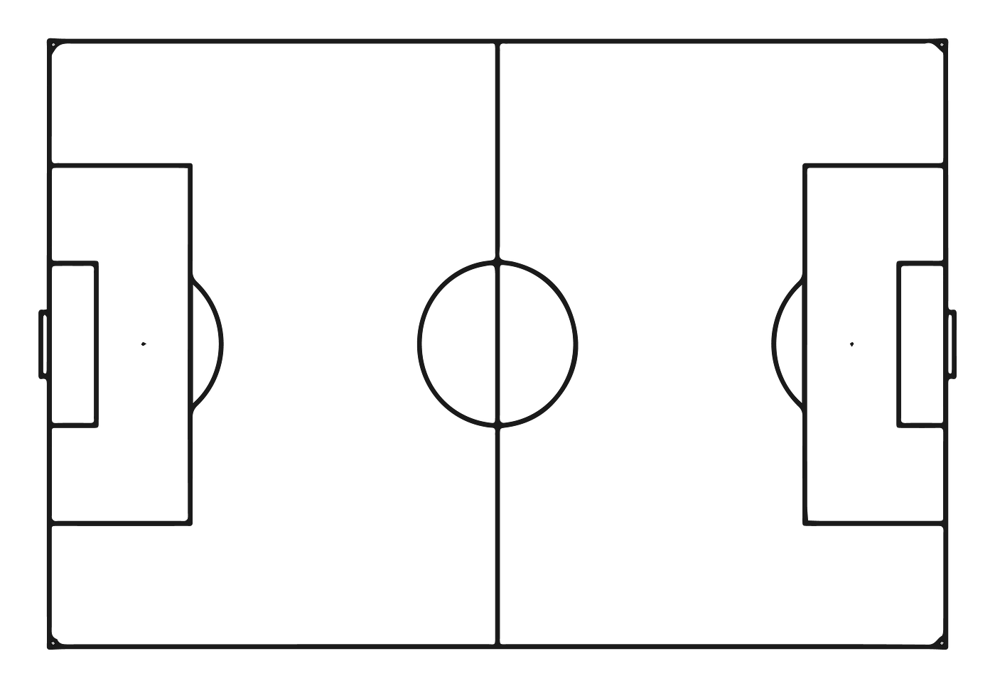 1974 | 6714 | 11407 | 8560 | 1480 |  |  |  |  |  |  |  |  |  |  |  |  0 | - |  | 1

 | Goals scored | Goals missed
Total | 91 | 29
Shots on target from all shots, %
 | 209
 | 438
 |  |  |  |  |  |  |  |  |  |  |  |  |  |  | FACTS
 | Average xG | Average opponent XG
2 | 0.75 | 0.55

 |  |  |  |  |  |  |  |  |  |  |  |  |  |  | In average this team needs to do |  |  |  | 2.78 | shots on target for score

32.30%
 |  | 100
 |  |  |  |  |  |  |  |  |  |  |  |  |  |  | In average this team needs to do |  |  |  | 8.33 | just shots for score

 |  |  |  |  |  |  |  |  | Long distance passes, % |  |  | Medium distance passes, % |  |  | Short distance passes, % |  |  |  | Total passes, %
Ball possession, % |  | 61.5 |  |  |  | Points PM | 2.34 |  | 0% | 54.5 | 100% | 50% | 89.1 | 100% | 50% | 91.3 |  | 100% | 50% | 84.6 | 100%

