Methodology
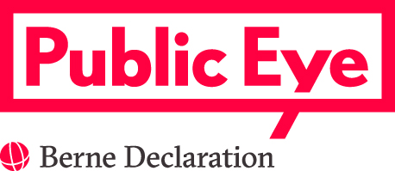 Swiss commodity trading sector March, 27. 2017 Methodology The list of companies was compiled from Public Eye’s ongoing monitoring of Switzerland’s commodity sector, market data and customised research in the corporate registry. The further classification of those companies was done according to a common-sense approach by focusing on those firms that identify themselves as commodity firms. This means that we looked for all companies that describe commodity extraction or trading as one of their activities in their commercial goal, as set out in the corporate registry. This information was then systematically crosschecked through open-source intelligence and market data (when available). As for the types of commodity firms considered to be "Swiss", this database takes the same "common-sense approach" and considers Swiss those firms with some activities in Switzerland (e.g. commodity firms with presence in Switzerland, including entities that serve as international or regional headquarters or branch offices or are otherwise conducting activities from Switzerland). The same approach was taken in a government sponsored study by the Institute for Human Rights and Business (IHRB), which maps the commodity sector as a first step to developing guidance for the implementation of the UN Guiding Principles in the Swiss commodity trading sector. The database is probably not exhaustive but it provides the best available compilation of companies active in the Swiss commodity sector, and as far as we know the best attempt to list all companies active in Switzerland’s commodity sector – since there is no specific regulation applying to this sector, there is no official definition of companies that are part of the commodity sector, nor any official database that would compile them. It should also be noted that the sector is very opaque. Under Swiss law only listed companies are obliged to publish annual reports. Almost no Swiss commodity companies are listed. This

Indicators
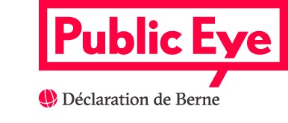
Indicators

Location of companies
Region | Number of companies | Percentages
Geneva/Vaud | 266 | 48.9
Central CH (BS, ZH, ZG) | 165 | 30.3
Other | 63 | 11.6
Ticino | 50 | 9.2
Total | 544 | 100

Area of activities (Group level)
Type of activity | Number of companies
Trading | 544
Upstream (extraction, exploration, production, mining) | 82
Midstream (processing and refining) | 25
Downstream (storage, distribution) | 24

Commodity family (Group level)
Type of sector | Number of companies
Energy | 242
Metals and Minerals | 205
Soft commodities | 131

Employment of trading companies (pure extractive not included)
Size | Number of companies | Total number of employees
0-10 | 301 | na
11-50 | 67 | na
51-100 | 15 | na
101-249 | 11 | na
250+ | 6 | na
No current employment | 124 | -
Total | 524 | 7594
Source: Federal Statistical Office (FSO)

Website
 | Number of companies | Percentages
Yes | 302 | 55.5
No | 242 | 44.5

