Yearly wash cycles HHsize
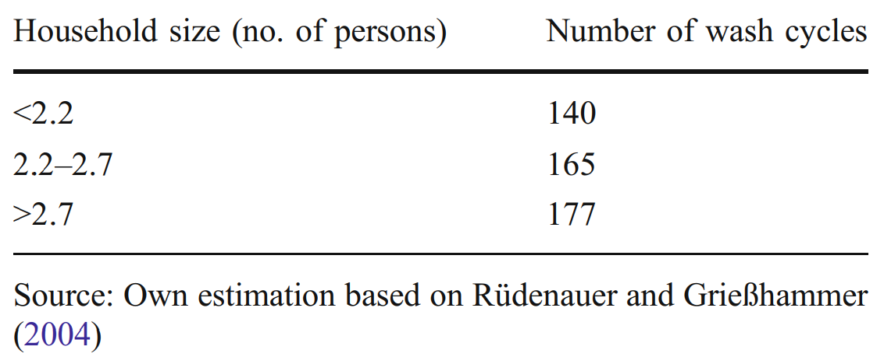
From Pakula et al. 2010.

