Sheet1
Authors | Year |  | Cloud Type | Values |  | cloud droplet size range for shape parameter calculation | Rel disp. Increase or decrease with increasing aerosol concentration? | Comments

Hsieh et al. | 2009 | CRYSTAL-FACE | low cumuliform | 4.5-8.7 | 25th-75th percentile |  |  | analytical expressions for shape parameter and characteristic diameter
 |  | C-STRIPE | marine stratocumulus | 2.4-4.5 |  |  |  | autoconversion parameterizations in good agreement with KCE solutions
 |  |  |  |  |  |  |  | explore sensitivity to cutoff diameter between cloud and drizzle/rain

Costa et al. | 2000 | Brazil | maritime shallow cumulus | 13.5+/-19.3 | mean and std | 2-47 um diameter FSSP | increase | discusses variability of shape parameter within single clouds
 |  | Ceara experiment | coastal shallow cumulus | 10.7+/-13.5 |  |  |  | quality of fit criteria-RMS diff is <= 2% of the total number concentration
 |  |  | continental shallow cumulus | 12.5+/-10.6 |  |  |  | suggested that shape changes correspond more closesly to LWC than number concentrations
 |  |  | urban shallow cumulus | 9.8+/-10.2 |  |  |  | mixing, condensation, coll-coal important for shape variability
 |  |  |  |  |  |  |  | Weibull distribution fits better than gamma or lognormal (also Liu et al. 1995)- fact that it can be skewed to left or right helps

Goncalves et al. | 2008 | Brazil | polluted | 6.1+/-0.7 | mean | FSSP | decrease | RAMS simulations: more precip for higher nu
 |  | Dry-to-Wet campaign | intermediary | 3.8+/-1.2
 |  |  | clean | 1.9+/-1.3

Pandithurai | 2012 | CAIPEEX-I | continental cumuli | 4.3-16 | range on fig |  | increase | table of values
 |  | India |  |  | 7c, shown at right |  |  | dispersion effect on 1st AIE in continental cumulus

Prabha | 2012 | CAIPEEX | up to 6km above cloud base | 4.9-11.1 |  |  |  | extensive discussion of dispersion relationship to number concentration, small droplet concentration, adiabatic fraction, size of largest drops, height
 |  |  | monsoon |  |  |  |  | SEEMS LIKE A REALLY THOROUGH PAPER

McFarquhar and Heymsfield | 2001 | INDOEX |  |  |  |  | increase | has a shape parameter, but it is tricky to relate it to the gamma shape parameter
 |  |  |  |  |  |  |  | k decreases with increasing aerosol concentration when no drizzle present

Lu et al | 2007 | MASE | stratocu | 8.2-44.4 | range in Fig.7 |  | decrease | dispersion decreases with increasing CDNC
 |  |  |  |  |  |  |  | decreases slightly with height
 |  |  |  |  |  |  |  | dispersion increases with increseasing aerosol conc., not true when dispersion calculated including drizzle
 |  |  |  |  |  |  |  | lots of good refs

Hudson et al. | 2012 | RICO | cumulus |  |  |  |  | use with caution - see the comment written by Liu et al.
 |  |  |  |  |  |  |  | find that sigma-Nccn relationship flips when w is high enough

Lu et al | 2008 | GoMACCS | cumulus | 6.25-16 | range in table 2 | 2-42 um diameter, FSSP | none | k approx. constant with height
 |  |  |  |  |  |  |  | no relationship between dispersion and Nccn

Hsieh et al | 2009 | CRYSTAL-FACE | low cumuliform |  |  |  | decrease | dispersion decreases with CDNC
 |  | C-STRIPE | marine stratocumulus |  |  |  |  | widening by entrainment largely balanced with narrowing from condensation
 |  |  |  |  |  |  |  | propose calculating dispersion at Smax and then assuming constant at all levels above
 |  |  |  |  |  |  |  | simple model predicts spectral dispersion values factor of 2 lower than obs.

Rotstayn and Liu | 2003 |  | modeling study - no new reports of relative dispersion |  |  |  |  | propose parameterization: rel. disp = 1-0.7exp(-aN) where a=0.0001-0.008
 |  |  |  |  |  |  |  | run GCM with parameterization and find 1st AIE sensitivity to 'a' value

Liu et al | 2008 |  | general theoretical discussion of relative dispersion's effect on aerosol-cloud radiative relationships
 |  |  | cloud albedo and cloud radiative forcing increases as relative dispersion increases

Iorga and Stefan | 2007 |  | modeling study - including effects of relative dispersion reduces cloud albedo affect. In line with Liu et al 2008 above

Wang et al | 2011 | RAMS bin model | BOMEX shallow cumulus | 4.3-20.7 | range in fig 1 |  | decrease | dispersion decreases with increasing aerosol concentration
 |  |  |  | 2.4 | min value in fig 4 in high AF bin |  |  | dispersion increases more rapidly with height in polluted simulation
 |  |  |  |  |  |  |  | collision-coalescence increases relative dispersion
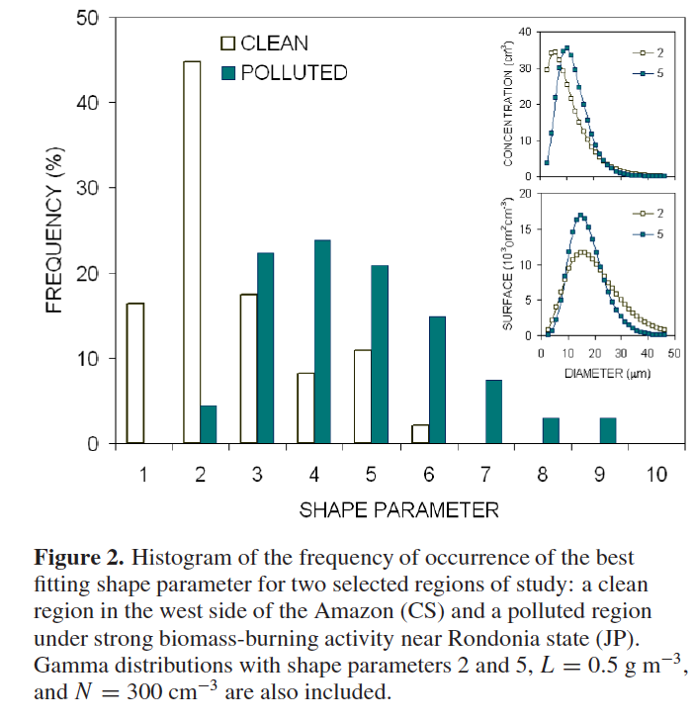
 |  |  |  |  |  |  |  | relative dispersion higher in regions with less entrainment

Martins and Silva Dias | 2009 | LBA | weakly organized to vigorous convection | 1 to 9 | actual fits to gamma distribution | 2-47 um diameter, FSSP
 |  | Brazil | clean | 2.7+/-2.2
 |  |  | polluted | 4.9+/-1.9

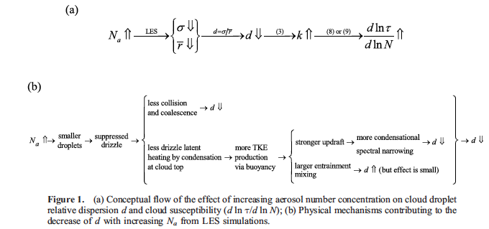
Lu and Seinfeld | 2006 | simulations for FIRE and ASTEX | stratocumulus |  |  |  | decreases | dispersion decreases with increasing aerosol conc. - but nearly constant in adiabatic region, and disappear when cc processes turned off
 |  |  |  |  |  |  | none with no cc | dispersion decreaes with height
 |  |  |  |  |  |  |  | dispersion higher in downdrafts, lower in updrafts

Hudson and Yum | 1997 | FIRE | stratocumulus | 7.3-12.3 | mean values in table 1 |  | decreases | shape parameter higher in clean cases
 |  | ASTEX | stratocu, possibly more rain | 8.5-9.3 |  |  |  | some discussion about adiabaticity and drizzle included as well

Lu et al 2008
429 | 0.33 | 9.1827364555
437 | 0.28 | 12.755102041
526 | 0.31 | 10.405827263 | 10.758972059 | 9.8681505441
556 | 0.3 | 11.111111111
595 | 0.4 | 6.25
595 | 0.29 | 11.890606421
614 | 0.27 | 13.717421125 | 13.568986383 | 13.223140496
714 | 0.32 | 9.765625
903 | 0.25 | 16
1003 | 0.26 | 14.792899408 | 10.833095392 | 10.749798441
1447 | 0.32 | 9.765625
1506 | 0.28 | 12.755102041
1582 | 0.31 | 10.405827263
1639 | 0.31 | 10.405827263

Pandithurai et al. 2012
334 | 0.33 | 9.1827364555
450 | 0.31 | 10.405827263
648 | 0.29 | 11.890606421
674 | 0.33 | 9.1827364555 | 10.165476649 | 10.078105316
955 | 0.39 | 6.5746219592
962 | 0.38 | 6.9252077562
969 | 0.36 | 7.7160493827
1010 | 0.35 | 8.1632653061
1274 | 0.36 | 7.7160493827
1275 | 0.36 | 7.7160493827
1449 | 0.37 | 7.3046018992 | 7.4451207241 | 7.3046018992
1702 | 0.39 | 6.5746219592
2043 | 0.37 | 7.3046018992
2580 | 0.44 | 5.1652892562 | 6.3481710382 | 6.25

