Instructions
Introduction

By now, you should be more familiar with the core functions of SUM, AVERAGE, COUNT, MAX, and MIN in Microsoft Excel. You have explored how to use these functions in formulas in a variety of ways.

In this exercise, you will put this knowledge into practice by creating function calculations to generate results in a monthly sales report. To complete this sales report, you will need to create formulas using the five core functions.

Case study

You are helping a colleague, Lucas, to create an Excel worksheet that tracks the sales results for one of Adventure Works' most popular products, the A2Mountain Bike Frame. Lucas must present the results during Adventure Works’ monthly sales review meeting. You need to add formulas to the worksheet to complete this report for Lucas.

Step 1: Download the file.

Download and open the Microsoft Excel workbook Monthly sales report.xlsx. The workbook contains only one worksheet called A2Mountain Bike Frames.

The sheet outlines the sales data for A2Mountain bike frames during the month of April. This data includes the number of units sold, the price of each unit, and the total US dollar amount accrued in sales each day.

You need to calculate further sales data by creating formulas in the cell range C35 to C40. The cell range C35:C40 is set to the general number format. You can check this in the Number section of the Home ribbon.
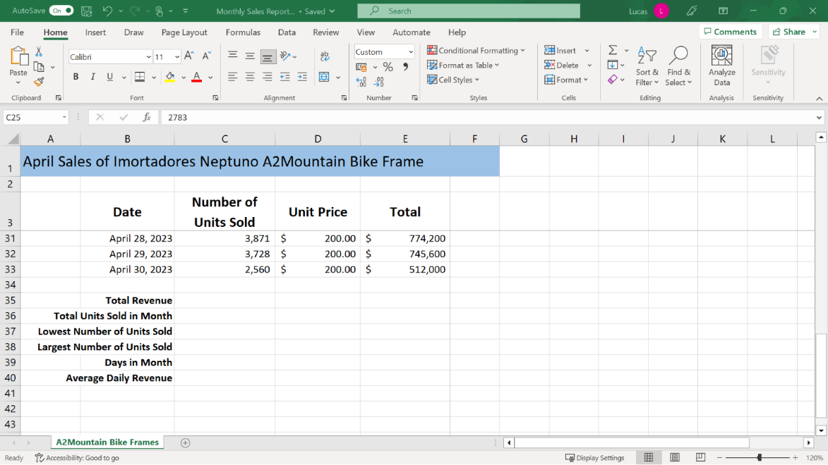

Step 2: Create the Calculations.

1. Create a formula in cell C35 that calculates the total revenue for April.

Tip: If you use the Insert Function wizard or the AutoSum list to create this formula, remember that you do not have to accept the range that Excel suggests. Instead, you can simply manually select the correct cell range.

1. Create a formula in cell C36 that calculates how many A2Mountain Bike Frames were sold in April.

Tip: If you use the AutoSum shortcut to add this formula, Excel may not suggest the correct cell range. Again, you must manually select the correct cell range for the calculation.

1. Create a formula in cell C37 that identifies the lowest number of units sold. Make a note of the date when this occurred. Type the date in cell D37.

Tip: Always check that Excel is suggesting the correct cell range.

1. Create a formula in cell C38 that identifies the largest number of units sold. Make a note of the date when this occurred. Type the date in cell D38.

2. Create a formula in cell C39 that shows how many days there were in the month.

Tip: It’s important to remember that Excel considers dates as numbers. The dates in column B are formatted to display in the worksheet as a mixture of text and numbers. However, if you click on any of the dates shown and check the Formula bar, you’ll discover that the dates are stored as numeric entries.

1. Create a formula in cell C40 that calculates the average daily sales for this product.

Tip: The results that you have just produced in cells C35 and C40 are now formatted with the Accounting format and are shown as dollar amounts. Excel has automatically applied this format to the results because this is the format applied to the values in the cell range E4 to E33.

Conclusion

In this exercise, you used SUM, COUNT, AVERAGE, MAX, and MIN functions to generate sales results. However, these functions can be used in many different business or personal worksheets.

For now, you have successfully used these five core functions to complete Adventure Works’ monthly sales performance report. You’ve created valuable information which will help Lucas during the sales review meeting.

Well Done!

