Sheet1
Scenario

Adventure Works has seen a rise in customer complaints following incorrect and delayed deliveries. The company suspects inconsistencies in its data have caused the issues.

To fix these issues, Adventure Works needs to create a data model in Power BI that accurately and consistently organizes and integrates its data. You can help the company to develop this data model as a Flat schema.

The company provides you with an Excel file called AdventureWorksDataSet. The file consolidates all required data into a table containing all relevant fields related to the company’s products and orders.

You must load this dataset into Power BI and develop it as a Flat schema. Be sure to evaluate the data quality and configure the model to ensure that Adventure Works can use it to make informed decisions.

AdventureWorksDataset
XLSX File

Instructions

Create a new Power BI project called Exercise-Configuring a Flat schema. Follow the steps below to complete the exercise.

Step 1: Download the Excel Files:

Download and open the Microsoft Excel workbook AdventureWorksDataset.xlsx. The workbook contains only one worksheet called AdventureWorksData.

Tip: You can download the workbook from this page by selecting the attached Excel file.

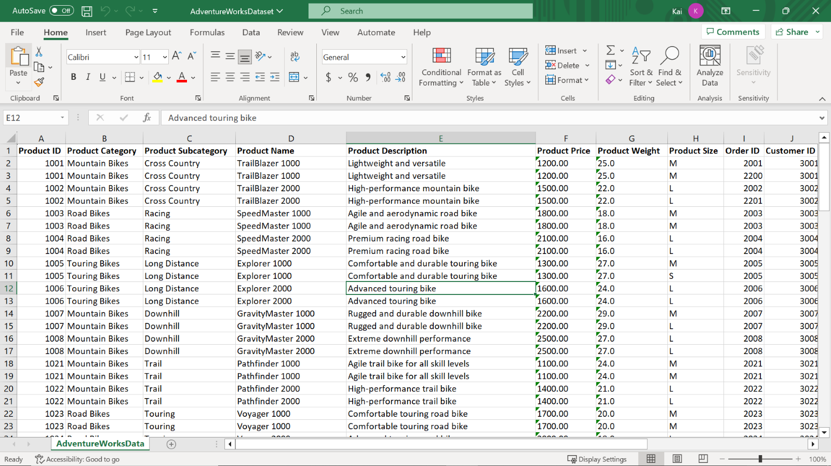

Step 2: Connect to the Excel workbook and load the data into Power BI:

1. Connect to the Excel spreadsheet in Power BI.

2. Select the table from the dataset and load it into the Power BI data model.

3. Open a preview of the table in the Preview pane.

Tip: You can import data using the Get Data drop-down menu.

Step 3: Configure the table properties:

1. Configure the table properties by renaming the table to Product and adding a brief description of the table in Power BI desktop.

Tip: You can configure table properties in the Power Query editor or the Model view of Power BI desktop.

Step 4: Configure the column properties:

1. Order ID should be a unique value for each sales order. It’s essential to eliminate all duplicate values in the column to generate accurate analytical results. Identify and remove all duplicate values in the OrderID column in the worksheet. Review the number of rows in the Query Editor to ensure all duplicate rows have been deleted.

Tip: You can remove duplicate values using the Remove Duplicates feature.

1. Format the data type of the Product Price column to currency.

Tip: You can configure column properties in the Power Query editor and the Model view of the Power BI desktop.

Step 5: Save the Power BI Project

1. Navigate to the Model view of the Power BI desktop and ensure that all required tables are present in the model.

2. Save your flat schema Power BI project to your local machine.

Tip: Select an appropriate project name and folder path for your schema.

Conclusion

It is important to note that while a Flat schema can be convenient for some scenarios, it may not be suitable for complex data relationships or larger datasets. In such cases, a normalized schema with multiple tables and defined relationships is a better option to ensure performance and flexibility.

