Sheet1
Case study

Adventure Works has recently acquired another bicycle business. Adventure Works’ CEO, Jamie Lee, has assigned a task to the sales department to ensure that the product data from the newly acquired company is validated, revised in quality factors, and ready for importing to the current company products. Your manager, Adio Quinn, has requested that you examine the data using Power Query by the factors of profile, quality, and distribution.

Adventure Works has provided you with an Excel file containing the newly acquired company’s product data called Other Company Products.xlsx. The dataset has some empty data in its ProductKey column. You also need to assess the distribution of the products by the product categories and detect potential anomalies in the Price column. To complete your task successfully, you must import the Excel file, transform the data in Power Query and assess the Column quality, Column distribution, and Column profile options in the Data Preview group.

This exercise aims to help you to understand how to identify data anomalies by profiling data.

By the end of this exercise, you’ll understand how to profile data in Power Query, and how to identify data anomalies.

Instructions

Create a new Power BI project called Exercise – Profiling a dataset. Follow the prompts below to complete the exercise.

Step 1: Download the Excel files

Download the Other Company Products.xlsx file, which you will use in this exercise. This file is available at the top of this exercise.

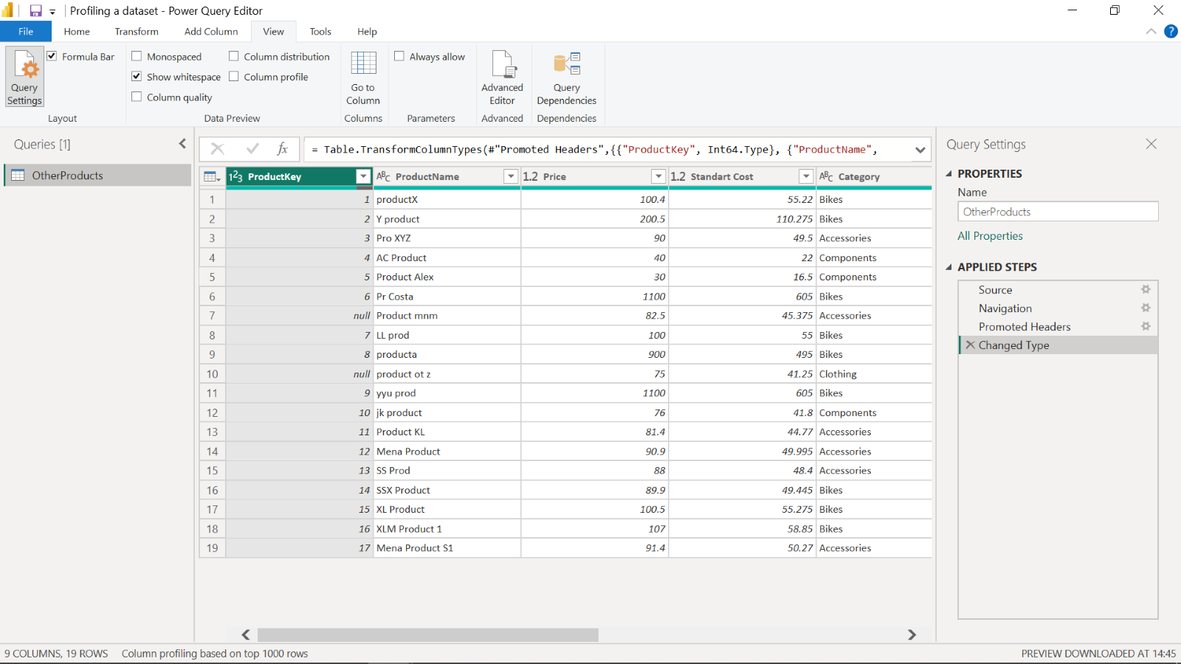

Step 2: Open the Power Query Editor

In Power BI, select Get Data and then select Transform data to open the Power Query editor and import your dataset, Other Company Products.

Step 3: Detect empty values in ProductKey column:

1. There are some empty values in the spreadsheet’s ProductKey column.

2. To detect empty and invalid values, you need to assess column quality, on the View ribbon tab, from inside the Data Preview group, check Column Quality. The column quality feature allows you to easily determine the percentage of valid, error, or empty values found in columns.

1. Note amount Valid, Error and Empty rows percentage values of the ProductKey column

Step 4: Assess the distribution of product categories:

1. There are many categories in Product list and you need to find out how the data is distributed by the category data.

2. To assess column distribution, on the View ribbon tab, from inside the Data Preview group, check Column Distribution and note the amount of distinct values and unique values. Check Column Profile while keeping Column Distribution checkbox as checked and note the number of Bikes, Accessories, Components and Clothing.

Step 5: Detect potential anomalies in the Price column

1. You have to assess Price column in the Product list and you need to find out min, max, mean values and the distribution of the values.

2. To detect potential anomalies and assess column distribution for the Price column, on the View ribbon tab, from inside the Data Preview group, check Column Profile while keeping Column Distribution checkbox as checked.

3. Note the min, max, mean values for the Price column and also note assess the column distribution.

Conclusion

Well done. You have now successfully assessed your datasets by the factors of profile, quality and distribution and detected potential anomalies using Power Query.

