Instructions
Case study

A colleague, Lucas, has asked you to update a spreadsheet called Reseller Details that records details of Adventure Work’s resellers in the United States. This information in the spreadsheet was downloaded from another system. The download process created several inconsistencies or errors within the data.

These errors include unnecessary spaces, the use of the wrong case, and entries that need to be joined together or split apart.

You now need to add formulas to the worksheet to standardize the data so that it can be used for analysis.
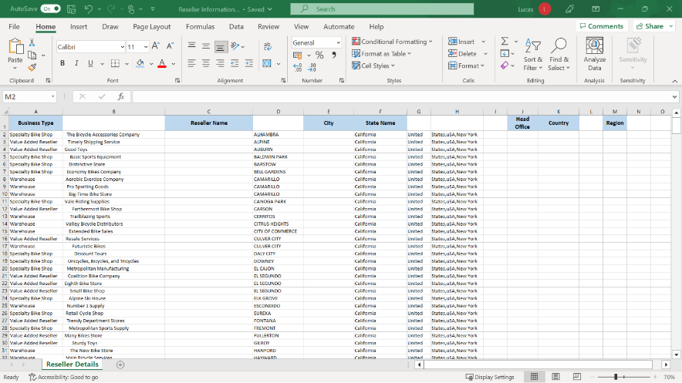

Step 1: Download the file.

Download and open the Microsoft Excel workbook Reseller Information. The workbook contains only one worksheet called Reseller Details.

Step 2: Create the Calculations.

1. The content in column B contains spaces before and after the entries. Create a TRIM function formula in C2 that uses B2 as an argument and removes unnecessary spaces.

2. Use the PROPER function to create a formula in E2 to display the city name with an initial capital letter.

3. In cell I2 create a formula that extracts the word States from the entry in H2.

Tip: The word States is to the left of the cell, so the LEFT function would be appropriate to use here.

1. In J2, create a formula to extract the words New York from the entry in H2.

Tip: The words New York are to the right of the cell, so the RIGHT function would be appropriate to use here.

1. In K2, add a formula using the CONCAT function that combines the entries in cell G2 and cell I2.

Tip: You’ll need to add a third argument that adds a space character to the result to ensure that the combined piece of text is spaced correctly.

1. In L2, create a formula to extract the three letters uSA from the middle of the entry using the MID function.

2. In M2, use a formula to display the three letters in L2 in block capitals using the UPPER function.

3. Use Autofill to copy down the formulas you created as far as row 428. Copy down from cells C2, E2, I2, J2, K2, L2 and M2.

Tip: Remember the Autofill shortcut. If you work left to right, you won’t need to click and drag to copy down. Remember, if Excel has a block of data to the left that it can use as a reference, then you can double-click to copy down.

Tip: It is best practice to regularly save your work. For example, you could save your file now before performing step 9 which would create a version of the file containing formulas in all cells that you could restore if required.

1. Select all data. Choose Copy on the Home ribbon and then Paste Values from the Copy and paste drop-down list.

Tip: The keyboard shortcut Ctrl+A or clicking on the triangle at the junction of the row numbers and column initials are quick ways to select all the data.

1. Note the columns without headings, columns B, D, G, H, I, and L. Delete these columns. They are no longer needed.

Tip: Remember that the initials will change as you delete the columns.

Conclusion

In this exercise, you used a selection of text functions to generate new, cleaner, and consistent standardized data in the spreadsheet. The information in the spreadsheet is now correct and easier for Adventure Works staff to read and use. It is now laid out so that they can use Excel features such as filtering and sorting.

This spreadsheet also provided a good example of how data can be restructured in Excel so that it is more suitable for use in data analysis.

Well Done!

