Instructions
Introduction

Manually importing and analyzing data can be tedious and time-consuming, which is why Power BI offers Triggers and Connectors to automate workflows and save you time.

Triggers are an essential functionality in Power BI that allow you to automate tasks based on specific conditions. By configuring a trigger, you can schedule an action to execute at a particular time or when a particular event occurs. Connectors play a vital role in Power BI by connecting to various data sources and executing actions or triggering workflows based on specific events, saving time and improving the accuracy of your business data.

In this exercise, you will learn how to configure a connector and set up a trigger in Power BI to create a dataset (a collection of data that has been imported, transformed, and loaded into the Power BI service) that is updated each night at the same time from a local Excel file. By the end of this exercise, you will be able to automate tasks and actions to deliver fast, accurate data to meet specific business requirements.

Case study

Your manager, Adio Quinn, a data analyst at Adventure Works, has tasked you with analyzing daily sales reports and providing insights to the management team. However, manually importing and analyzing the data can be time-consuming and tedious.

To automate the process, you want to use Power BI's triggers and actions to configure the workflow. With Power BI, you can easily schedule an action to refresh the data, freeing up time to focus on analyzing the data and providing valuable insights to the management team.

Instructions

Step 1: Prepare the resources

1. Prepare data in Excel Let’s take an Excel file as an example. Download this sample data set and save it to your computer or to OneDrive for Business.

SalesOrderDetail
XLSX File
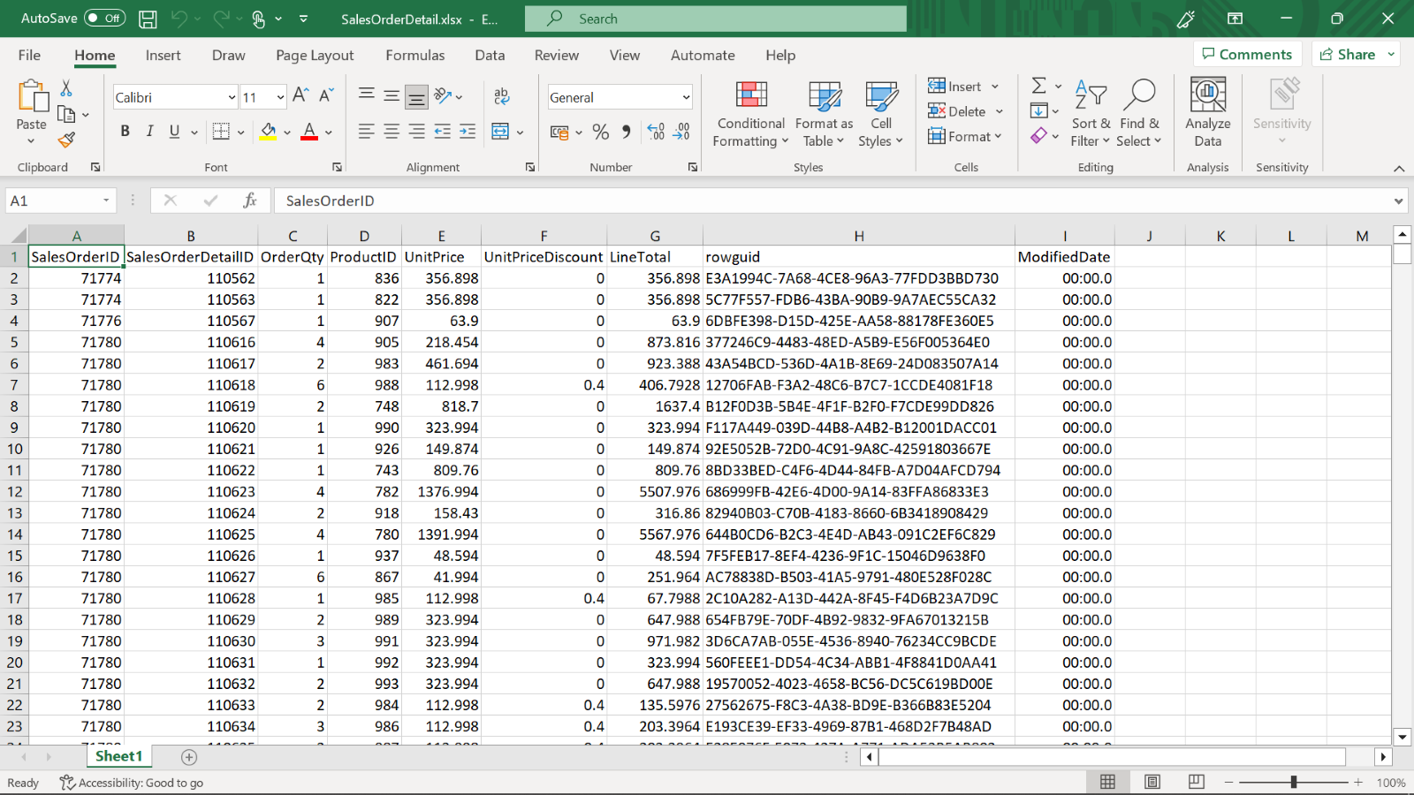

Before you can load your Excel file into Power BI, you must organize your data in a flat table. In a flat table, each column contains the same data type; for example, text, date, number, or currency. Your table should have a header row but no columns or rows that display totals. Next, format your data as a table. In Excel, on the Home tab, in the Styles group, select Format as Table.

1. Sign up for the Power BI Service Visit the Power BI website at https://powerbi.microsoft.com and sign in using your organizational or school account.

Step 2: Get the data to the Power BI service

Once you have the resources ready, you can proceed to select data. The Power BI service connects to many data sources, including Excel files. You can use the Get data option to import or connect to an Excel workbook. From the File menu, select the location of your file.

The sales department at Adventure Works uploads the file every day to the company's OneDrive, so the location you should choose is OneDrive - Business. After uploading your workbook, it will be available in the Workbooks section of the workspace's navigation pane and in the workspace's content list. This action will add a dataset, and the report can be generated and published.

These are the steps to follow:

1. Launch Power BI.

2. Get data to import or connect.

3. Specify location of file.

4. Load to create a dataset.

These steps will guide you to get data ready for an automated refresh.

Step 3: Configure a trigger

To schedule updates for your dataset in Power BI Service, you'll need to set up a trigger.

1. Start by selecting the dataset you want to configure. You can do this by navigating to the Datasets tab of the left sidebar and clicking on the dataset you want to work with.

2. Once you've selected your dataset, choose a function to schedule a refresh. You'll have the option to schedule a regular refresh, or to set up an incremental refresh.

3. After selecting your function, you'll need to configure the parameters. This will depend on the function you've chosen, but common parameters include the refresh frequency and the start time for the refresh. Finally, apply the trigger to your dataset. You can do this by selecting Apply in the trigger configuration panel.

