Sheet1
Case study

You are working as a data analyst at Adventure Works. Sales data is contained in two main tables, Order and OrderDetails.

Data Sources

The Order data table includes general information about the sales such as:

Order
OrderDate | TotalDue | TerritoryID | SalesPersonID

The OrderDetails data contains related details of each main sales record such as:

OrderDetails
ProductID | OrderQty | UnitPrice | UnitPrice Discount

Files

Adventure Works trades internationally and generates a large volume of sales data. To manage file sizes, the active Order table only includes data for the year 2023. Older data is stored in separate files for each year with the same fields and table structure.

The task

Your manager, Adio Quinn, asks you to conduct a detailed analysis of store sales. In the detail table, OrderDetails, there are multiple fields, but you only need ProductID, the quantity sold (which is in the field OrderQty), and the UnitPrice. Therefore, you are expected to remove unnecessary fields, and also eliminate empty rows, and identify any anomalies to remove those rows if necessary. After performing these tasks, you will append the two separate sales data sources together and then merge that with OrderDetails. Follow the steps below to complete the exercise.

Instructions

Step 1: Set up the project

1. Create a new Power BI project called Exercise – Transforming Multiple Data Sources.

2. Download the Order2022.xlsx, Order2023.xlsx and OrderDetails.xlsx files, which you will use in this exercise.

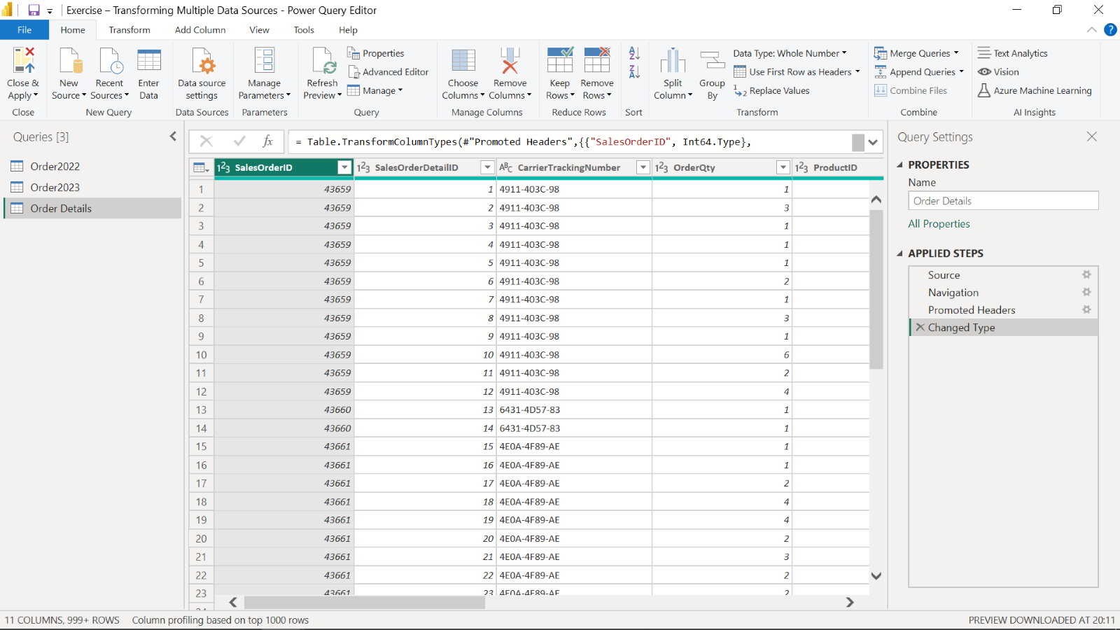

Step 2: Open the Power Query Editor

1. Use the Get Data feature in Power BI.

2. Select Transform to open the Power Query editor.

3. Import your .xlsx datasets, Order2022, Order2023 and OrderDetails.

Step 3: Choose columns from Order Details

1. Open the Order Details query by selecting it from the Queries pane.

2. Keep SalesOrderID, ProductID, OrderQty, UnitPrice columns.

3. Remove the other columns by simply right clicking and selecting the Remove option in the shortcut-menu.

Step 4: Profile data in Order Details

1. To profile data, select Order Details.

2. On the View tab, in the Data Preview group, check Column Distribution, Column Quality and Column Profile checkboxes.

3. Note the amount of distinct values and unique values in Column Distribution.

4. Also check the valid, error and empty values of all columns in Column Quality.

Step 5: Detect potential anomalies in the price

To detect potential anomalies and assess column distribution for the price, in this step you will assess the UnitPrice column in Order Details list and find out the min, max, mean values and the distribution of the values.

1. In the View tab, in the Data Preview group, check Column Profile while keeping Column Distribution checkbox as checked.

2. Note the min, max, and mean values for the UnitPrice column and also assess the Column Distribution.

3. You should find that three rows are outliers in the UnitPrice column.

4. Consider these three rows as data anomalies (they are most probably mistypes when data was entered) . Remove them by filtering and unchecking these values to avoid confusion and incorrect calculations.

Step 6: Append queries

1. Append Order2022 and Order2023 queries in a new master table.

2. Check the newly created query, its column names, row number, and the values appended.

3. Make sure that the operation has been completed successfully.

4. Rename it as Orders.

Step 7: Merge queries

1. Select the Order Details data in the Queries pane and choose Merge Queries.

2. In the opened window, the Order Details table will be automatically shown in the upper part.

3. You will be choosing Order as the next table for merging. SalesOrderID is the common column between the tables. To begin establishing a connection select the SalesOrderID column in each table.

4. For the Join Kind dropdown, choose the join type Inner Join, which selects the matching records from the left table and the right table.

5. Choose Expand near the newly added Orders table column and choose only the OrderDate column from Orders table in the opened window.

6. Rename the Orders.OrderDate column to OrderDate by simply double-clicking on it.

Conclusion

You have now successfully completed an end-to-end scenario by cleaning and transforming multiple data sources, joining and merging them, and identifying potential anomalies in the data using Power Query.

