Sheet1
Instructions

Create a new Power BI project called Exercise – Merging two tables. Follow the prompts below to complete the exercise.

Step 1: Download the Excel files

Download the Sales.xlsx and Product.xlsx files, which will be used in this exercise.

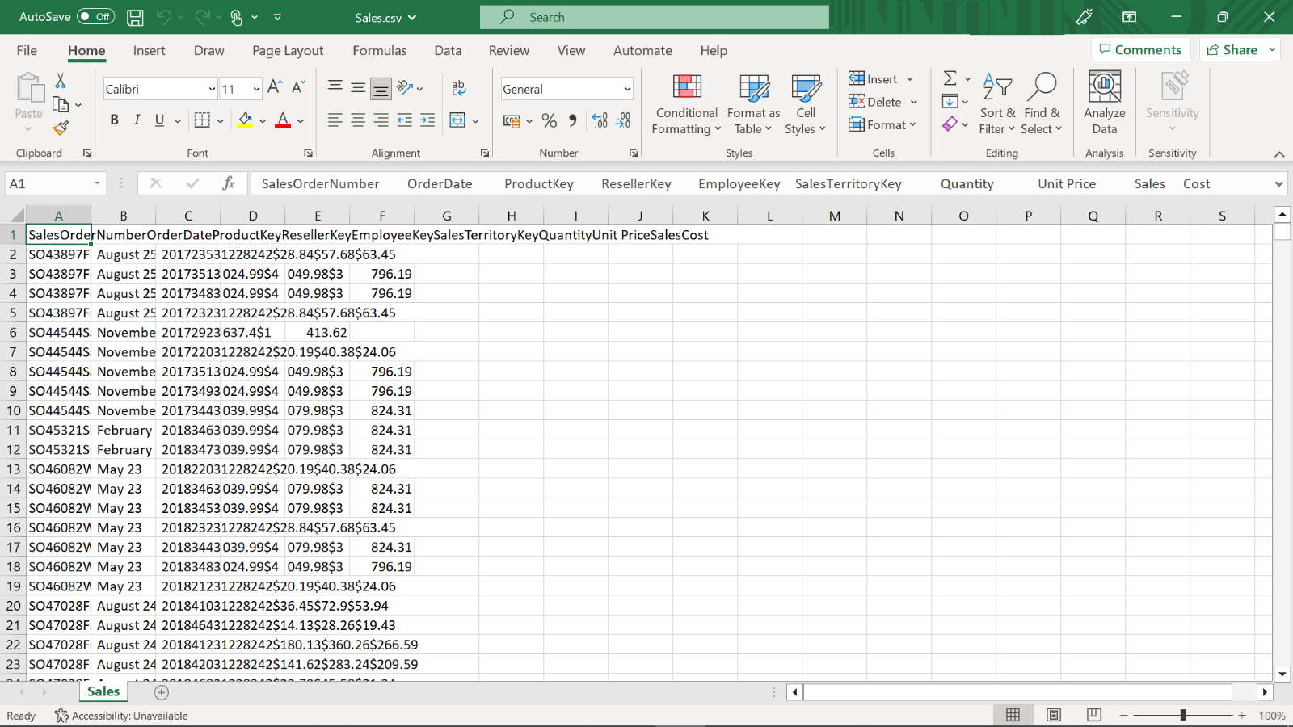

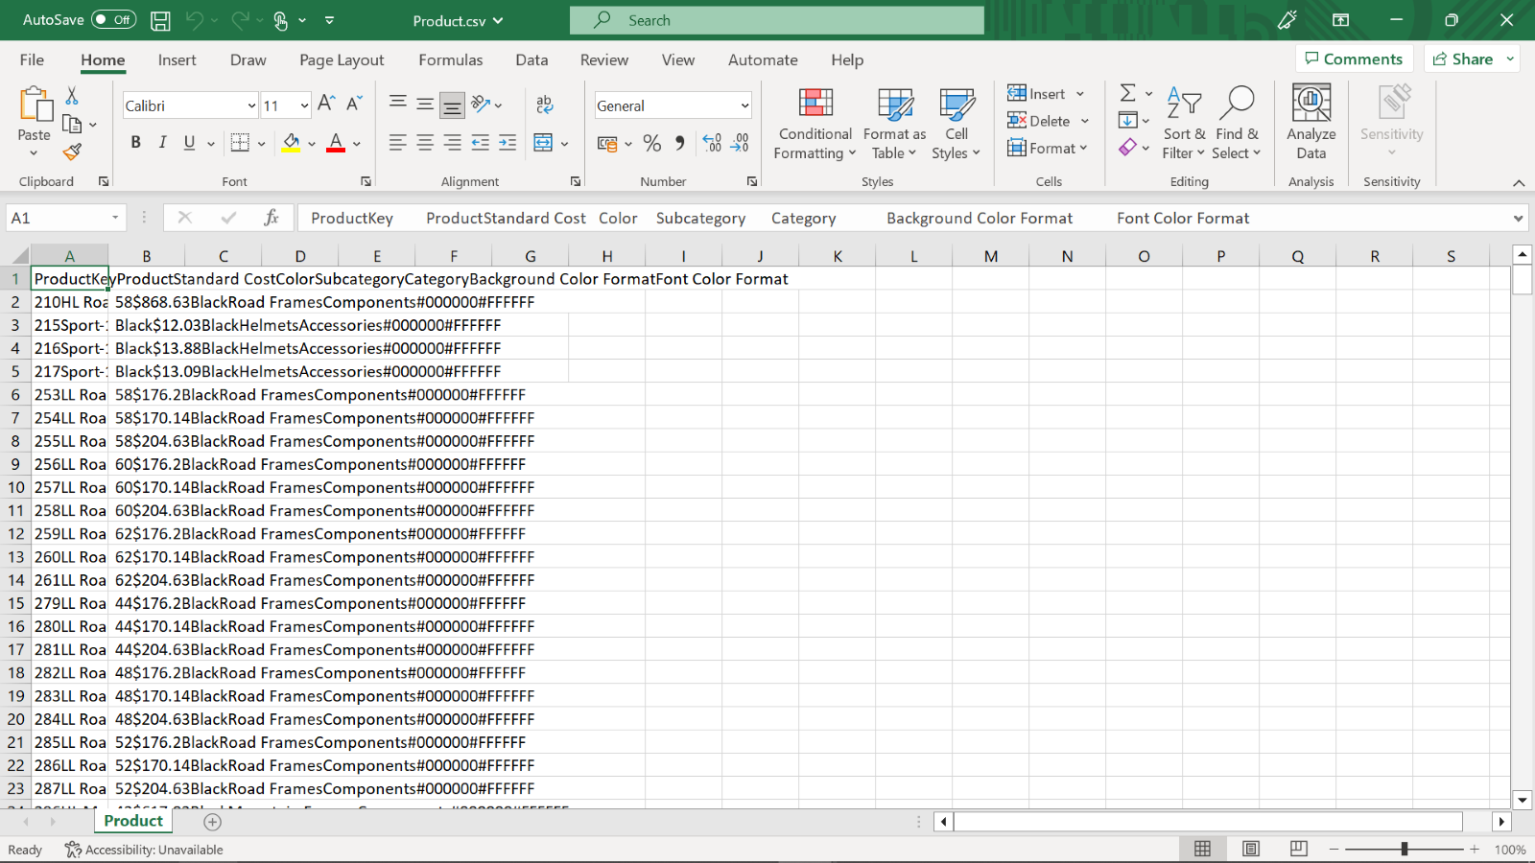

Step 2: Create a Power BI project

1. Create a Power BI project and open the Power Query editor.

2. Create a new Power BI project called Exercise – Merging two tables.

Step 3: Open the Power Query Editor

Open the Power Query editor and import your datasets, Sales and Product.

Step 4: Merge queries

1. After selecting the Sales data in the Queries pane, select Merge Queries.

2. In the opened window, the Sales table will be shown automatically in the upper section of the window.

3. Choose the next table for merging, which is Product.

4. ProductKey is the common column between the tables, so click on the ProductKey columns in each table.

5. For the Join Kind dropdown, choose the join type Left Outer Join, which selects all records from the left table and matching records from the right table.

Step 5: Select column(s) from Product

1. After you merged the tables, a new column, named Product is added to the right side of the Sales data. This allows you to choose columns from the Product table.

2. Select the column named Product from the Product table.

Step 6: Choose and reorder columns from Sales

1. After you add the new column, Product, it is added to the Sales query as Product.Product. You must rename this column as Product to avoid confusion.

2. Move the Product field from right to left.

3. Remove the unwanted columns, Product Key (name of product is added by merge, so you will not need the key value of product), Reseller Key, Employee Key and Sales Territory Key columns.

4. Reorder the final list as indicated in your task to Sales Order Number, Order Date, Product, Quantity and UnitPrice.

Conclusion

You have successfully merged your datasets using Power Query by following these steps. The datasets are now joined and ready for further analysis in Power BI Desktop. As mentioned earlier, you can explore the relationships between two tables and match their related data by doing this operation.

