Policy
Exercise: Create the policy for the zone diagram given in class

 | 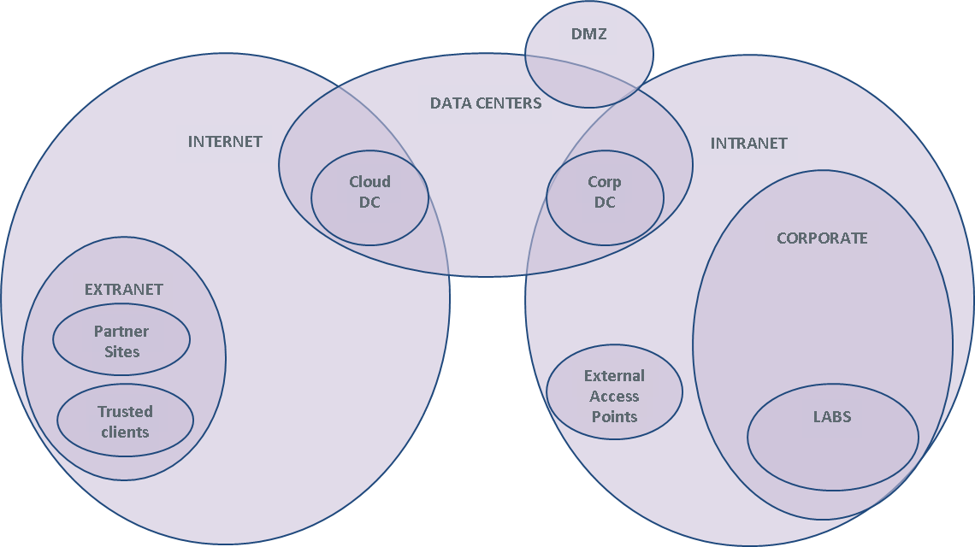

 | Specify firewall rules in the table below. Use parens, &, | as needed
 | Source, Destination: Zone names (in a real firewall, these are defined elsewhere in terms of IP addresses and interface names)
 | - Extra credit: invent user groups as sources
 | Service: protocol name, TCP/port, UDP/port
 | Action: Permit, Deny
 | Comment: explain why you think this rule makes sense.

# | Source | Destination | Service | Action | Alert | Comment
1 | Intranet | Internet | (HTTP & TCP/80) | (HTTPS & TCP/443) | Permit | No | Everyone on the Intranet is allowed to browse the Internet | Example
2 | Intranet | ??? | DNS & UDP/53 |  | No | How do you think DNS should work from the Intranet out? | Example
3 | Intranet | Internet | SMB | Deny | Yes | Do not allow file browsing over the internet, alert so we can catch the sucker. | Example
4 |  |  |  |  |  | Connect the data centers (Corp DC, Cloud DC)
5 |  |  |  |  |  | Connect the data centers (Corp DC, Cloud DC)
6 |  |  | SMB |  |  | Enable corporate workstations to share files with the DCs
7 |  |  |  |  |  | Enable traffic into the DMZ web server
8 |  |  | SMTP |  |  | Enable the DMZ mail server
9 |  |  | SMTP |  |  | Enable the DMZ mail server
10 | Partner 1 on Internet |  | HTTPS
11 | Trusted client on Internet |  | HTTPS
12 |  |  |  |  |  | Protect lab servers from Internet traffic
13 |  |  | SSH |  |  | Enable corporate users to access the lab machines
14 |  | Extranet supplier 7 | HTTPS |  |  | Access an extranet partner
15 |  |  | SSH |  |  | Backup servers
16 |  |  | SSH |  |  | Backup servers
17 |  | Cloud DC | RemoteDesktop |  |  | Remote desktops for corporate users
18 |  |  | RemoteDesktop |  |  | Allow users to connect to their desktops from home
19 |  |  | VMWare control |  |  | Allow users to connect to their desktops from home
20 |  | Corporate Web Server |  |  |  | Internet users can browse corporate web server
21 |  | Corporate Web Server |  |  |  | Local admins can maintain the corporate web server
22 |  | Corporate Web Server |  |  |  | Intranet users can access corporate web server
23 |  |  |  |  |  | Corporate users can read their mail
24 |  |  |  |  |  | Corporate users can send mail
25 |  | Corporate DNS server |  |  |  | DNS server rules
26 |  | Corporate DNS server |  |  |  | DNS server rules
27 |  | Corporate DNS server |  |  |  | DNS server rules
28
29
30
31
32
33
34
35
36
37
38
39
40 | ANY | ANY | ALL | DENY | NO | Firewall policy is best done with a deny all rule at the bottom.

