HOME
Python in Excel

Python in Excel runs on an Azure engine that creates a temporary environment. This engine automatically shuts off if:
- we leave Excel inactive
- the internet connection fluctuates
- Excel exits the "code editing" mode
- we fail an execution several times in a row
- The Azure environment reboots.
Excel tells you: 'Your session may have expired'. This is not a serious error: it just means that you have to restart the code, or reopen the file for Excel to recreate a Python session. You can simply 'Reset Run Time' by right-clicking on the error message.

 |  |  |  |  | NUMPY | https://numpy.org/doc/stable/

We store the data in a table (DataFrame),
We work on columns(Series),
and we trace them with plots (Matplotlib/Seaborn).
 |  |  |  |  | PANDAS | https://pandas.pydata.org/docs/reference/frame.html

 |  |  |  |  | MATPLOTLIB | https://matplotlib.org/stable/users/index.html

 |  |  |  |  | SEABORN | https://seaborn.pydata.org/tutorial.html

 |  |  |  |  | PYTHON | https://docs.python.org/3/contents.html

 |  |  |  |  |  | https://jupyterlite.github.io/demo/lab/

 | Criteria | VBA | Python in Excel | VBA remains the reference for automating Excel, manipulating cells, sheets, workbooks, and creating business processes.
 | Automate Excel | ⭐⭐⭐⭐⭐ | ⭐☆☆☆☆ | Python in Excel is a complementary tool, ideal for processing, analyzing, and visualizing complex data.
 | Data analysis / ML | ⭐☆☆☆☆ | ⭐⭐⭐⭐⭐ | The two technologies are not opposed: they complement each other as needed.
 | Visualizations | ⭐⭐☆☆☆ | ⭐⭐⭐⭐⭐
 | Access to object model | ✔ Total | ❌ none | VBA = Automation |  |  | Python = Analysis & Data Science
 | Execution | Local | Cloud / secured Runtime | • Excel handling |  |  | • pandas, numpy, matplotlib
 | Learning process | Easy → Intermediary | Intermediary | • Macros, forms, files |  |  | • Cleaning, transformation, models
 | Ideal for… | Macros, Office automation | Analysis, models, intensive treatments | • Ideal for business workflows |  |  | • Ideal for big data & statistics

XL()
Use the Excel function =PY(...) to enter Python code in a cell. the cell will display the PY icon and you can edit the code within the formula bar (avec retour à la ligne, etc.).
=PY() is an Excel function, not Python. It “hosts” your Python code in the active cell.
keyboard shortcut: CTRl+ALT+SHIFT+P
Python dans Excel

Python code is executed in an isolated, controlled, and secure environment in the cloud (Azure).
No local file system access
No web connection
Unable to install external packages
Python can't access workbook objects like formulas, graphs, TCDs, macros, and VBA.
👉 We only work on the Excel data in the workbook
To analyze external data, use Power Query to generate a query that can generate a Python dataframe
Most major libraries are preloaded and provided by Anaconda.
Reminder: Python is case-sensitive!
# Cell
xl("A1")
# Range
xl("B2:C10")
# Range in a specified sheet
xl("Sheet1!A1:C5")
# Defined Name
xl("MyDefinedName")
# Table with headers(recommended)
xl("MyTable[#All]", headers=True)
The XL() function returns a Pandas dataframe (=table), not a list.
Type a number |  | Ex1a |  | Ex3
15 |  | 15 |  | 15

 |  | Ex1b
 |  | 116

 |  | Ex2a |  | Ex2b
 |  | square of 15 = 225 |  | 10 + 5 = 15 This is PYTHON Price: 12.35

Ex4: List
Tax rate : 8.10% *** VIP discount : 10.25% // Rounded discount: 10%

Ex5a: IF |  |  | Ex5b: IF
Positive |  |  | Positive

Ex6a: Loop | Ex6b | Ex6c | Ex6d
0 | 0 | 0 | 0

Ex6e: Loop
output: 0, 2, 4, 60, 70, 80, 90 |  | 0
 |  | 2
 |  | 4
CTRL + ENTER to validate the changes in your Python code
 |  | 60
 |  | 80

DATAFRAME
When using 2D ranges, Python in Excel returns a pandas DataFrame by default.
df = xl("A1:C100", headers=True) -> df is a pandas.DataFrame
PANDAS REFERENCE | https://pandas.pydata.org/docs/reference/frame.html |  |  |  |  | Creating the df_service dataframe |  |  |  |  | Creation & Information
 |  |  |  |  |  |  |  |  |  |  | pd.DataFrame() | Create a DataFrame
 |  |  |  |  |  |  |  |  |  |  | df.info() | Info on columns, types, missing values
 |  |  |  |  |  |  |  |  |  |  | df.describe() | Descriptive statistics
 |  |  |  |  |  |  | Dimensions |  | List of columns |  | df.head(n) | First rows
df.describe() : Descriptive statistics |  |  |  |  |  |  | df.shape() |  | df.columns() |  | df.tail(n) | Last rows
 | id_order | id_store | m_nb_customer | m_cached_payed | m_cached_price |  | 190 |  | id_order |  | df.shape() | Dimensions
count | 190 | 190 | 190 | 190 | 190 |  | 7 |  | id_store |  | df.columns() | List of columns
mean | 102262041.31 | 7952.16 | 3.42 | 119.80 | 119.80 |  |  |  | date_opened |  | df.index() | Index
std | 24399961.70 | 1870.57 | 1.09 | 138.49 | 138.49 |  |  |  | date_closed
min | 54326699 | 1796 | 1 | 1 | 1 |  |  |  | m_nb_customer |  | Selection & Filtering
25% | 96398357.25 | 8283 | 2 | 40 | 40 |  |  |  | m_cached_payed |  | df['col'] | Selecting a column | df["Col"]
50% | 107438356.5 | 8283 | 4 | 69.5 | 69.5 |  |  |  | m_cached_price |  | df[['c1','c2']] | Multiple Selection
75% | 121297511 | 9084 | 4 | 140 | 140 |  |  |  |  |  | df.loc[] | Selection by labels | df.loc[ligne, colonne]
max | 135046575 | 9084 | 7 | 908 | 908 |  |  |  |  |  | df.iloc[] | Selection by position | df.iloc[0:5]
 |  |  |  |  |  |  |  |  |  |  | df.query() | Filter with SQL-like syntax | df.query("Age > 30")
Filter by date range |  |  |  |  |  |  |  |  |  |  | df.filter() | Filter by column names | df[df["Sales"] > 1000]
 | id_order | id_store | date_opened | date_closed | m_nb_customer | m_cached_payed | m_cached_price
1 | 56035309 | 8052 | 2019-01-16 19:39:09 UTC | 2019-01-16 22:10:50 UTC | 2 | 49.8 | 49.8 |  |  |  | Cleaning & Transformation
6 | 56030563 | 8320 | 2019-01-16 19:04:08 UTC | 2019-01-16 22:13:55 UTC | 7 | 220.7 | 220.7 |  |  |  | df.drop() | Delete rows/columns
 |  |  |  |  |  |  |  |  |  |  | df.rename() | Rename
df.mean() |  | df.sum() |  | df.count() |  |  |  |  |  |  | df.astype() | Change Type
119.80489474 |  | 22762.93 |  | 190 |  |  |  |  |  |  | df.fillna() | Replace Missing Values
 |  |  |  |  |  |  |  |  |  |  | df.dropna() | Remove missing values
df.groupby() |  |  |  | Temporal analysis |  |  |  | df.columns |  |  | df.replace() | Replace Values
m_nb_customer | m_cached_payed |  |  | Year | Month | m_cached_price |  | id_order |  |  | df.apply() | Apply a function
1 | 46.7 |  |  | 2019 | 1 | 1732.3 |  | id_store |  |  | df.assign() | AjouAdd columnster colonnes
2 | 44.1 |  |  | 2019 | 2 | 978.87 |  | date_opened |  |  | df.sort_values() | Sort
3 | 51.9 |  |  | 2019 | 6 | 9.5 |  | date_closed
4 | 156.5 |  |  | 2019 | 9 | 476 |  | m_nb_customer |  |  | Aggregation & Grouping
6 | 99.3 |  |  | 2019 | 10 | 1426.32 |  | m_cached_payed |  |  | df.groupby() | Group by column | df.groupby("Service")["Salaire"].mean()
7 | 135.3 |  |  | 2019 | 11 | 2671.8 |  | m_cached_price |  |  | df.agg() | Multiple aggregations | df.agg(["sum","mean"])
 |  |  |  | 2019 | 12 | 1203.9 |  | Date |  |  | df.mean() | Average
 |  |  |  | 2020 | 1 | 1985.64 |  | Year |  |  | df.sum() | Sum
 |  |  |  | 2020 | 2 | 2788.64 |  | Month |  |  | df.count() | Count
 |  |  |  | 2020 | 3 | 3830
 |  |  |  | 2020 | 4 | 2537.6 |  |  |  |  | Merge & join
 |  |  |  | 2020 | 5 | 919.2 |  |  |  |  | pd.merge() | SQL-like join | pd.merge(df1, df2, on="ID")
 |  |  |  | 2020 | 6 | 175.6 |  |  |  |  | pd.concat() | Combne Dataframes | pd.concat([df1, df2])
 |  |  |  | 2020 | 7 | 2027.56 |  |  |  |  | df.join() | Simplified join by index | df.join(df2)

 |  |  |  |  |  |  |  |  |  |  | Merge & join
 |  |  |  |  |  |  |  |  |  |  | df.add() | Adding column by column
Top 10 amounts |  |  |  |  | List of unique values |  |  |  |  |  | df.mul() | Multiplication
date_opened | id_store | m_cached_payed |  |  | 8052 |  |  |  |  |  | df.clip() | Limit values
2020-04-08 08:36:26 UTC | 9084 | 908 |  |  | 8104 |  |  |  |  |  | df.value_counts() | Counting occurrences
2020-07-21 11:16:10 UTC | 8283 | 856.8 |  |  | 8320
2020-03-09 17:33:21 UTC | 8283 | 604.8 |  |  | 9084 |  |  |  |  |  | Export & import
2020-02-13 12:00:30 UTC | 8283 | 571.2 |  |  | 8283 |  |  |  |  |  | df.to_excel() | Export to Excel
2020-05-22 13:29:03 UTC | 8283 | 547.6 |  |  | 1796 |  |  |  |  |  | df.to_csv() | Export CSV
2020-04-01 13:29:26 UTC | 9084 | 516 |  |  | 4337 |  |  |  |  |  | pd.read_excel() | Import Excel
2019-01-18 19:06:17 UTC | 8052 | 444 |  |  |  |  |  |  |  |  | pd.read_csv() | Import CSV
2020-01-31 10:46:35 UTC | 8283 | 415.84
2019-10-25 15:40:19 UTC | 8283 | 414.4
A DataFrame is a table.
What can we do with a DataFrame?
filter
Sort
Calculate averages
Create new columns
Group data
trace them
A series is a column in a dataframe.
Almost all statistical functions apply to a Series, i.e. :
df["CA"].mean()
df["CA"].median()
df["CA"].sum()
df["CA"].min()
df["CA"].max()
2020-02-07 12:28:02 UTC | 8283 | 400

 |  |  |  |  | Multiple aggregations pivot table, rename and sort
 |  |  |  |  |  |  | Total Paid | Total Price | AVG Clients | Nb Sales
 |  |  |  |  | Year | Month
 |  |  |  |  | 2019 | 1 | 1732 | 1732 | 3 | 20
 |  |  |  |  | 2019 | 2 | 979 | 979 | 4 | 14
 |  |  |  |  | 2019 | 6 | 10 | 10 | 1 | 2
 |  |  |  |  | 2019 | 9 | 476 | 476 | 4 | 11
 |  |  |  |  | 2019 | 10 | 1426 | 1426 | 3 | 16
 |  |  |  |  | 2019 | 11 | 2672 | 2672 | 4 | 25
 |  |  |  |  | 2019 | 12 | 1204 | 1204 | 3 | 16
 |  |  |  |  | 2020 | 1 | 1986 | 1986 | 3 | 15
 |  |  |  |  | 2020 | 2 | 2789 | 2789 | 3 | 23
 |  |  |  |  | 2020 | 3 | 3830 | 3830 | 3 | 24
 |  |  |  |  | 2020 | 4 | 2538 | 2538 | 4 | 6
 |  |  |  |  | 2020 | 5 | 919 | 919 | 4 | 5
 |  |  |  |  | 2020 | 6 | 176 | 176 | 4 | 3
 |  |  |  |  | 2020 | 7 | 2028 | 2028 | 4 | 10

Matplotlib
CREATION DU DATAFRAME |  | https://matplotlib.org/stable/users/index.html

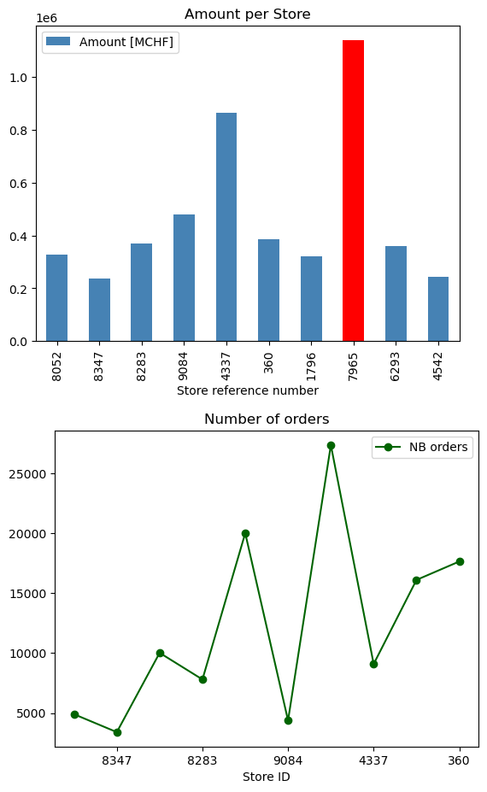
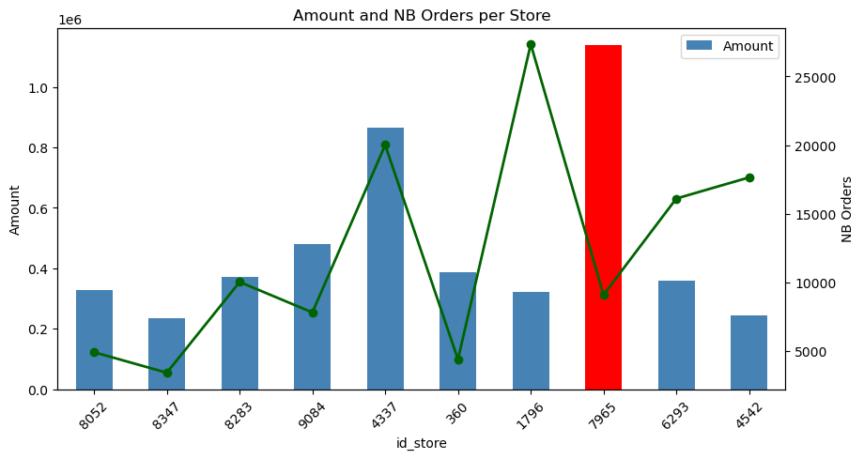
 |  |  |  | EX MPL1 | EX MPL2
position | id_store | Amount | NB Orders
1 | 8052 | 327,759 CHF | 4906
2 | 8347 | 235,450 CHF | 3412
3 | 8283 | 369,823 CHF | 10023
4 | 9084 | 479,020 CHF | 7804
5 | 4337 | 865,358 CHF | 20003
6 | 360 | 387,089 CHF | 4383
7 | 1796 | 321,100 CHF | 27349
8 | 7965 | 1,138,691 CHF | 9091
9 | 6293 | 359,471 CHF | 16103
10 | 4542 | 243,729 CHF | 17641

Seaborn-Violin
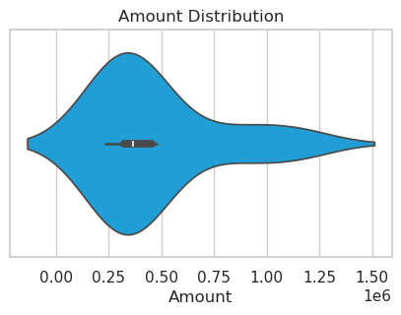
https://seaborn.pydata.org/tutorial.html

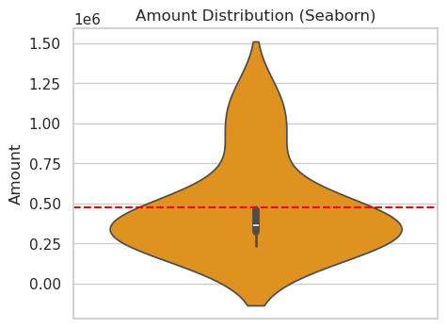
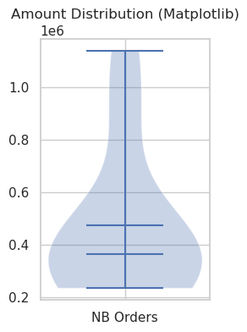

Average | 472749
Median | 364647

Matplotlib dessine le violon autour des données brutes → pas d’expansion négative.
Seaborn calcule une densité (KDE : kernel density estimation) qui s’étend légèrement au‑delà des valeurs réelles.

Seaborn-Pairplot
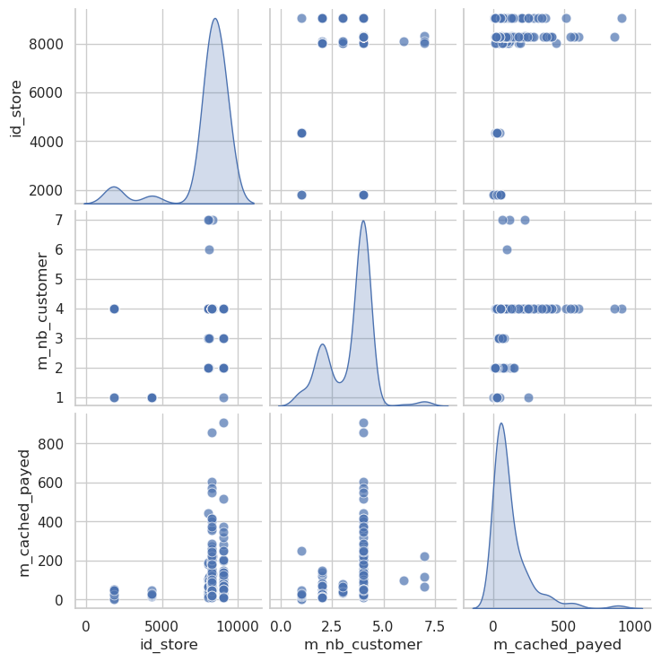

Seaborn-Catplot
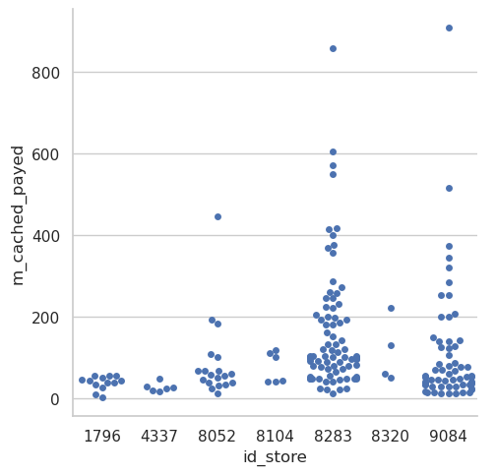
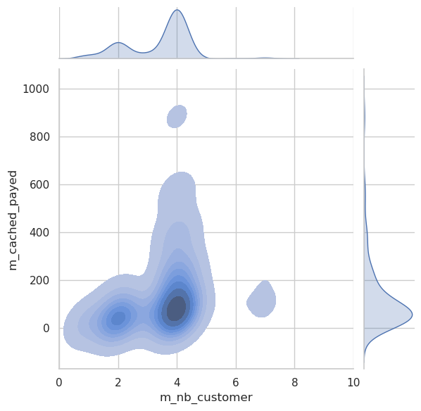
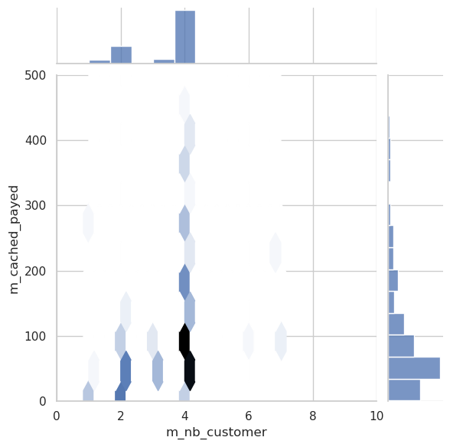
SNS CATPLOT | SNS JOINTPLOT KDE/REG | SNS JOINTPLOT HEX

Distribution of amounts per store | Distribution of salesby number of clients | Distribution des montants par nombre de clients

Seaborn-Heatmap(Correlation)
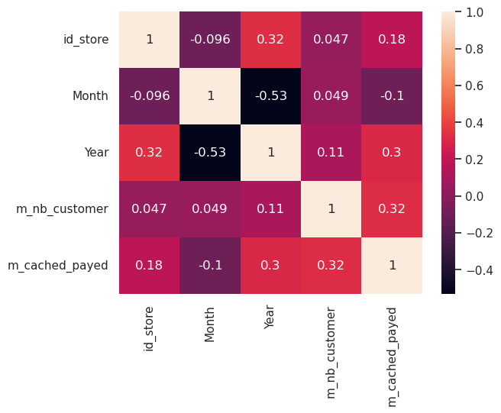
SNS HEATMAP

RECAP
 |  |  |  |  |  | Ex FE1

 |  |  |  |  |  | Ex FE2

Date | Region | Product | Quantity | UnitPrice
2026-01-01 | North | Laptop | 5 | 1200
2026-01-02 | South | Monitor | 8 | 300 |  | EX FE3 |  |  |  | Ex FE5
2026-01-02 | North | Keyboard | 15 | 50 |  |  | Region | Revenue |  |  | Product | Revenue
2026-01-03 | West | Laptop | 3 | 1200 |  |  | North | 16650 |  |  | Laptop | 22800
2026-01-04 | South | Mouse | 20 | 25 |  |  | East | 9725 |  |  | Monitor | 9600
2026-01-05 | North | Monitor | 6 | 300 |  |  | West | 6550 |  |  | Keyboard | 2200
2026-01-06 | East | Laptop | 1 | 1200 |  |  | South | 3500 |  |  | Mouse | 1825
2026-01-07 | West | Keyboard | 10 | 50
2026-01-08 | East | Mouse | 30 | 25
2026-01-09 | West | Monitor | 7 | 300
2026-01-10 | South | Keyboard | 12 | 50
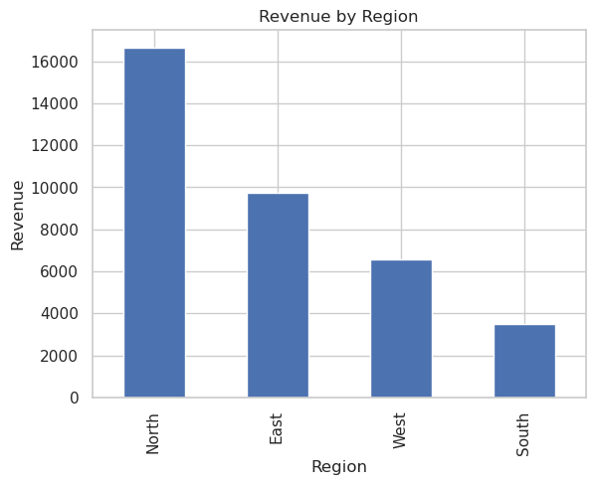
2026-01-11 | North | Laptop | 4 | 1200 |  | Ex FE4 |  |  |  | Ex FE6
2026-01-12 | East | Mouse | 23 | 25 |  |  |  | Metric | Value
2026-01-13 | North | Monitor | 11 | 300 |  |  | 0 | Total Sales | 36425
2026-01-14 | East | Laptop | 6 | 1200 |  |  | 1 | Average Transaction | 2276.5625
2026-01-15 | West | Keyboard | 7 | 50 |  |  | 2 | Highest Transaction | 7200
 |  |  |  |  |  |  | 3 | Lowest Transaction | 350

Ex FE7
 |  | Date | Region | Product | Quantity | UnitPrice | Revenue
 | 14 | 46036 | East | Laptop | 6 | 1200 | 7200
Ex FE8

 | Insight | Result
0 | Best Region | North
1 | Best Product | Laptop
2 | Total Revenue | 36,425 CHF

EX BONUS1

EX BONUS2
38246.25

EX BONUS3

EX BONUS4
 |  | Date | Region | Product | Quantity | UnitPrice | Revenue | Revenue_Plus5 | Category
 | 0 | 46023 | North | Laptop | 5 | 1200 | 6000 | 6300 | Excellent
 | 1 | 46024 | South | Monitor | 8 | 300 | 2400 | 2520 | Good
 | 2 | 46024 | North | Keyboard | 15 | 50 | 750 | 787.5 | Standard
 | 3 | 46025 | West | Laptop | 3 | 1200 | 3600 | 3780 | Good
 | 4 | 46026 | South | Mouse | 20 | 25 | 500 | 525 | Standard
 | ... | ... | ... | ... | ... | ... | ... | ... | ...
 | 11 | 46033 | North | Laptop | 4 | 1200 | 4800 | 5040 | Good
 | 12 | 46034 | East | Mouse | 23 | 25 | 575 | 603.75 | Standard
 | 13 | 46035 | North | Monitor | 11 | 300 | 3300 | 3465 | Good
 | 14 | 46036 | East | Laptop | 6 | 1200 | 7200 | 7560 | Excellent
 | 15 | 46037 | West | Keyboard | 7 | 50 | 350 | 367.5 | Standard

EX BONUS5
Alerts
Warning: South is below target (€3,500)

EX BONUS6
 |  | Metric | Value
 | 0 | Total Bonus Paid | 2270.5

