Main Trade Analysis
Line Item | Priority | Item | Pkg. Qty | Pkg. Price | Order Qty | Tax | Shipping | Item Total | Notes | Distributor | Hazardous | ASIN | Link
1 | A | MINISFORUM AR900i ITX Motherboard | 1 | $539.99 | 1 | $55.35 |  | $595.34 | Embedded Board | Amazon | N | B0CTTMY5BW | https://www.amazon.com/MINISFORUM-Motherboard-i9-13900HX-Chipset-PCIe4-0/dp/B0CTTMY5BW/ref=sr_1_3?crid=2EC4ER6L9Z9B4&dib=eyJ2IjoiMSJ9.-fsGWtw-H5WWgdeOR0pA7i7R_NUZLhZKBnw0hYN99Q9HF2-od7_xKkLcBouPYUJ7TDdCQQNm7MtQ3EFjiNo2gNFtBKFOQq3HrmjrRw0C6ozfFTcyW16rDj8aR8pUh7m3vAz9koIoxL872z7xeQckc8zudG-JKH6mieuBXSUYwS5pleNbddCCEorzhFAsc5SF_l9FswXuwEPjvSkaorAnEo1GcyWvXZUUTH2I8sMC2bI.zhTHeiSQv4Jxq-cXPDrQQVqEl6zlf6y4yJ4GeefrgzQ&dib_tag=se&keywords=minisforum+ar900i&qid=1711578150&sprefix=minisforum+ar900i%2Caps%2C289&sr=8-3
2 | A | Kingston NV2 1TB M.2 2280 | 1 | $60.99 | 1 | $6.25 |  | $67.24 | NVMe | Amazon | N | B0BBWH1R8H | https://www.amazon.com/Kingston-2280-Internal-SNV2S-1000G/dp/B0BBWH1R8H/ref=sr_1_3?crid=3K7ALU67L5A5U&dib=eyJ2IjoiMSJ9.zyXg4q_PRldpIYtv7SHetwI6hYecu2agwuQ-DvOWyKPbaDG8Z6izirwYmnOQif_eyF-yFSPZSKZ1HHSKQ4QziM7OG1rbG0OtLzpPJxKkislRmRwLsT3THMVU78y8w0FxQcwdrJfWBRlG7--4gJxeXmgsKyEk2go7j_oPOOPewFETqb2vcyLApkwqnBNqxPw_q6GYwEOvfWMmjOPKAq62RgZGaQil3gm9oBxAvH4WVoB_kr6UdkaF0j04QFQ6hC1WTETlu6ZJgji-zJqangAYJ-z476omXia_tqqW50-_4ss.XndhrgNK0XOaTvUMWpEKfhMqxBrbvf8EMtCmcukIY5A&dib_tag=se&keywords=M.2%2B2280&qid=1711356271&s=electronics&sprefix=m.2%2B2280%2Celectronics%2C206&sr=1-3&th=1
3 | A | Crucial RAM 32GB Kit | 1 | $98.50 | 1 | $10.10 |  | $108.60 | SODIMM RAM | Amazon | N | ‎B0BLTDRRLF | https://www.amazon.com/Crucial-5600MHz-5200MHz-4800MHz-CT2K16G56C46S5/dp/B0BLTDRRLF/ref=sr_1_6?crid=23LA7DACPBGF&dib=eyJ2IjoiMSJ9.BoX9OpzHglYLRA5NXvW1QQTC7L1Pt9VMMcD1aUBbLgzvNt9PtijrL1oE8zM30G-eiUbG_vqDrun6A-Imw1-84raW1T1hFm7ctqgyZWI8xbhMPb9Bf8NkTW8p9RtA8BisJe5iBkKig5n4V35Vx1kjdFLt7KNC2OdaqIeQEdJGGystSGCpNxnsmdhc5eIjXXo-ZrHneqjzXhWCz5wrzwLOcYKV8iIb9hWZG7QLpqkEari0Ajv0QTDCsc3lBo4sL8bryDu9HmECcMYILdE_dbinvGwXDVYBpm5nuTwdI7oYTPU.46L597f-wvBu-W1pbEk6qBfyDI8FHW41BYXkgC38rSw&dib_tag=se&keywords=SODIMM&qid=1711356387&s=electronics&sprefix=sodimm%2Celectronics%2C130&sr=1-6&th=1
4 | A | Thermaltake Smart 500W 80+ White | 1 | $39.95 | 1 | $4.09 |  | $44.04 | PSU | Amazon | N | B014W3EM2W | https://www.amazon.com/Thermaltake-Certified-Continuous-cooling-PS-SPD-0500NPCWUS-W/dp/B014W3EM2W/ref=sr_1_3?crid=3UOO0S44ZSBQJ&dib=eyJ2IjoiMSJ9.xNa80j9Hs-DoLmyI8GyaIrTYCItpOUfQguPz6d75oHXPjJDIMuIv-MFt93mppKzX8CW1Qvo4MmWyzwD9pjd138ZRuh5LsJ63HxHG0hxjJjFksVBzHyrdi5PlCmbwltfzUovHytHwruectG_P7aZwUFcBR5v6ZW29f2KqLhNhdMGbBlR5nCuMLEs0wQ9AmUVa2ql2LriQN92Eck-Kff01Ym1lVCOzr3h08gM9Oa2XRODglwDu6grkRoKjIlJEUuxJ6bu7efGHvQ_6zdsU-EviWNjZR6nl3s8MWZUvuBU0-0Q.LhmNVzcZ7JKVcYas5VsFGa61_EdzyGO9df-g6Yy9b_Q&dib_tag=se&keywords=psu&qid=1711356577&s=electronics&sprefix=ps%2Celectronics%2C130&sr=1-3&th=1
5 | A | Noctua NF-F12 PWM Fan | 1 | $21.78 | 1 | $2.23 |  | $24.01 | PWM Fan | Amazon | N | B00650P2ZC | https://www.amazon.com/Noctua-NF-F12-PWM-4-Pin-Premium/dp/B00650P2ZC/ref=sr_1_8?crid=DRI7736YZ9PB&dib=eyJ2IjoiMSJ9._eVWzZLendvjydJiGSjN5cEikj_n__pcSF3gdqos32S5bnyc1lulmIG4PJw7fZsOd6PwUo5KmGmJowBXtQH9lFBCLs_MTwHsMIzg_ib5wTjcXFKjwOCYER4RFKX4PULljHqwFQcYTX0_FZo3OysLHl2ytQCZiRjtu-r3kCSUOPbFKHVE0odN5ri37KEZSyq9cLyVuMqS1yXd4KBtKK2WyI_XHtcApFttxsxWykTVAlKKUghj88snreNAwPyXTvY6OAbuH-GmS6s875u6qhVAJjE2OJjjKWwMhZEH1FqfvXE.RGUx-viTS3frKgmarzRtXZuQ2C5Od5hnxrjSxI6qESg&dib_tag=se&keywords=Noctua+12cm+fan&qid=1711356969&s=electronics&sprefix=noctua+12cm+fan%2Celectronics%2C125&sr=1-8
6 | A | LiperiAir 9500mAh 4S 100C 14.8V Lipo Battery | 1 | $93.00 | 1 | $9.53 |  | $102.53 | Battery | RC Battery.com | Y | LPL95004S100-E | https://rcbattery.com/liperiair-9500mah-4s-100c-14-8v-lipo-battery-with-ec5-plug.html
7 | A | Samlex America, IDC-200A-12, Switching DC-DC Converter | 1 | $188.60 | 1 | $19.33 |  | $207.93 | Power Electronics | Samlex Power | N | 622988067204 | https://www.invertersupply.com/index.php?main_page=product_info&products_id=2042
8 | A | PicoPSU-160-XT, 160w output, 12v input DC-DC Power Supply | 1 | $45.60 | 1 | $4.67 |  | $50.27 | Charger | Mini-Box.com | N | picoPSU-160-XT | https://www.mini-box.com/picoPSU-160-XT

 |  |  |  | The Grand Total: | 8 |  |  | $1,199.97

6.
7.
1.
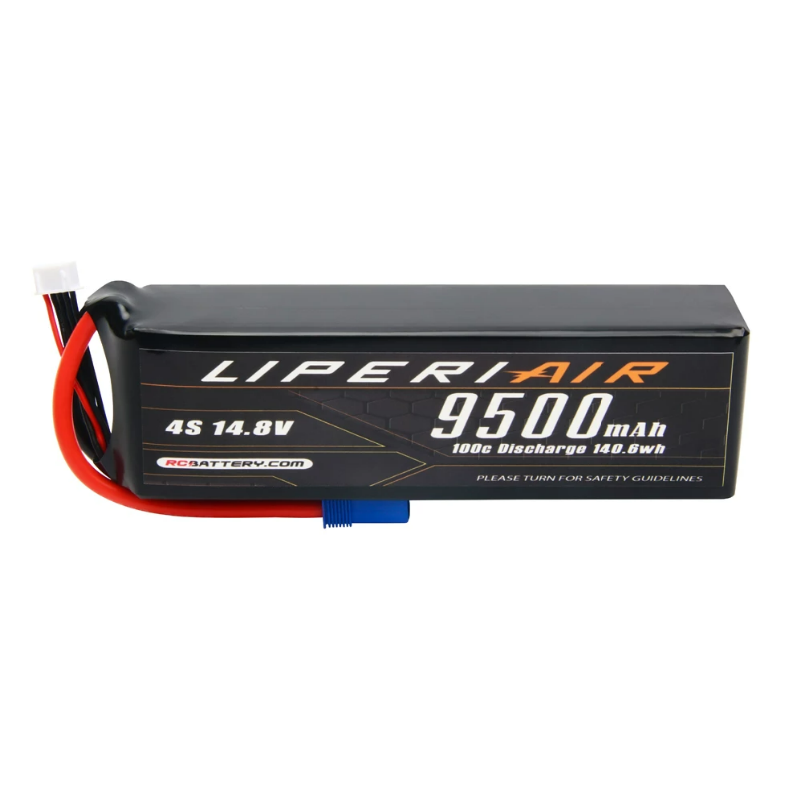
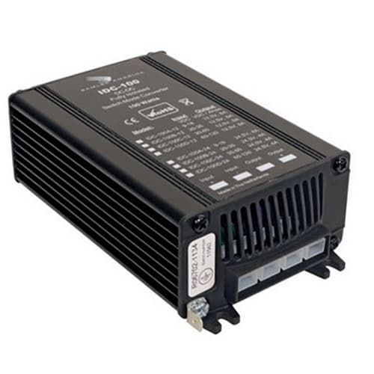
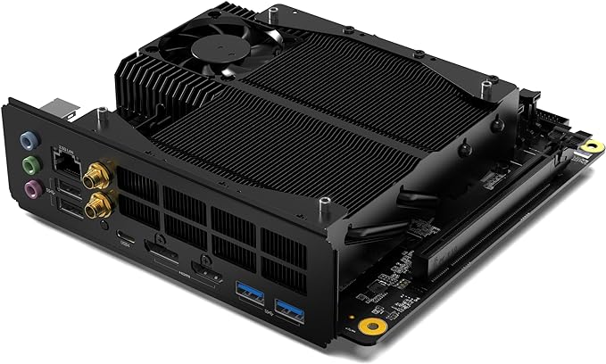

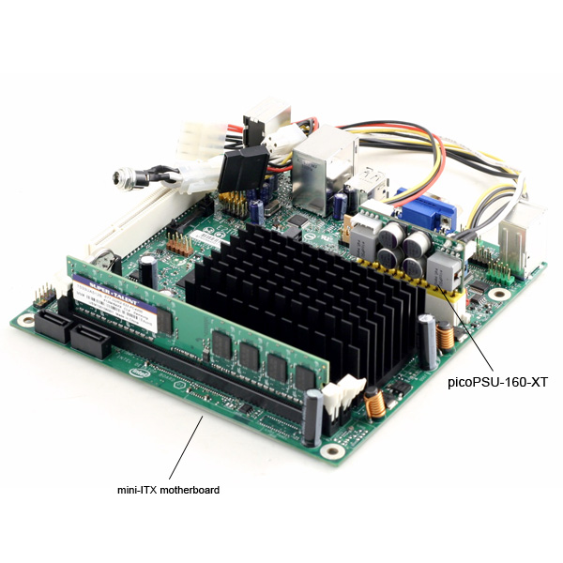
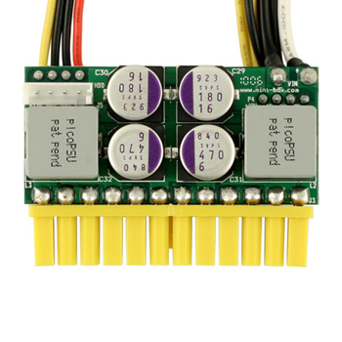
8.

