CEVA
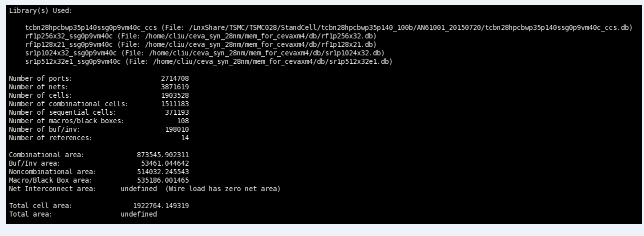

TSMC 9T

MIPI PHY size
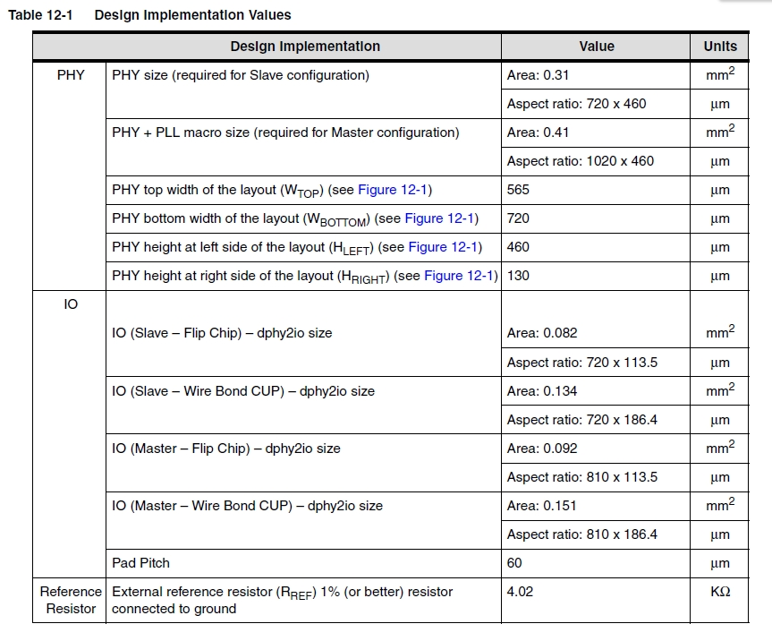
The DPHY area is calculated as follows: (PHY+ PLL) X2 + (PHY) X6 + (dphy2io_master) X2 + (dphy2io_slave) X6 =(0.31+0.1) X2 + 0.31X6 + 0.092X2 + 0.082X6 = 3.356

