Sheet1
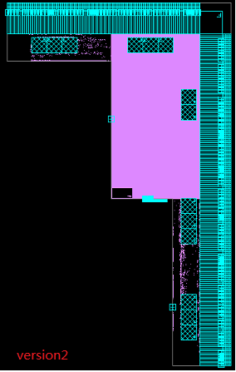
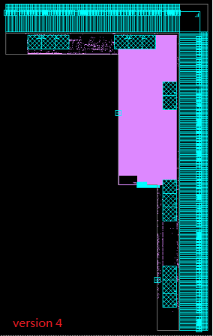
clock | data | version 2 | version 4
AC_CTL_CLK | WNS | 0.53 | 0.44
 | TNS | 0 | 0
 | No.of VIO | 0 | 0
DX0_CTL_CLK | WNS | 0 | 0
 | TNS | 0 | 0
 | No.of VIO | 0 | 0
DX1_CTL_CLK | WNS | 0 | 0
 | TNS | 0 | 0
 | No.of VIO | 0 | 0
DX2_CTL_CLK | WNS | 0.02 | 0
 | TNS | 0 | 0
 | No.of VIO | 0 | 0
DX3_CTL_CLK | WNS | 0.02 | 0
 | TNS | 0 | 0
 | No.of VIO | 0 | 0
DX4_CTL_CLK | WNS | 0.23 | 0.18
 | TNS | 0 | 0
 | No.of VIO | 0 | 0
DX5_CTL_CLK | WNS | 0.23 | 0.18
 | TNS | 0 | 0
 | No.of VIO | 0 | 0
DX6_CTL_CLK | WNS | 0 | 0.18
 | TNS | 0 | 0
 | No.of VIO | 0 | 0
DX7_CTL_CLK | WNS | 0 | 0
 | TNS | 0 | 0
 | No.of VIO | 0 | 0
aclk_0 | WNS | 0 | 0
 | TNS | 0 | 0
 | No.of VIO | 0 | 0
aclk_1 | WNS | 0 | 0
 | TNS | 0 | 0
 | No.of VIO | 0 | 0
aclk_2 | WNS | 0 | 0
 | TNS | 0 | 0
 | No.of VIO | 0 | 0
aclk_3 | WNS | -0.05 | 0
 | TNS | -1.25 | 0
 | No.of VIO | 158 | 0
aclk_4 | WNS | 0 | 0
 | TNS | 0 | 0
 | No.of VIO | 0 | 0
aclk_5 | WNS | -0.14 | -0.13
 | TNS | -24.07 | -18.45
 | No.of VIO | 631 | 583
ddr_pll_clk | WNS | -0.46 | -0.22
 | TNS | -11610.39 | -2947.08
 | No.of VIO | 92191 | 45037
pclk | WNS | 0 | 0
 | TNS | 0 | 0
 | No.of VIO | 0 | 0
tclk | WNS | 1.28 | 1.63
 | TNS | 0 | 0
 | No.of VIO | 0 | 0
COMB | WNS | 0.01 | 0.02
 | TNS | 0 | 0
 | No.of VIO | 0 | 0
INPUTS | WNS | -0.1 | -0.13
 | TNS | -115.79 | -33.46
 | No.of VIO | 4411 | 974
OUTPUTS | WNS | -0.1 | -0.09
 | TNS | -38.92 | -21.51
 | No.of VIO | 618 | 537
DX0_DDR_CLK | WNS | 0 | 0
 | TNS | 0 | 0
 | No.of VIO | 0 | 0
DX1_DDR_CLK | WNS | 0 | 0
 | TNS | 0 | 0
 | No.of VIO | 0 | 0
DX2_DDR_CLK | WNS | 0.87 | 0.94
 | TNS | 0 | 0
 | No.of VIO | 0 | 0
DX3_DDR_CLK | WNS | 0.87 | 0.94
 | TNS | 0 | 0
 | No.of VIO | 0 | 0
DX4_DDR_CLK | WNS | 0.85 | 0.93
 | TNS | 0 | 0
 | No.of VIO | 0 | 0
DX5_DDR_CLK | WNS | 0.85 | 0.93
 | TNS | 0 | 0
 | No.of VIO | 0 | 0
DX6_DDR_CLK | WNS | 0.02 | 0
 | TNS | 0 | 0
 | No.of VIO | 0 | 0
DX7_DDR_CLK | WNS | 0.02 | 0
 | TNS | 0 | 0
 | No.of VIO | 0 | 0
global | LVT | 20.85% | 18.34%
 | AREA | 7940466 | 7924456

