IP config & RTL version
 | Controller version | 3.10a
 | PHY version femtophy tsmc28hpc | 4.04a | pcs macro version | 4.03a
 |  |  | pads_fc version | 1.02b
 |  |  | pads_wb version | 1.02a
 |  |  | phy version | 4.03a

Base Address | Controller CSR address index | Register Type | 1MB
0x6050_0000 | 0x0_0000 to 0x0_7FFF | xHCI Registers(Xxxxx) | 32KB
 | 0 to CAPLENGTH -1 | eXtensible Host Controller Capability Reg
 | CAPLENGTH to RTSOFF -1 | HOST Controller Operational Reg
 | RTSOFF to BDOFF -1 | Controller Runtime Reg
 | DBOFFF to (xECP*4-1) | Doorbell Reg
 | xECP*4 to 0x0_7FFF | xHCI Extended Capabilities
 | 0x0_C100 to 0x0_C6FF | Global Registers (Gxxxx) | 1.5KB
 | 0x0_C700 to 0x0_CBFF | Device Registers (Dxxxx) | 1.25KB
 | 0x0_CC00 to 0x0_CCFF | USB 20 OTG and Battery Charger Register | 256B
 | 0x0_CD00 to 0x0_CFFF | Unused/Aliased | 0.75KB
 | 0x4_0000 to 0x7_FFFF | Internal RAM0 - Debug Access | 256KB
 | 0x8_0000 to 0xB_FFFF | Internal RAM1 - Debug Access | 256KB
 | 0xC_0000 to 0xF_FFFF | Internal RAM2 - Debug Access | 256KB

 | Subsystem Slave Address index | Register Type | 64KB
0x6060_0000 |  | PHY CR address index | 36KB
 | 0x0000 << 2 to 0x1N42 << 2 | SS Function Control Registers
 | 0x0000 to 0x7D08
 | 0x2000 << 2 to 0x200D << 2 | HS Function RO Control Registers
 | 0x8000 to 0x8034
 | 0x2010 << 2 to 0x201F << 2 | HS Function R/W Control Registers
 | 0x8040 to 0x807c
 |  | USB30 subsys registerfile index | 28KB
 | 0x9000 to 0x901c | USB30 Controller Pins Ctrl Registers
 | 0x9020 to 0x902c | Memory Pins Control Registers
 | 0x9030 to 0x906c | femtoPHY Pins Control Registers
 | 0x9070 to 0x9074 | Debug Control Registers
 | 0xfffc | Test Register | 32bit

 | USB 30 DRD MAC
 | Configuration Option | Value | Description | Parameter Name | Sirius Value
 | Basic Configuration
 | Mode of Operation | 0 : Device 1 : Host 2 : DRD 3 : Hub | Selects the controller mode | DWC_USB3_MODE | 2
 | Enable USB 2.0-only mode? | 0: No 1: Yes | Enables USB 2.0 only mode, remove SuperSpeed | DWC_USB3_EN_USB2_ONLY | 0
 | Enable Isochronous Support? | 0: No 1: Yes | Enables ISO Endpoint Capability | DWC_USB3_EN_ISOC_SUPT | 1
 | Power Opt Mode | 0 : No Power Opt 1 : Clock Gating Only 2 : Clock Gating and Hibernation | Specifies the power opt mode. If Clock Gating Only selected, RAM and PHY clocks are gated when the core is inactive during U1,U2 or U3 states | DWC_USB3_EN_PWROPT | 1
 | Enable USB2.0 or USB3.0 OTG Capability? | 0: No 1: Yes |  |  | 0
 | Enable Battery Charging Capability? | 0: No 1: Yes | Enable Bettery Charging (ACA) capability. | DWC_USB3_EN_BC | 0
 | Master Bus(DMA Bus) Interface Type | 0 : AHB 1 : AXI 2 : Reserved2 3 : Native 4 : Reserved | Selects SoC Master Bus Interface type | DWC_USB3_MBUS_TYPE | 1
 | Slave Bus(Register Access Bus) Interface Type | 0 : AHB 1 : AXI 2 : Reserved2 3 : Native | Selects SoC Slave Bus Interface type. The Slave Bus is used for Register Programming. | DWC_USB3_SBUS_TYPE | 1 | 0
 | Master Bus(DMA Bus) Data Bus Width | 32 33 64 128 | Selects the data bus width of the master bus interface. 33-bit option is used only for Hub Configuration | DWC_USB3_MDWIDTH | 64
 | Slave Bus(Register Access Bus) Data Bus Width | 32 64 128 | Selects the data bus width of the slave bus interface.The slave data bus width must not be larger than the master data bus width | DWC_USB3_SDWIDTH | 32
 | Master/Slave Address Bus Width | 32 64 | Selects the address bus width of the master and slave interfaces | DWC_USB3_AWIDTH | 32
 | Master ID Port Width | 4/5/6/7/8 | Selects the ID port width of the master bus interface. | DWC_USB3_IDWIDTH | 4
 | Master ID Port Width | 1~32 | Selects the ID port width of the slave bus interface. | DWC_USB3_SIDWIDTH | 4
 | Number of RAMs | 1 2 3 | selects the number of RAMs Min Configuration: SS device and single port host require 2/3 RAMs(3 recommended) RAM0 for register, desctiptor cache, and Rx-buffering; and RAM1 for Tx prefetch | DWC_USB3_NUM_RAMS | 3
 | Sync Static RAM type | 0 : 2-P RAM 1 : 1-P RAM | Selects the FIFO sync static RAM type:2-port (1 port for read, 1 port for write) or single-port(SPRAM). Select 2-P RAM for performance-sensive application or if you system bus freq is low(i.e, below 66Mhz) Select 1-P RAM for area-sensitive applications. | DWC_USB3_SPRAM_TYP | 1
 | Global User ID (GUID) Register's Power-On Initialization Value | 0x0-0xFFFF_FFFF | Specifies the Global User ID (GUID) register's power-on initialization value | DWC_USB3_USERID | 0x12345678
 | Global User Control (GUCTL) Register's Power-On initialization Value | 0x0-0xFFFF_FFFF | Specifies the Global User Specific Control Register's power-on initialization value. | DWC_USB3_CUCTL | 0x02000010
 | Global User Control 1 (GUCTL1) Register's Power-On initialization Value | 0x0-0xFFFF_FFFF | Specifies the Global User Specific Control Register's power-on initialization value. | DWC_USB3_CUCTL1 | 0x0004018a
 | Global User Control 2 (GUCTL2) Register's Power-On initialization Value | 0x0-0x0000_7FFF | Specifies the Global User Specific Control Register's power-on initialization value. | DWC_USB3_CUCTL2 | 0x0000040d
 | Global Frame Length Adjustment (GFLADJ) Register's Power-On Initialization Value | 0x0-0xFFFF_FFFF |  | DWC_USB3_GFLADJ | 0x00000000
 | Does the Master DMA bus latency plus access time exceed the USB MaxPacket transmission time(2.1us for 1KB SS/ ~10us for 512Byte HS)? | 0 : No 1 : Yes |  | DWC_USB3_MDBUS_ACCESS_GT21 | 1
 | Global Transmit Threshold Configuration Register(GTXTHRCFG) Power-On Initialization Value | 0x0-0xFFFF_FFFF |  | DWC_USB3_GTXTHRCFG_INIT | 0x24080000
 | Global Receive Threshold Configuration Register(GRXTHRCFG) Power-On Initialization Value | 0x0-0xFFFF_FFFF |  | DWC_USB3_GRXTHRCFG_INIT | 0x24400000
 | Global Control Register's (GCTL) Power-On Initialization Value | 0x0-0xFFFF_FFFF | Specifies Global Control Register's (GCTL) Power-On Initialization Value | DWC_USB3_GCTL_INIT | 0x30c1_2004
 | PHY Configuration

 | Enable Pipeling on the Pipe Interface | 0 : No additional pipeline 1 : stage 1 of additional pipeline 2 : stage 2 of additional pipeline | Insert additional pipelines in the Rx and Tx of the PIPE interface. This may be required in the Off chip PHY interface to meet timing on the pipe interface. In the src/pwrm/DWC_usb3_pwrm_u3piu module, the following additional pipeline registers control the pipelining: phy_pipe3_rx_stage1, phy_pipe3_rx_stage2, phy_pipe3_tx_stage1, and phy_pipe3_tx_stage2 | DWC_USB3_SSPHY_INTERFACE_NUM_PIPE | 0
 | HS PHY Interface | 0 : None 1 : UTMI+ 2 : ULPI 3 : UTMI+ and ULPI | Specifies the HS PHY interface. | DWC_USB3_HSPHY_INTERFACE | 1
 | Enable HSIC Support for USB 2.0 Ports? | 0 : No 1 : Yes | Enable High Speed Interchip for USB 2.0 | DWC_USB3_ENABLE_HSIC | 0
 | UTMI-16bit Fast Turnaroud Operation | 0 : No 1 : Yes | Selects the USB20 Device FAST Turnaround logic for UTMI 16-bit Mode. | DWC_USB3_FAST_TAT_EN | 0
 | Enable UTMI PHY Vendor Control Interface ? | 0 : No 1 : Yes | Enable UTMI+ PHY Vendor Control Interface | DWC_USB3_VENDOR_CTL_INTERFACE | 0
 | Global USB2 PHY Configuration Register's (GUSB2PHYCFG) Power-On Initialization Value | 0x0-0xFFFF_FFFF | Specifies the Global USB2 PHY Configuration Register's (GUSB2PHYCFG) Power-On Initialization Value | DWC_USB3_CUSB2PHYCFG_INIT | 0x4010_2400
 | Global USB3 PIPE Control Register's (GUSB3PIPECTL) Power-On Initialization Value | 0x0-0xFFFF_FFFF | Specifies Global USB3 PIPE Control Register's (GUSB3PIPECTL) Power-On Initialization Value | DWC_USB3_GUSB3PIPECTL_INIT | 0x010c_0002
 | Pipe3_RxTermination signal hardware reset value? |  | Determines the value of the pipe3_RxTermination signal while hardware reset is asserted | DWC_USB3_PIPE_RXTERM_RESET_VAL | 0
 | Enable Receiver detection in PHY power state P3? | 0 : No 1 : Yes | Allows Receiver detection in PHY power state P3. | DWC_USB3_RXDET_IN_P3_DS | 0
 | In Host Mode Enable USB20 suspend during Disconnect? | 0 : No 1 : Yes | For USB20 ports enable suspend during disconnect. This saves power when no devices are connected to USB20 port. | DWC_USB3_SUSPEND_ON_DISCONNECT_EN | 1
 | Number of SSIC Ports | 0,1,2,3,4,5….14,15 | Specify the number of SSIC Ports | DWC_USB3_NUM_SSIC_PORTS | 0
 | Device Configuration
 | Number of Device Mode Event Buffer | 1,2,3….32 | Selects the number of event buffers in device mode. Each Event Buffer has a separate interrupt | DWC_USB3_DEVICE_NUM_INT | 1
 | Number of Device Mode EP | 4,5,…32 | Specifies the number of device mode single directional EPs including ctrl OUT and IN EPs 0 which are always present | DWC_USB3_NUM_EPS | 16
 | Number of Device Mode Active IN EP | 2,3,4….16 | Specifies the maximum number of Device mode IN EPs active at any time, including ctrl IN EP 0, which is always present | DWC_USB3_NUM_IN_EPS | 8
 | Number of cached TRBs per Transfer | 2,3,4….32 | Selects the number of TRBs per transfer that can be cached within the core. | DWC_USB3_CACHE_TRBS_PER_TRANSFER | 8
 | Enable Device External Buffer Control? | 0 : No 1 : Yes | Indicate space/packet availability in the external Rx and Tx FIFOs for each OUT and IN EPs . Used to debug EP | DWC_USB3_EXT_BUFF_CONTROL | 0
 | RxFIFO FIFO Depth
 | MaxPacket Size in Bytes | from 1 to 1024 | Selects RxFIFO MaxPacket size in bytes, all OUT EPs use the same RxFIFO, choose the largest packet size | DWC_USB3_DEV_RXF_MAX_PACKET_SIZE | 1024
 | RxFIFO Size in Number of MaxPackets | 1,2,3,…16 | Selects Number of MaxPackets for RxFIFO, burst support requires a minimum 3 MaxPacket FIFO size; However, for SS, 5 is recommended if the master DMA bus latency+access time for a 1KB packet is larger than 2.1 uS | DWC_USB3_DEV_RXF_NUM_MAX_PACKETS | 5
 | RxFIFO Depth | ((4*DWC_USB3_DEV_RXFIFO_OK_SPACE)/DWC_USB3_MBYTES),…,8192 | Selects Device RxFIFO depth in MDWIDTH-bit words. NOT Recommended to configure less than 2 MaxPacket size | DWC_USB3_DEV_RXF_DEPTH | 645
 | IN EP-0 FIFO Depth
 | TxFIFO Depth | (1*(64/DWC_USB3_MBYTES+DWC_USB3_NPI_N)+DWC_USB3_NPI_N),…,8192 | Selects TxFIFO 0 Depth in MDWIDTH-bit words | DWC_USB3_DEV_TXF0_DEPTH | 66
 | IN EP-n FIFO Depth (n=1~7)
 | MaxPacket Size in Bytes | 1,2,3,…1024 | Selects TxFIFO n MaxPacket size in bytes | DWC_USB3_DEV_TXFn_MAX_PACKET_SIZE | 1024
 | Burst Supported? | 0 : No 1 : Yes | Selects whether TxFIFO n supports burst transfers | DWC_USB3_DEV_TXFn_BURST_EN | 1~3 1 4~7 2 |  | refer to databook 4.3 Bulk IN and ISO IN EPs
 | TxFIFO Depth in Number of MaxPackets | 1,2,3,…,16 | Selects Number of MaxPackets for TxFIFO n | DWC_USB3_DEV_TXFn_NUM_MAX_PACKETS | 1~3 5 4~7 2
 | TxFIFO Depth | 0,…8192 | Selects TxFIFO n depth in MDWIDTH-bit words | DWC_USB3_DEV_TXFn_DEPTH | 1~3 646 4~7 259
 | Host Configuration
 | Enable xHCI Debug Capability? | 0 : No 1 : Yes | Enable xHCI Debug Capability | DWC_USB3_EN_DBC | 0
 | Number of Host Interrupts | 1,2,3,4,5….14,15,16 | Specifies the number of interrupts supported. | DWC_USB3_HOST_NUM_INTERRUPTER_SUPT | 1
 | Enable Separate Descriptor Queues | 0 : No 1 : Yes | Specifies whether to implement separate descriptor fetch and writeback queues for SS, HS and FS/LS bus instances. Recommend ENABLE | DWC_USB3_EN_SEPARATE_DESC_QUEUES | 1
 | Number of USB2 Root Hub Ports | 0,1,2,3,4,5….14,15 | Specifies the number of USB2 Root Hub ports. | DWC_USB3_HOST_NUM_U2_ROOT_PORTS | 1
 | Number of USB3 Root Hub Ports | 0,1,2,3,4,5….14,15 | Specifies the number of USB3 Root Hub ports. | DWC_USB3_HOST_NUM_U3_ROOT_PORTS | 1
 | Number of Devices Supported | 64, 127 | Specifies the number of device supported. | DWC_USB3_NUM_DEVICE_SUPT | 64
 | Number of Periodic Endpoints Supported | 32-510 | Specifies the number of periodic endpoints for all USB BUS-Instance | DWC_USB3_HOST_NUM_PERIODIC_EP | 32
 | Does your USB2.0 PHY Provides a free running PHY clock? | 0 : No 1 : Yes | If USB2.0 PHY provides the free running PHY clock, it should be connected to "utmi_clk[0]" input. | DWC_USB3_FREECLK_USB2_EXIST | 1
 | Number of Cached EP for Each SS USB instance | from 1 to 32 | Specifies the number of SS EP that can be cached for each SupperSpeed USB Bus instance (136+DWC_USB3_HOST_NUM_CACHE_EP_PER_SS_INSTANCE*16) byts of internal RAM are allocated for each SS EP cache. | DWC_USB3_HOST_NUM_CACHE_EP_PER_SS_INSTANCE | 10
 | Number of Cached TRBs for Each Cached SS EP | from 2 to 126 | Specifies the number of TRBs that can be cached in the core for each cached SS EP. | DWC_USB3_HOST_NUM_CACHE_TRB_PER_SS_EP | 16
 | Number of Cached EP for Each HS USB Instance | from 1 to 32 | Specifies the number of HS EP that can be cached for each HS USB Bus instance (120+DWC_USB3_HOST_NUM_CACHE_EP_PER_HS_INSTANCE*16) byts of internal RAM are allocated for each HS EP cache. If the system bus latency is more than 2.1us, then at least 20 EP cache is recommended. and 'Number of Cached TRBs for Each Cached HS EP' parameter size can be reduced from 16 to 10 for opt RAM size | DWC_USB3_HOST_NUM_CACHE_EP_PER_HS_INSTANCE | 20
 | Number of Cached TRBs for Each Cached HS EP | from 2 to 126 | Specifies the number of TRBs that can be cached in the core for each cached HS EP. | DWC_USB3_HOST_NUM_CACHE_TRB_PER_HS_EP | 10
 | Number of Cached EP for Each FS/LS USB Instance | from 1 to 32 | Specifies the number of FLS EP that can be cached for each FLS USB Bus instance (120+DWC_USB3_HOST_NUM_CACHE_EP_PER_FSLS_INSTANCE*16) byts of internal RAM are allocated for each FLS EP cache. | DWC_USB3_HOST_NUM_CACHE_EP_PER_FSLS_INSTANCE | 4
 | Number of Cached TRBs for Each Cached FLS EP | from 2 to 126 | Specifies the number of TRBs that can be cached in the core for each cached FLS EP. | DWC_USB3_HOST_NUM_CACHE_TRB_PER_FSLS_EP | 10

 | Size of the SS RxFIFO in Number of 1024-byte Pack - Per SS Bus Instance | from 1 to 32 | Specifies the size of the SS RxFIFO in number of 1024-byte Packets. Each SS USB Bus Instance requires one RxFIFO | DWC_USB3_NUM_RXF_SS_PKTS | 5
 | Size of the SS RxFIFO in Number of 1024-byte Pack - Per HS Bus Instance | from 1 to 16 | Specifies the size of the HS RxFIFO in number of 1024-byte Packets. Each HS USB Bus Instance requires one RxFIFO | DWC_USB3_NUM_RXF_HS_PKTS | 3
 | Size of the SS RxFIFO in Number of 1024-byte Pack - Per FLS Bus Instance | from 1 to 4 | Specifies the size of the FLS RxFIFO in number of 1024-byte Packets. Each FLS USB Bus Instance requires one RxFIFO | DWC_USB3_NUM_RXF_FSLS_PKTS | 1
 | Size of the SS TxFIFO in Number of 1024-byte Pack - Per SS Bus Instance | from 1 to 32 | Specifies the size of the SS TxFIFO in number of 1024-byte Packets. Each SS USB Bus Instance requires one TxFIFO | DWC_USB3_NUM_TXF_SS_PKTS | 5
 | Size of the HS TxFIFO in Number of 1024-byte Pack - Per HS Bus Instance | from 1 to 16 | Specifies the size of the HS TxFIFO in number of 1024-byte Packets. Each HS USB Bus Instance requires one TxFIFO | DWC_USB3_NUM_TXF_HS_PKTS | 3
 | Size of the FS/LS TxFIFO in Number of 1024-byte Pack - Per FLS Bus Instance | from 1 to 4 | Specifies the size of the FLS TxFIFO in number of 1024-byte Packets. Each FLS USB Bus Instance requires one TxFIFO | DWC_USB3_NUM_TXF_FSLS_PKTS | 1
 | Advanced config
 | Global System Bus Config Register-0's (GBUSCFG0) Power-On Initialization Value | 0x0-0xFFFF_FFFF | Specifies Global System Bus Config Register's (GBUSCFG0) Power-On Initialization Value | DWC_USB3_GSBUSCFG0_INIT | 0x0000_0001
 | Global System Bus Config Register-1's (GBUSCFG1) Power-On Initialization Value | 0x0-0xFFFF_FFFF | Specifies Global System Bus Config Register's (GBUSCFG1) Power-On Initialization Value | DWC_USB3_GSBUSCFG1_INIT | 0x0000_0300
 | Global Device TXFIFO DMA Priority Register's(GTXFIFOPRIDEV) Power-On Initialzation value | 0x0-0xFFFF_FFFF |  | DWC_USB3_GTXFIFOPRIDEV_INIT | 0x0000_0000
 | Global Host TXFIFO DMA Priority Register's(GTXFIFOPRIHST) Power-On Initialzation value | 0x0-0xFFFF_FFFF |  | DWC_USB3_GTXFIFOPRIHST_INIT | 0x0000_0000
 | Global Host RXFIFO DMA Priority Register's(GRXFIFOPRIHST) Power-On Initialzation value | 0x0-0xFFFF_FFFF |  | DWC_USB3_GRXFIFOPRIHST_INIT | 0x0000_0000
 | Global Host FIFO DMA Priority Register's(GDMAHLRATIO) TX SS:HSFSLS Ratio Power-On Initialzation value | 0x0-0x1f |  | DWC_USB3_GDMAHLRATIO_TX_INIT | 8
 | Global Host FIFO DMA Priority Register's(GDMAHLRATIO) RX SS:HSFSLS Ratio Power-On Initialzation value | 0x0-0x1f |  | DWC_USB3_GDMAHLRATIO_RX_INIT | 8
 | Enable LPM Errata | 0 : Disable 1 : Enable | Enable to support: Errata for USB 2.0 ECN Link Power Management and xHCI 1_0 Errata 08 BESL | DWC_USB3_EN_LPM_ERRATA | 1
 | Support Device/DbC Scatter-Gather Packets of 8 to 15 TRBs(9..15 if MDW128)? | 0 : No 1 : Yes | Enable Device and Debug Capability mode scatter-gather packets composed of 8 to 15 TRBs (9 to 15 if MDWIDTH==128) | DWC_USB3_DEV_EN_SCATTER_PACKETS_OF_8_TO_15_TRBS | 1 |  | Scatter-Gather is more efficiency and recommanded by the databook
 | Total RAM0 Depth | from 32 to 65536 | Specifies the depth of RAM0. | DWC_USB3_RAM0_DEPTH | 2586 |  | 1964+256/MDWIDTH, an additional 256 bytes is recommended
 | Total RAM1 Depth | from 32 to 65536 | Specifies the depth of RAM1. | DWC_USB3_RAM1_DEPTH | 3040
 | Total RAM2 Depth | from 32 to 65536 | Specifies the depth of RAM2. | DWC_USB3_RAM2_DEPTH | 1160
 | Preserve logic_analyzer_trace mux select during reset for hardware debug? | 0 : No 1 : Yes | useful when debugging signals across hibernation resets | DWC_USB3_PRESERVE_LOGIC_ANALYZER_SELECT | 0
 | Enable FPGA implementation | 0 : No 1 : Yes | It used at Synopsys for FPGA Device and host HW validataion of the core | DWC_USB3_EN_FPGA | 0
 | Enable USB Logical Endpoint to Physical Endpoint Mapping | 0 : No 1 : Yes |  | DWC_USB3_LOG_PHYS_EP_SUPT | 1 |  | need a flexible logical -> physical EP mapping
 | Enable Additional DTF Control Ports | 0 : No 1 : Yes | enable additional At-speed DFT control signals | DWC_USB3_ATSPEED_DFT | 0
 | Enable Filter for VBUS and ID related control inputs from the PHY ? | 0 : No 1 : Yes | Specifies whether to add a filter on the OTG control inputs from the PHY. | DWC_USB3_EN_BUS_FILTERS | 1
 | PIPE interface is always 32-bits? | 0 : No 1 : Yes | If your PIPE interface is always 32-bit at 125Mhz, then mac3_clk is set to pipe3_rx_pclk. | DWC_USB3_PIPE_32BIT_ONLY | 0
 | Always Assign ram_clk to bus_clk_eraly? | 0 : No 1 : Yes | enable if you plan to always connect bus_clk_early to ram_clk | DWC_USB3_RAM_CLK_TO_BUS_CLK | 0
 | Always use posedge clock synchronizers? | 0 : No 1 : Yes | Selects whether to use posedge clocked synchronizers instead of first-stage negedge, second-stage posedge synchronizers | DWC_USB3_EN_SYNC_ALL_POSEDGE | 1
 | Remove pipe_clk mux for 2.0 mode? | 0 : No 1 : Yes | This parameter removes additional clock muxes on pipe3_clk for working in USB 2.0 mode | DWC_USB3_REMOVE_PIPE_CLK_MUX_FOR_20_MODE | 0

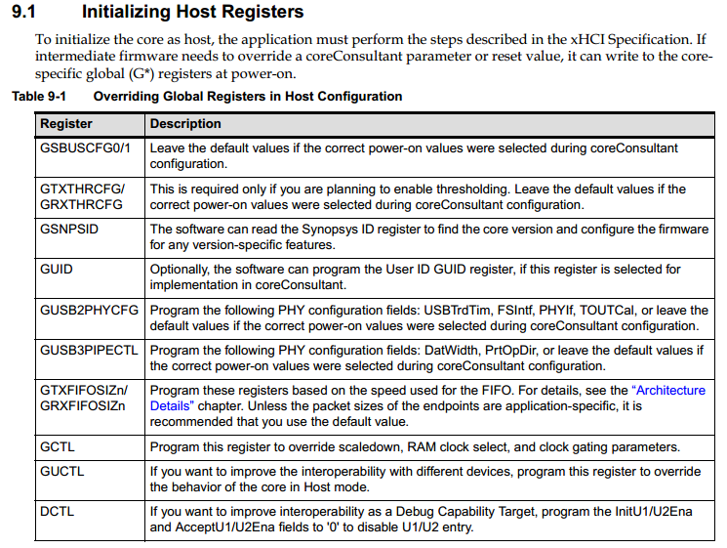

 | AXI master
Clk | 150Mhz
Bandwidth | 9.6Gbit
Interface | AXI RW
Data width | 64bit
Burst length | INCR,INCR4,…,INCR256

System latency | Time
ddr4 switch bank max delay | 45ns
1KB data store/read time when ddr4 operates at 1833MHz | 1KB/64bit * 1s/1833MHz = 69.83ns
NOC access latency(600MHz idle) | 50 * 1s/600MHz = 83.33ns
Total access latency | 45ns + 69.83ns + 83.33ns = 198.16ns

ATE test
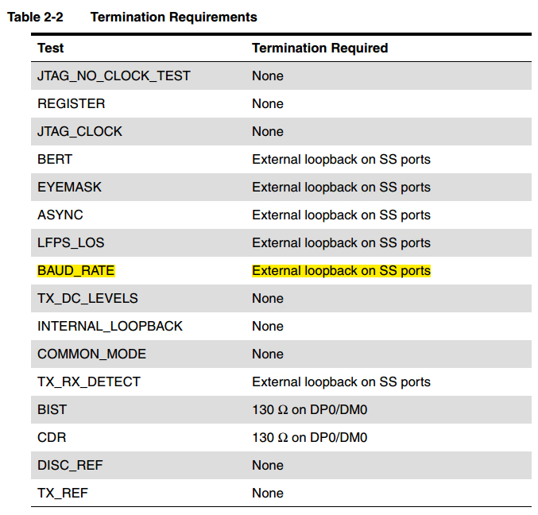
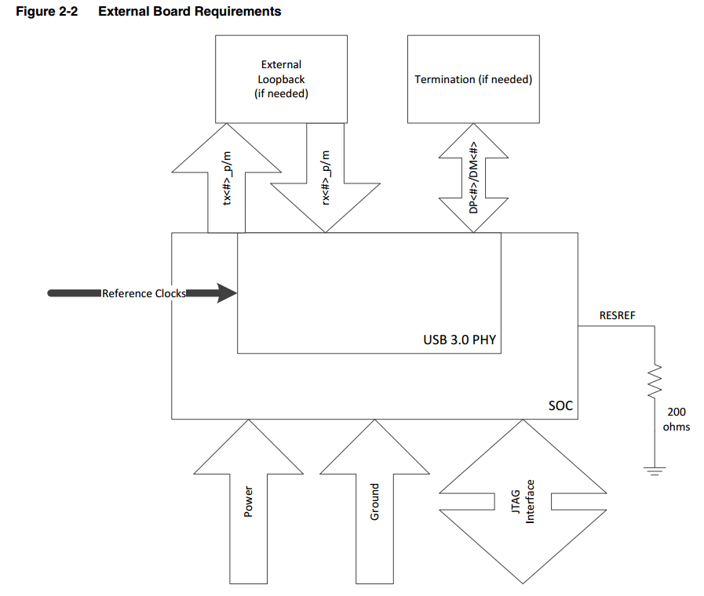
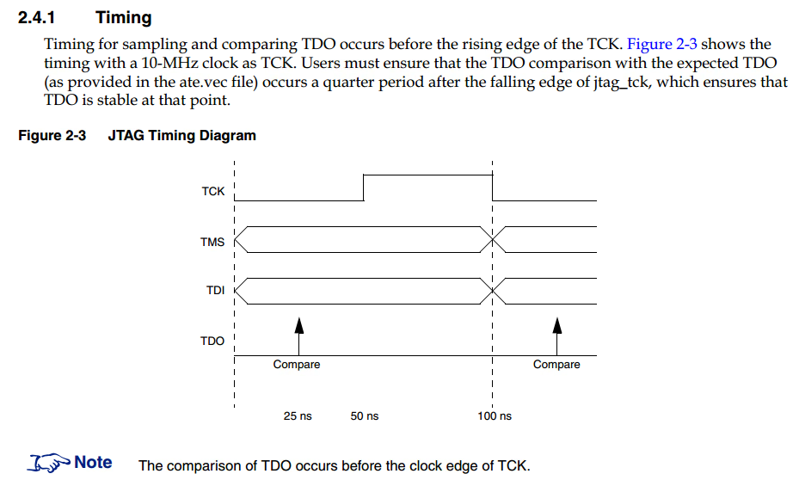
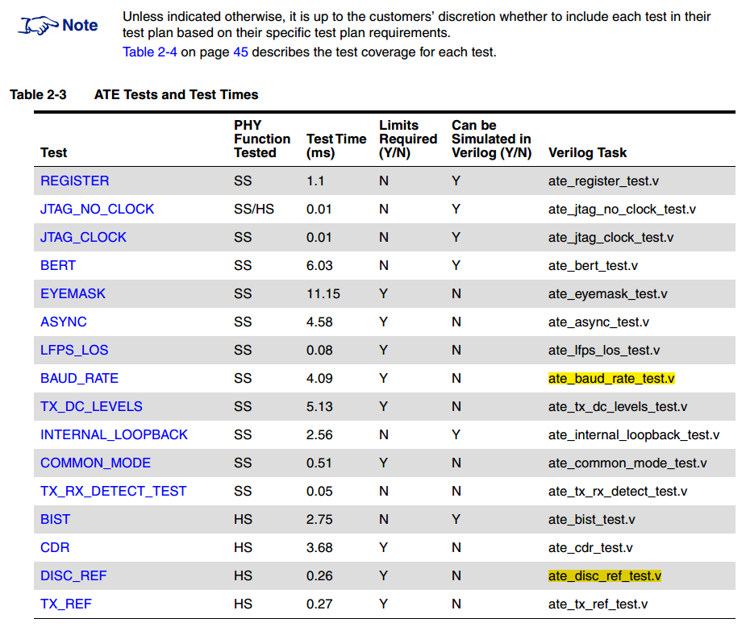
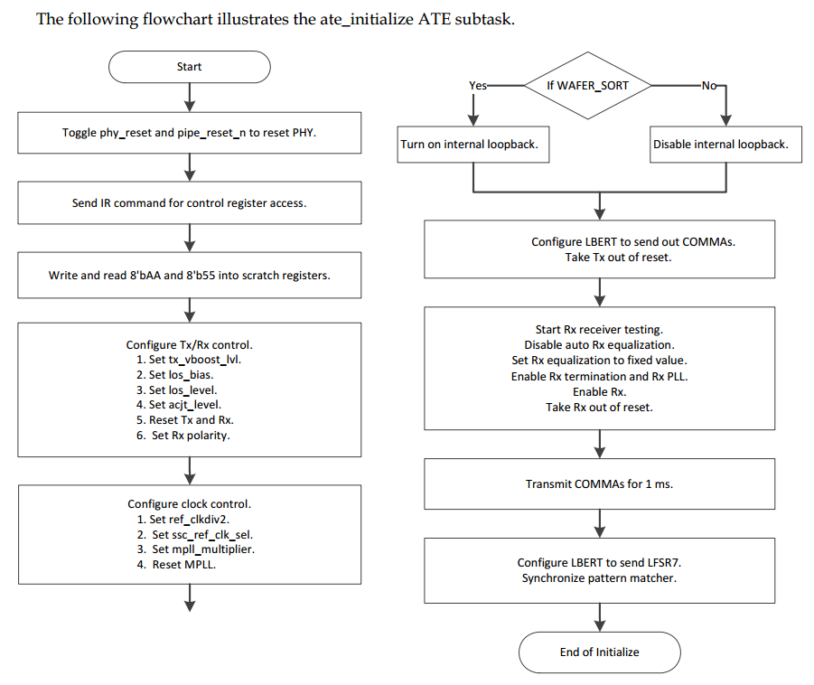
ATE test
Pins | jtag_tck
 | jtag_tdi
 | jtag_tms
 | jtag_tdo
 | ATERESET
 | phy_reset
 | pipe_reset_n
Setting | 1.Reset must deasserted
 | 2.The reference clock must be running, properly configured using ref_use_pad, and enabled using ref_ssp_en
 | 3.The test_powerdown_ssp and test_powerdown_hsp must be set to 1'b0
 | 4.The test_burnin signal must be set to 1'b0

