01-SOC电源_Decap配置
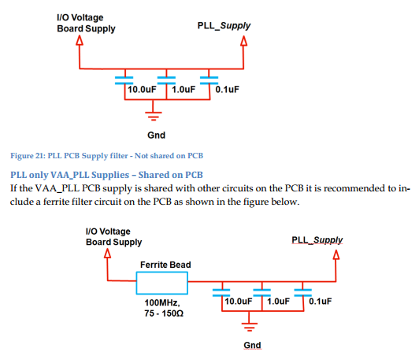
voltage name | voltage value | voltage range | IP name | Current(mA) | Remark
VDD | 0.9v | ±5% | core VDD | 2300 | 数字Core，TSMC，28nm
VDD18/VDD18_R | 1.8v | ±5% | TSMC general IO | 500 | 数字IO | 1、TYPEC
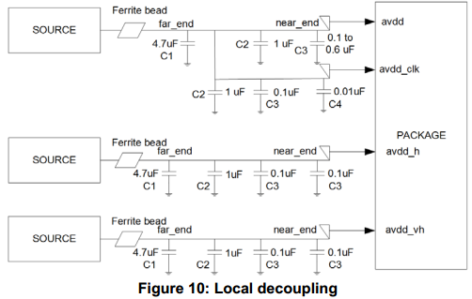
EMMC_VDD3 | 3.0v/1.8v | ±5% | TSMC SD/SIM IO | 200 | eMMC IO
SD_VDD3 | 3.0v/1.8v | ±5% | TSMC SD/SIM IO |  | SD IO
VDD33_RGM | 3.3v | ±5% | TSMC RGMII IO | 100 | RGMII IO
CA7_VDD | 1.0v | ±5% | A7 | 1000
CA7_AVDD1V8 | 1.8v | ±10% | A7 PLL analog | 2
CEVA_VDD | 1.0v | ±5% | CEVA | 2500
CEVA_AVDD1V8 | 1.8v | ±10% | CEVA PLL analog | 2
AVDD1V8_A | 1.8v | ±10% | ABB Analog | 140
AVDD1V8_B | 1.8v | ±10% | ABB Analog
AVDD1V8_OSC | 1.8v | ±10% | ABB Analog | 7
AVDD1V8_PLL | 1.8v | ±10% | ABB Analog | 11
USB_VP0V9 | 0.9v | +10%, -7% | USB | 90
USB_VDD3V3 | 3.3v | +10%, -7% | USB | 72
USB_DVDD0V9 | 0.9 | +10%, -7% | USB | 28
USB_VDDH3V3 | 3.3v | +10%, -7% | USB | 40
PCIE_VP | 0.9v | +10%, -7% | PCIEx2 | 47.6
PCIE_VPH | 3.3v/1.8v | +10%, -7% | PCIEx2 | 43.3 |  | 2、HDMI
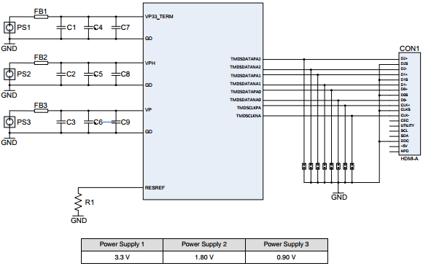
PCIE_VPTX | 0.9v | +10%, -7% | PCIEx2 | 22.5
MIPI_AVDD1V8 | 1.8v | ±10% | MIPIx8 | 29.6
HDMI_VP3V3_TERM | 3.3v | ±5% | HDMI | 36.61
HDMI_VPH | 1.8v | ±10% | HDMI | 32.37
HDMI_VP | 0.9v | ±10% | HDMI | 56.81
TYPEC_AVDD_H_1V8 | 1.8v | +10%, -12% | TYPEC | 4.47 | cc&pd /USBC phy,模拟电
TYPEC_AVDD_VH_3V3 | 3.3v | +10%, -11% | TYPEC | 100 | cc&pd /USBC phy,模拟电，高压
TYPEC_AVDD_CLK | 0.9v | +11%, -9% | TYPEC | 74.6
TYPEC_AVDD | 0.9v | +11%, -9% | TYPEC
DDR_AVDD1V8 | 1.8v | ±10% | DDR | 2
DDR_PLL_VDD | 1.8v | ±10% | DDR | 2
DDR_VDDQ | 1.5v (DDR3) 1.35v (DDR3L) 1.2v (DDR4) | ±5% | DDR | 1.5v --> 1000mA
DDR_VREFO_0 | 0.5*DDR_VDDQ | ±5% | DDR | 700
DDR_VREFO_1 | 0.5*DDR_VDDQ | ±5% | DDR
DDR_VREFI | 0.5*DDR_VDDQ | ±5% | DDR
DDR_VREFI_ZQ | 0.5*DDR_VDDQ | ±5% | DDR
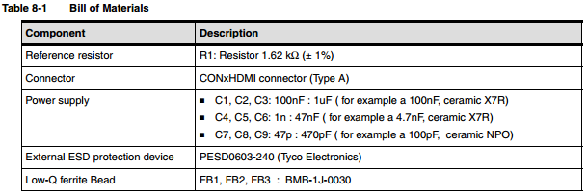
OTP_VDDIO1V8 | 1.8v | ±10% | OTP | 7

 |  |  |  |  |  | 3、MIPI
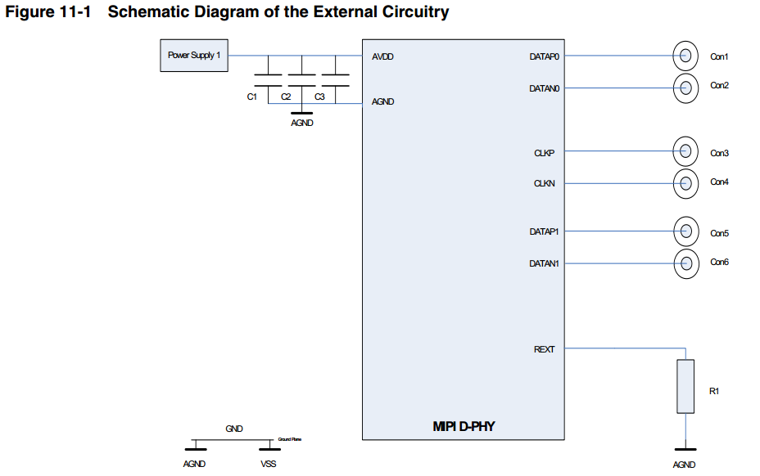

 |  |  |  |  |  | 4、DDR PLL

03-PMU时序
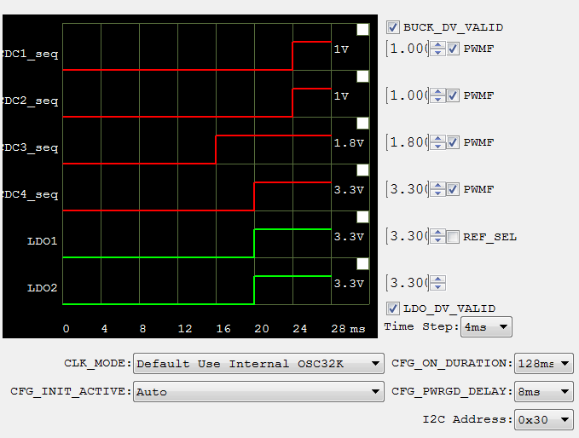
耗电评估（mA） |  |  |  | (T0= 约上电后126ms) |  |  |  |  | Q & A
 |  |  |  | T0 T1 | T2
RTP5905_#1 | Time step :4ms |  |  |  |  |  |  |  | 1 | VDD3V31V8_0
 |  |  |  |  |  |  |  |  |  | A: 不能合并
2500 | CEVA_VDD (1V0) |  |  |  |  |  |  |  | 2 | PCIE Jumper 选3.3V，1.8V， VDD3V31V8 时序要求

1000 | CA7_VDD (1V0) |  |  |  |  |  |  |  | 3 | T2 时刻， 1V和0.9V 都要晚于3.3V 10ms, 有时序要求吗，两个1V之间有要求吗

500 | VDD1V8 |  |  |  |  |  |  |  | 4 | T3 和T4的间隔吗？
 | (TSMC_IO/RGMII/ABB_analog/
 | CA7_AVDD1V8/CEVA_AVDD1V8/DDR_AVDD1V8) |  |  |  |  |  |  |  | 5 | TYPEC_AVDD (0V9) 和TYPEC_AVDD_VH_3V3 耗电

100（+43.3） | VDD3V3 | 预留外设耗电
 | (RGMII/HDMI/USB) |  |  |  |  |  |  |  | 时序 | ms
 |  |  |  |  |  |  |  |  | T0 | 0
100 | VDD3V31V8_0 |  |  |  |  |  |  |  | T1 | 4
 | (SPI flash/SD) |  |  |  |  |  |  |  | T2 | 8
 |  |  |  |  |  |  |  |  | T3 | 9
100 | VDD3V31V8_1 |  |  |  |  |  |  |  | T4 | 10
 | (eMMC) |  |  |  |  |  |  |  | T5 | 12
 |  |  |  |  |  |  |  |  | PWRGD#2 | 20
43.3 | VDD3V31V8 | Jumper选 VDD33 or VDD1V8
 | (PCIe) | 时序待确认 |  |  | Power Off Sequence
 |  |  |  |  | #2 LDO2 3.3V Disable |  |  | #1_PWRHOLD (T PHDL2POFF = 4ms)
 |  |  | Power On Sequence
RTP5905_#2 | Time step :1ms， 上电不开机版本 |  | #1 LDO1 3.3V Enable | #2_PWRHOLD (T PHDH2PON = 2ms)
 |  |  |  |  | T2 T3 | T4 | T5
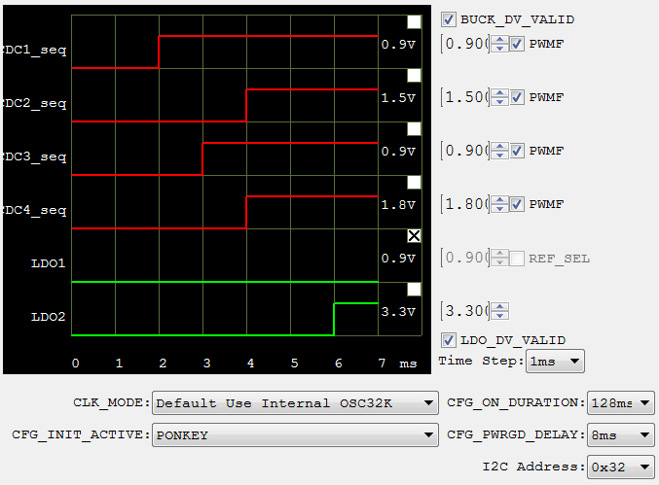
2465 | DVDD0V9(Core) / PCIE_VP0V9 / HDMI_VP0V9 / USB_VP0V9

700 | VDDQ1V5_1V35_1V2
 | (DDR_VDDQ)

? | TYPEC_AVDD (0V9)

 | DDR_PLL_VDD /
100 | MIPI_AVDD1V8 / OTP_VDDIO1V8 / TYPEC_AVDD_H_1V8 /
 | HDMI_VPH

? | TYPEC_AVDD_VH_3V3

04_上下电sleep逻辑_复位_时钟
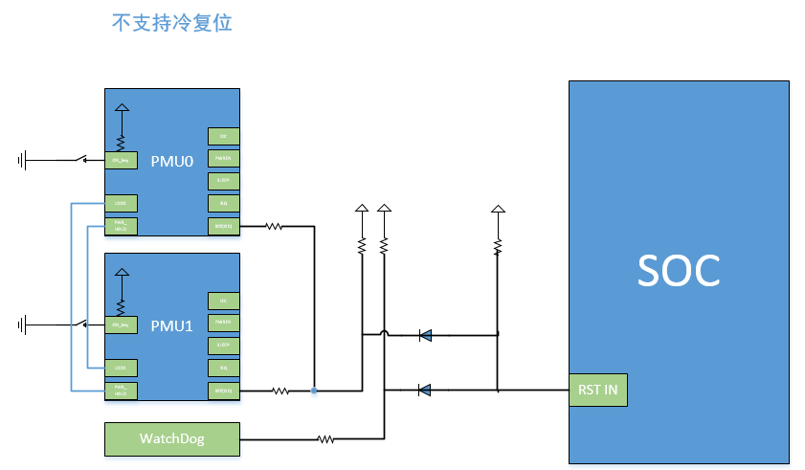
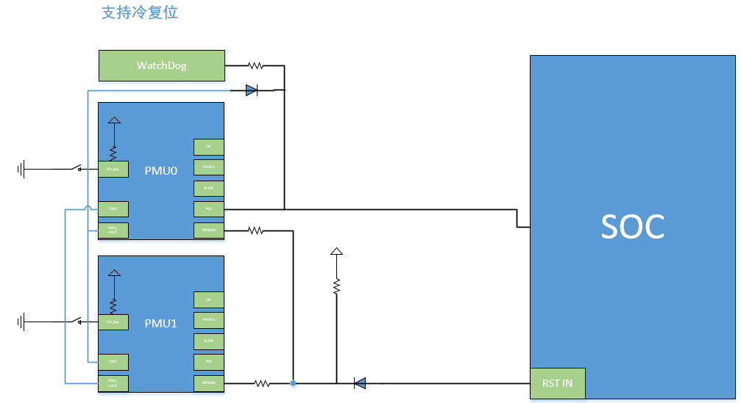
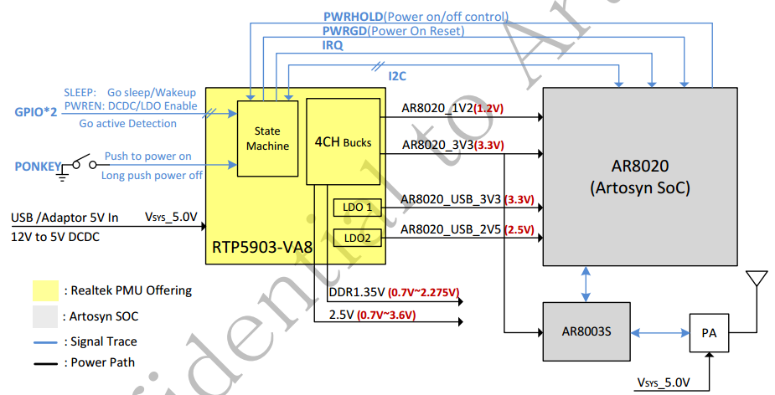
RTP5905 | “SWITCH OFF” TO “ACTIVE”
 | 1、上电切换到“ACTIVE”
 | 2、PONKEY
 | 3、PWRHOLD
 | 4、Drive IRQ_N to low (IRQ_PWR_ON_EN) or internal enabled IRQ (EN_IRQ_GO_ACTIVE) This two function default disabled
 | “ACTIVE” TO “SWITCH OFF”
 | 1、Soft Set GO_POW_OFF=1
 | 2、Push PONKEY to logic low
 | 3、Falling edge of PWRHOLD default disabled
 | 4、PMU under voltage switch off
 | “ACTIVE”<-> "STANDBY"
 | 1、Soft Set GO_STANDBY/Wakeup
 | 2、Sleep PIN
 | 3、IRQ

系统方案
开机 | 按键开机，按PMU0按键
 | 上电开机？
关机 | 按键关机，按PMU1按键
 | 软件关机，写PMU1寄存器
 | 掉电
自动PMU重启系统 (配置PMU0，不满足下电时序) (配置PMU1，不满足上电时序) | 软件写PMU？寄存器？
 | 长按PMU？PONKEY？
 | 内部PMU？timer进行PMU复位重启
硬件PMU复位系统 (冷复位功能) (不满足下电时序) | WDG接PMU0 PWRHOLD(兼容)->OFF PMU0->OFF PMU1->WDG接PMU0 IRQ->ON PMU0->ON PMU1
正常上电时序 | PMU0先上电->RST0高->PMU0的3.3V使能PMU1->PMU1上电完成，RST1 ok->PMU1的3.3V接PMU0 PSHOLD上电
正常下电时序 | PMU1先下电->先RST1低再电源掉电->PMU1的3.3V接到PMU0的pshold->PMU0下电

PMU信号
PONKEY | PMU 开机/关机/Reboot
SLEEP（GPIO0） | PMU 睡眠
PWREN（GPIO1） | PMU 电源硬线开关
PWRHOLD（GPIO2） | PMU 上电和下电
PWRGD | PMU RST输出
IRG | PMU 中断输出，上电功能
I2C | 通讯

系统连接
模块 | 支持冷复位(避免反复复位) | 不支持冷复位
按键 | PMU0 PONKEY | PMU0 PONKEY
 | PMU1 PONKEY | PMU1 PONKEY
SOC <-> PMU0 | SOC2PMU0_SLEEP | SOC2PMU0_SLEEP
 | SOC2PMU0_PWREN | SOC2PMU0_PWREN
 | SOC2PMU0_I2C | SOC2PMU0_I2C
 | PMU02SOC_IRG | PMU02SOC_IRG
SOC <-> PMU1 | SOC2PMU1_SLEEP | SOC2PMU1_SLEEP
 | SOC2PMU1_PWREN | SOC2PMU1_PWREN
 | SOC2PMU1_I2C | SOC2PMU1_I2C
 | PMU12SOC_IRG | PMU12SOC_IRG
PMU0 <-> PMU1 | PMU0的LDO2接PMU1的PWR_HOLD(避免互锁) | PMU0的LDO2接PMU1的PWR_HOLD
 | PMU1的LDO2接PMU0的PWR_HOLD(避免互锁) | PMU1的LDO2接PMU0的PWR_HOLD
RST | WDG接PMU0 PWRHOLD(与PMU1的输出兼容) | PMU02SOC_PWRGD相与后给SOC
 | PMU02SOC_PWRGD相与后给SOC | PMU12SOC_PWRGD相与后给SOC
 | PMU12SOC_PWRGD相与后给SOC | WDG2SOC_RST相与后给SOC

