Result1
K221220_Orrin-S235-6-Oxygen(3) - Result1
Cut Plan
Material | Thickness(mm) | Plate Size(mm*mm) |  | Nested Plate Size(mm*mm) |  | Cut number: | Cut time per piece | Part Qty
S235 | 6.00 | 1500.00 * 3000.00 |  | 1472.21 * 2983.69 |  | 2 | 34min36s | 98
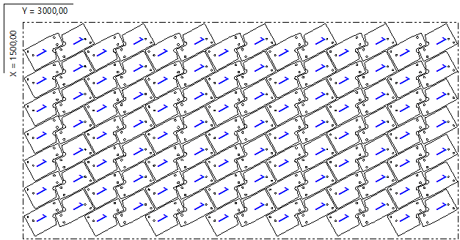

Part List
ID | Thumbnail | Part Name | Part Size(mm*mm) | Qty | Cut Length(m) | Marking length(m) | Defilm Length(m)
1227083 |  | Pos.2_MIR_S 235_6mm_228pcs | 265.15 * 160.40 | 98 / 228 | 1.01 | 0 | 0

Result2
K221220_Orrin-S235-6-Oxygen(3) - Result2
Cut Plan
Material | Thickness(mm) | Plate Size(mm*mm) |  | Nested Plate Size(mm*mm) |  | Cut number: | Cut time per piece | Part Qty
S235 | 6.00 | 1500.00 * 3000.00 |  | 1472.22 * 2983.60 |  | 2 | 35min07s | 98
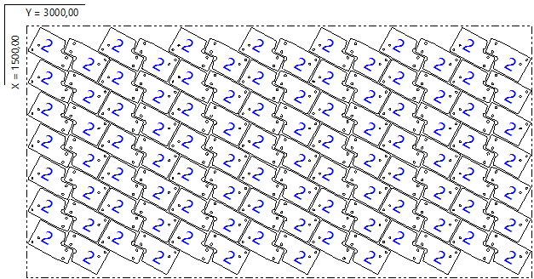

Part List
ID | Thumbnail | Part Name | Part Size(mm*mm) | Qty | Cut Length(m) | Marking length(m) | Defilm Length(m)
1227288 |  | Pos.2_S 235_6mm_228pcs | 160.40 * 265.15 | 98 / 228 | 1.01 | 0 | 0

Result3
K221220_Orrin-S235-6-Oxygen(3) - Result3
Cut Plan
Material | Thickness(mm) | Plate Size(mm*mm) |  | Nested Plate Size(mm*mm) |  | Cut number: | Cut time per piece | Part Qty
S235 | 6.00 | 1500.02 * 2034.69 |  | 1484.02 * 2018.69 |  | 1 | 22min53s | 64
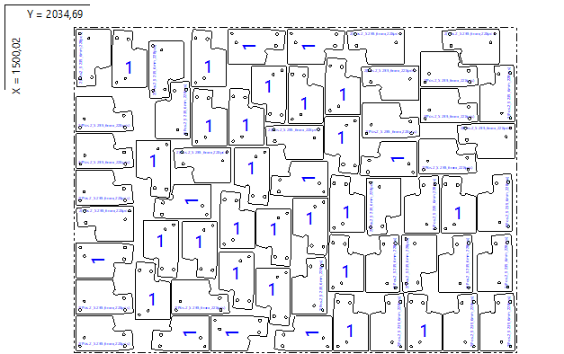

Part List
ID | Thumbnail | Part Name | Part Size(mm*mm) | Qty | Cut Length(m) | Marking length(m) | Defilm Length(m)
1227083 |  | Pos.2_MIR_S 235_6mm_228pcs | 265.15 * 160.40 | 32 / 228 | 1.01 | 0 | 0
1227288 |  | Pos.2_S 235_6mm_228pcs | 160.40 * 265.15 | 32 / 228 | 1.01 | 0 | 0

