Munka1
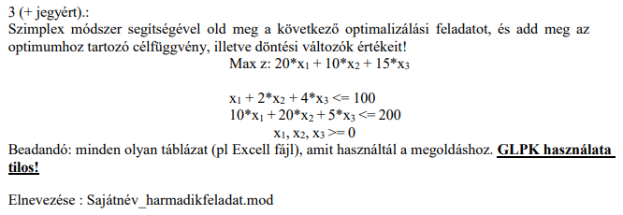

 | x1 | x2 | x3 | y1 | y2 | b
y1 | 1 | 2 | 4 | 1 | 0 | 100 | 100
y2 | 10 | 20 | 5 | 0 | 1 | 200 | 20
 | 20 | 10 | 15 | 0 | 0 | 0

 | x1 | x2 | x3 | y1 | y2 | b
y1 | 0 | 0 | 3.5 | 1 | -0.1 | 80 | 22.857142857
x1 | 1 | 2 | 0.5 | 0 | 0.1 | 20 | 40
 | 0 | -30 | 5 | 0 | -2 | 400

 | x1 | x2 | x3 | y1 | y2 | b
x3 | 0 | 0 | 1 | 0.28571428571 | -0.028571428571 | 22.857142857
x1 | 1 | 2 | 0 | -0.14285714286 | 0.11428571429 | 8.5714285714
 | 0 | -30 | 0 | -1.4285714286 | -1.8571428571 | 600

 | x1 = 8,571429
 | x2 = 0
 | x3 = 22,85714
 | célfüggvény = 600

