CCUS
 |  |  |  |  |  |  |  |  | 2.53

~FI_T:DEMAND
CommName | PL~2023 | PL~2030
*Jednostka | Wartość roczna zapotrzebowania [kton] |  |  |  |  |  |  |  |  |  |  |  |  |  |  |  | 29 GJ na tonę amoniaku

IND_CH3OHG_PULAWY | 0.10 | 0.10
IND_UREA_PULAWY | 0.10 | 0.10
 |  |  |  |  |  |  |  |  |  |  |  |  |  |  |  |  | 30 | GJ/t
 |  |  |  |  |  |  |  |  |  |  |  |  | 37 |  | 0 |  | 30 | PJ/Mt

Base-year technologies for ammonia production |  |  |  |  |  |  |  |  |  |  |  |  |  |  |  |  | 0.03
TechName | TechDesc | Comm-IN | Comm-OUT | Input | Input~2030 | *Output | EFF | Stock | Stock~2050 | Cap2ACT | ACT_BND~FX~2030 | SHARE-O~2030 | FIXOM | VAROM |  | 0
\I: |  |  |  |  |  |  |  | kt | kt |  | Mt |  | Eur/ton
IND_CCUS_MEA_PULAWY |  |  |  |  |  |  | 1 | 300 | 300 | 1 | 300
 |  | ELC_IND_PULAWY |  | 0.0003
 |  | HT_ECP_PULAWY |  | 0.003
 |  | IND_CO2_PULAWY |  | 1
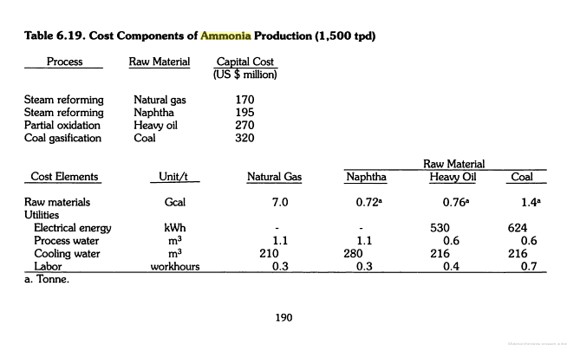
 |  |  | IND_CO2_CAP_PULAWY |  |  |  |  |  |  |  |  | 0.9
 |  |  | IND_CO2_ATM_PULAWY |  |  |  |  |  |  |  |  | 0.1

Base-year technologies for ammonia production
~FI_T
TechName | TechDesc | Comm-IN | Comm-OUT | Input | Input~2030 | Output~2030 | EFF | Stock | Stock~2050 | Cap2ACT | ACT_BND~FX~2030
\I: |  |  |  |  |  |  |  | Mt | Mt |  | Mt
IND_CCUS_UREA_PULAWY |  | IND_IAM |  |  | 0.57 |  |  | 1 | 1 | 1 | 0.1
 |  | HT_ECP_PULAWY |  |  | 0.9
 |  | IND_CO2_PULAWY |  |  | 730
 |  |  | IND_UREA_PULAWY |  |  | 1

IND_CCS_T&SEQ_PULAWY |  | IND_CO2_CAP_PULAWY |  |  | 1 |  | 1 | 1 | 1 | 1 | 0.1
 |  | IND_ELC |  |  | 0.2
 |  |  | IND_CO2_SEQ_PULAWY
IND_CCUS_CH3OHG_PULAWY |  | IND_CO2_CAP_PULAWY |  |  | 1,375 |  |  | 1 | 1 | 1 | 0.1
 |  | IND_H2G_LOCAL |  |  | 0.1875
 |  | IND_ELC |  |  | 0.3
 |  |  | IND_CH3OHG_PULAWY |  |  | 1

