Interpol_Extrapol_Defaults
Global interpolation settings
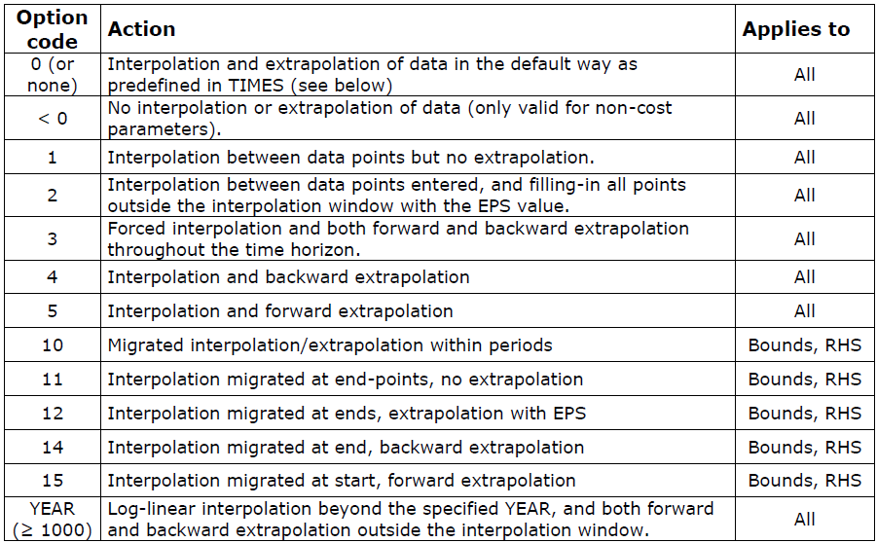
~TFM_MIG
LimType | Attribute | Year2 | AllRegions | Pset_PN
UP | ACT_BND | 0 | 5
UP | AFA | 0 | 5
 | Share-O | 0 | 5
 | Share-I | 0 | 5

Dummy Import Prices

~TFM_UPD
Attribute | AllRegions | Pset_Set | Pset_PN
ACTCOST | 55555 | IRE | IMP*Z
ACTCOST | 99999 | IRE | IMPDEMZ

 |  |  |  |  | Example with codes 0-5 using ACT_BND specifying data in 2020 and 2030 but changing inter/extra-polation code:

 |  |  |  |  | ACT_BND(r,2020,p,s,bd) = 50
 |  |  |  |  | ACT_BND(r,2030,p,s,bd) = 100

 |  |  |  |  | ACT_BND(r,'0',p,s,bd) = ??

 |  |  |  |  | Option | Description | 2015 | 2020 | 2025 | 2030 | 2035 | 2040 | 2045 | 2050
 |  |  |  |  | Case 1 | No declaration (default) or 0 - No interpolation AND extrapolation |  | 50 |  | 100
 |  |  |  |  | Case 2 | -1 - NO interpolation AND extrapolation |  | 50 |  | 100
 |  |  |  |  | Case 3 | 1 - Interpolation but NOT extrapolation |  | 50 | 75 | 100
 |  |  |  |  | Case 4 | 2 - Interpolation, but extrapolation with EPS (0) | 0 | 50 | 75 | 100 | 0 | 0 | 0 | 0
 |  |  |  |  | Case 5 | 3 - Full interpolation and extrapolation | 50 | 50 | 75 | 100 | 100 | 100 | 100 | 100
 |  |  |  |  | Case 6 | 4 - Interpolation AND backward extrapolation | 50 | 50 | 75 | 100
 |  |  |  |  | Case 7 | 5 - Interpolation AND forward extrapolation |  | 50 | 75 | 100 | 100 | 100 | 100 | 100

