Interpol_Extrapol_Defaults
Global interpolation settings
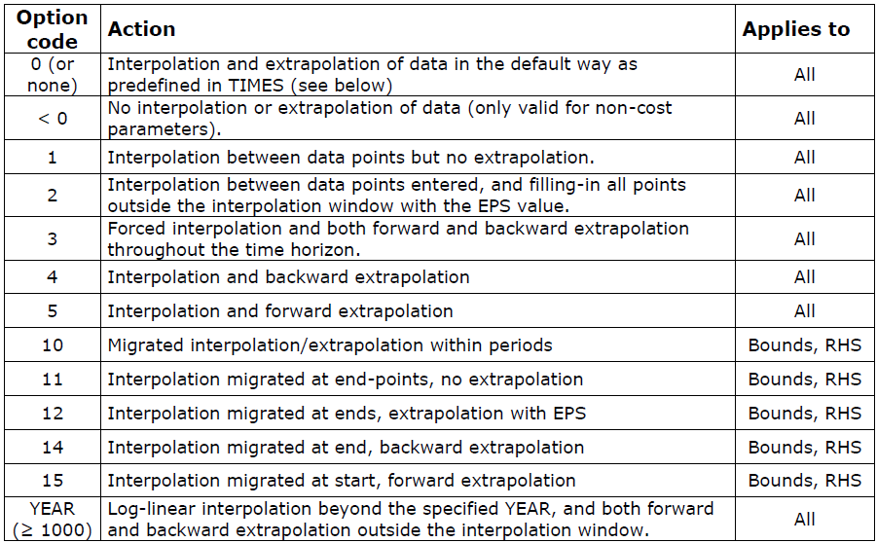
~TFM_MIG
LimType | Attribute | Year2 | AllRegions | Pset_PN
UP | ACT_BND | 0 | 5
UP | AFA | 0 | 5

UP | Share-O | 0 | 5
UP | Share-I | 0 | 5

Dummy Import Prices

~TFM_UPD
Attribute | AllRegions | Pset_Set | Pset_PN
ACTCOST | 5555 | IRE | IMP*Z
ACTCOST | 9999 | IRE | IMPDEMZ

