Sheet1

N: | 1
Summary: | Main page | 
Environment: | Browser: GoogleChrome Version 70.0.3538.77 (Official Build) (64-bit) Ширина × Высота: 375 × 812 | IphoneX
Precondition:

Steps to reproduce:
1 | Open main page
2
3
4
5

Actual result: | see on screenshots
Expected result:
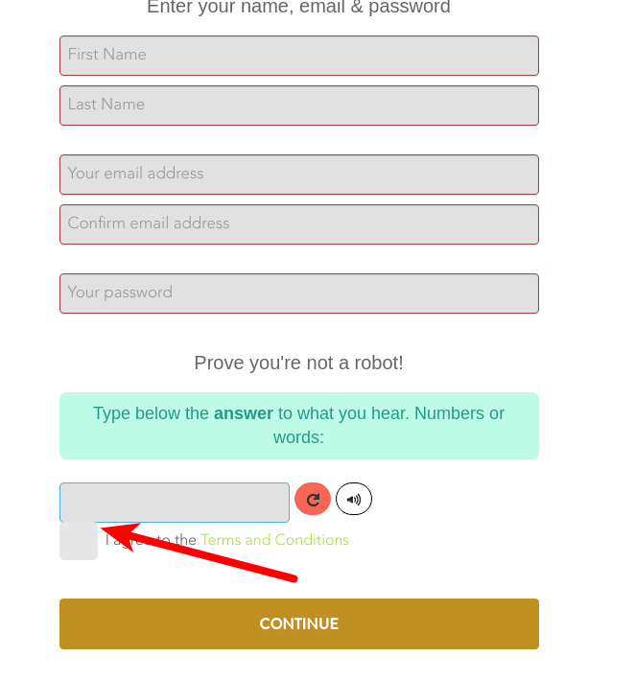

N: | 2
Summary: | SignUp page: checkbox
Environment: | Browser: Version 70.0.3538.77 (Official Build) (64-bit) Ширина × Высота: 1920 × 1080 | Desktop
Precondition:

Steps to reproduce:
1 | open signup page
2
3
4
5

Actual result: | Checkbox over captcha
Expected result:

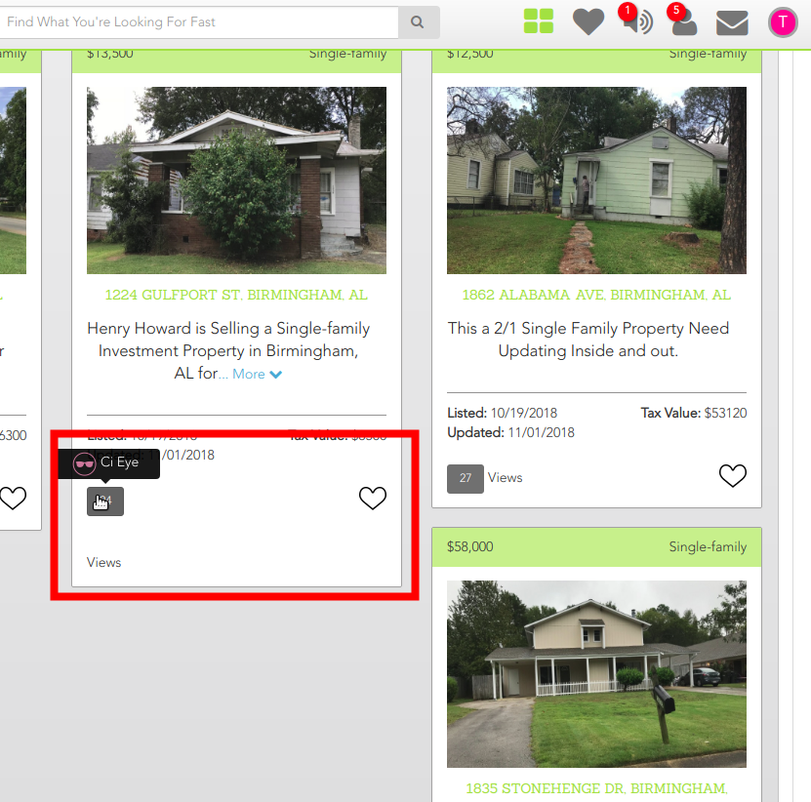
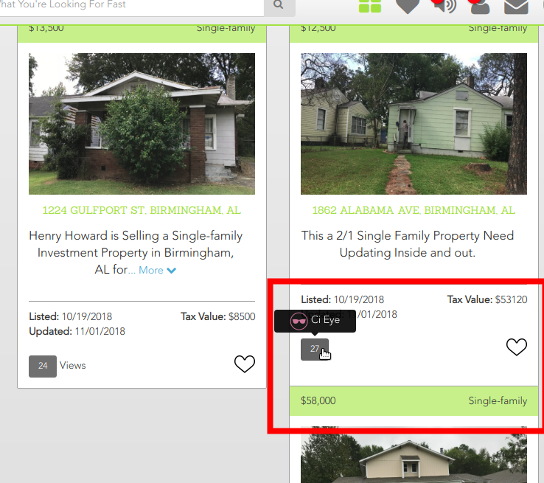

N: | 3
Summary: | Properties member : bring on views
Environment: | Browser: Version 70.0.3538.77 (Official Build) (64-bit) Ширина × Высота: 1920 × 1080 | Desktop
Precondition: | 1. open https://connectedinvestors.com/ppp
 | 2. Login as “testdev1@empty.com/testdev1”
Steps to reproduce:
1 | visit
2 | place cursor on views
3
4
5

Actual result: | see on screenshot 1
Expected result: | see on screenshot 2

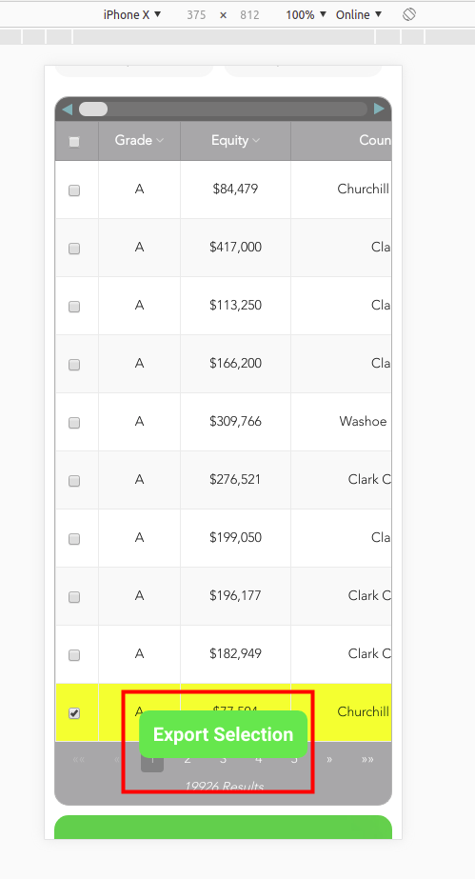
N: | 4
Summary: | Properties PIN : export button
Environment: | Browser: GoogleChrome Version 70.0.3538.77 (Official Build) (64-bit) Ширина × Высота: 375 × 812 | IphoneX
Precondition: | 1. Login as “testdev1@empty.com/testdev1”
 | 2. Open https://connectedinvestors.com/pinpoint-profits
Steps to reproduce:
1 | scroll to the table
2 | click to the checkbox on any column
3
4
5

Actual result: | button is over pagination
Expected result:

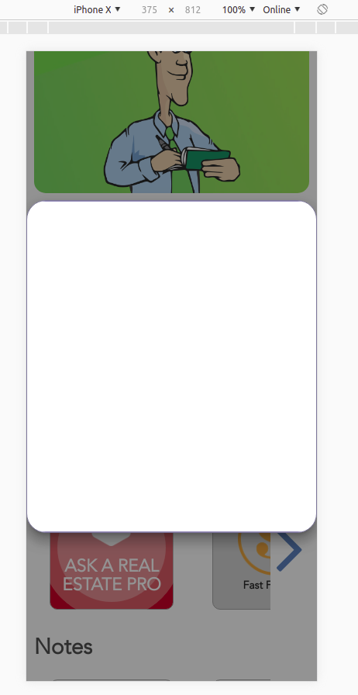

N: | 5
Summary: | Properties PIN : export button
Environment: | Browser: GoogleChrome Version 70.0.3538.77 (Official Build) (64-bit) Ширина × Высота: 375 × 812 | IphoneX
Precondition: | 1. Login as “testdev1@empty.com/testdev1”
 | 2. Open https://connectedinvestors.com/pinpoint-profits
Steps to reproduce:
1 | scroll to the downloads
2 | click on any download
3
4
5

Actual result: | display modal without pdf document
Expected result:

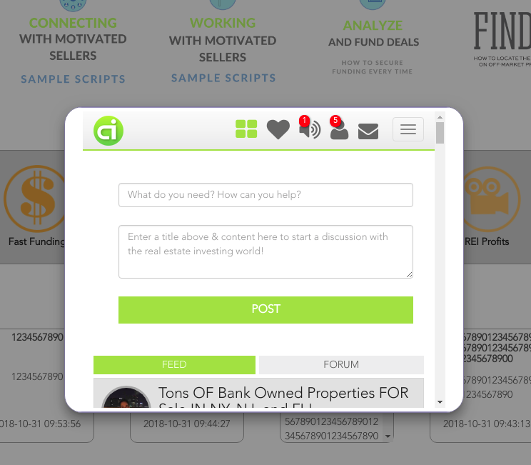
N: | 6
Summary: | Page PIN : downloads
Environment: | Browser: GoogleChrome Version 70.0.3538.77 (Official Build) (64-bit) Ширина × Высота: 1920 × 1080 | Desktop
Precondition: | 1. Login as “testdev1@empty.com/testdev1”
 | 2. Open https://connectedinvestors.com/pinpoint-profits
Steps to reproduce:
1 | scroll to the downloads
2 | click to the any block download, after 5th block
3
4
5

Actual result: | First 5 downloads working, but the next ones don't work. P.S. see on screenshot
Expected result:

N: | 7
Summary: | Page PIN : vertical table scroll | 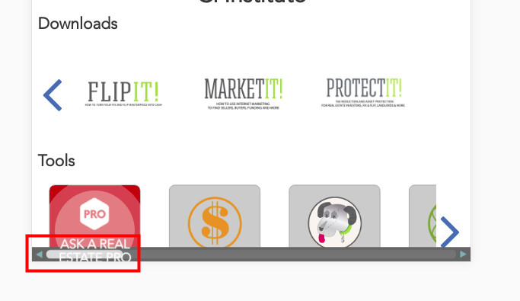
Environment: | Browser: GoogleChrome Version 70.0.3538.77 (Official Build) (64-bit) Ширина × Высота: 768 × 1024 | iPad
Precondition: | 1. Login as “testdev1@empty.com/testdev1”
 | 2. Open https://connectedinvestors.com/pinpoint-profits
Steps to reproduce:
1 | scroll under table
2
3
4
5

Actual result: | show to bottom scroll & text and logotype over scroll
Expected result:
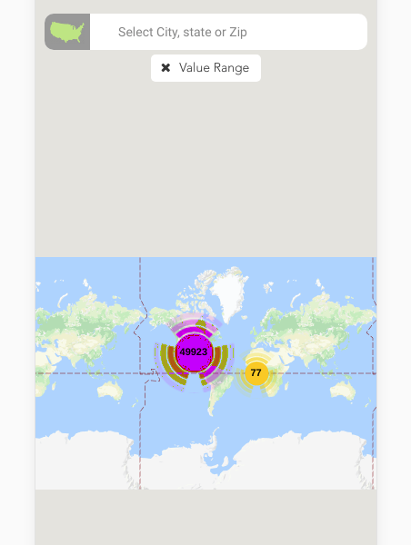

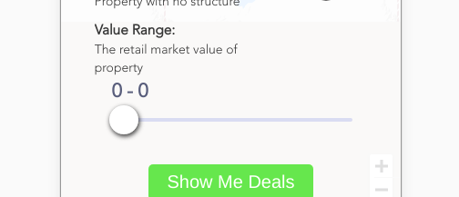
N: | 8
Summary: | Page PIN : filter value
Environment: | Browser: GoogleChrome Version 70.0.3538.77 (Official Build) (64-bit) Ширина × Высота: 768 × 1024 | iPad
Precondition: | 1. Login as “testdev1@empty.com/testdev1”
 | 2. Open https://connectedinvestors.com/pinpoint-profits
Steps to reproduce:
1 | select value range from 0 to 0
2
3
4
5

Actual result: | show all deals
Expected result: | show deal value = 0 or show nothing deals

Screenshot 1
Screenshot 2
N: | 9
Summary: | Page PIN : deal modal
Environment: | Browser: GoogleChrome Version 70.0.3538.77 (Official Build) (64-bit) Ширина × Высота: 375 × 812 vertical position | iPhone X
Precondition: | 1. Login as “testdev1@empty.com/testdev1”
 | 2. Open https://connectedinvestors.com/pinpoint-profits
Steps to reproduce:
1 | click any deal on map
2
3
4
5

Actual result: | see on screenshot 1
Expected result: | see on screenshot 2

