Dataset Stats
Stat | Count (Train) | Count (Test) | Exchange test and train
Total Conversations | 66927 | 155128 |  |  | Notes
Predatory Conversations | 2016 | 3737
Messages | 903607 | 2058781
Users | 97689 | 218702
Distinct Predators | 142 | 254
Predators in Binary Conversations | 2016 | 3737
Perdators in non-binary conversations | 0 | 0 | >> | If a message is from a non-binary conversation or a conversation is non-binary, then the message/conversation is normal!
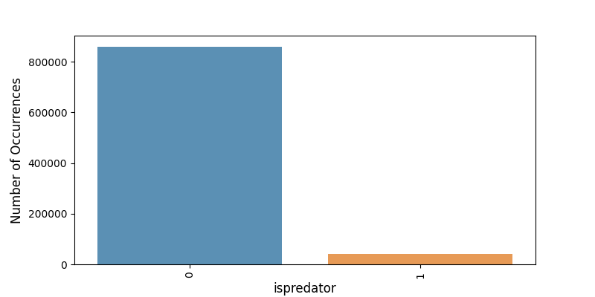
Average Messages in Conversation | 13.5 | 13.27
Average Messages in a predatory Conversation | 12.31 | 12.46
>1 Predators in a conversation | 0 | 0
Portion of the conversation that a predator is engages in / ratio (in terms of #message) | ? | ?
#predators in non-predatory conversations | 1/Conversation | 1/Conversation

