00_ClusteringProcess
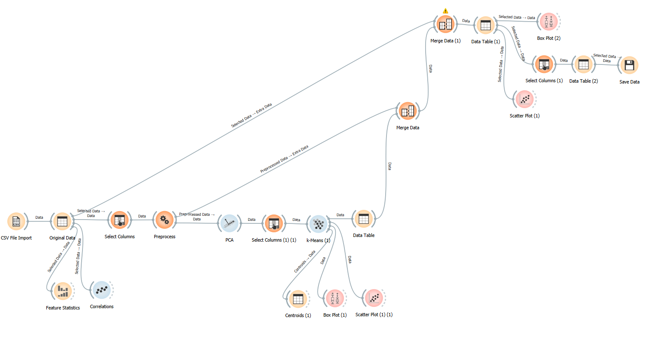
Clustering Process Flow
1 | 2 | 3 | 4
Understanding PCA weights | K-Means | Comprehending Clusters | Linking back to Original Features
PCA |  | Cluster Definitions

01_Meaning
Count of Cluster | Column Labels |  |  |  |  | Count of Cluster | Column Labels |  |  |  |  | Count of Cluster | Column Labels |  |  |  |  | Count of Cluster | Column Labels |  |  |  |  | Count of Cluster | Column Labels
MSRP | C1 | C2 | C3 | C4 | Grand Total | CITY_MPG | C1 | C2 | C3 | C4 | Grand Total | YEAR | C1 | C2 | C3 | C4 | Grand Total | BRAND/ENG_VOL | C1 | C2 | C3 | C4 | Grand Total | LUX | C1 | C2 | C3 | C4 | Grand Total
17000-36999 | 2 | 61 | 14 | 14 | 91 | 0-19 | 49 | 4 | 59 | 7 | 119 | 2022 |  | 3 | 2 |  | 5 | 1.2L |  | 4 |  |  | 4 | 0 | 34 | 82 | 60 | 35 | 211
37000-56999 | 12 | 19 | 45 | 29 | 105 | 20-39 | 9 | 50 | 10 | 47 | 116 | 2023 | 29 | 52 | 40 | 17 | 138 | 1.3L |  | 1 |  | 1 | 2 | 1 | 24 | 8 | 13 | 19 | 64
57000-76999 | 19 | 2 | 9 | 10 | 40 | 40-59 |  | 8 |  |  | 8 | 2024 | 27 | 35 | 31 | 36 | 129 | 1.5L |  | 7 |  | 1 | 8 | Grand Total | 58 | 90 | 73 | 54 | 275
77000-96999 | 11 | 3 | 2 | 1 | 17 | 60-79 |  | 4 |  |  | 4 | Grand Total | 56 | 90 | 73 | 53 | 272 | 1.6L |  | 7 |  | 3 | 10 | pct | 41% | 9% | 18% | 35%
97000-116999 | 4 | 4 | 2 |  | 10 | 80-99 |  | 12 | 2 |  | 14 |  |  |  |  |  |  | 2.0L | 12 | 18 | 1 | 42 | 73
117000-136999 | 7 |  |  |  | 7 | 100-119 |  | 7 | 2 |  | 9 | Count of Cluster | Column Labels |  |  |  |  | 2.3L | 1 | 1 |  |  | 2 | Count of Cluster | Column Labels
137000-156999 | 2 | 1 | 1 |  | 4 | 120-140 |  | 5 |  |  | 5 | BRAND | C1 | C2 | C3 | C4 | Grand Total | 2.4L | 2 | 3 | 2 | 3 | 10 | SPORTS | C1 | C2 | C3 | C4 | Grand Total
157000-176999 | 1 |  |  |  | 1 | Grand Total | 58 | 90 | 73 | 54 | 275 | Audi | 10 | 4 | 1 | 5 | 20 | 2.5L | 2 | 20 | 1 |  | 23 | 0 | 36 | 74 | 61 | 36 | 207
Grand Total | 58 | 90 | 73 | 54 | 275 |  |  |  |  |  |  | BMW | 9 | 2 | 2 | 7 | 20 | 2.7L |  | 1 | 2 |  | 3 | 1 | 22 | 16 | 12 | 18 | 68
 |  |  |  |  |  |  |  |  |  |  |  | Buick |  | 2 | 1 | 1 | 4 | 2.9L | 2 |  |  |  | 2 | Grand Total | 58 | 90 | 73 | 54 | 275
 |  |  |  |  |  |  |  |  |  |  |  | Cadillac | 2 |  | 4 | 4 | 10 | 3.0L | 17 |  | 2 | 4 | 23 | pct | 38% | 18% | 16% | 33%
Count of Cluster | Column Labels |  |  |  |  | Count of Cluster | Column Labels |  |  |  |  | Chevrolet |  | 7 | 12 | 1 | 20 | 3.3L | 2 |  | 1 |  | 3
ENG_TURBO | C1 | C2 | C3 | C4 | Grand Total | HWY_MPG | C1 | C2 | C3 | C4 | Grand Total | Chrysler |  |  | 2 |  | 2 | 3.4L | 3 |  | 1 |  | 4
Not Turbo | 2 | 72 | 66 |  | 140 | 0-19 | 17 | 3 | 26 | 4 | 50 | Dodge |  |  | 3 | 1 | 4 | 3.5L |  |  | 15 |  | 15
Turbo | 49 | 18 | 5 | 54 | 126 | 20-39 | 41 | 51 | 43 | 50 | 185 | Ford | 2 | 5 | 10 | 3 | 20 | 3.6L | 1 |  | 14 |  | 15
Twin-Turbo | 7 |  | 2 |  | 9 | 40-59 |  | 8 |  |  | 8 | Honda |  | 4 | 4 |  | 8 | 3.8L | 1 |  | 3 |  | 4
Grand Total | 58 | 90 | 73 | 54 | 275 | 60-79 |  | 6 |  |  | 6 | Hyundai |  | 9 | 1 | 1 | 11 | 4.0L | 8 |  | 1 |  | 9
 |  |  |  |  |  | 80-99 |  | 18 | 3 |  | 21 | Jaguar | 1 | 1 |  | 3 | 5 | 4.3L |  |  | 2 |  | 2
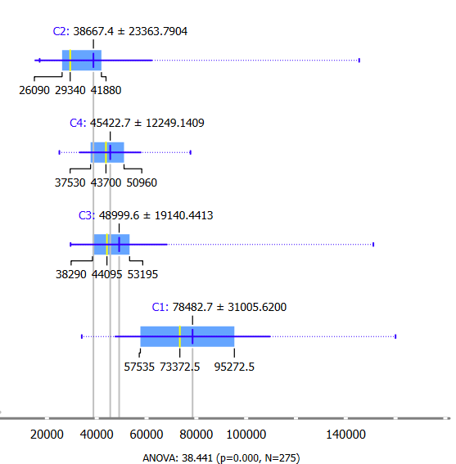
 |  |  |  |  |  | 100-119 |  | 4 | 1 |  | 5 | Jeep | 3 | 2 | 3 | 1 | 9 | 4.4L | 4 |  |  |  | 4
 |  |  |  |  |  | Grand Total | 58 | 90 | 73 | 54 | 275 | Kia | 1 | 9 | 2 | 1 | 13 | 4.6L |  |  | 1 |  | 1
 |  |  |  |  |  |  |  |  |  |  |  | Land | 4 |  |  |  | 4 | 5.0L | 1 |  | 1 |  | 2
 |  |  |  |  |  | Count of Cluster | Column Labels |  |  |  |  | Lexus | 2 | 2 | 5 | 2 | 11 | 5.3L |  |  | 3 |  | 3
 |  |  |  |  |  | # of SEATS | C1 | C2 | C3 | C4 | Grand Total | Mazda | 2 | 6 |  |  | 8 | 5.5L |  |  | 1 |  | 1
 |  |  |  |  |  | 2 | 4 | 1 | 9 |  | 14 | Mercedes‑Benz | 8 | 4 | 1 | 7 | 20 | 5.6L |  |  | 3 |  | 3
 |  |  |  |  |  | 3 |  |  | 1 |  | 1 | Nissan | 1 | 8 | 8 |  | 17 | 5.7L |  |  | 2 |  | 2
 |  |  |  |  |  | 4 | 5 |  | 7 |  | 12 | Porsche | 3 |  | 3 | 1 | 7 | 6.2L | 1 |  | 2 |  | 3
 |  |  |  |  |  | 5 | 33 | 86 | 31 | 53 | 203 | Ram |  | 1 | 6 |  | 7 | 6.4L |  |  | 2 |  | 2
 |  |  |  |  |  | 6 | 1 | 2 | 4 |  | 7 | Subaru | 1 | 6 | 1 | 1 | 9 | 6.6L |  |  | 2 |  | 2
 |  |  |  |  |  | 7 | 13 | 1 | 13 | 1 | 28 | Toyota | 3 | 13 | 3 | 1 | 20 | 6.7L | 1 |  |  |  | 1
 |  |  |  |  |  | 8 | 1 |  | 6 |  | 7 | Volkswagen |  | 3 | 1 | 5 | 9 | 6.8L |  |  | 2 |  | 2
 |  |  |  |  |  | 12 |  |  | 2 |  | 2 | Volvo | 4 | 2 |  | 8 | 14 | Electric |  | 28 | 9 |  | 37
 |  |  |  |  |  | 15 | 1 |  |  |  | 1 | (blank) | 2 |  |  | 1 | 3 | Grand Total | 58 | 90 | 73 | 54 | 275
 |  |  |  |  |  | Grand Total | 58 | 90 | 73 | 54 | 275 | Grand Total | 58 | 90 | 73 | 54 | 275

