RFP Conditions
 | Supplier/ Manufactures name:
 | Address :

 | Tick the check box in column C if items in column B are inclusive/complied/submitted. Give any comments in column D.
The scope includes, |  | Comments if any
1 | Batteries- Battery module, Battery enclosure / unit
2 | Inverters
3 | EMS
4 | Power Park Controller
5 | Stand-by / auxiliary / emergency power requirements
6 | Environmental impact mitigatory measures
7 | Step up Transformer
8 | Auxiliary Transformer
9 | Switch gear & protection schemes
10 | SCADA facilities up to the Termination Point
11 | Energy Meters
12 | Power conditioning system
13 | Grid Code compliance monitoring system
14 | All other appurtenant equipment i.e., Cooling Systems, etc
15 | If any other please specify.

The BESS and its auxilliaries can comply with the following,

1 | The BESS will be available for 400 full equivalent cycles per year. (at least 20 cycles per month)
2 | Will guarantee a minimum system availability of 97% on monthly basis.
 | 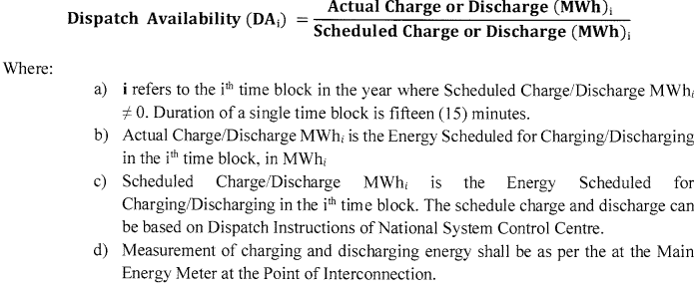
3 | Will demonstrate, on annual basis, 100% of the minimum Dispatchable capacity of the BESS. Taking into consideration capacity degradation, the minimum dispatchable energy to be made available by the Project Company at the end of a given year shall be as follows:
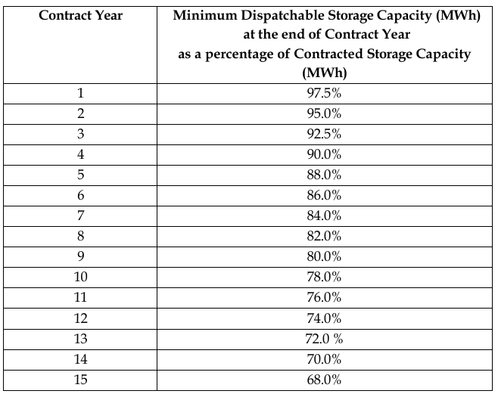

4 | Will guarantee a minimum AC to AC roundtrip efficiency (RtE) minimum 85% for the system on monthly basis.
 | 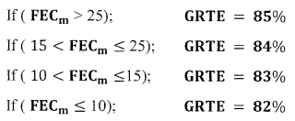
5 | Type & ratings of major equipment, MV & LV switch gear, etc.(the maximum fault levels for each grid substation are given below) Can comply with specified maximum fault levels.
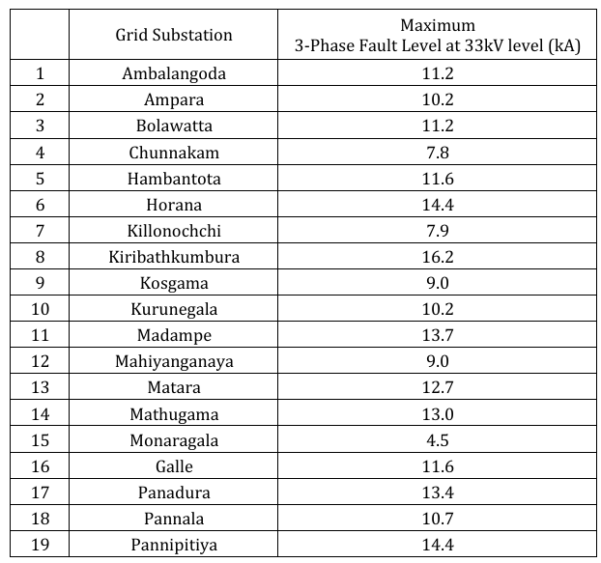

6 | Protection scheme proposed to be provided for the bus-bars, transformers, inverters and other applicable switchgears, including fire protection to comply with the provisions of Grid Connection Code and “CEB Guide for Grid Interconnection of Embedded Generators” and as amended. Protection schemes may have interfacing with power system equipment and these protective schemes shall be subjected to the concurrence of NSO.
7 | Equipment offered shall be new and unused. All equipment and plant design must conform to NSO regulations applied to any power plant connected to Sri Lankan power system as stipulated in the Annex A, B and C, Volume I of the RFP.
8 | The meters/recorders will meter, record, and transmit the data on the power/energy flow to the NSO system.
9 | Will provide Industrial grade, independent SCADA gateway for integration with National System Control Center.
10 | SCADA gateways will comply with the IEC 60870-5-104 for Master station standards.
11 | Equipment and port redundancy will be available for the SCADA gateway. In case of a main one failure, standby unit shall be able to switch to main operation with NSCC.
12 | Will provide a reliable technical solution to integrate the data feeds from dual redundant sources to the gateways, ensuring the seamless SCADA reporting with precise time stamps.
13 | All the signals related to BESS Facility as per typical signal lists attached as Annex D of Volume I of RFP shall be configured in the Gateway as per the IEC 60870 – 5 – 104 protocol and made available to SCC by Project Company via the NTNSP communication equipment at the relevant Grid Substation before the commissioning. Gateway configuration parameters are given in Annex D of Volume I of RFP. The communication interfaces will be configured as in Annex D of Volume I of RFP. Finalized Signal List will be submitted at least 02 weeks prior to the commissioning.

Following will also be included in the scope,
14 | Fiber Optic Cable from BESS to Grid - Two (02) nos. separate fiber optic cables (for redundancy) will be drawn from BESS to the Grid Substation. The fiber cable will contain 8 nos. of single mode fiber cores suitable for transmission of 1310 nm and 1550nm optical wavelengths and they will be in conformity with ITU-T recommendations G.652.D.
15 | A suitable distribution frame/patch panels with single mode pig tail (FC) terminations will be installed at two ends of FO cables to terminate 48 Nos. of cores. Suitable all dielectric ruggedized optical fiber approach cables will be used from the outside switchyard joint box to the indoor patch panel of Grid Substation.
16 | A suitable DC powered firewall with redundant power supply units will be supplied, installed and commissioned (to suit the NSO/NSCC recommended security rules/policies) at the Grid Substation. And from this firewall there will be 02 Nos. of parallel 1 Gbps optical Ethernet links on the two redundant optical fiber cables, commissioned up to an appropriate firewall/network switch installed at the BESS end. The firewall at Grid Substation may require NAT (network Address translation) facility for masking the internal subnets.
17 | At the grid substation from this new firewall there will be 02 Nos. of Electrical 1000Base T type parallel links (trunks) to the existing optical multiplexer to interface SCADA and Voice over IP facilities tagged with IEEE 802.1Q VLANs.
18 | An IP desktop phone will be made available at BESS to provide operational voice communication with NSCC.

Documents to be submitted
1 | Filled RFP Volume II Section 6- Technical Specification table (Attached form to be fiiled)
2 | BESS Modules to be installed should comply with the relevant International Standard as per Section 6 of Volume II of RFP (IEC 62619, IEC 62620, IEC 62902, IEC 62485-5, IEC 63056, IEC 62933-1, IEC 62933-2-1, IEC 62933-5-2, UL 9540, UL 9540A, UL 1973, UN 38.3, etc or latest available equivalent Standards) Document evidence for compliance.
3 | Inverters and Power Conditioning Systems shall comply with the latest editions of the following standards: IEEE 1547-2018 (Standard for Interconnection and Interoperability of Distributed Energy Resources), IEEE 2800-2022 (Standard for Interconnection and Interoperability of Inverter-Based Resources Interconnecting with Associated Transmission Electric Power Systems), UL 1741-SB (Inverters, Converters, Controllers and Interconnection System Equipment, Supplement B for Grid Support Utility Interactive Inverters), IEC 62477-1, IEC 62109-1/2, IEC TS 62786-3 (stationary battery energy storage connected to the grid), and the relevant requirements of the Sri Lanka Grid Connection Code dated 22 July 2024 Document evidence for compliance.
4 | Technical document of Batteries
5 | Technical document of power convertors
6 | Technical document of transformers
7 | Details of Protection schemes
8 | Details of SCADA and Telecommunication system
9 | Land requirement - Submit the detailed typical BESS Layout document to understand the land requirement with dimensions.
10 | A documents including required number of battery modules, inverters, and associated control systems for the project
11 | Relevant literature, brochures, or technical documents describing the manufacturer’s business, facilities, and organizational capabilities.
12 | Documents of track record, to prove the technology
13 | Filled form of Experience record of the proposed battery energy storage equipment/ PCs manufacturer/ supplier (Attached form to be filled)
14 | Project Milestone schedule – should achieve COD within 6 months (order placement, deleivery, erection, commisioning, ect)
15 | Operation and Maintenace manual and plan for O&M activities
16 | Details of auxiliary Power consumption during charging, discharging and idle
17 | Disposing process at the end of the period-recommendation
18 | Civil foundation drawings and other civil work related requirements
19 | Logistics requirements, Road transport and shipping conditions
20 | Single line diagram
21 | Submit initial non-site-specific simulation models of the BESS in both PSS®E and PSCAD™/EMTDC™ formats along with the tender for evaluation OR provide test results with the tender, demonstrating the BESS response in terms of voltage (V), active power (P), and reactive power (Q) during deep and shallow faults, and for a +50-degree phase angle step change at the Point of Connection (POC), under Short Circuit Ratio (SCR) levels of 1, 3, 5, and 10, with an X/R ratio of 5
22 | Warranty details (Basic warranty certificates for each equipment) and if extended for 15 years
23 | Warranty details for each equipment with Long term services agreement
24 | Draft Long Term Services Agreement with commercial terms
25 | List of Spares
26 | Expression of Interest to supply
27 | Commercial offer for supply of each equipment with basic warranty
28 | Commercial offer for the extented warranty of equipment
29 | Commercial offer for LTSA

Characteristic curves & tables
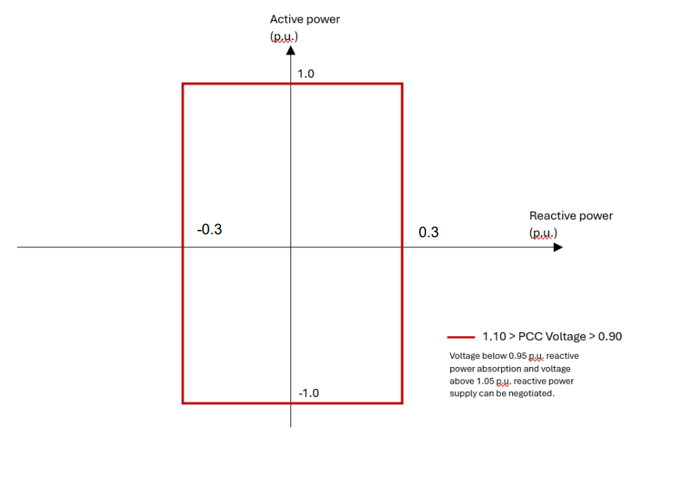
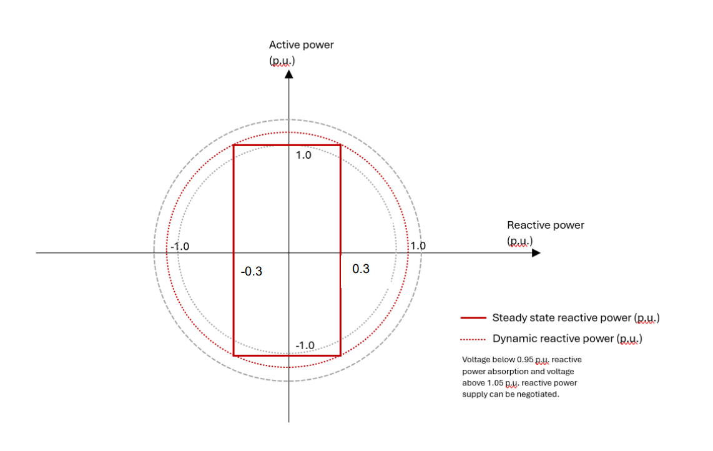
Power System Characteristics | A.05.03 Frequency Support Capability
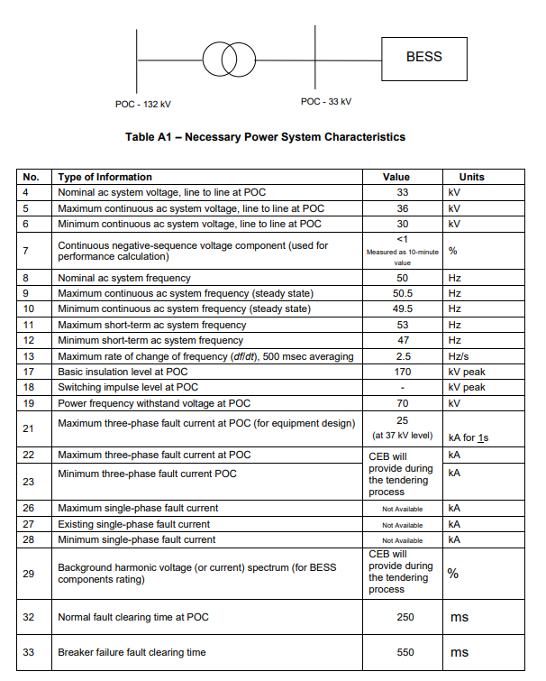
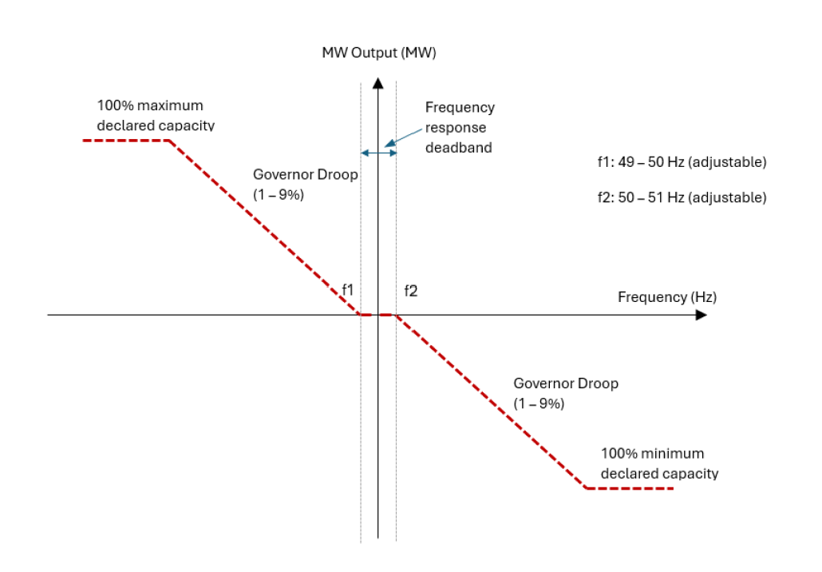

 | A.05.04 Frequency Withstand Capability
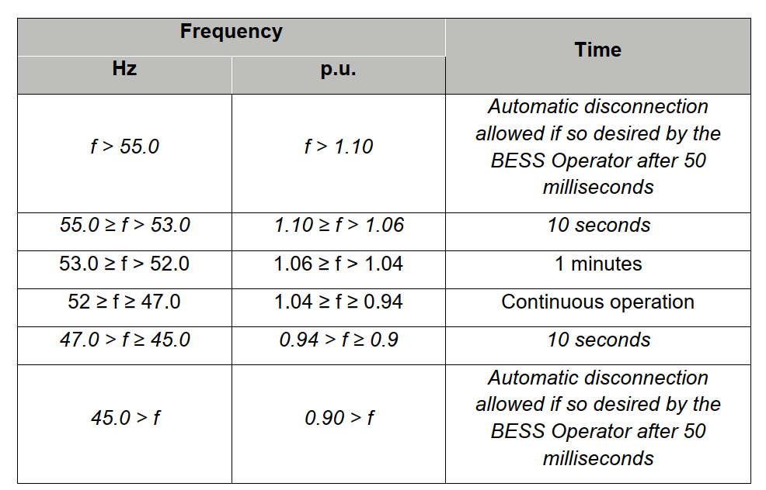

A.05.08 Voltage withstand and fault ride through capability
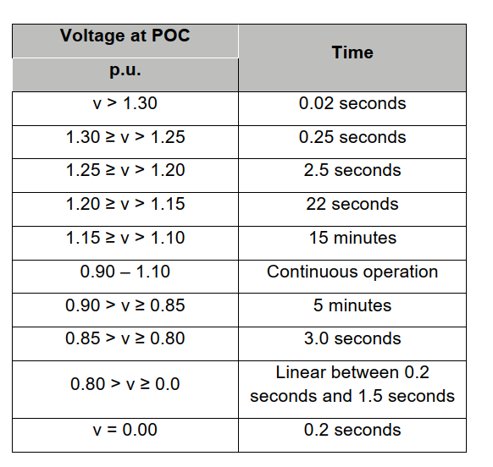
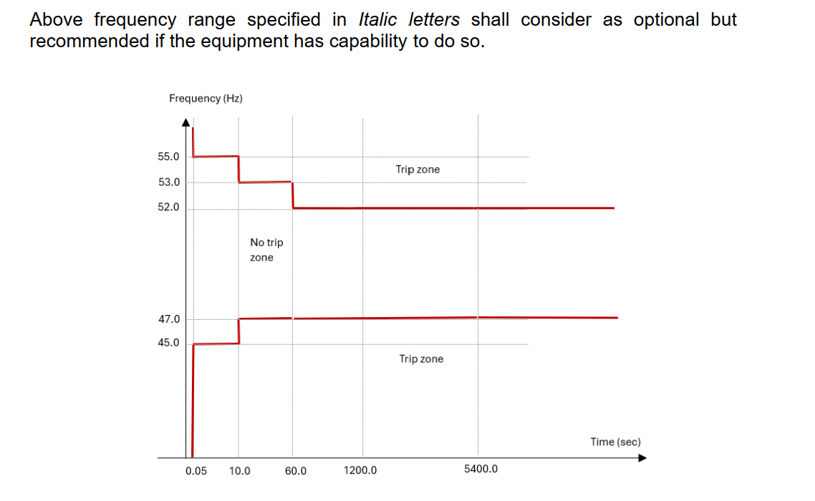

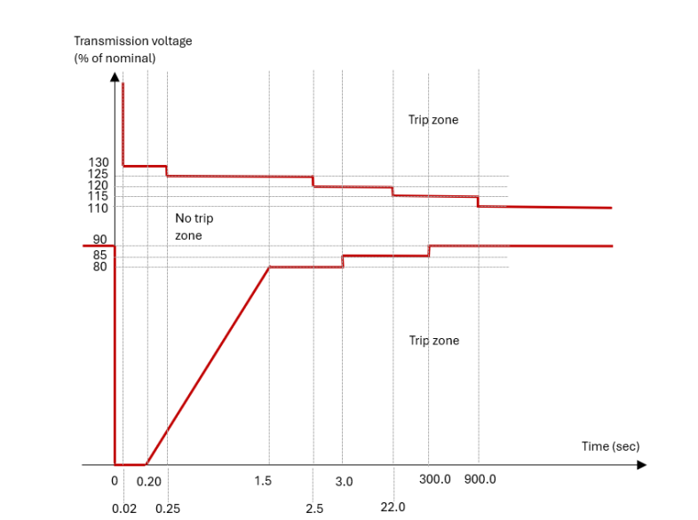
 | A.05.10 Reactive Current injection and active power recovery during the fault
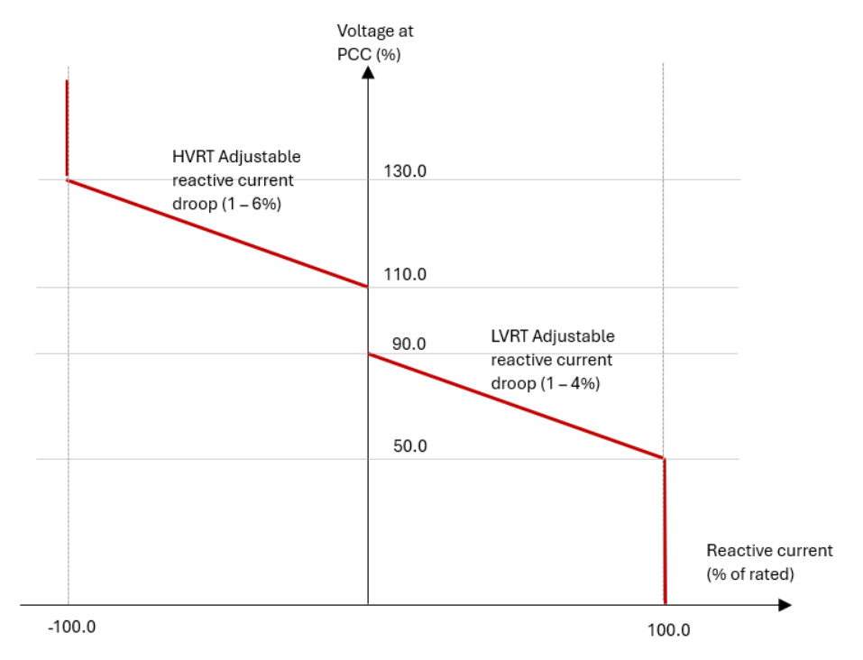

A.05.13 Reactive Power Capability

