Sheet1
An artificial neuron is just like a mammalian neuron
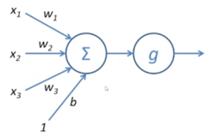

x1*w1 -> a weighted input. A combination of such weighted inputs are fed into a neuron. Higher the weight, more amplified will that input be. b -> a constant called bias. Can be considered as w4*x4 (where x4 = 1) g -> non-linear function called an activation function. If there was no activation function, then each neuron would give a linear combination of inputs as its output.
Bias: Bias nodes are added to increase the flexibility of the model to fit the data. Specifically, it allows the network to fit the data when all input features are equal to 0, and very likely decreases the bias of the fitted values elsewhere in the data space. Typically, a single bias node is added for the input layer and every hidden layer in a feedforward network. You would never add two or more to a given layer, but you might add zero. The total number is thus determined largely by the structure of your network, although other considerations could apply. (I am less clear on how bias nodes are added to neural network structures other than feedforward.) Mostly this has been covered, but to be explicit: you would never add a bias node to the output layer; that wouldn't make any sense.
Activation Function
Types of activation function: - Step - Sigmoid - Tanh - Recitfied Linear Unit or ReLU (preferred for fast convergence) - Softmax (preferred for classification net) - Linear (preferred for regression net)
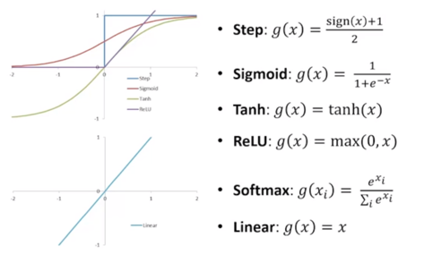

The input to each activation function is: x = (weight * input) + bias
Can we do without an activation function? We understand that using an activation function introduces an additional step at each layer during the forward propagation. Now the question is – if the activation function increases the complexity so much, can we do without an activation function? Imagine a neural network without the activation functions. In that case, every neuron will only be performing a linear transformation on the inputs using the weights and biases. Although linear transformations make the neural network simpler, but this network would be less powerful and will not be able to learn the complex patterns from the data. A neural network without an activation function is essentially just a linear regression model.
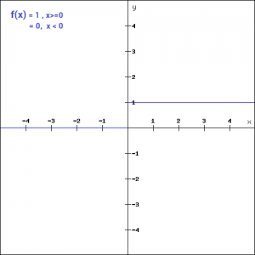 Binary Step Function: If the input to the activation function is greater than a threshold, then the neuron is activated, else it is deactivated, i.e. its output is not considered for the next hidden layer. f(x) = 1, x>=0 = 0, x<0 The binary step function can be used as an activation function while creating a binary classifier. As you can imagine, this function will not be useful when there are multiple classes in the target variable. That is one of the limitations of binary step function. Moreover, the gradient of the step function is zero which causes a hindrance in the back propagation process. That is, if you calculate the derivative of f(x) with respect to x, it comes out to be 0. Gradients are calculated to update the weights and biases during the backprop process. Since the gradient of the function is zero, the weights and biases don’t update. f'(x) = 0, for all x |  | 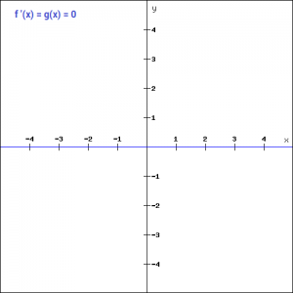
Linear Function We saw the problem with the step function, the gradient of the function became zero. This is because there is no component of x in the binary step function. Instead of a binary function, we can use a linear function. We can define the function as- f(x)=ax Here the activation is proportional to the input.The variable ‘a’ in this case can be any constant value. So, the gradient will be f'(x) = a Although the gradient here does not become zero, but it is a constant which does not depend upon the input value x at all. This implies that the weights and biases will be updated during the backpropagation process but the updating factor would be the same. In this scenario, the neural network will not really improve the error since the gradient is the same for every iteration. The network will not be able to train well and capture the complex patterns from the data. Hence, linear function might be ideal for simple tasks where interpretability is highly desired. | 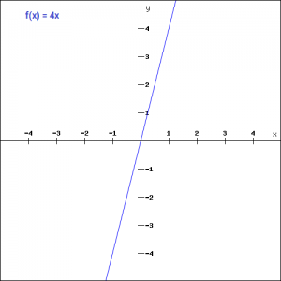 |  | 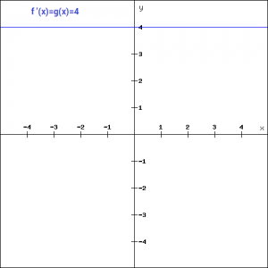
Sigmoid The next activation function that we are going to look at is the Sigmoid function. It is one of the most widely used non-linear activation function. Sigmoid transforms the values between the range 0 and 1. Here is the mathematical expression for sigmoid- f(x) = 1/(1+e^-x) A noteworthy point here is that unlike the binary step and linear functions, sigmoid is a non-linear function. This essentially means -when I have multiple neurons having sigmoid function as their activation function,the output is non linear as well. Additionally, as you can see in the graph above, this is a smooth S-shaped function and is continuously differentiable. The derivative of this function comes out to be f'(x) = 1-sigmoid(x) The gradient values are significant for range -3 and 3 but the graph gets much flatter in other regions. This implies that for values greater than 3 or less than -3, will have very small gradients. As the gradient value approaches zero, the network is not really learning. Additionally, the sigmoid function is not symmetric around zero. So output of all the neurons will be of the same sign. This can be addressed by scaling the sigmoid function which is exactly what happens in the tanh function. | 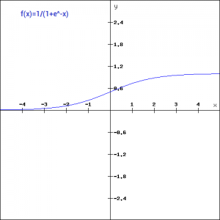 |  | 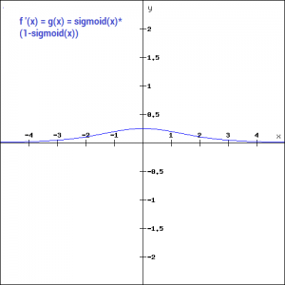
Tanh The tanh function is very similar to the sigmoid function. The only difference is that it is symmetric around the origin. The range of values in this case is from -1 to 1. Thus the inputs to the next layers will not always be of the same sign. The tanh function is defined as- tanh(x) = 2/(1+e^(-2x)) -1 As you can see, the range of values is between -1 to 1. Apart from that, all other properties of tanh function are the same as that of the sigmoid function. Similar to sigmoid, the tanh function is continuous and differentiable at all points. The gradient of the tanh function is steeper as compared to the sigmoid function. You might be wondering, how will we decide which activation function to choose? Usually tanh is preferred over the sigmoid function since it is zero centered and the gradients are not restricted to move in a certain direction. | 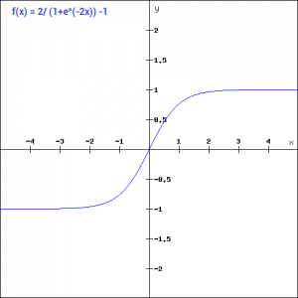 | 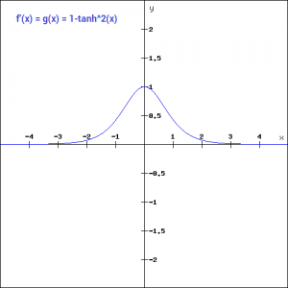
ReLU The ReLU function is another non-linear activation function that has gained popularity in the deep learning domain. ReLU stands for Rectified Linear Unit. The main advantage of using the ReLU function over other activation functions is that it does not activate all the neurons at the same time. This means that the neurons will only be deactivated if the output of the linear transformation is less than 0. f(x)=max(0,x) For the negative input values, the result is zero, that means the neuron does not get activated. Since only a certain number of neurons are activated, the ReLU function is far more computationally efficient when compared to the sigmoid and tanh function. Let’s look at the gradient of the ReLU function. f'(x) = 1, x>=0 = 0, x<0 If you look at the negative side of the gradient graph, you will notice that the gradient value is zero. Due to this reason, during the backpropogation process, the weights and biases for some neurons are not updated. This can create dead neurons which never get activated. This is taken care of by the ‘Leaky’ ReLU function. | 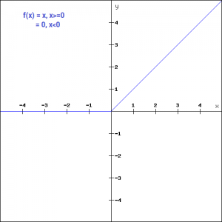 |  | 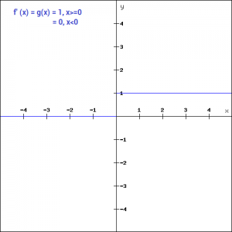
Leaky ReLU Leaky ReLU function is nothing but an improved version of the ReLU function. As we saw that for the ReLU function, the gradient is 0 for x<0, which would deactivate the neurons in that region. Leaky ReLU is defined to address this problem. Instead of defining the Relu function as 0 for negative values of x, we define it as an extremely small linear component of x. Here is the mathematical expression- f(x)= 0.01x, x<0 = x, x>=0 By making this small modification, the gradient of the left side of the graph comes out to be a non zero value. Hence we would no longer encounter dead neurons in that region. Here is the derivative of the Leaky ReLU function f'(x) = 1, x>=0 =0.01, x<0 | 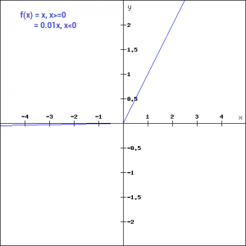 | 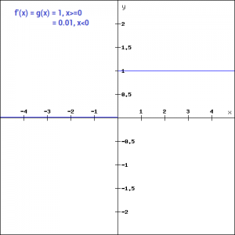
Softmax Softmax function is often described as a combination of multiple sigmoids. We know that sigmoid returns values between 0 and 1, which can be treated as probabilities of a data point belonging to a particular class. Thus sigmoid is widely used for binary classification problems. The softmax function can be used for multiclass classification problems. This function returns the probability for a datapoint belonging to each individual class. Here is the mathematical expression of the same- While building a network for a multiclass problem, the output layer would have as many neurons as the number of classes in the target. For instance if you have three classes, there would be three neurons in the output layer. Suppose you got the output from the neurons as [1.2 , 0.9 , 0.75]. Applying the softmax function over these values, you will get the following result – [0.42 , 0.31, 0.27]. These represent the probability for the data point belonging to each class. Note that the sum of all the values is 1. | def softmax_function(x): z = np.exp(x) z_ = z/z.sum() return z_ Input: softmax_function([0.8, 1.2, 3.1]) Output: softmax_function([1.2 , 0.9 , 0.75])
Choosing the right Activation Function Now that we have seen so many activation functions, we need some logic / heuristics to know which activation function should be used in which situation. Good or bad – there is no rule of thumb. However depending upon the properties of the problem we might be able to make a better choice for easy and quicker convergence of the network. - Sigmoid functions and their combinations generally work better in the case of classifiers - Sigmoids and tanh functions are sometimes avoided due to the vanishing gradient problem - ReLU function is a general activation function and is used in most cases these days - If we encounter a case of dead neurons in our networks the leaky ReLU function is the best choice - Always keep in mind that ReLU function should only be used in the hidden layers - As a rule of thumb, you can begin with using ReLU function and then move over to other activation functions in case ReLU doesn’t provide with optimum results
Perceptron
The simplest kind of neural network is a single-layer perceptron network, which consists of a single layer of output nodes; the inputs are fed directly to the outputs via a series of weights. The sum of the products of the weights and the inputs is calculated in each node, and if the value is above some threshold (typically 0) the neuron fires and takes the activated value (typically 1); otherwise it takes the deactivated value (typically 0).
Limitation of Perceptrons: Single-layer perceptrons are linear classifiers. That is, they can only learn linearly separable patterns. Linearly separable patterns are datasets or functions that can be separated by a linear boundary (a line or hyperplane)
It was mentioned earlier that single-layer perceptrons are linear classifiers. That is, they can only learn linearly separable patterns. Linearly separable patterns are datasets or functions that can be separated by a linear boundary (a line or hyperplane).

Feed Forward Neural Network
A feedforward neural network is an artificial neural network wherein connections between the nodes do not form a cycle. The feedforward neural network was the first and simplest type of artificial neural network devised. In this network, the information moves in only one direction, forward, from the input nodes, through the hidden nodes (if any) and to the output nodes. There are no cycles or loops in the network.
When feedforward neural networks are extended to include feedback connections, they are called recurrent neural networks
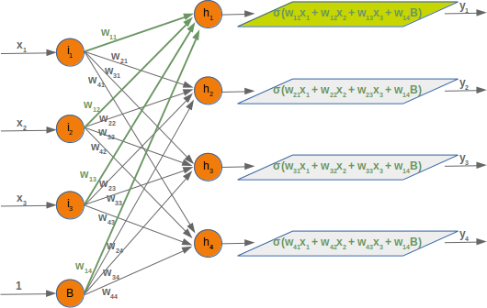
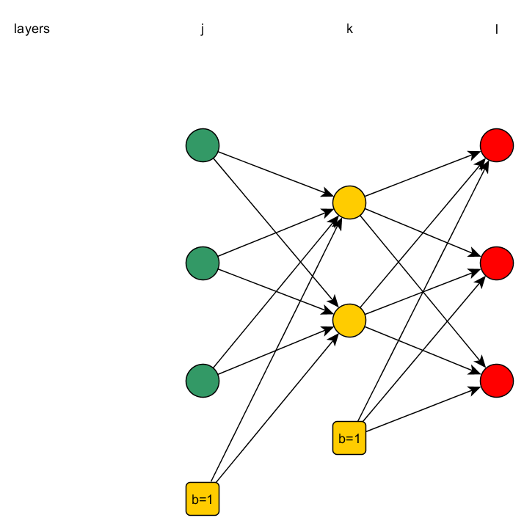

Determining number of layers /nodes in each layer
The Input Layer:- Every NN has exactly one of them. With respect to the number of neurons comprising this layer, this parameter is completely and uniquely determined once you know the shape of your training data. Specifically, the number of neurons comprising that layer is equal to the number of features (columns) in your data. Some NN configurations add one additional node for a bias term.
The Output Layer:- Like the Input layer, every NN has exactly one output layer. Determining its size (number of neurons) is simple; it is completely determined by the chosen model configuration. If the NN is a regressor, then the output layer has a single node. If the NN is a classifier, then it also has a single node unless softmax is used in which case the output layer has one node per class label in your model.
The Hidden Layers:- How many hidden layers? Well if your data is linearly separable (which you often know by the time you begin coding a NN) then you don't need any hidden layers at all. Of course, you don't need an NN to resolve your data either, but it will still do the job. (There can be 0 hidden layers as well.) Number of hidden layers - One or two hidden layer is sufficient for the large majority of problems. The situations in which performance improves with multiple hidden layers are very few. Size of each hidden layer - There are some empirically-derived rules-of-thumb, of these, the most commonly relied one is 'the optimal size of the hidden layer is usually between the size of the input and size of the output layers'. In sum, for most problems, one could probably get decent performance (even without a second optimization step) by setting the hidden layer configuration using just two rules: (i) number of hidden layers equals one; and (ii) the number of neurons in that layer is the mean of the neurons in the input and output layers.
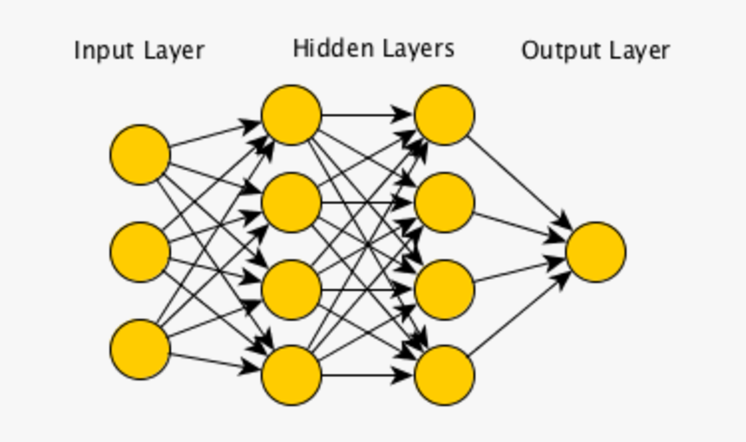
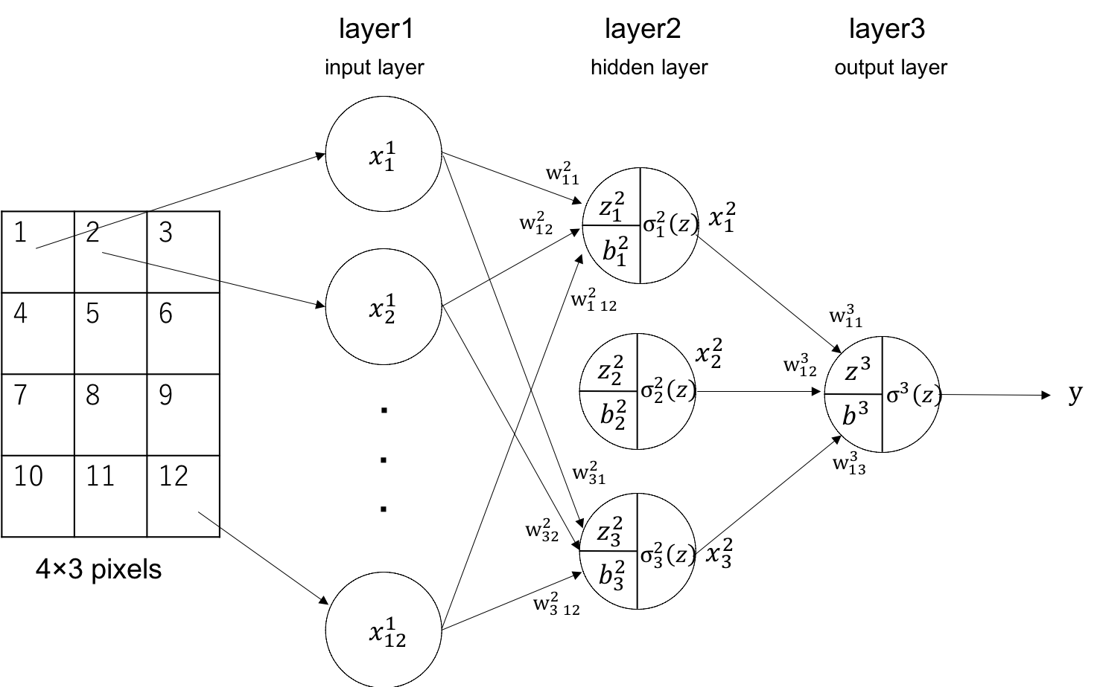

The first hidden layer extracts features, the second hidden layer extracts features of features, and so on. Finally, the output layer gives the desired output. In other words, the first hideen layer draws lines, the number of lines are equal to the number of neurons in the hidden layer, the second hidden layer will again draw lines, and so on. The output layer will look at which combination of these lines gives us the classes.
The number of connections between 2 layers = (n x d) + d (n=number of neurons in 1st layer, d=number of neurons in second layer, +d=number of bias connections)
The matrix Representation: If input layer has d neurons and hidden layer has n neurons, then the matrix represention will be W = n x d (shape of W matrix) X = d x 1 (shape of input matrix) The output will be of dimensions n x 1.
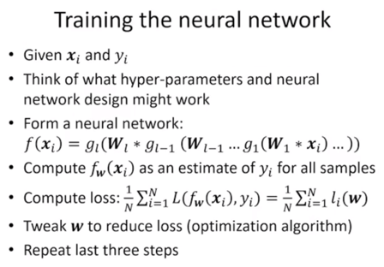

We repeat the last 3 steps until we get an optimal value of W
Loss Function and Gradient Descent
The loss function is a measurement of error which defines the loss on comparing the predicted output to the actual output. Loss = [actual output - predicted output]^2
https://www.youtube.com/playlist?list=PLZoTAELRMXVPGU70ZGsckrMdr0FteeRUi
In Chain Rule, we calculate loss w.r.t the input weight
1 epoch = 1 forward propagation + 1 backward propagation
Neural networks are trained using optimizing algos like gradient descent or stochastic gradient descent algorithm and require that you choose a loss function when designing and configuring your model, so that the weights are updated using a backpropagation of error algorithm. There are many loss functions to choose from and it can be challenging to know what to choose, or even what a loss function is and the role it plays when training a neural network. The gradient descent algorithm seeks to change the weights so that the next evaluation reduces the error, meaning the optimization algorithm is navigating down the gradient (or slope) of error.
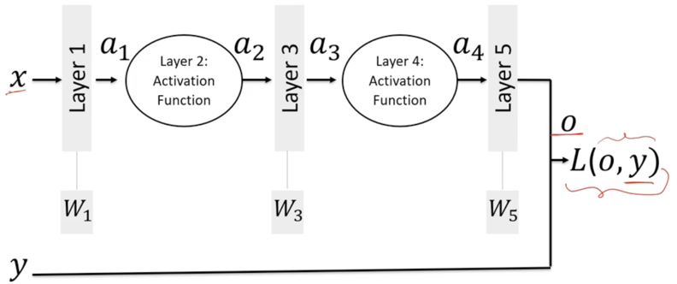

Difference between Loss Function and Cost Function They are related and almost the same. The cost function is the average of the losses. You first calculate the loss, one for each data point, based on your prediction and your ground truth label. Then, you average these losses which corresponds to your cost. For one training cycle or epoch, you calculate n losses for n training instances but only one cost which is used for your parameter update. This is called batch gradient descent. In stochastic gradient descent, however, you calculate your parameter update after each loss. In that scenario, the loss effectively corresponds to the cost. For semantic segmentation in particular, you might use the crossentropy loss.
Optimizing Algorithms: Deep learning is an iterative process. With so many parameters to tune or methods to try, it is important to be able to train models fast, in order to quickly complete the iterative cycle. This is key to increasing the speed and efficiency of a machine learning team. Hence the importance of optimization algorithms such as stochastic gradient descent, min-batch gradient descent, gradient descent with momentum and the Adam optimizer. These methods make it possible for our neural network to learn. However, some methods perform better than others in terms of speed. ***The main work of an Optimizing Algorithm is to update the weights in such a way so that the Loss/Cost Function is minimized.***
Different Optimizing Algorithms:
Stochastic Gradient Descent -
Mini-batch gradient descent - Traditional gradient descent needs to process all of the training examples before making the first update to the parameters. From now, updating the parameters will be referred to as taking a step. Now, we know that deep learning works best with large amounts of data. Therefore, gradient descent will need to train on millions of training points before taking a single step. This is obviously inefficient. Instead, consider breaking up the test set into smaller sets. Each small set is called a mini-batch. Say each mini-batch has 64 training points. Then, we could train the algorithm on a mini-batch at a time and take a step once training is done for each mini-batch! Hence the name: mini-batch gradient descent.
How to choose the mini-batch size Let’s consider both extremes. On one hand, you could set your mini-batch size to the size of all your training set. This would simply result in a traditional gradient descent method (also called batch gradient descent). On the other hand, you could set your mini-batch size to 1. This means that each step is taken after training on only 1 data point. This is called stochastic gradient descent. However, this is method is not very good, because it often takes steps in the wrong direction and it will not converge to the global minimum; it will instead oscillate around the global minimum. Thus, your mini-batch size should be between those two extremes. In general, the following guidelines can be followed: If the dataset is small (less than 2000 examples) use batch gradient descent For larger datasets, typical mini-batch sizes are 64, 128, 256 or 512. Of course, you mini-batch size must fit your CPU/GPU memory Again, the mini-batch size can be chosen iteratively. You will sometimes need to test different sizes to see which makes training the fastest.
Adam - Adam stands for: adaptive moment estimation. Briefly, this method combines momentum and RMSprop (root mean squared prop). RMSprop has smooths the gradient, just like momentum, but it uses a different approach that is best explained mathematically.
Gradient descent with momentum -
Differrent Loss Functions:
Regression Loss Functions - > Mean Squared Error Loss - The Mean Squared Error, or MSE, loss is the default loss to use for regression problems. It is the loss function to be evaluated first and only changed if you have a good reason. Mean squared error is calculated as the average of the squared differences between the predicted and actual values. E.g: loss='mean_squared_error' > Mean Squared Logarithmic Error Loss - There may be regression problems in which the target value has a spread of values and when predicting a large value, you may not want to punish a model as heavily as mean squared error. Instead, you can first calculate the natural logarithm of each of the predicted values, then calculate the mean squared error. It has the effect of relaxing the punishing effect of large differences in large predicted values. E.g: loss='mean_squared_logarithmic_error' > Mean Absolute Error Loss - On some regression problems, the distribution of the target variable may be mostly Gaussian, but may have outliers. The Mean Absolute Error, or MAE, loss is an appropriate loss function in this case as it is more robust to outliers. It is calculated as the average of the absolute difference between the actual and predicted values.
Binary Classification Loss Functions- > Binary Cross-Entropy - Cross-entropy is the default loss function to use for binary classification problems. It is intended for use with binary classification where the target values are in the set {0, 1}. Mathematically, it is the preferred loss function under the inference framework of maximum likelihood. It is the loss function to be evaluated first and only changed if you have a good reason. Cross-entropy will calculate a score that summarizes the average difference between the actual and predicted probability distributions for predicting class 1. The score is minimized and a perfect cross-entropy value is 0. E.g: loss='binary_crossentropy' > Hinge Loss - An alternative to cross-entropy for binary classification problems is the hinge loss function, primarily developed for use with Support Vector Machine (SVM) models. It is intended for use with binary classification where the target values are in the set {-1, 1}. The hinge loss function encourages examples to have the correct sign, assigning more error when there is a difference in the sign between the actual and predicted class values. Sometimes hinge loss function results in better performance than cross-entropy on binary classification problems. E.g: loss='hinge' > Squared Hinge Loss - A popular extension of hinge loss function is called the squared hinge loss that simply calculates the square of the score hinge loss. It has the effect of smoothing the surface of the error function and making it numerically easier to work with. If using a hinge loss does result in better performance on a given binary classification problem, is likely that a squared hinge loss may be appropriate. As with using the hinge loss function, the target variable must be modified to have values in the set {-1, 1}. E.g: loss='squared_hinge'
Multi-Class Classification Loss Functions - > Categorical Cross-Entropy Loss - Cross-entropy is the default loss function to use for multi-class classification problems. In this case, it is intended for use with multi-class classification where the target values are in the set {0, 1, 3, …, n}, where each class is assigned a unique integer value. Mathematically, it is the preferred loss function under the inference framework of maximum likelihood. It is the loss function to be evaluated first and only changed if you have a good reason. E.g: loss='categorical_crossentropy' > Sparse Categorical Cross-Entropy Loss - In Categorical Cross Entropy, we expect labels to be provided in a one_hot representation. If you want to provide labels as integers, please Use Sparse Categorical Cross-Entropy Loss. E.g: loss='sparse_categorical_crossentropy' > Kullback Leibler Divergence Loss - As such, the KL divergence loss function is more commonly used when using models that learn to approximate a more complex function than simply multi-class classification, such as in the case of an autoencoder used for learning a dense feature representation under a model that must reconstruct the original input. In this case, KL divergence loss would be preferred. Nevertheless, it can be used for multi-class classification, in which case it is functionally equivalent to multi-class cross-entropy. E.g: loss='kullback_leibler_divergence'

The above table shows what loss function to use for different scenarios

When updating the weights using backpropagation, first the weih=ghts between the last hidden layer and output layer is udated, then the weights are updated between the last output layer and the second last output layer, and so on.
Learning Rate: Learning Rate is selected using some hyper-parameter tuning
Important Note:
Given a framework of maximum likelihood, we know that we want to use a cross-entropy or mean squared error loss function under stochastic gradient descent. Nevertheless, we may or may not want to report the performance of the model using the loss function. For example, logarithmic loss is challenging to interpret, especially for non-machine learning practitioner stakeholders. The same can be said for the mean squared error. Instead, it may be more important to report the accuracy and root mean squared error for models used for classification and regression respectively. It may also be desirable to choose models based on these metrics instead of loss. This is an important consideration, as the model with the minimum loss may not be the model with best metric that is important to project stakeholders.
A good division to consider is to use the loss to evaluate and diagnose how well the model is learning. This includes all of the considerations of the optimization process, such as overfitting, underfitting, and convergence. An alternate metric can then be chosen that has meaning to the project stakeholders to both evaluate model performance and perform model selection. Loss: Used to evaluate and diagnose model optimization only. Metric: Used to evaluate and choose models in the context of the project.
Backpropagation is the process of updating the weights of the network in order to reduce the error in the prediction

