Sheet1
Why CNN and not ANN? ANN can only deal with input of a fixed size, because it requires a certain amount of parameters to "fully connect" the input and output. While convolutional layers just "slide" the same filters across the input, so it can basically deal with input of an arbitrary spatial size.
Structure of CNN
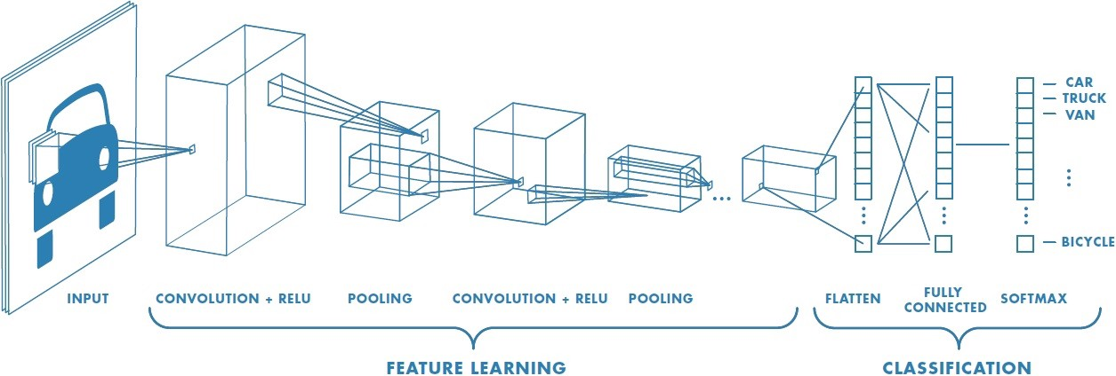

A CNN typically consists of 3 types of layers: - Convolution Layer - Pooling Layer - Fully Connected Layer
Convolution Layer - Convolution is the first layer to extract features from an input image. Convolution preserves the relationship between pixels by learning image features using small squares of input data. It is a mathematical operation that takes two inputs such as image matrix and a filter or kernel.
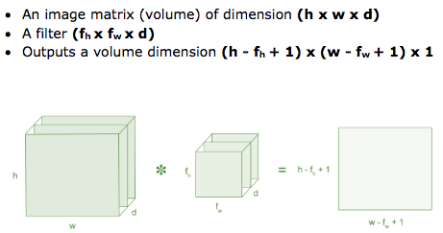

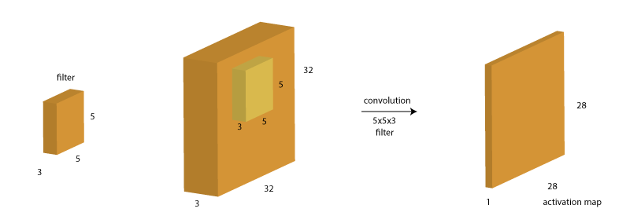
We start this filter from the top left corner and sweep it till the bottom left corner. This filter is nothing but a set of eights, i.e. 5x5x3=75 + 1 bias = 76 weights. At each position, the weighted sum of the pixels is calculated as W(T)X + b and a new value is obtained. A single filter will result in a volume of size 28x28x1 as shown above. Note that multiple filters are generally run at each step. Therefore, if 10 filters are used, there will be 10 output layers.
The result of a convolution layer is a Feature Map
Since there are 3 layers in the input image, the filter should also be of 3 layers.

The filter weights are parameters which are learned during the back-propagation step.
Stride (S) -> the number of cells (in above matrix) to move in each step. When the stride is 1 then we move the filters to 1 pixel at a time. When the stride is 2 then we move the filters to 2 pixels at a time and so on.
A filter would result in an output image following the formula. output size = (N – F)/S + 1 (with d outputs) As per above example, Input Image (N) -> 32, Filter Size (F) -> 5, d -> 10, S = 1. So, (32-5)/1 + 1 = 28 (with 10 outputs)
Zero-Padding or Half-Padding Notice here that the size of the images is getting shrunk consecutively. This will be undesirable in case of deep networks where the size would become very small too early. Also, it would restrict the use of large size filters as they would result in faster size reduction. To prevent this, we generally use a stride of 1 along with zero-padding of size (F-1)/2. Zero-padding is nothing but adding additional zero-value pixels towards the border of the image.
Calculation happening in the Convolution Layer
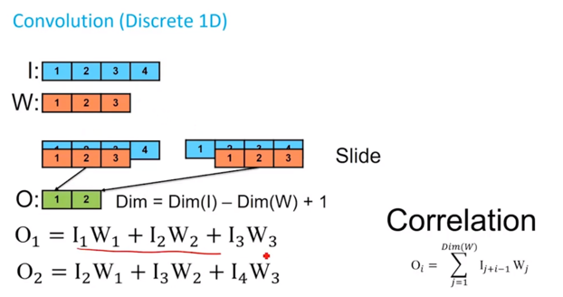

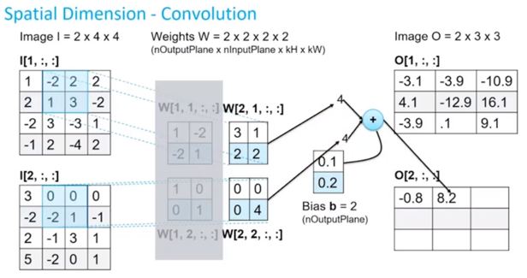

Sometimes filter does not fit perfectly fit the input image. We have two options: - Pad the picture with zeros (zero-padding) so that it fits - Drop the part of the image where the filter did not fit. This is called valid padding which keeps only valid part of the image.
Why ReLU is important : ReLU’s purpose is to introduce non-linearity in our ConvNet. Since, the real world data would want our ConvNet to learn would be non-negative linear values.
Dilated Convolution
In simple terms, dilated convolution is just a convolution applied to input with defined gaps. With this definitions, given our input is an 2D image, dilation rate k=1 is normal convolution and k=2 means skipping one pixel per input and k=4 means skipping 3 pixels. The best to see the figures below with the same k values. The figure below shows dilated convolution on 2D data. Red dots are the inputs to a filter which is 3x3 in this example, and green area is the receptive field captured by each of these inputs. Receptive field is the implicit area captured on the initial input by each input (unit) to the next layer .
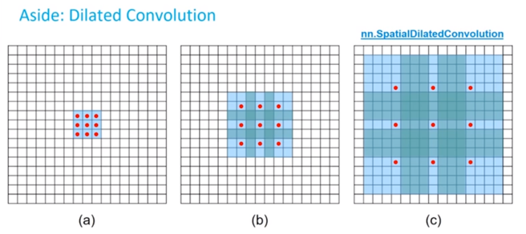

Dilated Convolution - Dilated convolution is a way of increasing receptive view (global view) of the network exponentially and linear parameter accretion. With this purpose, it finds usage in applications cares more about integrating knowledge of the wider context with less cost.
Deconvolution -
Transposed Convolution -
Pooling Layer
When we use padding in convolution layer, the image size remains same. So, pooling layers are used to reduce the size of image. Pooling layers section would reduce the number of parameters when the images are too large. Spatial pooling also called subsampling or downsampling which reduces the dimensionality of each map but retains important information. Spatial pooling can be of different types: - Max Pooling (most common) - Average Pooling - Sum Pooling
Pooling is performed on the Feature Map produced by Convolution.
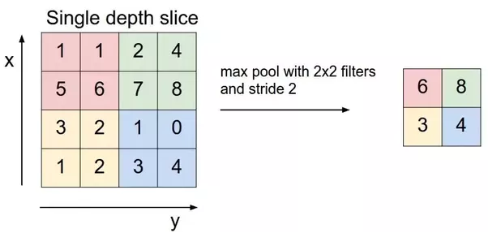

Fully Connected Layer
The layer we call as FC layer, we flattened our matrix into vector and feed it into a fully connected layer like a neural network. In the below diagram, the feature map matrix will be converted as vector (x1, x2, x3, …). With the fully connected layers, we combined these features together to create a model. Finally, we have an activation function such as softmax or sigmoid to classify the outputs as cat, dog, car, truck etc.
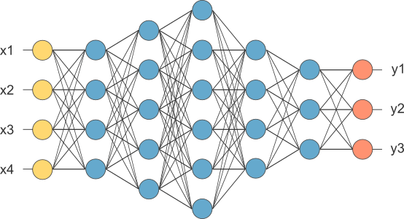

Note: Each fully connected layer can be replaced by a convolution layer. For that: - Do not flatten the output from the pooling layer. Instead, - Use a kernel on the pooling layer output. The h and w of the kernel should be the same as that of the h and w of the pooling layer output. - d of the kernel should be the same as that of the d of the pooling layer output. - number of filters should be number of neurons in the hidden layer.
Case Studies
LeNet Architecture
> LeNet-5 developed in 1998 > 10 way neural network classifier (10 neurons in output layer) > take handwritten digits as input > tolerant of various transformations like rotation and scale > trained on MNIST dataset > used in banks to recognize handwritten numbers on digitized cheques > Convolution Layer -> filter size = 5x5, stride = 1, # of filters = 6 > Pooling Layer -> filter size = 2x2, stride = 2 > Architecture -> CONV > POOL > CONV > POOL > CONV > FC

