Sheet1
Ensemble is a group of models that are used for prediction in both Regression and Classification techniques. It is a highly accurate and generizable model. Ensemble is also known as committee or meta-model.
Characteristics of Ensemble Techniques: - The models should be as independent of each other as possible. - The errors done by two models should be independent (should not correlate). - Each model can be weak predictors (for e.g: audience polling in KBC) but not a bad predictor. Together they form a strong predictor.
Models should not be regularized, else they tend to become overfitted and prone to variance errors.
The variance error across all models put together cancel out at the time of aggregation.
Each model has low bias and all models put together in ensemble give low variance. Thus we get a overall model with low bias and low variance. | from sklearn.ensemble import BaggingClassifier
Bagging (Bootstrap Aggregation): https://www.youtube.com/watch?v=KIOeZ5cFZ50 - The results with majority voting gets selected. - Can be used with any algorithm, but mostly used with Decision Trees. - Uses row sampling with replacement to generate multiple samples of given size. Samples may contain duplicate values. - it takes 63.2% (1-1/e) of the data for training. This 63.2% is different for each model. | bgcl = BaggingClassifier(base_estimator=dt_model, n_estimators=41, max_samples=.7, oob_scores = True, warm_start=True) # base_estimator -> The base estimator to fit on random subsets of the dataset. If None, then the base estimator is a decision tree. # n_estimators -> The number of base estimators in the ensemble. # max_samples -> The number of samples to draw from X to train each base estimator. # oob_score -> Whether to use out-of-bag samples to estimate the generalization error. # warm_start -> When set to True, reuse the solution of the previous call to fit and add more estimators to the ensemble, otherwise, just fit a whole new ensemble. bgcl = bgcl.fit(X_train, y_train)
How ptrediction happens during testing for Bagging? For a query data during testing, the data goes through all the models in the ensemble setup. Each model gives its own output. Classification -> a voting happens and the majority wins. Regression -> the outputs of individual models can be averaged to obtain the output of the ensemble model. | y_pred = bgcl.predict(X_test) bgcl.score(X_test , y_test)
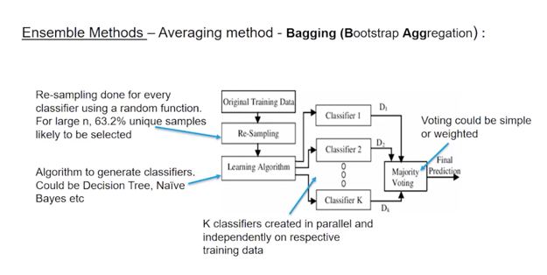

Boosting: - In Boosting, the models work in sequence, while in Bagging they work in parallel. Hence, Boosting is slower than Bagging. - 2 types of Boosting: ADA Boosting and Gradient Boosting
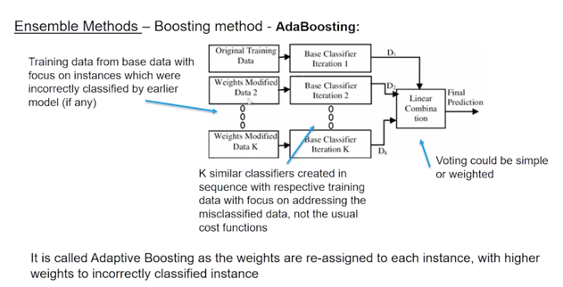

ADA Boosting: https://www.youtube.com/watch?v=NLRO1-jp5F8 - AdaBoost is best used to boost the performance of decision trees on binary classification problems. - The most suited and therefore most common algorithm used with AdaBoost are decision trees with one level. Because these trees are so short and only contain one decision for classification, they are often called decision stumps. - During training, from each base estimator, one stump is selected to build the final ensemble model for testing purpose. - Outliers should be removed for Ada Boosting and noisy data should be isolated and cleaned. | from sklearn.ensemble import AdaBoostClassifier abcl = AdaBoostClassifier(base_estimator=dt_model, n_estimators=50) abcl = abcl.fit(X_train, y_train)
How prediction happens during testing for Ada Boosting? For a new input instance, each weak learner calculates a predicted value as either +1.0 or -1.0. The predicted values are weighted by each weak learners performance during training. The prediction for the ensemble model is taken as a the sum of the weighted predictions. If the sum is positive, then the first class is predicted, if negative the second class is predicted. For example, 5 weak classifiers may predict the values 1.0, 1.0, -1.0, 1.0, -1.0. From a majority vote, it looks like the model will predict a value of 1.0 or the first class. These same 5 weak classifiers may have the training performance values as 0.2, 0.5, 0.8, 0.2 and 0.9 respectively. Calculating the weighted sum of these predictions results in an output of -0.8, which would be an ensemble prediction of -1.0 or the second class. | y_pred = abcl.predict(X_test) abcl.score(X_test, y_test)
Random Forests: https://www.youtube.com/watch?v=nxFG5xdpDto - Random Forests is a kind of a Bagging technique that can be used both for Regression as well as for Classification. - Each Decision Tree is a full-grown tree. - In Bagging and Boosting techniques, only row sampling with replacement happens. So, the resultant datasets are slightly different from each other. Hence, the errors done by each Base Estimator might be somewhat similar (correlated to each other). To avoid this Random Forest uses both row sampling and feature sampling with replacement. | from sklearn.ensemble import RandomForestClassifier rfcl = RandomForestClassifier(n_estimators = 41) # n_estimators -> The number of trees in the forest rfcl = rfcl.fit(X_train, y_train)
How prediction happens during testing for Random Forests? - For Classification, Random Forest takes majority voted result. - For Regression, it takes the average of the outputs from all the Base Estimators. | test_pred = rfcl.predict(X_test) rfcl.score(X_test, y_test)
Bias and Variance -> https://www.youtube.com/watch?v=9YLdXNSVnHw
When error is high during training, its called underfitting -> High Bias
When error is high during testing, its called overfitting -> High Variance

