Scaling
Models sensitive to magnitude of a feature: - Linear Regression - Logistic Regression - KNN - Support Vector Machines - K-Means Clustering - Principal Component Analysis - Neural Networks - Linear Discriminant Analysis
Models not sensitive to magnitude of a feature: - Decision Trees - Random Forests - Gradient Boosting
- Feature Scaling is the method to set the features on a similar scale. - Feature Scaling should be the last step in the feature engineering process. - Feature Scaling should be done on training set and then on test set.
Standardization Scaling - Standardization replaces the values by their Z scores. - The shape of the original distribution is preserved. - Outliers are also preserved. - This scaling technique is sensitive to outliers. - The result of standardization (or Z-score normalization) is that the features will be rescaled so that they’ll have the properties of a standard normal distribution with μ=0 and σ=1 | # set up the scaler scaler = StandardScaler() # fit the scaler to the train set, it will learn the parameters scaler.fit(X_train) # transform train and test sets X_train_scaled = scaler.transform(X_train) X_test_scaled = scaler.transform(X_test) X_train_scaled = pd.DataFrame(X_train_scaled, columns=X_train.columns) X_test_scaled = pd.DataFrame(X_test_scaled, columns=X_test.columns)


Here, μ and σ are the mean and std of the original feature.
MinMax Scaling - Minimum and maximum scaling squeezes the values between 0 and 1. - The result of the above transformation is a distribution which values vary within the range of 0 to 1. But the mean is not centered at zero and the standard deviation varies across variables. - The shape of a min-max scaled distribution may not be similar to the original variable, and the variance may change. - This scaling technique is also sensitive to outliers. | # set up the scaler scaler = MinMaxScaler() # fit the scaler to the train set, it will learn the parameters scaler.fit(X_train) # transform train and test sets X_train_scaled = scaler.transform(X_train) X_test_scaled = scaler.transform(X_test) X_train_scaled = pd.DataFrame(X_train_scaled, columns=X_train.columns) X_test_scaled = pd.DataFrame(X_test_scaled, columns=X_test.columns)

Graphs for Feature Scaling | fig, (ax1, ax2) = plt.subplots(ncols=2, figsize=(12, 5)) # before scaling ax1.set_title('Before Scaling') sns.kdeplot(X_train['RM'], ax=ax1) sns.kdeplot(X_train['LSTAT'], ax=ax1) sns.kdeplot(X_train['CRIM'], ax=ax1) # after scaling ax2.set_title('After Standard Scaling') sns.kdeplot(X_train_scaled['RM'], ax=ax2) sns.kdeplot(X_train_scaled['LSTAT'], ax=ax2) sns.kdeplot(X_train_scaled['CRIM'], ax=ax2) plt.show()

Pipeline
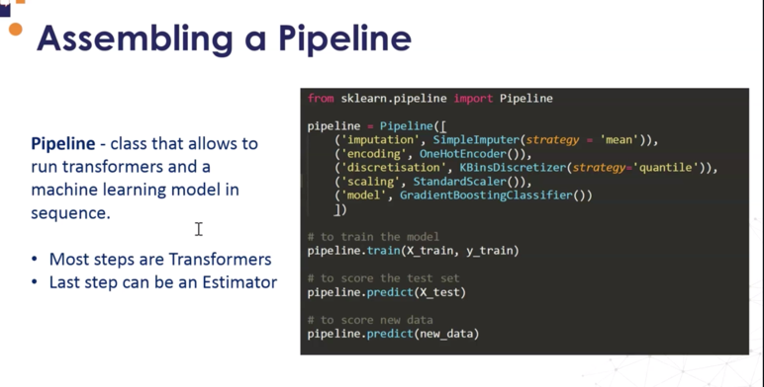
Classes that can be used inside a Pipeline:
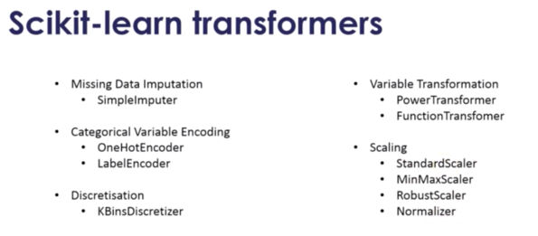

Code

