General
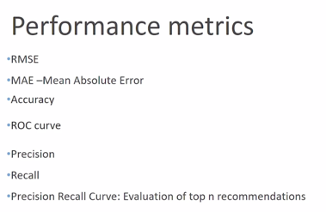
Types of recommendation systems: Popularity based Classification model based (not very scalable. For 10000 products we need 10000 models) Content based Nearest neighbour collaborative filtering - User based (user-user) - item based (item-item) Hybrid approaches Associate mining
Popularity based
Popularity Based Recommender Systems: - It works by recommending items viewed/purchased by most users and also highly rated. - Items are ranked by their purchase count/viewed count or can use context or user/item features .
It does not give a personalized recommendation. Hence, an old person coming to a online website might be recommended items trending amongst young customers.
Content Based
Recommendations are based on the content of the items rather than the user opinions. The main idea behind this is if a user likes an item, then he/she might like a similar item.
In Content based recommendation system, we need to convert unstructured content data into structured content data.
For finding content based similarity between 2 items, we calculate the cosine similarity between 2 items (considered as 2 vectors)

An angle of 0 degree means that cos = 1 so the vectors point to identical directions. An angle of 90 degree means that cos = 0 so the vectors point to perpendicular directions or are orthogonal.
Calculation:
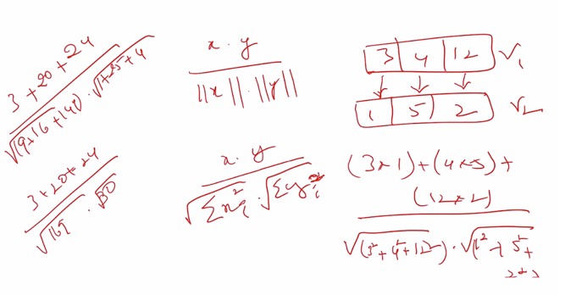

Collaborative Filtering
It is based on the idea that people who share the same interest in certain kind of items will also share the same interest in some other kind of items unlike content based which basically rely on metadata while it deals with real life activity. This type of filtering is flexible to most of the domain (or we can say it is domain free) but because of cold start problem, data sparsity (which was handled by matrix factorization) these type of algorithm faces some setback in some scenario.
Item-item Collaborative Filtering - it is a form of collaborative filtering for recommender systems based on the similarity between items calculated using people's ratings of those items. - Item-item models resolve these problems in systems that have more users than items. Item-item models use rating distributions per item, not per user. With more users than items, each item tends to have more ratings than each user, so an item's average rating usually doesn't change quickly. This leads to more stable rating distributions in the model, so the model doesn't have to be rebuilt as often. When users consume and then rate an item, that item's similar items are picked from the existing system model and added to the user's recommendations. - Item-item collaborative filtering had less error than user-user collaborative filtering. In addition, its less-dynamic model was computed less often and stored in a smaller matrix, so item-item system performance was better than user-user systems. How it is done? - First, the system executes a model-building stage by finding the similarity between all pairs of items. This similarity function can take many forms, such as correlation between ratings or cosine of those rating vectors. - Second, the system executes a recommendation stage. It uses the most similar items to a user's already-rated items to generate a list of recommendations. Usually this calculation is a weighted sum or linear regression. This form of recommendation is analogous to "people who rate item X highly, like you, also tend to rate item Y highly, and you haven't rated item Y yet, so you should try it".
User-user Collaborative Filtering - https://medium.com/@tomar.ankur287/user-user-collaborative-filtering-recommender-system-51f568489727 - Identify n neighbours of a particular user using cosine similarity or Pearson's correlation. A user X is considered neighbour of Y only if X and Y have watched few similar movies and rated them similarly. (this is distance computation) - Compute the mean rating provided by all n neighbours and sort them in descending order. (These movies have not been watched by our particular neighbour) - Now, the movies that have been watched by the neighbours and not by the particular user will be recommended to the user based on the highest rating. Assuming that the user will also rate the unwatched movies similar to his neighbours. Advantages: As long as I have the ratings available of the movies, I can go ahead and recommend them to any user. Disadvantage: - Grey-sheep problem (One phycho user has rated one movie as very high which has not been rated by any other user). We cannot find neighbours for that user. Use hybrid system to overcome this problem. - very generous and very critic users. To overcome this, find mean user rating and subtract it from the actual ratings (removing the bias) before find cosine similarity between the users.
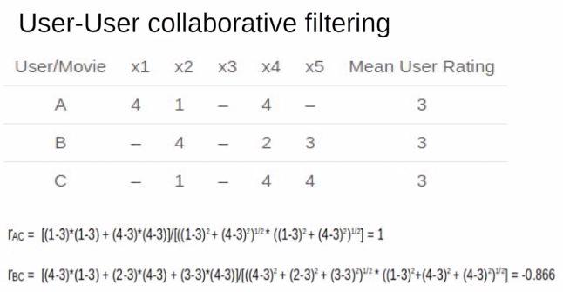

Matrix Factorization: - Matrix Factorization is used to determine what a user will give rating to a movie that he is yet to watch, by checking the ratings he has already given to other movies. - Matrix factorization is the collaborative based filtering method where matrix m*n is decomposed into m*k and k*n . - Matrix used in this type of problem are generally sparse because there is chance that one user might rate only some movies. - Increasing the number of latent factor will improve personalization, therefore recommendation quality, until the number of factors becomes too high, at which point the model starts to overfit and the recommendation quality will decrease.
In real-life scenarios, every user wouldn’t have seen all possible movies. So the rating matrix will look more empty - Sparse Matrix. In this case, the model still learns to factorize the sparse matrix, but RMSE will be calculated only for the ratings that are actually present in the matrix. After obtaining the best factors to approximate the ratings we have, we then perform dot product of the factor matrices to fill in the missing entries in the rating matrix. These filled in ratings are then used to provide recommendations to the users.
How Matrix Factorization is done? - Based on the ratings what a user has already given to other movies, we create n number of random attributes (latent charecteristics) of the user. - Similarly n number of random charecteristics are given to each movie. - Rating matrix value (predicted value) = User charecteristics (dot product) Movie Charecteristics (for known rating values) Rating matrix value (predicted value) = 0 (for unkown rating values) - Find residual = | predicted - actual | - The Gradient Descent function is used to minimize the residual value. So, the residual should be as close to 0 as possible.
Singular Value Decomposition: Matrix Factorization is done using SVD.
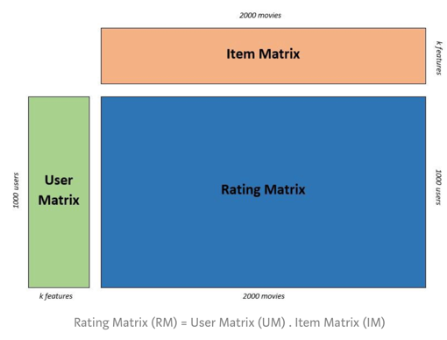

The model learns to find latent factors to factorize the rating matrix. To arrive at the best approximation of the factors, RMSE(root mean squared error) is the cost function to be minimized. After Matrix factorization is done, squared error is calculated for every movie rating in the rating matrix and the root value of the mean of squared error values are minimized. In order to minimize RMSE to learn the factors, Gradient Descent and Alternating Least Squares are the two most used techniques.
Association Rule Based or Market Basket Analysis or Apriori
Association Rule Mining is one of the ways to find patterns in data. It finds: - features (dimensions) which occur together - features (dimensions) which are “correlated”
Market Basket Analysis is a popular application of Association Rules. - People who visit webpage X are likely to visit webpage Y - People who have age-group [30,40] & income [>$100k] are likely to own home
Apriori Principle: An item shall not be deemed as frequent if each sub-item is not frequent. {1,2,3} will be frequent only when the below are frequent: {1}, {2}, {3}, {1,2}, {2,3}, {1,3}
Support: Here, the term frequent is something that we need to decide in the Apriori principle. For example, let the threshold be 0.1. If there are 10000 transactions in the shop in a year, then a particular item will be termed frequent only if it is present in 1000 of those transactions. That is, 1000/10000 = 0.1 times sold. This ratio is called the support of that particular item (or of a particular combination). Any item or combination having a support below 0.1 will not be deemed as frequent. Hence, any superset having this combination will not be deemed as frequent.
Confidence: Lets assume the threshold confidence level as 0.6. Now, out of 10000 transactions, beer is sold 5000 times. Hence, support for beer = 5000/10000 = 0.5 Now, we that out of the 5000 transactions how many times chicken was also sold. Lets assume that as 4000. So, confidence of beer and chicken combination = 4000/5000 = 0.8. This is higher than the threshold value. Hence, we can keep the combination together.
Lift: Lift decides if we keep a combination together, how much will it increase the sales. Formula: Support(Beer, Chicken) / (Support(Beer) * Support(Chicken)) Farther the lift value is from 1, better it is. So, we should keep the combination together. E.g: A lift value of 16 is better than a lift value of 10.
Performance Metrics

