Partitioning - K Means
The K-means clustering algorithm is used to find groups which have not been explicitly labeled in the data. This can be used to confirm business assumptions about what types of groups exist or to identify unknown groups in complex data sets. Once the algorithm has been run and the groups are defined, any new data can be easily assigned to the correct group.
Kmeans algorithm is an iterative algorithm that tries to partition the dataset into K pre-defined distinct non-overlapping subgroups (clusters) where each data point belongs to only one group. It tries to make the inter-cluster data points as similar as possible while also keeping the clusters as different (far) as possible. It assigns data points to a cluster such that the sum of the squared distance between the data points and the cluster’s centroid (arithmetic mean of all the data points that belong to that cluster) is at the minimum. The less variation we have within clusters, the more homogeneous (similar) the data points are within the same cluster. | from sklearn.cluster import Kmeans
Algorithm: 1) Choose the number of k clusters 2) Select random k points or centroids (the points may not be part of the dataset) 3) Assign each point to the closest centroid thus forming k clusters 4) Compute the new centroid of the clusters. This is done by calculating the average of all the data points in the cluster. 5) Reassign the datapoints to the closest centroid If reassignment happens, go to step 4 else finish. Also, we can stop the training if the maximum number of iterations is reached. Suppose if we have set the number of iterations as 100. The process will repeat for 100 iterations before stopping. http://shabal.in/visuals/kmeans/1.html | # find the optimum value of k wcss = [] # to store the errors for i in range(1,11): kmeans = KMeans(n_clusters=i, init='k-means++', n_init=10, max_iter=300, random_state=0) # n_clusters -> no. of centroids # init -> how to pick the centroids. If 'k-means++' specified, then the centroids will be picked smartly to achieve convergence quickly # n_init -> how many times initialization will happen for k centroids. Out of all of the outputs the one with the least wcss will be picked # max_iter -> after picking the centroids, how many iterations will execute till convergance is achieved. If max_iter value crossed, then the iteration will stop. kmeans.fit(X) wcss.append(kmeans.inertia_) # inertia_ -> Sum of squared distances of data points to their closest cluster center. # plot the elbow graph plt.plot(range(1,11), wcss)
Random Initialization Trap -> Happens when we start with bad centroids. Can be solved using K-Means++. No need to implement this as this happens in the background by the libraries. For K-Means++, read https://www.analyticsvidhya.com/blog/2019/08/comprehensive-guide-k-means-clustering/ | # building the model using the optimum k value kmeans = KMeans(n_clusters=5, init='k-means++', n_init=10, max_iter=300, random_state=0) y = kmeans.fit_predict(X) # returns values 0 to k-1, i.e, which datapoint belongs to which cluster print(kmeans.labels_) # returns which cluster each data point belongs to centroids=kmeans.cluster_centers_ # returns the coordinates of the cluster centers centroid_df = pd.DataFrame(centroids, columns = list(df))
How to find the right number of clusters? By using the Within Cluster Sum of Squares (WCSS) or Inertia formula and the Elbow Method. | # visualisation def optimal_cluster_analysis(X, n_clusters, cluster_labels): fig, (ax1, ax2) = plt.subplots(1, 2) fig.set_size_inches(10, 5) # 1st plot - silhoutte analysis ax1.set_xlim([-0.1, 1]) ax1.set_ylim([0, len(X) + (n_clusters + 1) * 10]) silhouette_avg = silhouette_score(X, cluster_labels) print("For n_clusters =", n_clusters, "The average silhouette_score is :", silhouette_avg) sample_silhouette_values = silhouette_samples(X, cluster_labels) y_lower = 10 for i in range(n_clusters): ith_cluster_silhouette_values = sample_silhouette_values[cluster_labels == i] ith_cluster_silhouette_values.sort() size_cluster_i = ith_cluster_silhouette_values.shape[0] y_upper = y_lower + size_cluster_i color = cm.Spectral(float(i) / n_clusters) ax1.fill_betweenx(np.arange(y_lower, y_upper), 0, ith_cluster_silhouette_values, facecolor=color, edgecolor=color, alpha=0.7) ax1.text(-0.05, y_lower + 0.5 * size_cluster_i, str(i)) y_lower = y_upper + 10 ax1.set_title("The silhouette plot for the various clusters.") ax1.set_xlabel("The silhouette coefficient values") ax1.set_ylabel("Cluster label") ax1.axvline(x=silhouette_avg, color="red", linestyle="--") ax1.set_yticks([]) ax1.set_xticks([-0.1, 0, 0.2, 0.4, 0.6, 0.8, 1]) # 2nd Plot - showing the actual clusters formed colors = cm.Spectral(cluster_labels.astype(float) / n_clusters) ax2.scatter(X[:, 0], X[:, 1], marker='.', s=30, lw=0, alpha=0.7, c=colors) centers = clusterer.cluster_centers_ ax2.scatter(centers[:, 0], centers[:, 1], marker='o', c="white", alpha=1, s=200) for i, c in enumerate(centers): ax2.scatter(c[0], c[1], marker='$%d$' % i, alpha=1, s=50) ax2.set_title("The visualization of the clustered data.") ax2.set_xlabel("Feature space for the 1st feature") ax2.set
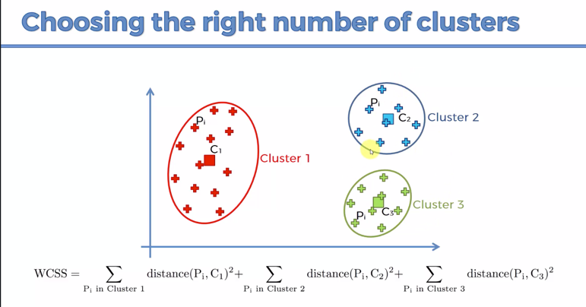
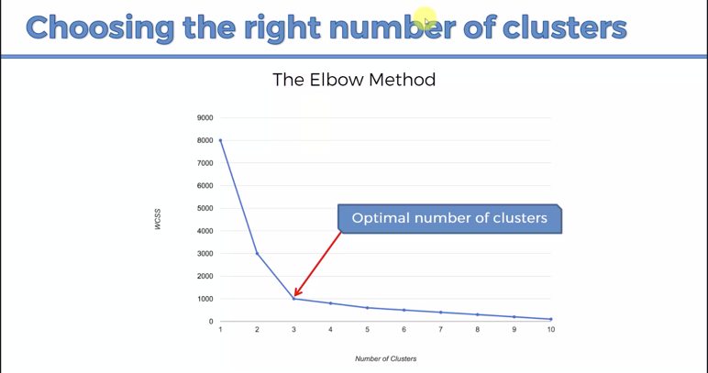

note: Here the distance of each point with the centroid is calculated, sqaured and then summed up. This is done for all the clusters.
In WCSS, the value is high when k=1. WCSS=0 when k=number of points. With increase in k, the cost also increases. Hence, the optimal value of k is selected to be the value where there is no signigicant decrease in WCSS.
Given k-means iterative nature and the random initialization of centroids at the start of the algorithm, different initializations may lead to different clusters. Therefore, it’s recommended to run the algorithm using different initializations of centroids and pick the results of the run that yielded the lower sum of squared distance.
What is Silhouette analysis (S.A.)? S.A. is a way to measure how close each point in a cluster is to the points in its neighboring clusters. Its a neat way to find out the optimum value for k during k-means clustering. Silhouette values lies in the range of [-1, 1]. A value of +1 indicates that the sample is far away from its neighboring cluster and very close to the cluster its assigned. Similarly, value of -1 indicates that the point is close to its neighboring cluster than to the cluster its assigned. And, a value of 0 means its at the boundary of the distance between the two cluster. Value of +1 is idea and -1 is least preferred. Hence, higher the value better is the cluster configuration.
Mean Silhouette score: Mean score can be simply calculated by taking the mean of silhouette score of all the examples in the data set. This gives us one value representing the Silhouette score of the entire cluster.
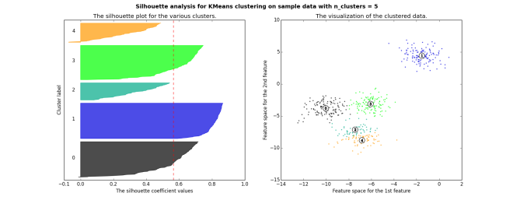

For this to be a good value for number of cluster, one should consider the following points - Firstly, The mean value should be as close to 1 as possible - Secondly, The plot of each cluster should be above the mean value as much as possible. Any plot region below the mean value is not desirable. - Lastly, the width of the plot should be as uniform as possible.

Hierarchical
Hierarchical clustering is an alternative approach to partitioning clustering for identifying groups in the dataset. It does not require to pre-specify the number of clusters to be generated. The result of hierarchical clustering is a tree-based representation of the objects, which is also known as dendrogram. Observations can be subdivided into groups by cutting the dendrogram at a desired similarity level.
Hierarchical clustering generally fall into two types: - Agglomerative: This is a ""bottom-up"" approach: each observation starts in its own cluster, and pairs of clusters are merged as one moves up the hierarchy. - Divisive: This is a ""top-down"" approach: all observations start in one cluster, and splits are performed recursively as one moves down the hierarchy.
Agglomerative Hierarchical clustering starts by treating each observation as a separate cluster. Then, it repeatedly executes the following two steps: (1) identify the two clusters that are closest together (2) merge the two most similar clusters. This continues until all the clusters are merged together.
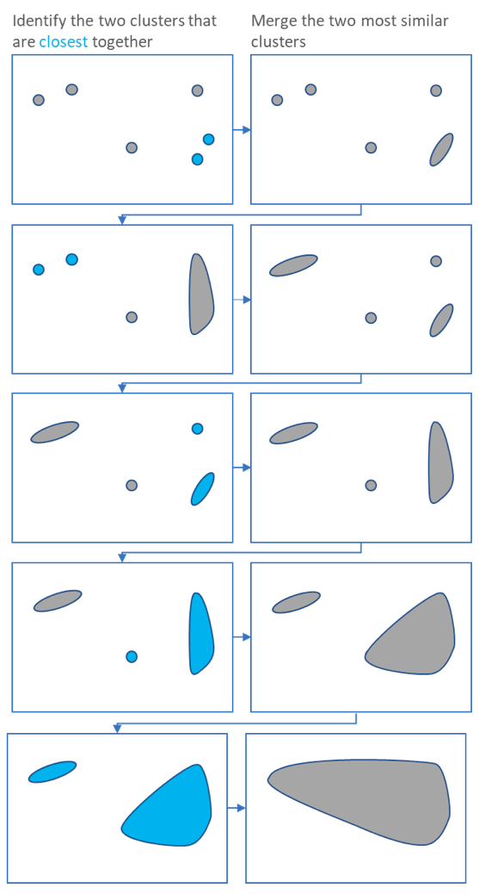

The main output of Agglomerative Hierarchical Clustering is a dendrogram, which shows the hierarchical relationship between the clusters.
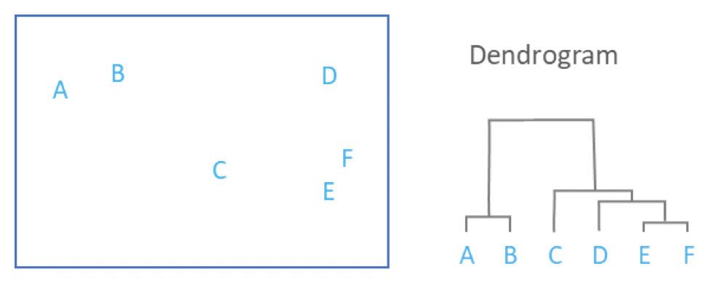

Measures of distance: The distance between two clusters has been computed based on length of the straight line drawn from one cluster to another. This is commonly referred to as the Euclidean distance. Many other distance metrics have been developed.
How do you decide the optimal number of clusters? You cut the dendrogram tree with a horizontal line at a height where the line can traverse the maximum distance up and down without intersecting the merging point. For example in the below figure L3 can traverse maximum distance up and down without intersecting the merging points. So we draw a horizontal line and the number of verticle lines it intersects is the optimal number of clusters.
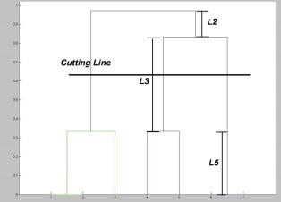

The Divisive Hierarchical clustering Technique is not much used in the real world.
In Divisive Hierarchical clustering, we consider all the data points as a single cluster and in each iteration, we separate the data points from the cluster which are not similar. Each data point which is separated is considered as an individual cluster. In the end, we’ll be left with n clusters.
Space and Time Complexity of Hierarchical clustering Technique: Space complexity: The space required for the Hierarchical clustering Technique is very high when the number of data points are high as we need to store the similarity matrix in the RAM. The space complexity is the order of the square of n. Space complexity = O(n²) where n is the number of data points. Time complexity: Since we’ve to perform n iterations and in each iteration, we need to update the similarity matrix and restore the matrix, the time complexity is also very high. The time complexity is the order of cube of n. Time complexity = O(n³) where n is the number of data points.

