VTC
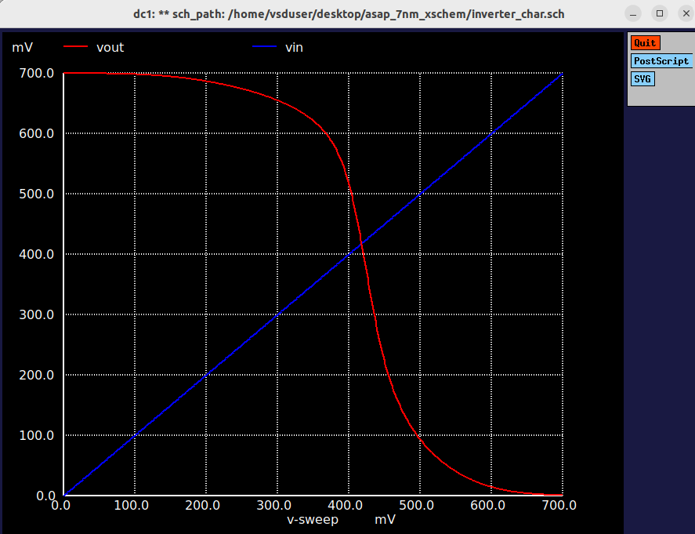

Waveforms
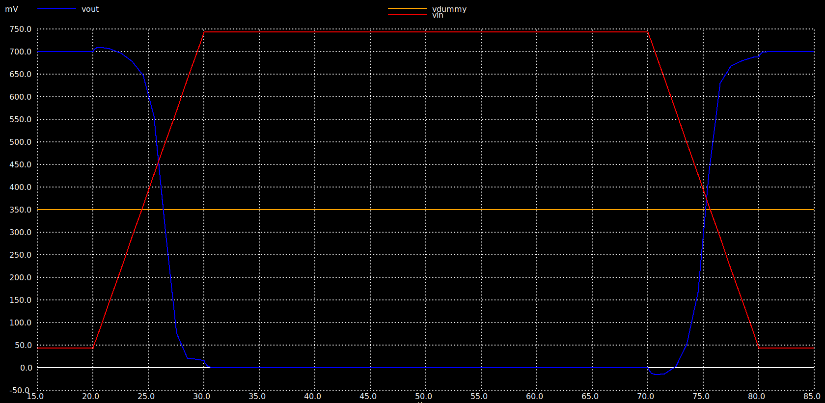
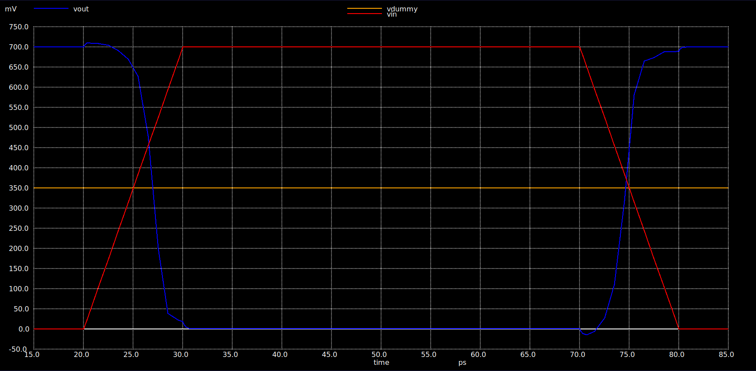

Input Tise/Tfall=10p,
timestep=1p,
Vuniq=44mV
Input Tise/Tfall=10p,
timestep=1p,
Vuniq=0mV

tpLH -ve
tpLH -ve

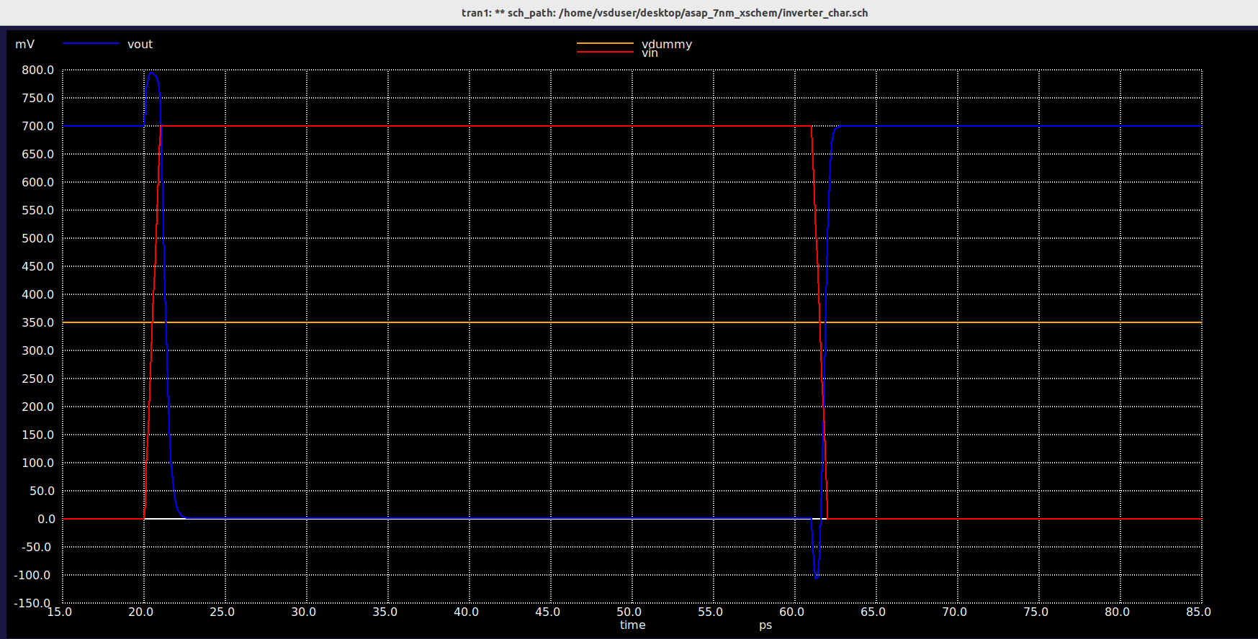

Input Tise/Tfall=1p,
timestep=0.1p,
Vuniq=0mV

tpLH +ve

